act2_3
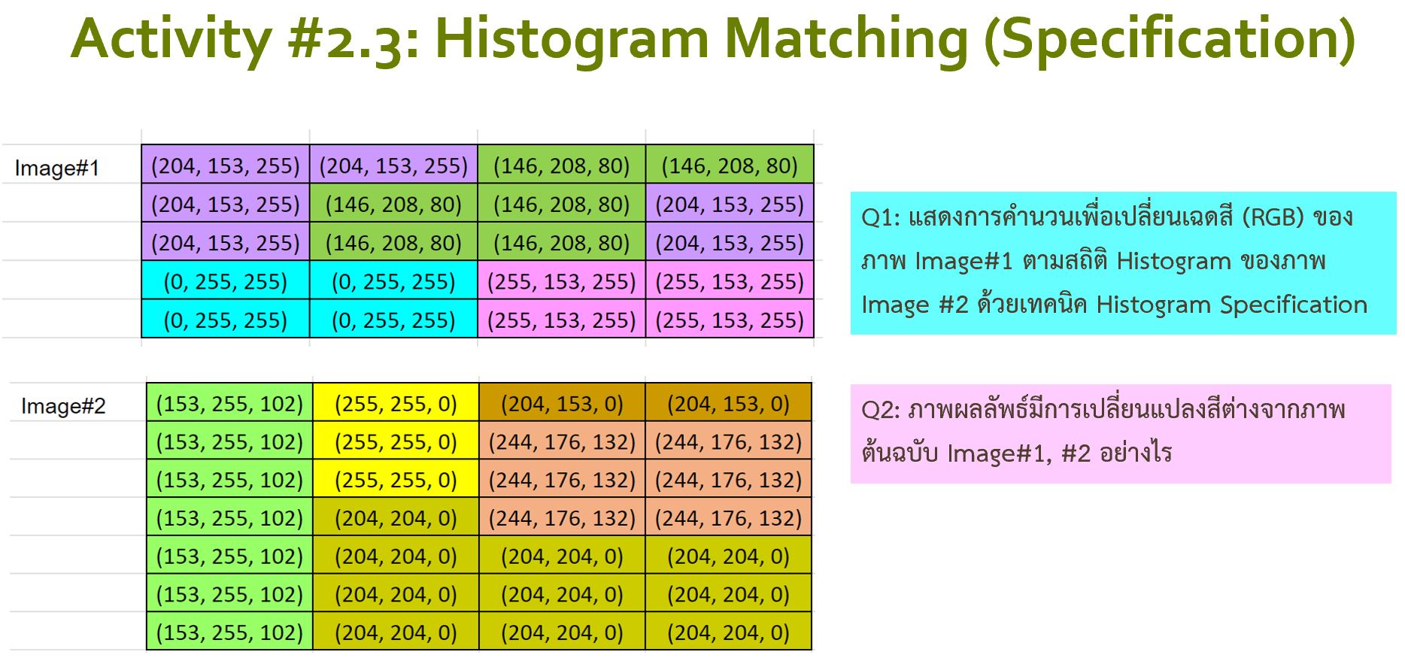

Q1

I/p |  |  |  |  | I/p
img 1 | (204, 153, 255) | (204, 153, 255) | (146, 20, 80) | (146, 20, 80) | img 2 | (153, 255, 102) | (255, 255, 0) | (204, 153, 0) | (204, 153, 0)
 | (204, 153, 255) | (146, 20, 80) | (146, 20, 80) | (204, 153, 255) |  | (153, 255, 102) | (255, 255, 0) | (244, 176, 132) | (244, 176, 132)
 | (204, 153, 255) | (146, 20, 80) | (146, 20, 80) | (204, 153, 255) |  | (153, 255, 102) | (255, 255, 0) | (244, 176, 132) | (244, 176, 132)
 | (0, 255, 255) | (0, 255, 255) | (255, 153, 255) | (255, 153, 255) |  | (153, 255, 102) | (204, 204, 0) | (244, 176, 132) | (244, 176, 132)
 | (0, 255, 255) | (0, 255, 255) | (255, 153, 255) | (255, 153, 255) |  | (153, 255, 102) | (204, 204, 0) | (204, 204, 0) | (204, 204, 0)
 |  |  |  |  |  | (153, 255, 102) | (204, 204, 0) | (204, 204, 0) | (204, 204, 0)
 |  |  |  |  |  | (153, 255, 102) | (204, 204, 0) | (204, 204, 0) | (204, 204, 0)

 |  | Histogram | % prob |  |  |  | Histogram | % prob
 |  | qty | pdf | cdf |  |  | qty | pdf | cdf
 | (204, 153, 255) | 6 | 0.3 | 0.3 |  | (153, 255, 102) | 7 | 0.250 | 0.250
 | (146, 20, 80) | 6 | 0.3 | 0.6 |  | (255, 255, 0) | 3 | 0.107 | 0.357
 | (0, 255, 255) | 4 | 0.2 | 0.8 |  | (204, 153, 0) | 2 | 0.071 | 0.429
 | (255, 153, 255) | 4 | 0.2 | 1 |  | (204, 204, 0) | 10 | 0.357 | 0.786
 | sum | 20 |  |  |  | (244, 176, 132) | 6 | 0.214 | 1.000
 |  |  |  |  |  | sum | 28

 | O/p |  | Img1 | cdf |  | Img 2 | cdf
 | (255, 255, 0) |  | (204, 153, 255) | 0.3 |  | (153, 255, 102) | 0.25
 | (204, 204, 0) |  | (146, 20, 80) | 0.6 |  | (255, 255, 0) | 0.357
 | (204, 204, 0) |  | (0, 255, 255) | 0.8 |  | (204, 153, 0) | 0.429
 | (244, 176, 132) |  | (255, 153, 255) | 1 |  | (204, 204, 0) | 0.786
 |  |  |  |  |  | (244, 176, 132) | 1

Q2: ภาพผลลัพธ์มีการเปลี่ยนแปลงสีต่างจากภาพต้นฉบับ img1, img2 อย่างไร
 | ตอบ ผลลัพธ์ได้ดังนี้

O/p | (255, 255, 0) | (255, 255, 0) | (204, 204, 0) | (204, 204, 0)
 | (255, 255, 0) | (204, 204, 0) | (204, 204, 0) | (255, 255, 0)
 | (255, 255, 0) | (204, 204, 0) | (204, 204, 0) | (255, 255, 0)
 | (204, 204, 0) | (204, 204, 0) | (244, 176, 132) | (244, 176, 132)
 | (204, 204, 0) | (204, 204, 0) | (244, 176, 132) | (244, 176, 132)

