replacement
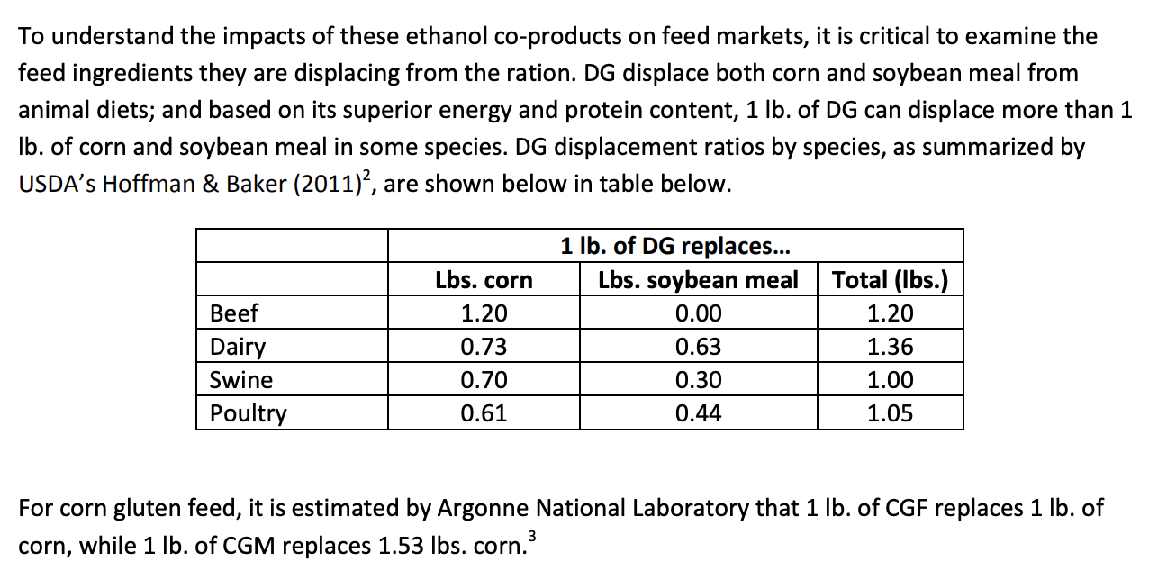
1) https://ethanolrfa.org/wp-content/uploads/2015/09/Impacts-of-Ethanol-Co-products.pdf

inclusion rates
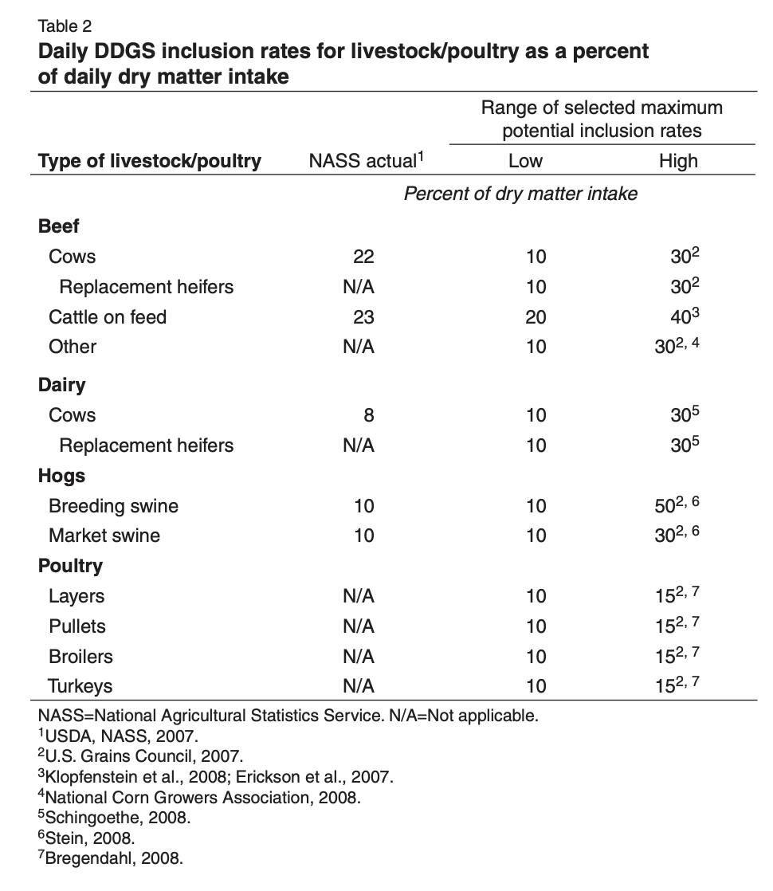
 | source
https://www.ers.usda.gov/webdocs/publications/36471/12563_fds11i01_2_.pdf?v=0

DDGS market share estimates
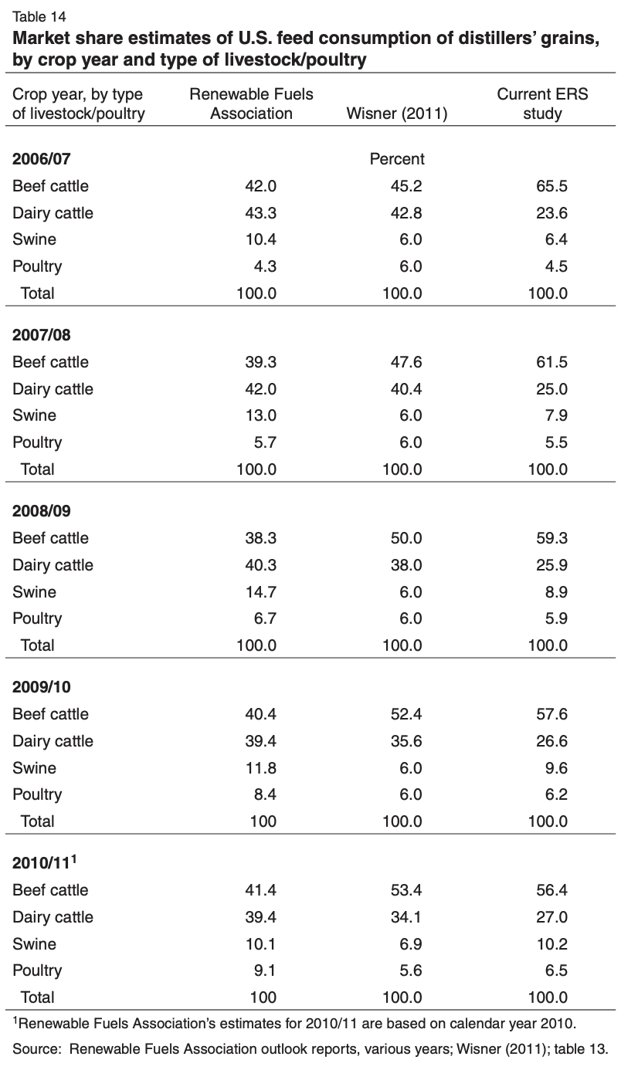
Percent of DDGS allocated to each lifestock type
 |  | Populations |  |  |  |  |  |  | % of Join Category Population
 | join category | 1987 | 1992 | 1997 | 2002 | 2007 | 2012 |  | 1987 | 1992 | 1997 | 2002 | 2007 | 2012
fattened cattle | Beef cattle | 11110008 | 10558736.797 | 10926959.996 | 11261992.794 | 11038171.192 | 10187172.602 |  | 0.13480058776 | 0.12685501908 | 0.12551314 | 0.13108307398 | 0.12891403705 | 0.13105372091
milk cows | Dairy cattle | 10071148 | 9480287 | 9085949.0005 | 9096241.0009 | 9263701.0007 | 9249674.0004 |  | 0.74111675127 | 0.74111741071 | 0.74111685197 | 0.74111675127 | 0.74111759921 | 0.74112239738
hogs for breeding | Swine | 6893428.0008 | 6916467.9987 | 6826596.996 | 6168290.9971 | 6285233.5716 | 5706921.0006 |  | 0.14183124134 | 0.12722499921 | 0.11210028307 | 0.090770398049 | 0.082921209775 | 0.077971906552
hogs for slaughter | Swine | 41709601.456 | 47447595.995 | 54070635.458 | 61786583.386 | 69512425.298 | 67485094.597 |  | 0.85816875866 | 0.87277500079 | 0.88789971693 | 0.90922960195 | 0.91707879022 | 0.92202809345
chicken layers | Poultry | 316373834.15 | 300549470.98 | 313134730.14 | 333894401.26 | 349400652.21 | 350463370.16 |  | 0.34642497699 | 0.27559887052 | 0.235247933 | 0.20677418344 | 0.20312318193 | 0.21351372968
breeding turkeys | Poultry | 3754292.9987 | 4580241.0024 | 5498861.7831 | 4651385.5975 | 5358649.5482 | 5039185.2639 |  | 0.0041108989598 | 0.0042000048873 | 0.0041311159184 | 0.0028805108896 | 0.0031152373077 | 0.0030700362203
chicken pullets | Poultry | 81162197.658 | 73865242.068 | 80712455.32 | 85310045.557 | 86882915.247 | 92647040.83 |  | 0.088871485002 | 0.067733199526 | 0.060636641207 | 0.052830819993 | 0.050509162157 | 0.056443602717
chicken broilers | Poultry | 733221624.2 | 901901997.02 | 1120088760.9 | 1411988542.5 | 1505263345.8 | 1426488337.8 |  | 0.80286754744 | 0.82702914397 | 0.84148623714 | 0.87441651253 | 0.87508102375 | 0.86906327821
slaughter turkeys | Poultry | 95115418.109 | 110184822.91 | 124783796.55 | 112828020.88 | 122636773.36 | 117234495.22 |  | 0.1041500686 | 0.10103765162 | 0.09374600574 | 0.069872156584 | 0.071294576781 | 0.071423082848
beef breeding herd | Beef cattle | 33143637.141 | 34074383.848 | 35666040.557 | 34973607.392 | 34377657.4 | 30319372.465 |  | 0.40214028351 | 0.40937724805 | 0.409679979 | 0.40707253584 | 0.4014942804 | 0.39004606406
beef calves | Beef cattle | 10748224.905 | 11041064.771 | 11537546.856 | 11345117.226 | 11203035.756 | 9967936.5925 |  | 0.13041098031 | 0.13264981493 | 0.13252668028 | 0.13205059423 | 0.13083947887 | 0.12823334121
dairy calves | Dairy cattle | 2690238.1643 | 2532405.4315 | 2427068.5686 | 2429817.8016 | 2474550.2673 | 2470803.3289 |  | 0.19796954315 | 0.1979697193 | 0.19796957005 | 0.19796954315 | 0.19796976965 | 0.19797105135
beef heifers | Beef cattle | 1939802.6499 | 1993245.2345 | 2086341.7343 | 2032298.1587 | 1991013.9373 | 1760458.2574 |  | 0.023536125026 | 0.023947292853 | 0.023964881567 | 0.023654773606 | 0.023252913912 | 0.022647560237
dairy heifers | Dairy cattle | 827765.58901 | 779190.28912 | 746788.66291 | 747636.24665 | 761385.78088 | 760152.09592 |  | 0.060913705584 | 0.060912869992 | 0.060913577978 | 0.060913705584 | 0.060912631135 | 0.060906551267
beef stockers | Beef cattle | 25476424.918 | 25567248.39 | 26841406.076 | 26301911.9 | 27014398.518 | 25497859.51 |  | 0.3091120234 | 0.30717062509 | 0.30831531916 | 0.30613902234 | 0.31549928977 | 0.32801931358
dairy stockers | Dairy cattle | 0 | 0 | 0 | 0 | 0 | 0 |  | 0 | 0 | 0 | 0 | 0 | 0
sheep | NA | 11035095.004 | 10745220.003 | 7797739.0016 | 6321360.0006 | 5795835.0018 | 5342150.002 |  | 0 | 0 | 0 | 0 | 0 | 0
horses | NA | 2451538.9999 | 2044001.9998 | 2419978.9998 | 3637773.9998 | 4020009.9998 | 3614653.0001 |  | 0 | 0 | 0 | 0 | 0 | 0
goats | NA | 1831159.8875 | 1923641.7412 | 955316.86827 | 590988.99995 | 537648.47822 | 566920.69671 |  | 0 | 0 | 0 | 0 | 0 | 0

 |  | Population-based DGS allocation percent
 | join category | 1987 | 1992 | 1997 | 2002 | 2007 | 2012 |  |  |  |  | DGS market share estimates, RFA
fattened cattle | Beef cattle | 5.6616246858 | 5.3279108012 | 5.2715518799 | 5.5054891072 | 5.0663216559 |  | << this is definitely wrong |  |  |  | 2006/07 | 2007/08 | 2010/11
milk cows | Dairy cattle | 32.09035533 | 32.090383884 | 32.09035969 | 32.09035533 |  |  | ...use the potential DGS consumption |  |  | Beef cattle | 42 | 39.3 | 41.4
hogs for breeding | Swine | 1.4750449099 | 1.3231399918 | 1.1658429439 | 0.94401213971 |  |  | dataset in the next tab |  |  | Dairy cattle | 43.3 | 42 | 39.4
hogs for slaughter | Swine | 8.9249550901 | 9.0768600082 | 9.2341570561 | 9.4559878603 |  |  | fattened cattle are the ones that |  |  | Swine | 10.4 | 13 | 10.1
chicken layers | Poultry | 1.4896274011 | 1.1850751433 | 1.0115661119 | 0.88912898881 |  |  | consume the most concentrated feed |  |  | Poultry | 4.3 | 5.7 | 9.1
breeding turkeys | Poultry | 0.017676865527 | 0.018060021016 | 0.017763798449 | 0.012386196825
chicken pullets | Poultry | 0.38214738551 | 0.29125275796 | 0.26073755719 | 0.22717252597
chicken broilers | Poultry | 3.452330454 | 3.5562253191 | 3.6183908197 | 3.7599910039
slaughter turkeys | Poultry | 0.44784529498 | 0.43446190195 | 0.40310782468 | 0.30045027331
beef breeding herd | Beef cattle | 16.889891907 | 17.193844418 | 17.206559118 | 17.097046505 | 15.77872522
beef calves | Beef cattle | 5.4772611731 | 5.5712922271 | 5.5661205716 | 5.5461249578 | 5.1419915197
dairy calves | Dairy cattle | 8.5720812183 | 8.5720888456 | 8.5720823831 | 8.5720812183
beef heifers | Beef cattle | 0.98851725111 | 1.0057862998 | 1.0065250258 | 0.99350049144
dairy heifers | Dairy cattle | 2.6375634518 | 2.6375272707 | 2.6375579264 | 2.6375634518
beef stockers | Beef cattle | 12.982704983 | 12.901166254 | 12.949243405 | 12.857838938
dairy stockers | Dairy cattle | 0 | 0 | 0 | 0
sheep | NA | 0 | 0 | 0 | 0
horses | NA | 0 | 0 | 0 | 0
goats | NA | 0 | 0 | 0 | 0

potential DDGS consumption
Percent of DDGS allocated to each lifestock type
 |  | Use for Pre-2007 | 2007 |  |  | 2012 |  |  |  |  | Chose this table because it was the most detailed with respect to livestock types, and similar to the RFA *actual* allocation estimates
 | join category | 2006/07 | 2007/08 | 2008/09 | 2009/10 | 2010/11
fattened cattle | Beef cattle on feed | 33.2 | 33.6 | 31.6 | 31.6 | 33 |  |  |  |  | 1) https://www.ers.usda.gov/webdocs/publications/36471/12563_fds11i01_2_.pdf?v=0
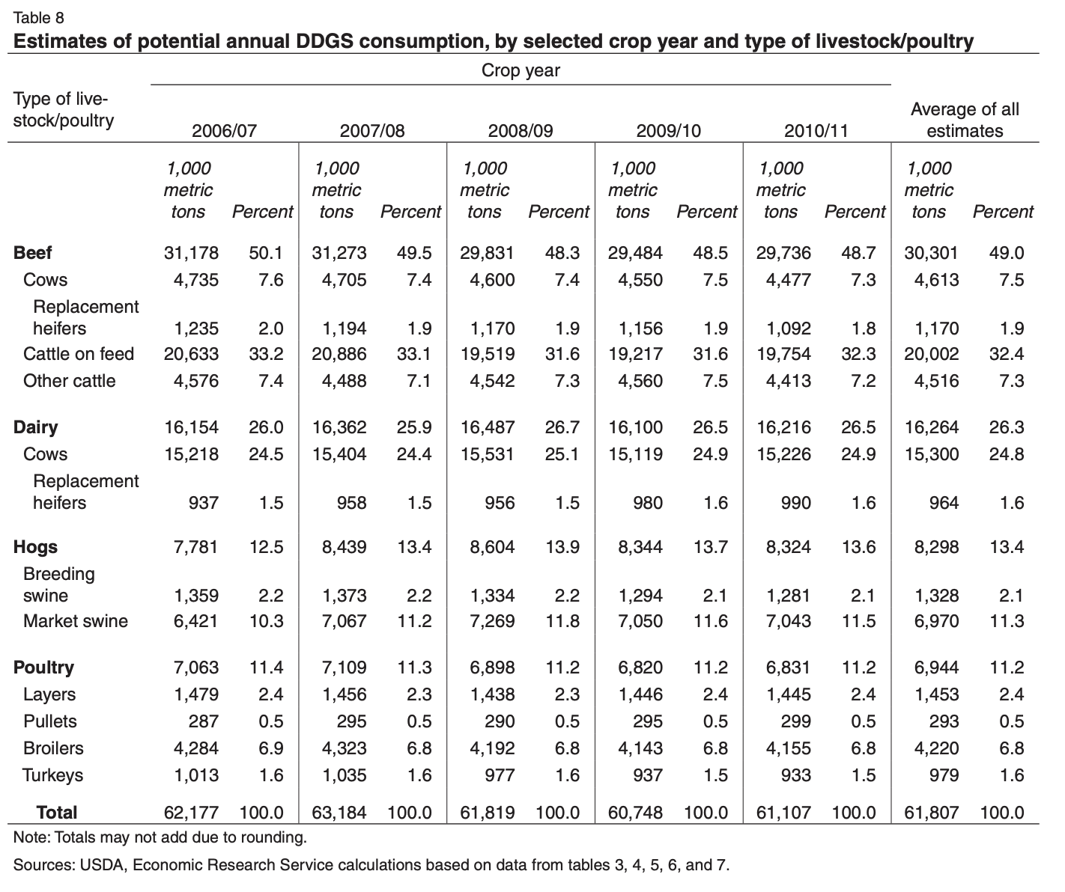
milk cows | Dairy cows | 24.5 | 24.4 | 25.1 | 24.9 | 25.4
hogs for breeding | Hogs breeding swine | 2.2 | 2.2 | 2.2 | 2.1 | 2.1
hogs for slaughter | Hogs market swine | 10.3 | 11.2 | 11.8 | 11.6 | 11.5
chicken layers | Poultry layers | 2.4 | 2.3 | 2.3 | 2.4 | 2.4
breeding turkeys | NA | 0 | 0 | 0 | 0 | 0
chicken pullets | Poultry pullets | 0.5 | 0.5 | 0.5 | 0.5 | 0.5
chicken broilers | Poultry broilers | 6.9 | 6.8 | 6.8 | 6.8 | 6.8
slaughter turkeys | Poultry turkeys | 1.6 | 1.6 | 1.6 | 1.5 | 1.5
beef breeding herd | Beef cows | 7.6 | 7.4 | 7.4 | 7.5 | 7.3
beef calves | NA | 0 | 0 | 0 | 0 | 0
dairy calves | NA | 0 | 0 | 0 | 0 | 0 | 2007 | 2012
beef heifers | Beef replacement heifers | 2 | 1.4 | 1.9 | 1.9 | 1.1 | 1.9 | 1.8 | <overshoots grain requirements in 2007 and 2012, reallocated 0.5% in 2007 and 0.7% in 2012 to fattened cattle | This correction will not change the impacts of the 9 meat categories in NANI/NAPI
dairy heifers | Dairy replacement heifers | 1.5 | 1.5 | 1.5 | 1.6 | 1.1 |  | 1.6 | <overshoots grain requirements in 2012, reallocated 0.5% to fattened cattle
beef stockers | Beef other cattle | 7.4 | 7.1 | 7.3 | 7.5 | 7.2
dairy stockers | NA | 0 | 0 | 0 | 0 | 0
sheep | NA | 0 | 0 | 0 | 0 | 0
horses | NA | 0 | 0 | 0 | 0 | 0
goats | NA | 0 | 0 | 0 | 0 | 0

 | total | 100.1 | 100 | 100 | 99.9 | 99.9

