7"
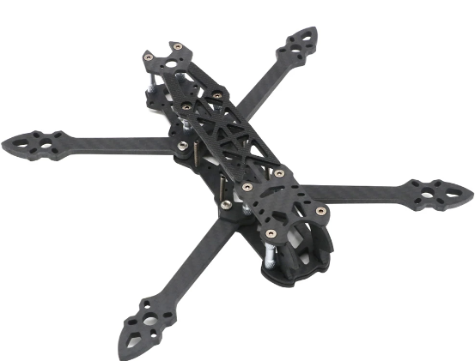
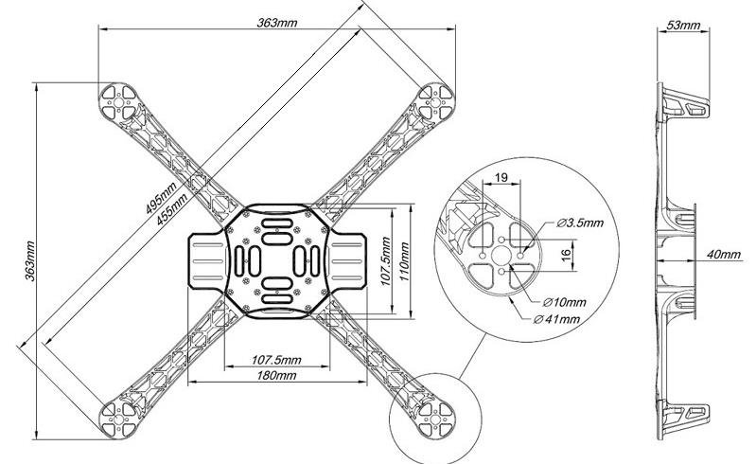
Poza | Nume | Pret total |  |  | Pret
 | Mark 4 7inch | 138 |  | Frames | 272
 | 1 buc |  |  | Motors | 500
 |  |  |  | ESC | 128
 |  |  |  | Prpelers | 54
 |  |  |  | Battery | 412
 |  |  |  | controller | 0
 |  |  |  | telemetry | 823

 |  |  |  | Total | 2189
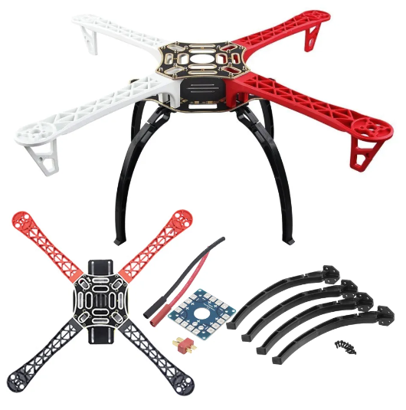
 | F450 Drone Frame | 134
 | 1 buc

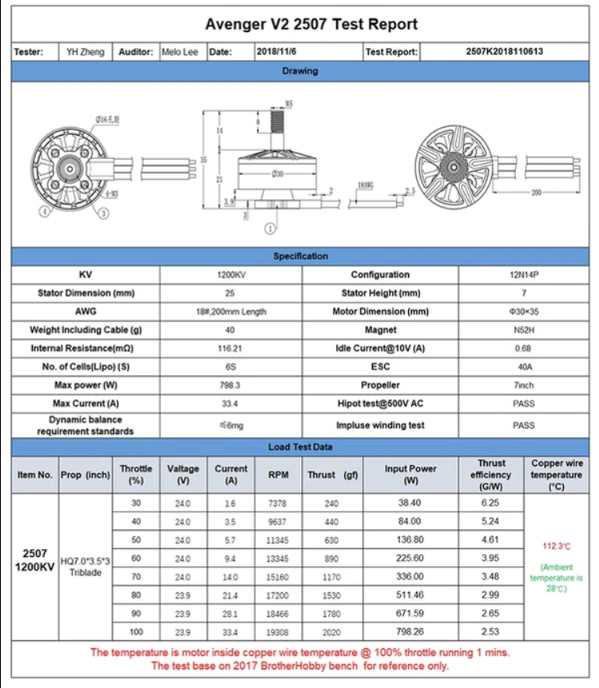

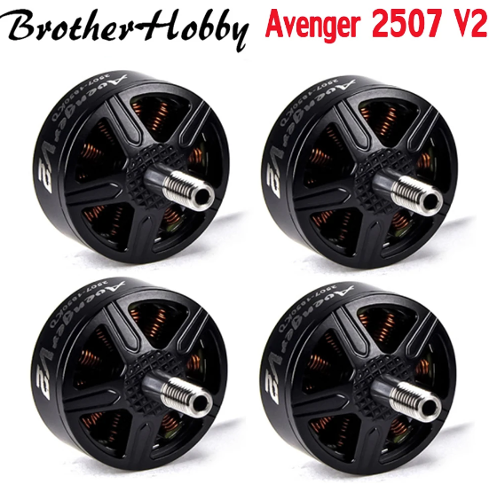
 | Avenger V2 2507 1200KV | 500
 | 4 buc

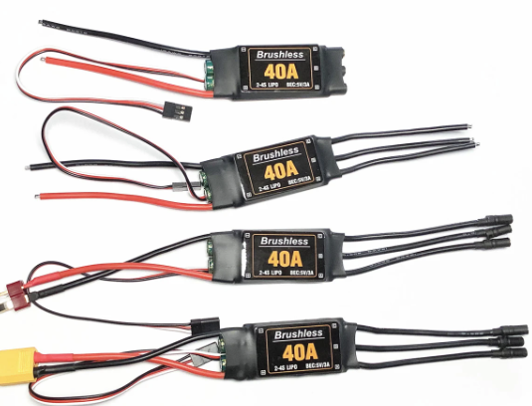
 | 40A Brushless ESC | 128
 | 4 buc

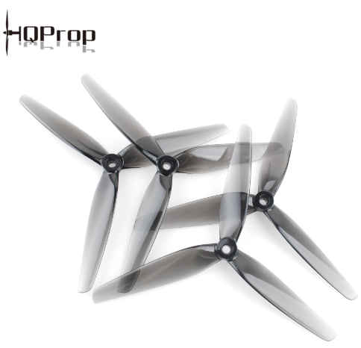
 | HQProp 7X3.5X3 | 54
 | 2 pairs (8 in total)
 | 4 clockwise and 4 counter clockwise

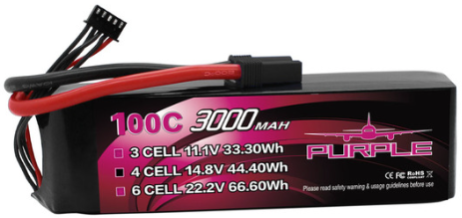
 | Battery 6s 3000mAh | 412
 | 2 Buc

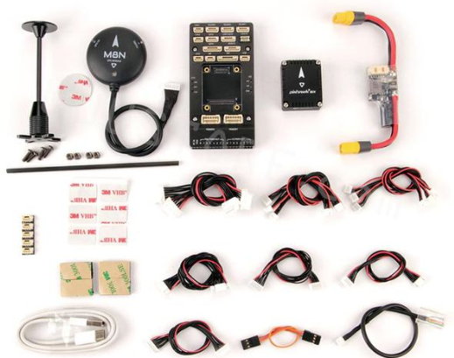
 | pixhawk v6 module | 0 | o sa iau de la facultate

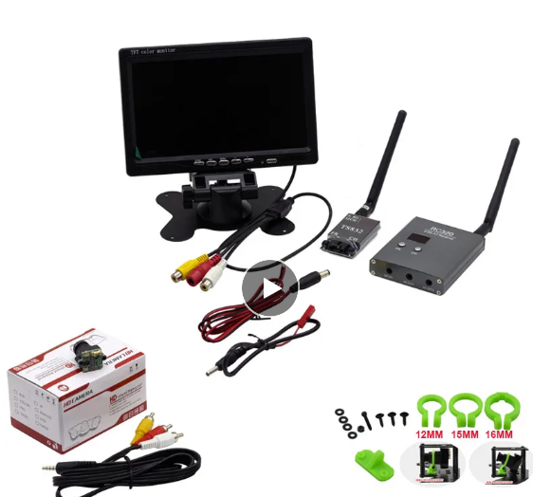
 | video kit | 468

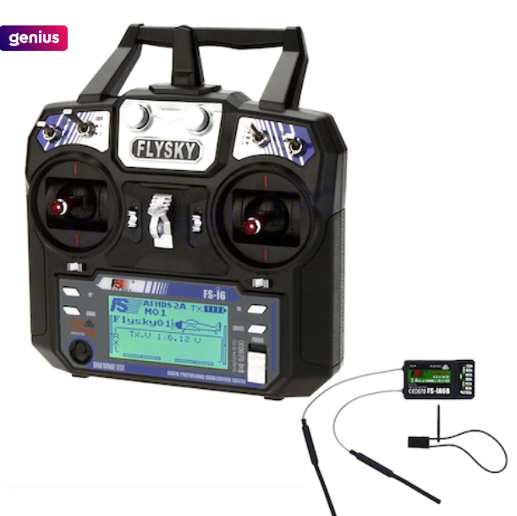
 | flysky 500m | 355

