calcs
a | 3.91E-03 | T | R | Rlin | https://www.digikey.com.au/en/products/detail/te-connectivity-measurement-specialties/NB-PTCO-190/13916731
b | -5.77E-07 | 0 | 1000 | 1000
R0 | 1000 | 10 | 1039 | 1039
 |  | 20 | 1078 | 1078
 |  | 30 | 1117 | 1117
Rpot_min | 0 | 40 | 1155 | 1156
Rpot_max | 2200 | 50 | 1194 | 1195
Roffset | 1000 | 60 | 1232 | 1234
 |  | 70 | 1271 | 1274
Min temp |  | 80 | 1309 | 1313
Rt | 1000 | 90 | 1347 | 1352
Vout_min | 2.50 | 100 | 1385 | 1391
Vout_max | 3.81 | 110 | 1423 | 1430
 |  | 120 | 1461 | 1469
 |  | 130 | 1498 | 1508
Max temp |  | 140 | 1536 | 1547
Rt | 2121 | 150 | 1573 | 1586
Vout_min | 1.60 | 160 | 1611 | 1625
Vout_max | 3.01 | 170 | 1648 | 1664
 |  | 180 | 1685 | 1703
 |  | 190 | 1722 | 1743
 |  | 200 | 1759 | 1782
 |  | 210 | 1795 | 1821
 |  | 220 | 1832 | 1860
 |  | 230 | 1868 | 1899
 |  | 240 | 1905 | 1938
 |  | 250 | 1941 | 1977
 |  | 260 | 1977 | 2016
 |  | 270 | 2013 | 2055
 |  | 280 | 2049 | 2094
 |  | 290 | 2085 | 2133
 |  | 300 | 2121 | 2172
 |  | 310 | 2156 | 2212
 |  | 320 | 2192 | 2251
 |  | 330 | 2227 | 2290
 |  | 340 | 2262 | 2329
 |  | 350 | 2297 | 2368
 |  | 360 | 2332 | 2407
 |  | 370 | 2367 | 2446
 |  | 380 | 2402 | 2485

Sheet1
 |  | a | 3.91E-03
Vsupply | 5 | b | -5.77E-07
 |  | R0 | 1000
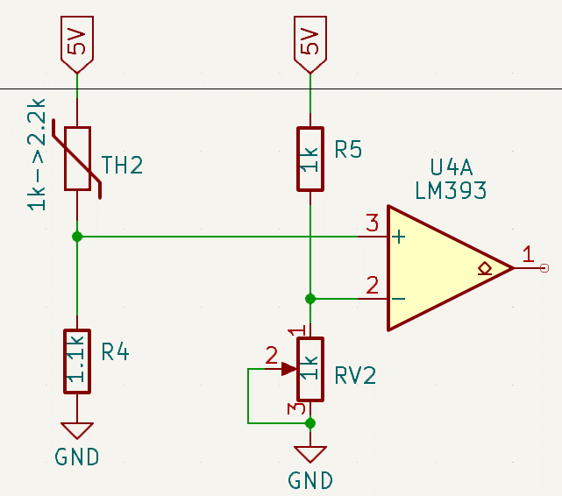
 |  |  |  | 0->300 deg, pot min |  |  |  | 0->300 deg, pot min |  |  |  | 0->300 deg, pot min |  |  |  | 0->300 deg, pot min

 |  |  |  | T | Rth | Rpot | v3 | T | Rth | Rpot | v3 | T | Rth | Rpot | v3 | T | Rth | Rpot | v3
 |  |  |  | 0 | 1000 | 10000 | 4.55 | 0 | 1000 | 22000 | 4.78 | 0 | 1000 | 160 | 4.31 | 0 | 1000 | 220 | 4.10
 |  |  |  | 10 | 1039 | 10000 | 4.53 | 10 | 1039 | 22000 | 4.77 | 10 | 1039 | 160 | 4.33 | 10 | 1039 | 220 | 4.13
R5 | 1000 | R1 | 1000 | 20 | 1078 | 10000 | 4.51 | 20 | 1078 | 22000 | 4.77 | 20 | 1078 | 160 | 4.35 | 20 | 1078 | 220 | 4.15
RV2 | 10000 | R2 | 10000 | 30 | 1117 | 10000 | 4.50 | 30 | 1117 | 22000 | 4.76 | 30 | 1117 | 160 | 4.37 | 30 | 1117 | 220 | 4.18
 |  |  |  | 40 | 1156 | 10000 | 4.48 | 40 | 1156 | 22000 | 4.75 | 40 | 1156 | 160 | 4.39 | 40 | 1156 | 220 | 4.20
V2_min | 0.45 |  |  | 50 | 1195 | 10000 | 4.47 | 50 | 1195 | 22000 | 4.74 | 50 | 1195 | 160 | 4.41 | 50 | 1195 | 220 | 4.22
V2_max | 5.00 | Vset | 4.55 | 60 | 1234 | 10000 | 4.45 | 60 | 1234 | 22000 | 4.73 | 60 | 1234 | 160 | 4.43 | 60 | 1234 | 220 | 4.24
 |  |  |  | 70 | 1274 | 10000 | 4.44 | 70 | 1274 | 22000 | 4.73 | 70 | 1274 | 160 | 4.44 | 70 | 1274 | 220 | 4.26
TH2 Top |  |  |  | 80 | 1313 | 10000 | 4.42 | 80 | 1313 | 22000 | 4.72 | 80 | 1313 | 160 | 4.46 | 80 | 1313 | 220 | 4.28
TH2_min | 1000 | RV1_max | 10000 | 90 | 1352 | 10000 | 4.40 | 90 | 1352 | 22000 | 4.71 | 90 | 1352 | 160 | 4.47 | 90 | 1352 | 220 | 4.30
TH2_max | 2200 | Rs | 1000 | 100 | 1391 | 10000 | 4.39 | 100 | 1391 | 22000 | 4.70 | 100 | 1391 | 160 | 4.48 | 100 | 1391 | 220 | 4.32
R4 | 1000 | TH1_min | 2000 | 110 | 1430 | 10000 | 4.37 | 110 | 1430 | 22000 | 4.69 | 110 | 1430 | 160 | 4.50 | 110 | 1430 | 220 | 4.33
 |  | TH1_max | 3200 | 120 | 1469 | 10000 | 4.36 | 120 | 1469 | 22000 | 4.69 | 120 | 1469 | 160 | 4.51 | 120 | 1469 | 220 | 4.35
V3_min | 1.56 |  |  | 130 | 1508 | 10000 | 4.34 | 130 | 1508 | 22000 | 4.68 | 130 | 1508 | 160 | 4.52 | 130 | 1508 | 220 | 4.36
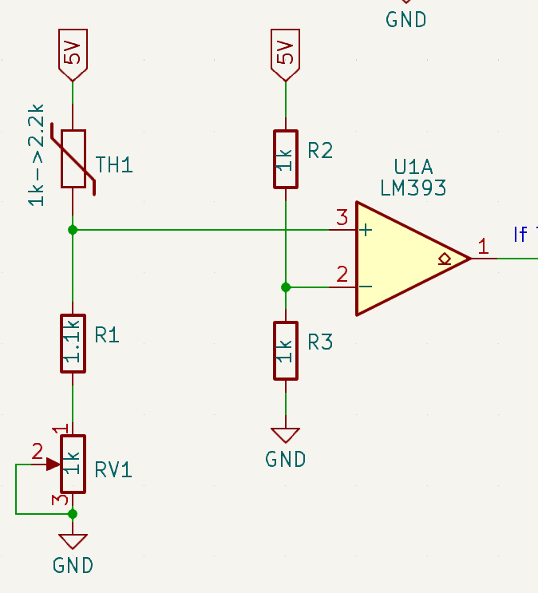
V3_max | 2.50 |  |  | 140 | 1547 | 10000 | 4.33 | 140 | 1547 | 22000 | 4.67 | 140 | 1547 | 160 | 4.53 | 140 | 1547 | 220 | 4.38
Vrange | 0.94 |  |  | 150 | 1586 | 10000 | 4.32 | 150 | 1586 | 22000 | 4.66 | 150 | 1586 | 160 | 4.54 | 150 | 1586 | 220 | 4.39
 |  | at MIN-temp |  | 160 | 1625 | 10000 | 4.30 | 160 | 1625 | 22000 | 4.66 | 160 | 1625 | 160 | 4.55 | 160 | 1625 | 220 | 4.40
TH2 Bot |  | V3 | 4.55 | 170 | 1664 | 10000 | 4.29 | 170 | 1664 | 22000 | 4.65 | 170 | 1664 | 160 | 4.56 | 170 | 1664 | 220 | 4.42
TH2_min | 1000 | Rp | 20000 | 180 | 1703 | 10000 | 4.27 | 180 | 1703 | 22000 | 4.64 | 180 | 1703 | 160 | 4.57 | 180 | 1703 | 220 | 4.43
TH2_max | 2200 |  |  | 190 | 1743 | 10000 | 4.26 | 190 | 1743 | 22000 | 4.63 | 190 | 1743 | 160 | 4.58 | 190 | 1743 | 220 | 4.44
R4 | 1000 | at MAX-temp |  | 200 | 1782 | 10000 | 4.24 | 200 | 1782 | 22000 | 4.63 | 200 | 1782 | 160 | 4.59 | 200 | 1782 | 220 | 4.45
 |  | V3 | 4.55 | 210 | 1821 | 10000 | 4.23 | 210 | 1821 | 22000 | 4.62 | 210 | 1821 | 160 | 4.60 | 210 | 1821 | 220 | 4.46
V3_min | 2.50 | Rp | 32000 | 220 | 1860 | 10000 | 4.22 | 220 | 1860 | 22000 | 4.61 | 220 | 1860 | 160 | 4.60 | 220 | 1860 | 220 | 4.47
V3_max | 3.44 |  |  | 230 | 1899 | 10000 | 4.20 | 230 | 1899 | 22000 | 4.60 | 230 | 1899 | 160 | 4.61 | 230 | 1899 | 220 | 4.48
Vrange | 0.94 | at MIN-temp |  | 240 | 1938 | 10000 | 4.19 | 240 | 1938 | 22000 | 4.60 | 240 | 1938 | 160 | 4.62 | 240 | 1938 | 220 | 4.49
 |  | V3 | 4.55 | 250 | 1977 | 10000 | 4.17 | 250 | 1977 | 22000 | 4.59 | 250 | 1977 | 160 | 4.63 | 250 | 1977 | 220 | 4.50
 |  | Rp | 200 | 260 | 2016 | 10000 | 4.16 | 260 | 2016 | 22000 | 4.58 | 260 | 2016 | 160 | 4.63 | 260 | 2016 | 220 | 4.51
 |  |  |  | 270 | 2055 | 10000 | 4.15 | 270 | 2055 | 22000 | 4.57 | 270 | 2055 | 160 | 4.64 | 270 | 2055 | 220 | 4.52
 |  | at MAX-temp |  | 280 | 2094 | 10000 | 4.13 | 280 | 2094 | 22000 | 4.57 | 280 | 2094 | 160 | 4.65 | 280 | 2094 | 220 | 4.52
 |  | V3 | 4.55 | 290 | 2133 | 10000 | 4.12 | 290 | 2133 | 22000 | 4.56 | 290 | 2133 | 160 | 4.65 | 290 | 2133 | 220 | 4.53
 |  | Rp | 320 | 300 | 2172 | 10000 | 4.11 | 300 | 2172 | 22000 | 4.55 | 300 | 2172 | 160 | 4.66 | 300 | 2172 | 220 | 4.54

