Sheet1
LACIOS

DRIVE: |  |  |  |  | MEMORY: |  |  |  | PCI Hardware characteristics byte: |  |  | Sources:
 | SECTOR | CONTENT | LENGTH(sectors) | LENGTH(bytes) |  | ADDRESS | CONTENT | LENGTH(bytes; hex, dec) | Bit |  |  | https://www.osdev.org
 | 0 | Bootsector | 1 | 512 |  | 0x0 | Reserved | 0x500, 1280 | 0 | PCI Access mechanism #1 is supported |  | https://www.youtube.com/channel/UCQdZltW7bh1ta-_nCH7LWYw
 | 1 | Loader | 57 | 29184 |  | 0x500 | Raw memory map | 0x1E0, 480 | 1 | PCI Access mechanism #2 is supported |  | https://github.com/FlingOS/FlingOS/blob/develop/Kernel/Libraries/Kernel.VGA/Configurations/Text/T_80x25.cs
 | 58 | Kernel | 120 | 61440 |  | 0x6E0 | Processed memory map base addresses (uint64) | 0x50, 80 | 23 | Reserved
 | 178 |  |  |  |  | 0x730 | Processed memory map region lengths (uint64) | 0x50, 80 | 4 | Special Cycle generation mechanism 1 supported
 |  |  |  |  |  | 0x780 | Processed memory map region types (uint8) | 0xA, 10 | 5 | Special Cycle generation mechanism 2 supported
 |  |  |  |  |  | 0x78A | Free | 0x137, 311 | 67 | Reserved
 |  |  |  |  |  | 0x8C1 | PCI hardware characteristics | 0x1, 1
 |  |  |  |  |  | 0x8C2 | Id of last PCI bus(uint8) | 0x1, 1
 |  |  |  |  |  | 0x8C3 | Amount of memory in kilobytes (uint16) | 0x2, 2 | FEATURE SUGGESTIONS |  | KNOWN BUGS | TODO
 |  |  |  |  |  | 0x8c5 | Free | 0x733B, 29499 | snake |  | Remove string from array: Memory is f*cked up if index==length-1 | Pci multifunction devices
 | Sum of sectors: |  | 178 |  |  | 0x7C00 | Bootsector | 0x200, 512 | pac-man |  |  | Global device array
 |  |  |  |  |  | 0x7E00 | Loader | 0x7200, 29184 |  |  | printFloat: Make the code nicer at: if((uint32)(n*pwr(10,PRINT_FLOAT_MAX_DECIMAL_DIGITS))==0)break; | Global, changeable drivers
 |  |  |  |  |  | 0xF000 | Stack | 0x71000, 462848 |  |  |  | AHCI controllers, sata
 |  |  |  |  |  | 0x80000 | Reserved | 0x80000, 524288 |  |  |  | Networking
 |  |  |  |  |  | 0x100000 | Kernel | 0xF000, 61440 |  |  |  | Desktop environment
 |  |  |  |  |  | 0x10F000 | Memory manager managed memory |  |  |  | Do something with the read function | Task manager, multitasking
 |  |  |  |  |  |  |  |  |  |  |  | Rewrite all the shitty string array stuff
 |  |  |  |  |  |  |  |  |  |  | Memory is sometimes f*cked up when returning from mandelbrot | AHCI message signaled interrupt
 |  |  |  |  |  |  |  |  |  |  |  | Do something with the PCI companies
 |  |  |  |  |  |  |  |  |  |  | Memory is f*cked up when giving arguments to pci | Do something with multifunciton PCI devs
 | AHCI: | Port: |  |  |  |  |  |  |  |  |  | Rework the full architecture and interrupt things for the task manager
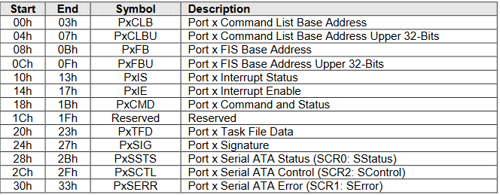
 |  |  |  |  |  |  |  |  |  |  |  | Distribute source files into folders
 |  |  |  |  |  |  |  |  |  |  |  | USB support
 |  |  |  |  |  |  |  |  |  |  |  | FAT filesystem

 |  | HBA Memory registers

 |  | Generic host control

Sheet2
Task manager

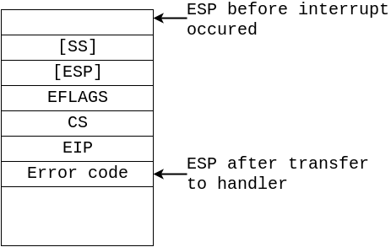
 | Task Memory: |  |  | Interrupt:
 | Saved processor state:
 | eax | 0
 | ebx | 4
 | ecx | 8
 | edx | 12
 | esi | 16
 | edi | 20
 | ebp | 24 | Stack base pointer
 | esp | 28 | Stack base pointer
 | error_code | 32
 | eip | 36
 | cs | 40
 | eflags | 44
 | Task metadata
 | Task name[128 byte] | 48
 | Task filename[128 byte] | 176
 | Stack base pointer | 304 | Loaded executable offset(560) + Loaded executable Length + 1,048,576
 | resv[252 bytes] | 308
 | Loaded executable | 560
 | Stack [1,048,576] | Stack base pointer-1,048,576
 | Stack base | Stack base pointer

 | CPU state:
 | eax | 0
 | ebx | 4
 | ecx | 8
 | edx | 12
 | esi | 16
 | edi | 20
 | ebp | 24
 | esp | 28
 | error_code | 32
 | eip | 36
 | cs | 40
 | eflags | 44

AHCI
PCI HEADER:
0x0 | uint32 | Identifiers | Identifiers |  |  | ABAR |  |  | Generic host control |  |  | Host capabilities |  |  |  |  |  |  | Description Information |  |  | Physical Region Descriptor Table
0x4 | uint16 | Command register | BIT 32:16 | Device ID |  |  |  |  | 0x0 | uint32 | Host capabilities | BIT 31 | Supports 64-bit addressing |  |  |  |  |  | BIT 31:16 | Physical Region Descriptor Table Length |  | 0x0 | uint32 | Data base address (word aligned) |  | INIT()
0x6 | uint16 | Device status | BIT 15:0 | Vendor ID |  |  |  |  | 0x4 | uint32 | Global host control | BIT 30 | Supports Native Command Queuing |  |  |  |  |  | BIT 15:12 | Port Multiplier Port |  | 0x4 | uint32 | Data base address upper | max 65535 entry | GHC.HR=1
0x8 | uint8 | RevisionID |  |  |  |  |  |  | 0x8 | uint32 | Interrupt status | BIT 29 | Supports Snotification |  |  |  |  |  | BIT 11 | RESV |  | 0x8 | uint32 | RESV |  | wait for GHC.HR to clear
0x9 | 3bytes | Class codes | Commands register |  |  |  |  |  | 0xc | uint32 | Ports implemented | BIT 28 | Supports Mechanical Presence Switch |  |  |  |  |  | BIT 10 | Clear Busy upon R_OK |  | 0xB | uint32 | DW4 |  | GHC.AE=1
0xc | uint8 | Cache Line size | BIT 15:11 | RESV | Value |  |  |  | 0x10 | uint32 | Version | BIT 27 | Supports Stragged Spin-up |  |  |  |  |  | BIT 9 | BIST
0xd | uint8 | Master Latency timer | BIT 10 | Interrupt disable | 1 |  |  |  | 0x14 | uint32 | Command Completion Coalescing Control | BIT 26 | Supports Aggressive Power Management |  |  |  |  |  | BIT 8 | Reset |  | DW4
0xe | uint8 | Header Type | BIT 9 | Fast Back-to-Back Enable | 0 |  |  |  | 0x18 | uint32 | Command Completion Coalescing Ports | BIT 25 | Supports Activity Led |  |  |  |  |  | BIT 7 | Prefetchable |  | BIT 31 | Interrupt on Completion
0xf | 0xf | Build-in self test | BIT 8 | SERR# Enable | 0 |  |  |  | 0x1c | uint32 | Enclosure Management Location | BIT 24 | Supports Command List Override |  |  |  |  |  | BIT 6 | Write |  | BIT 32:22 | RESV
0x10 | 14 bytes | Base address registers 0-4 | BIT 7 | RESV |  |  |  |  | 0x20 | uint32 | Enclosure Management Control | BIT 32:20 | Interface Speed Support |  |  |  |  |  | BIT 5 | ATAPI |  | BIT 21:0 | Data Byte Count
0x24 | uint32 | AHCI base address <BAR5> | BIT 6 | Parity error Response Enable | 0 |  |  |  | 0x24 | uint32 | Host capabilities Extended | BIT 19 | RESV | Command List |  |  |  |  | BIT 4:0 | Command FIS Length
0x2c | uint32 | Subsystem identifiers | BIT 5 | RESV |  |  |  |  | 0x28 | uint32 | BIOS/OS Handoff Control/Status | BIT 18 | Supports AHCI mode only | Description Information |  |  | uint32
0x30 | uint32 | Expansion ROM address | BIT 4 | Memory Write and Invalidate Enable | 0 |  |  |  |  |  |  | BIT 17 | Supports Port Multiplier | Command Status - Transferred byte count |  |  | uint32
0x34 | uint8 | Capibilities Pointer | BIT 3 | RESV |  |  |  |  | Ports[32] |  |  | BIT 16 | FIS-based Swithcing Supported | Command Table Base Address (128bytes aligned) |  |  | uint32 | [32]
0x3c | uint16 | Interrupt information | BIT 2 | Bus Master Enable | 1 |  |  |  | 0x0 | uint32 | Command List Base Address (1k Aligned, 1k long) | BIT 15 | PIO Multiple DRQ Block | Command Table Base Address Upper |  |  | uint32
0x3e | uint8 | Min grant | BIT 1 | Memory Space Enable | 1 | HBA Memory registers: |  |  | 0x4 | uint32 | Command List Base Address Upper | BIT 14 | Slumber State Capable | RESV |  |  | 16bytes |  | Command Table
0x3f | uint8 | Max latency | BIT 0 | I/O Space Enable | 1 | 0x0 | 44 bytes | Generic host control | 0x8 | uint32 | FIS Base Address (256byte aligned, 256byte long) | BIT 13 | Partial State Capable |  |  |  |  |  | 0x0 | 64bytes | Command FIS
 |  |  |  |  |  | 0x2c | 52 bytes | RESV | 0xc | uint32 | FIS Base Address Upper | BIT 12:8 | Number of Command Slots | Recieved FIS Structure |  |  |  |  | 0x40 | 16bytes | ATAPI Command
 |  |  | Device Status |  |  | 0x60 | 64 bytes | RESV | 0x10 | uint32 | Interrupt Status | BIT 7 | Command Completion Coascing Supported | 0x0 | 28 bytes | DMA Setup FIS |  |  | 0x50 | 48bytes | RESV
 |  |  | BIT 15 | Detected Parity Error |  | 0xa0 | 96 bytes | Vendor specific | 0x14 | uint32 | Interrupt Enable | BIT 6 | Enclosure Management Supported | 0x1c | uint32 | RESV |  |  | 0x80 | X*16bytes | Physical Region Descriptor Table
 |  |  | BIT 14 | Signaled System Error SERR# |  | 0x100 | 128 bytes each | Ports[32] | 0x18 | uint32 | Command and Status | BIT 5 | Supports External SATA | 0x20 | 20 bytes | PIO Setup FIS
 |  |  | BIT 13 | Recieved Master Abort |  |  |  |  | 0x1c | uint32 | RESV | BIT 4:0 | Number of Ports | 0x34 | 12 bytes | RESV
 |  |  | BIT 12 | Recieved Target Abort |  |  |  |  | 0x20 | uint32 | Task File Data |  |  | 0x40 | 20 bytes | D2H Register FIS
 |  |  | BIT 11 | Signaled Target Abort |  |  |  |  | 0x24 | uint32 | Signature | Global Host Control |  | 0x54 | uint32 | RESV
 |  |  | BIT 10:9 | Device Select(PCI) |  |  |  |  | 0x28 | uint32 | Serial ATA Status | BIT 31 | AHCI Enable | 0x58 | 8 bytes | Set Device Bits FIS
 |  |  | BIT 8 | Master Data Parity Error |  |  |  |  | 0x2c | uint32 | Serial ATA Control | BIT 30:3 | RESV | 0x60 | 64 bytes | Unknown FIS
 |  |  | BIT 7 | Fast Back-to-Back Capable |  |  |  |  | 0x30 | uint32 | Serial ATA Error | BIT 2 | MSI Revert Single Message | 0xa0 | 95 bytes | RESV
 |  |  | BIT 6 | RESV |  |  |  |  | 0x34 | uint32 | Serial ATA Active | BIT 1 | Interrupt Enable
 |  |  | BIT 5 | 66 MHz Capable |  |  |  |  | 0x38 | uint32 | Command Issue | BIT 0 | HBA Reset
 |  |  | BIT 4 | Capabalities List Aviable |  |  |  |  | 0x3c | uint32 | Serial ATA Notification
 |  |  | BIT 3 | Interrupt Status |  |  |  |  | 0x40 | uint32 | FIS-based Switching Control | Command Completion Coalescing Control
 |  |  | BIT 2:0 | RESV |  |  |  |  | 0x44 | uint32 | Device Sleep | BIT 31:16 | Timeout Value
 |  |  |  |  |  |  |  |  | 0x48 | 40 bytes | RESV | BIT 15:8 | Command Completions
 |  |  | Built-in Self Test |  |  |  |  |  | 0x70 | 16 bytes | Vendor Specific | BIT 7:3 | Interrupt
 |  |  | BIT 7 | BIST Capable |  |  |  |  |  |  |  | BIT 2:1 | RESV
 |  |  | BIT 6 | BIST State SET to initiate BIST, cleared when BIST complete |  |  |  |  | Interrupt enable |  |  | BIT 0 | Enable
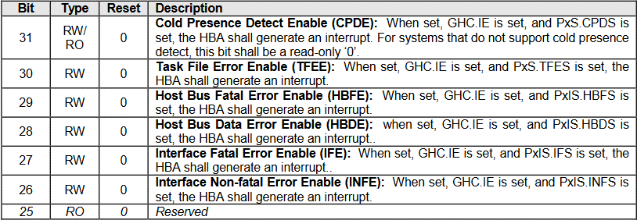
 |  |  | BIT 5:4 | RESV
 |  |  | BIT 3:0 | Completion Code |  |  |  |  |  |  |  | Enclosure Management Location
 |  |  |  |  |  |  |  |  |  |  |  | BIT 31:16 | Offset
 |  |  |  |  |  |  |  |  |  |  |  | BIT 15:0 | Size

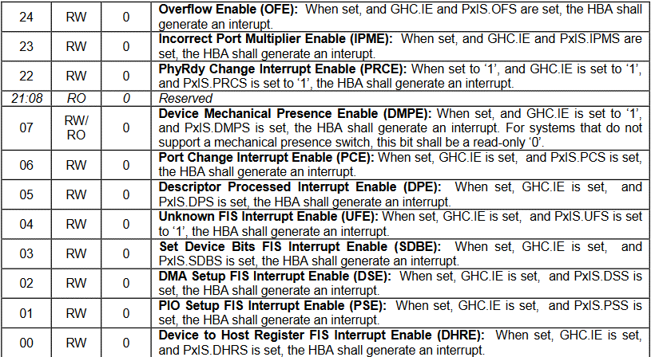
 |  |  |  |  |  |  |  |  |  |  |  | Enclosure Management Control
 |  |  |  |  |  |  |  |  |  |  |  | BIT 31:28 | RESV
 |  |  |  |  |  |  |  |  |  |  |  | BIT 27 | Port Multiplier Support
 |  |  |  |  |  |  |  |  |  |  |  | BIT 26 | Activity LED Hardware Driven
 |  |  |  |  |  |  |  |  |  |  |  | BIT 25 | Transmit only | 1: HBA only transmits | 0: Recieves as well
 |  |  |  |  |  |  |  |  |  |  |  | BIT 24 | Single Message Buffer
 |  |  |  |  |  |  |  |  |  |  |  | BIT 23:20 | RESV
 |  |  |  |  |  |  |  |  |  |  |  | BIT 19 | SGPIO Enclosure Management Messages
 |  |  |  |  |  |  |  |  |  |  |  | BIT 18 | SES-2 Enclosure Management Messages
 |  |  |  |  |  |  |  |  |  |  |  | BIT 17 | SAF-TE Enclosure Management Messages
 |  |  |  |  |  |  |  |  |  |  |  | BIT 16 | LED Message Type
 |  |  |  |  |  |  |  |  |  |  |  | BIT 15:10 | RESV
 |  |  |  |  |  |  |  |  |  |  |  | BIT 9 | Reset
 |  |  |  |  |  |  |  |  |  |  |  | BIT 8 | Transmit Message
 |  |  |  |  |  |  |  |  |  |  |  | BIT 7:1 | RESV
 |  |  |  |  |  |  |  |  | Command and Status |  |  | BIT 0 | Message Received | Write 1 to clear
 |  |  |  |  |  |  |  |  | BIT 31:28 | Interface Communication Control
 |  |  |  |  |  |  |  |  | BIT 27 | Aggressive Slumber / Partial |  | Interface Power Management
 |  |  |  |  |  |  |  |  | BIT 26 | Aggressive Link Power Management Enable |  | 0x0 | Device Not Present
 |  |  |  |  |  |  |  |  | BIT 25 | Drive LED on ATAPI Enable |  | 0x1 | Device Active
 |  |  |  |  |  |  |  |  | BIT 24 | Device is ATAPI |  | 0x2 | Interface In Partial power state
 |  |  |  |  |  |  |  |  | BIT 23 | Automatic Partial to Slumber Transitions Enabled |  | 0x6 | Interface In Slumber power state
 |  |  |  |  |  |  |  |  | BIT 22 | FIS Based Switching Capable Port |  | 0x8 | Interface In DevSleep power state
 |  |  |  |  |  |  |  |  | BIT 21 | External SATA Port
 |  |  |  |  |  |  |  |  | BIT 20 | Cold Presence Detection |  | Device Detection
 |  |  |  |  |  |  |  |  | BIT 19 | Mechanical Presence Switch Attached to this Port |  | 0x0 | No device detected
 |  |  |  |  |  |  |  |  | BIT 18 | Hot Plug Capable Port |  | 0x1 | Device detected, communication not established
 |  |  |  |  |  |  |  |  | BIT 17 | Port Multiplier Attached |  | 0x3 | Device detected, communication established
 |  |  |  |  |  |  |  |  | BIT 16 | Cold Presence State |  | 0x4 | Offline mode
 |  |  |  |  |  |  |  |  | BIT 15 | Command List Running
 |  |  |  |  |  |  |  |  | BIT 14 | FIS Receive Running |  | Interface Power Management Transitions Allowed
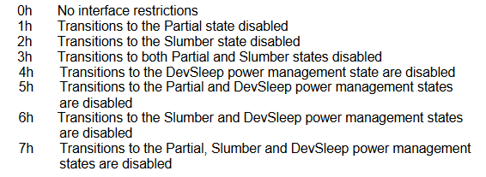
 |  |  |  |  |  |  |  |  | BIT 13 | Mechanical Presence Switch State
 |  |  |  |  |  |  |  |  | BIT 12:8 | Current Command Slot
 |  |  |  |  |  |  |  |  | BIT 7:5 | RESV
 |  |  |  |  |  |  |  |  | BIT 4 | FIS Receive Enable
 |  |  |  |  |  |  |  |  | BIT 3 | Command List Override
 |  |  |  |  |  |  |  |  | BIT 2 | Power On Device
 |  |  |  |  |  |  |  |  | BIT 1 | Spin-Up Device
 |  |  |  |  |  |  |  |  | BIT 0 | Start

 |  |  |  |  |  |  |  |  | Serial ATA Status
 |  |  |  |  |  |  |  |  | BIT 31:12 | RESV
 |  |  |  |  |  |  |  |  | BIT 11:8 | Interface Power Management
 |  |  |  |  |  |  |  |  | BIT 7:4 | Current Interface Speed
 |  |  |  |  |  |  |  |  | BIT 3:0 | Device Detection

 |  |  |  |  |  |  |  |  | Serial ATA Command
 |  |  |  |  |  |  |  |  | BIT 31:20 | RESV
 |  |  |  |  |  |  |  |  | BIT 19:12 | Not used by AHCI
 |  |  |  |  |  |  |  |  | BIT 11:8 | Interface Power Management Transitions Allowed
 |  |  |  |  |  |  |  |  | BIT 7:4 | Speed Allowed
 |  |  |  |  |  |  |  |  | BIT 3:0 | Device Detection Initialization

