Prev - Graphs
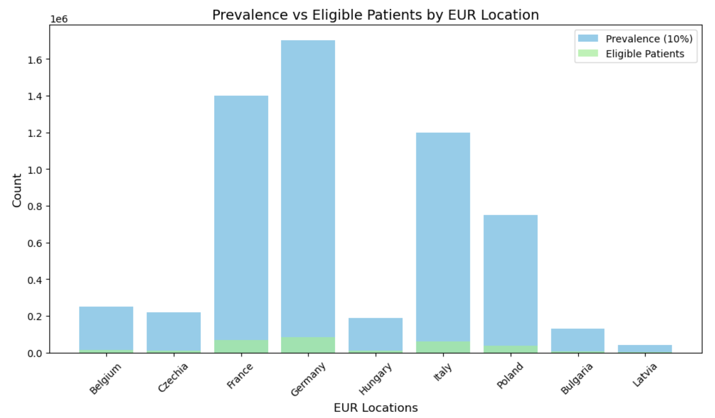
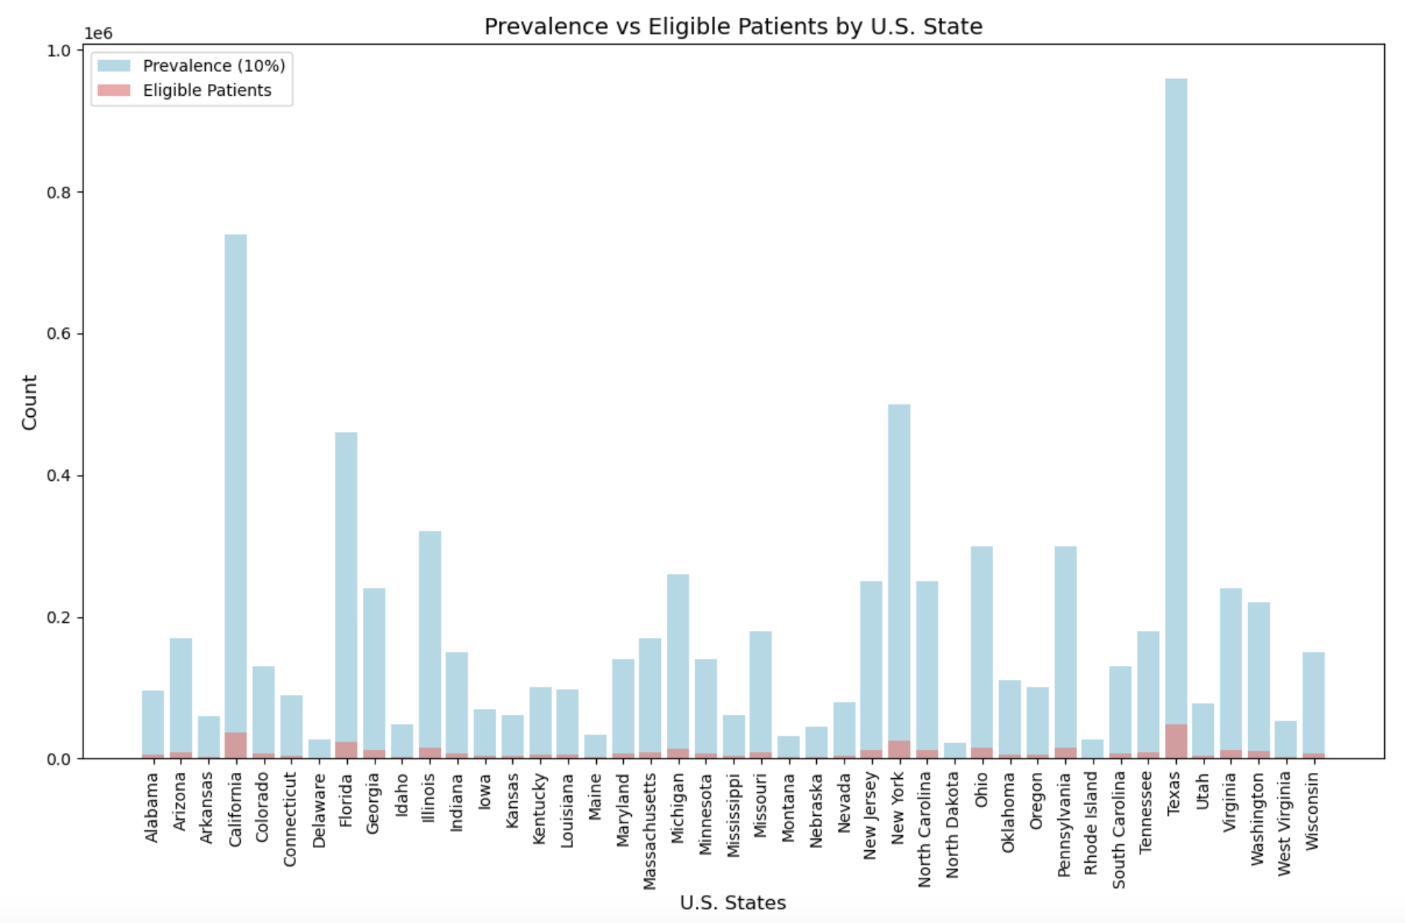
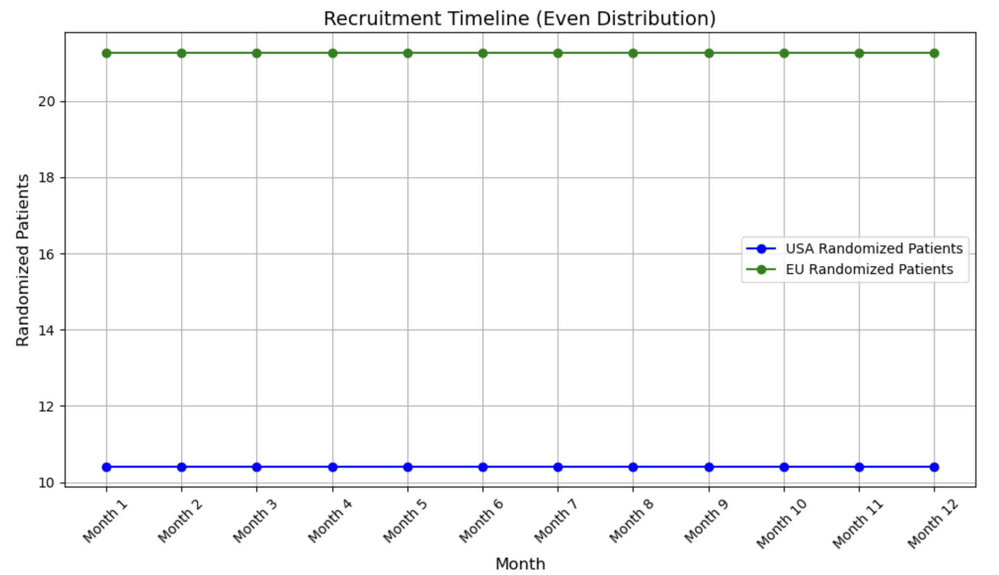

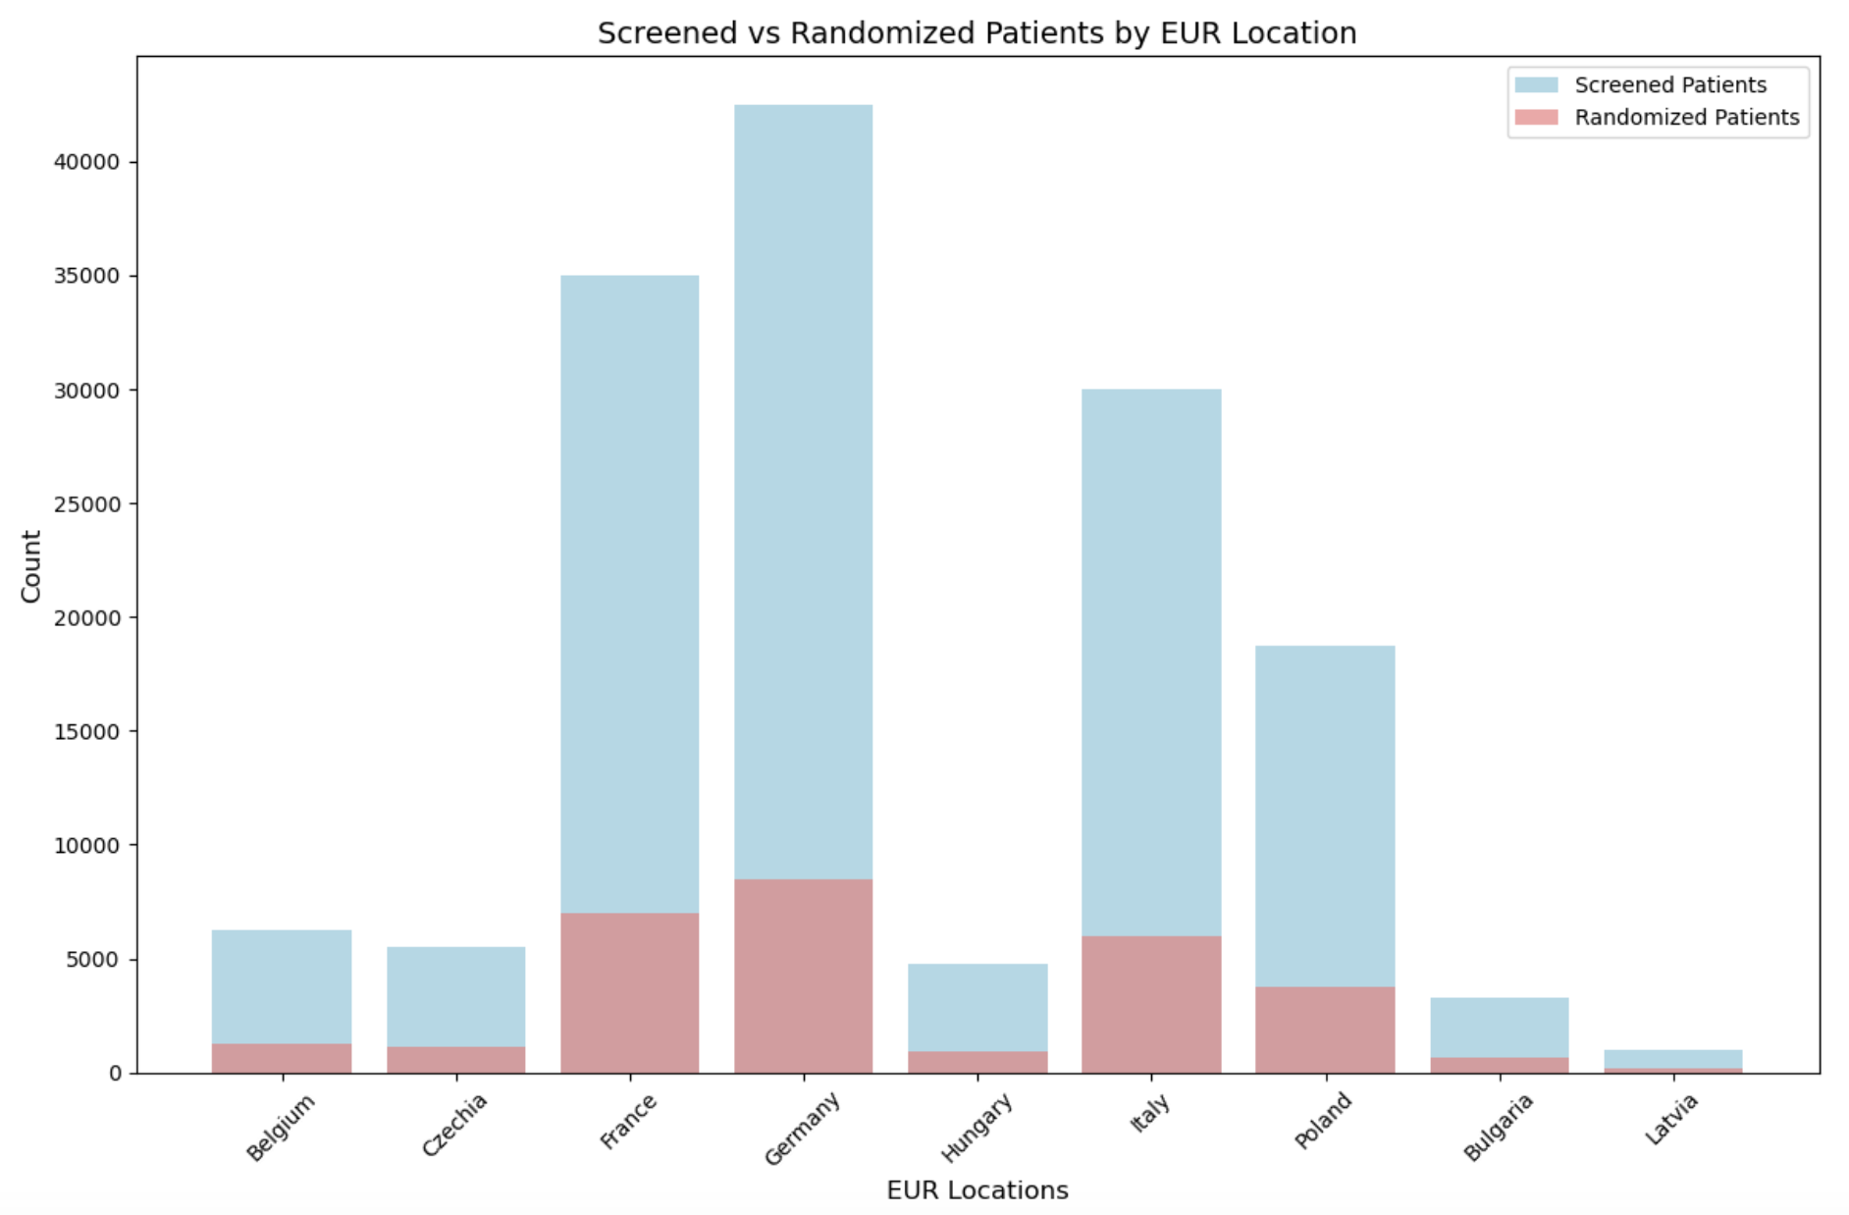
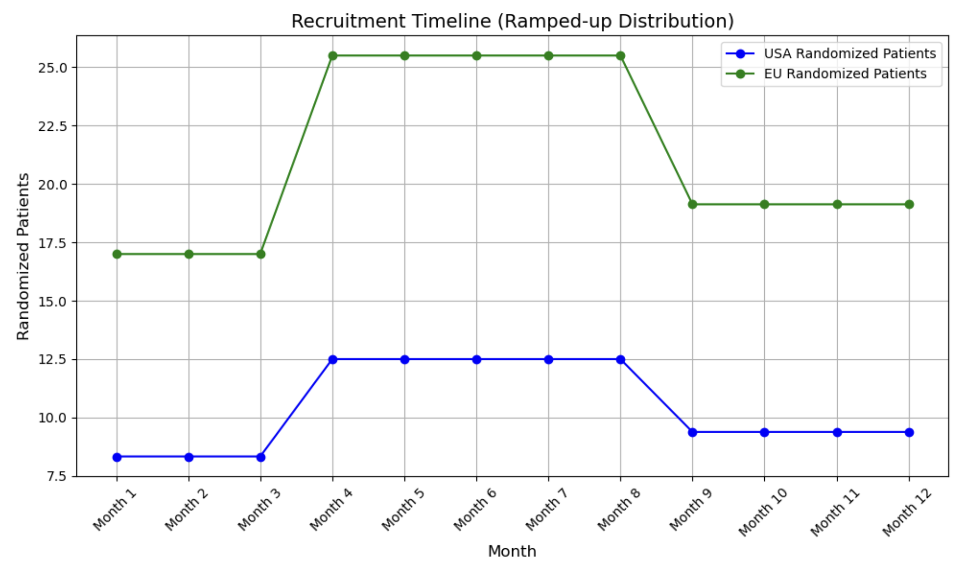
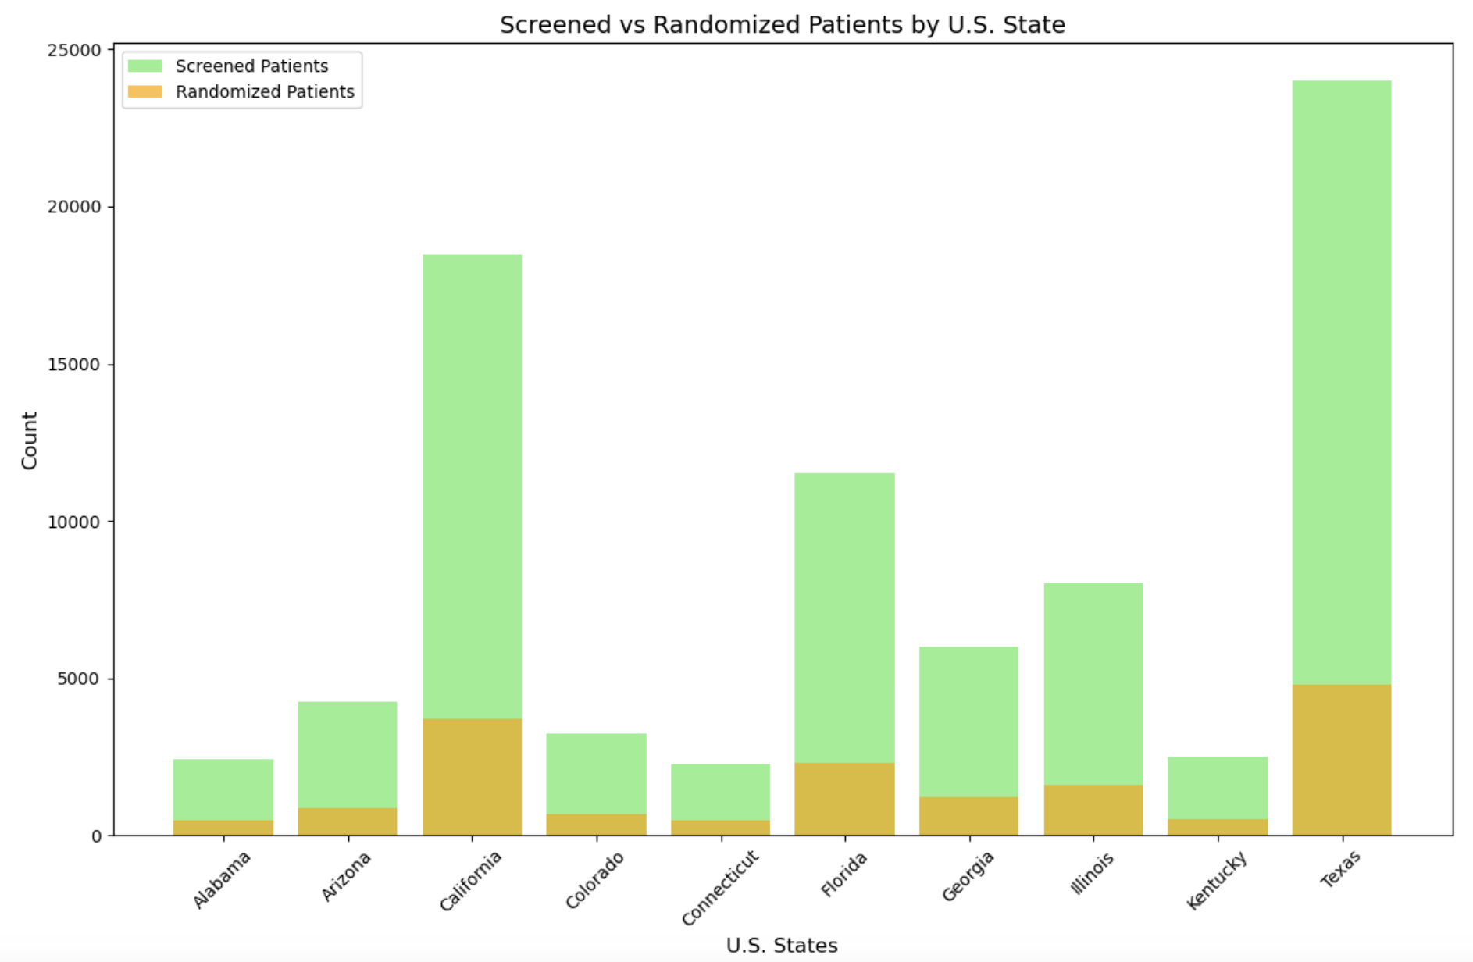

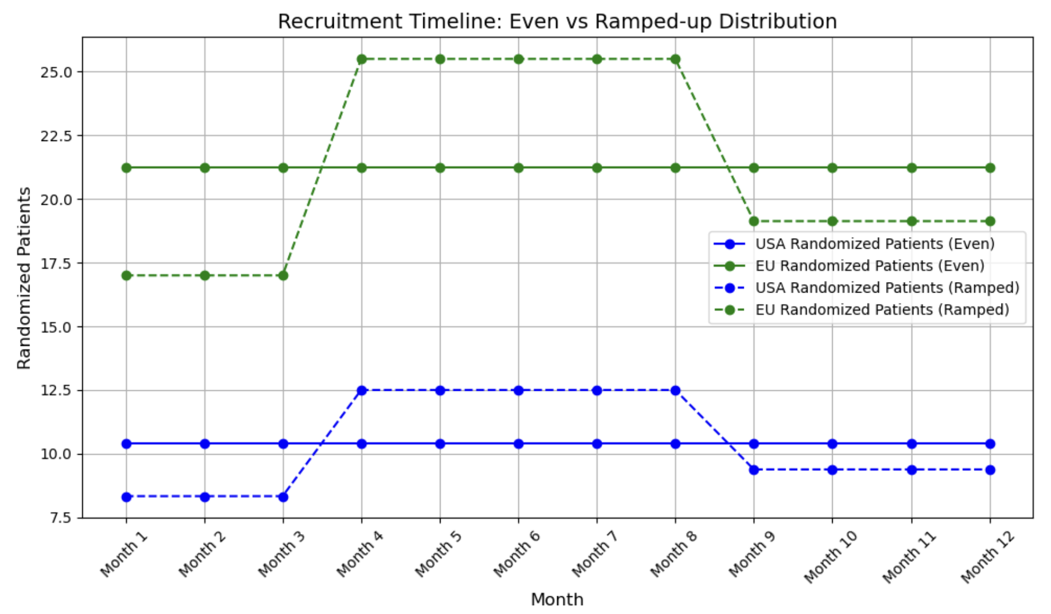
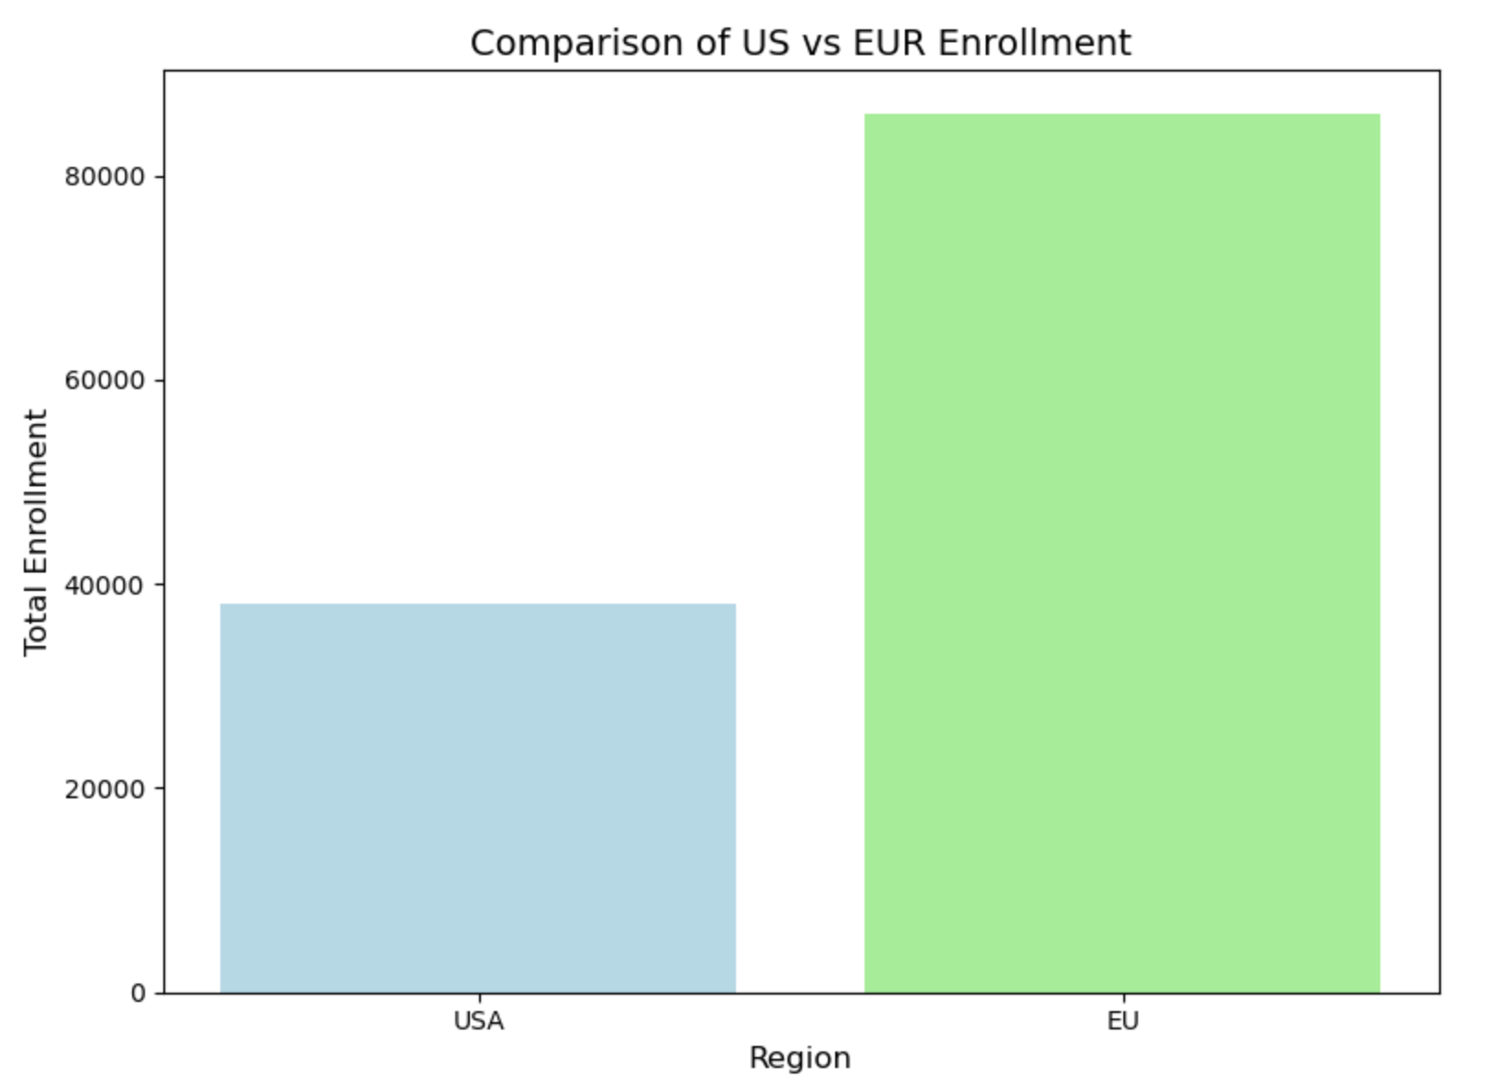
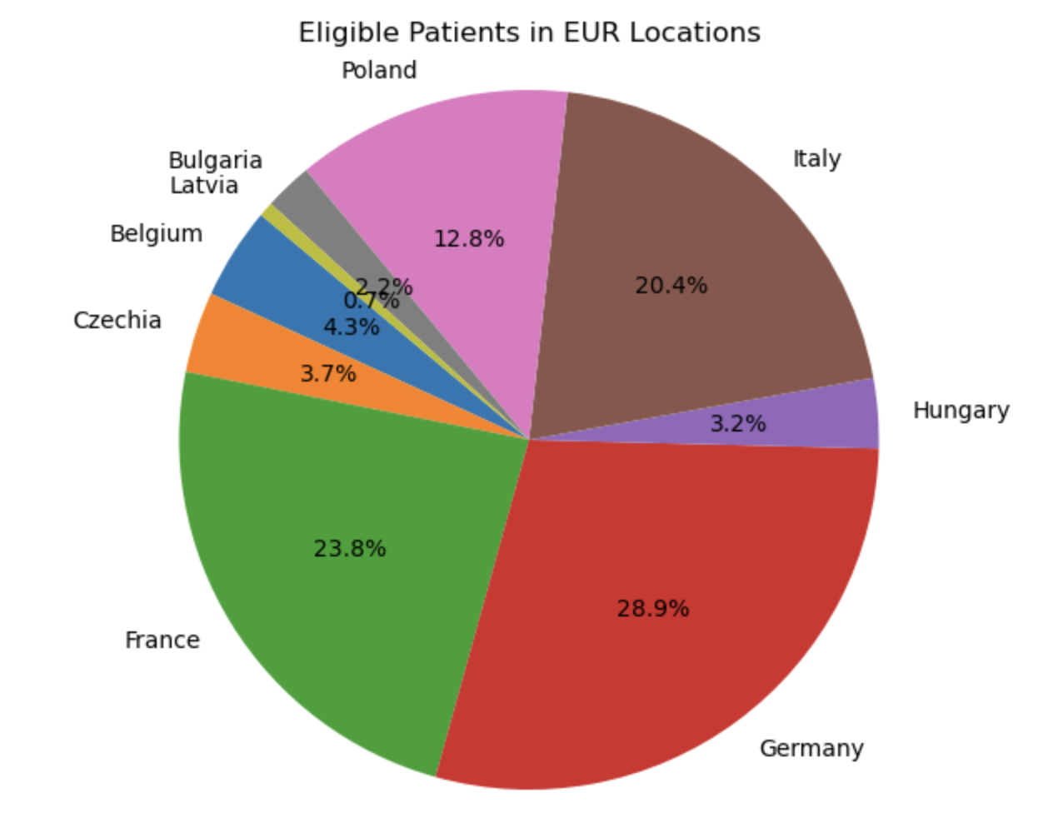

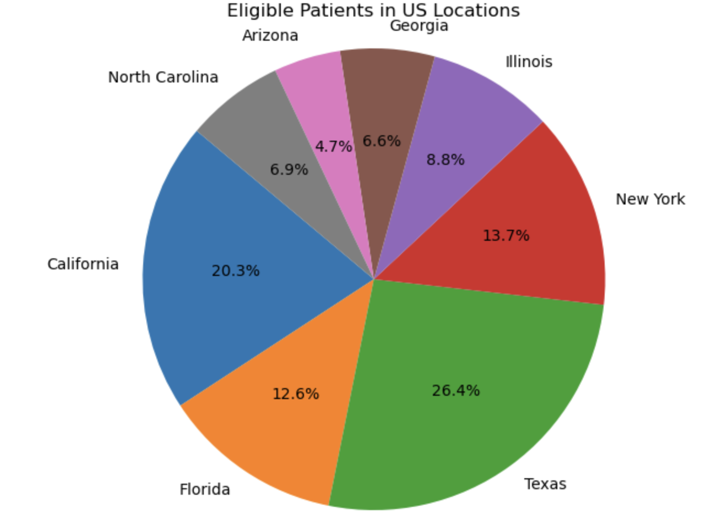
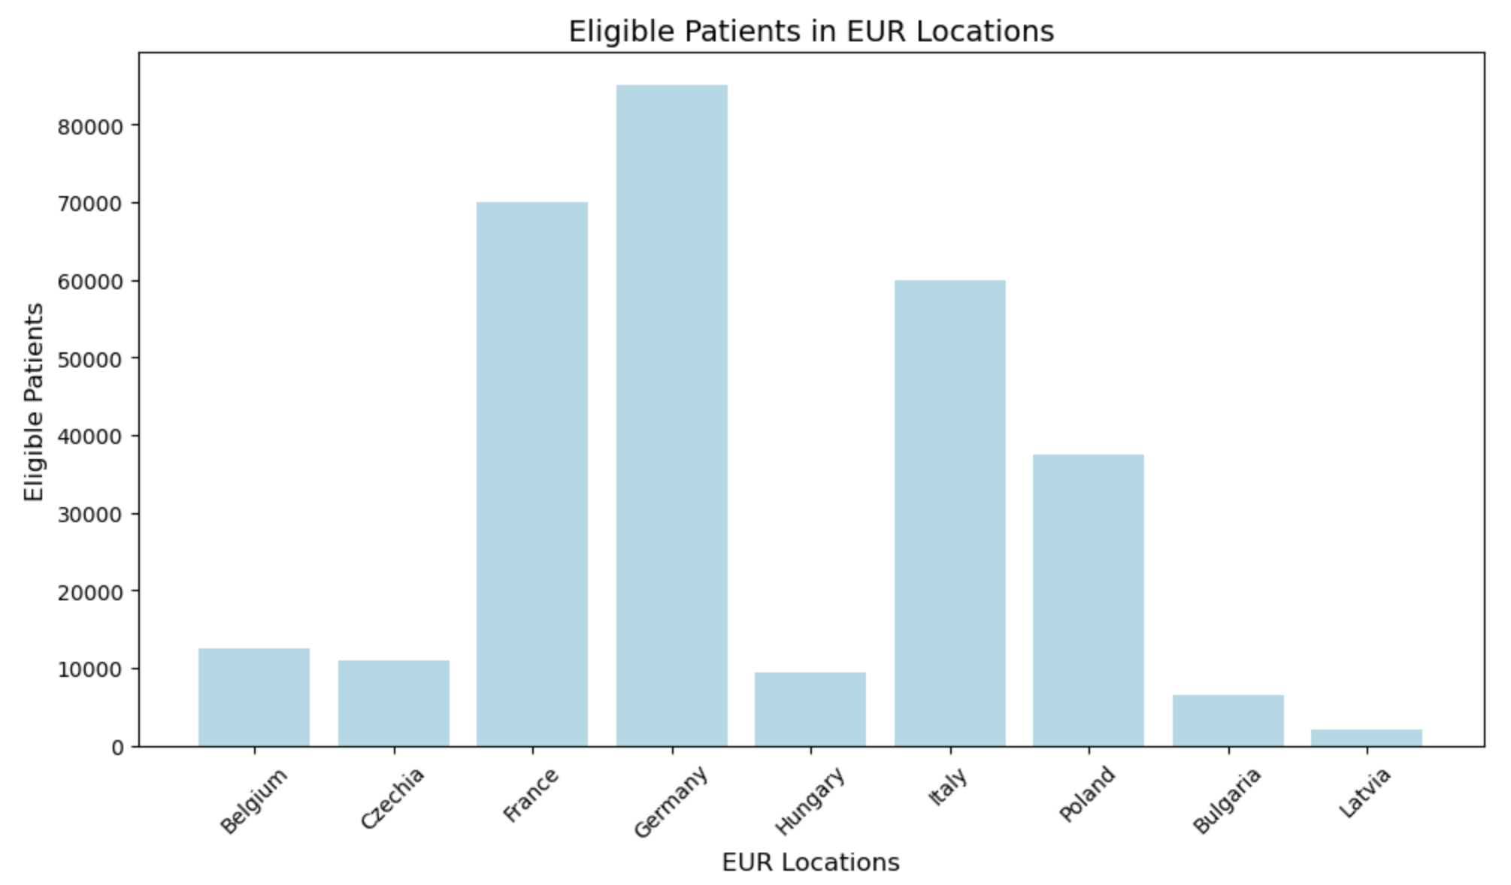
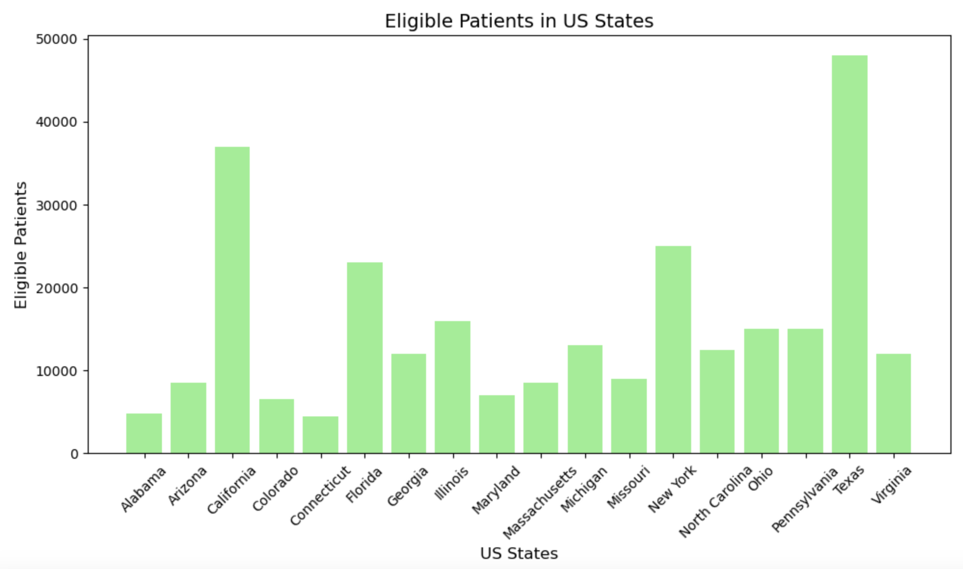

NON Prev -Graphs
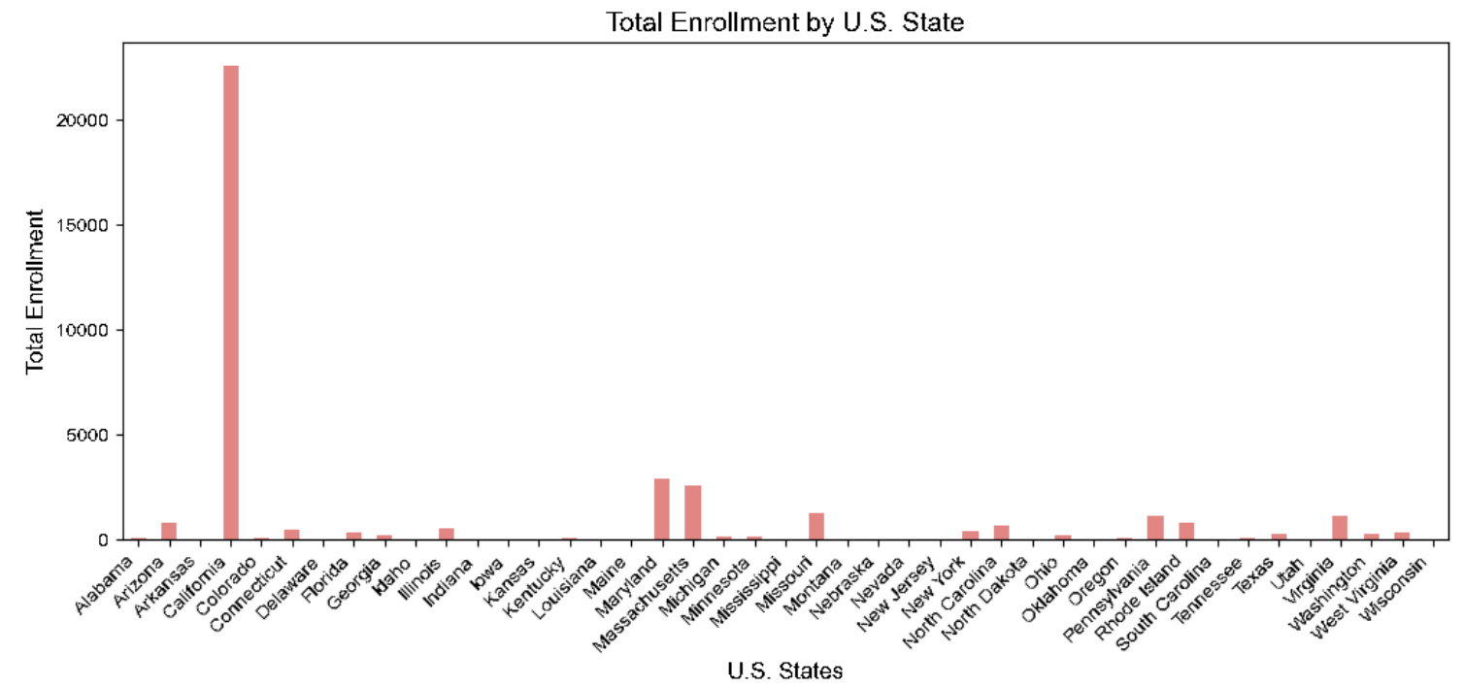
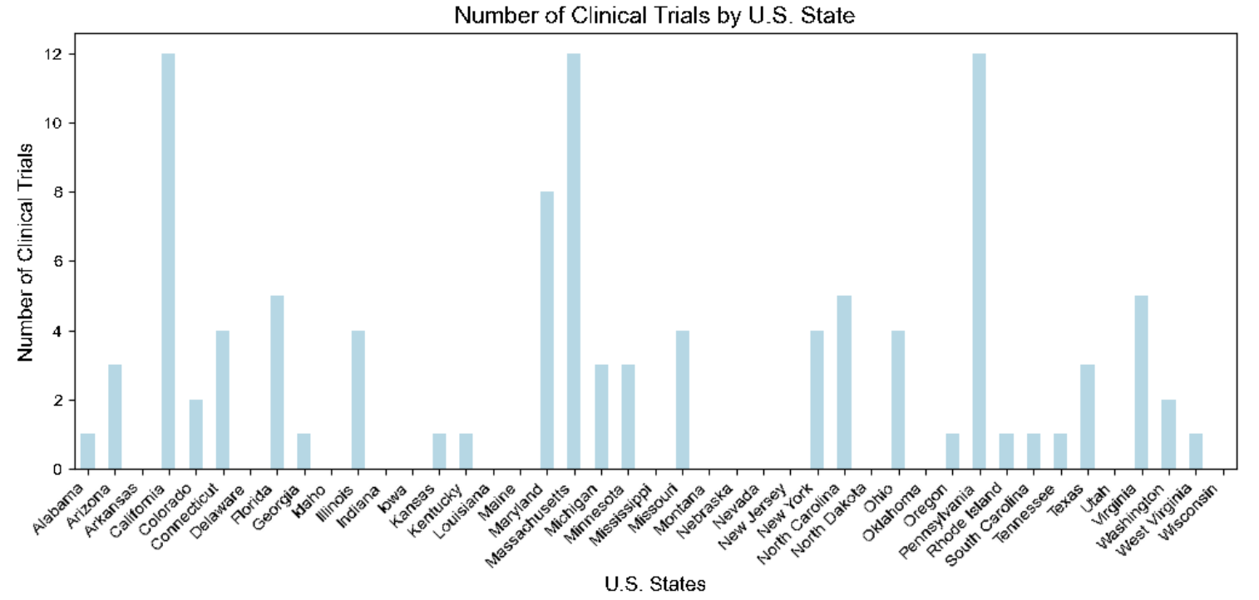
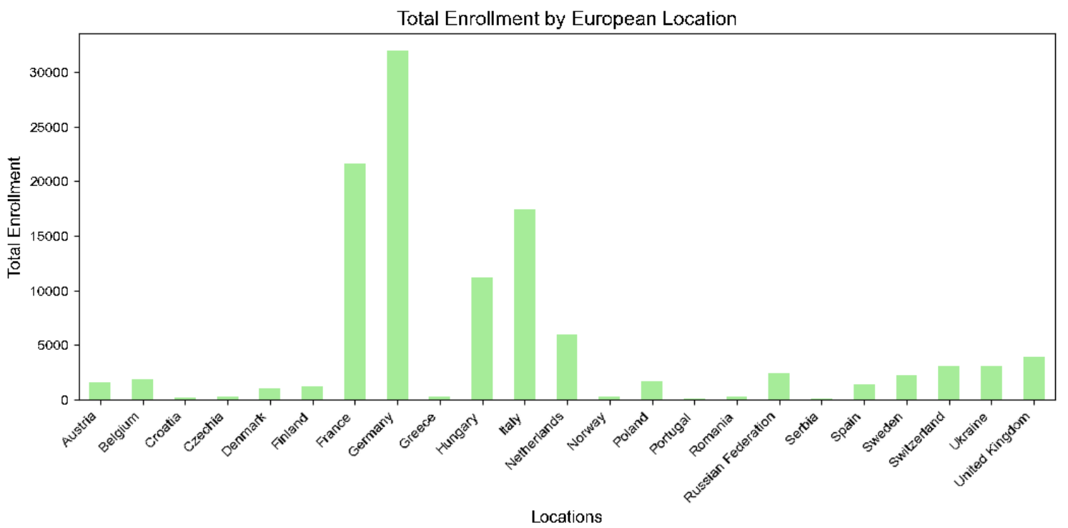
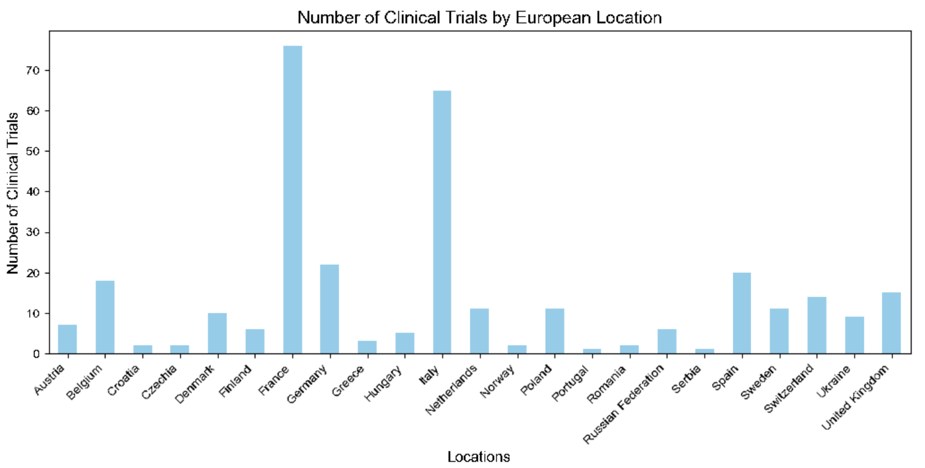
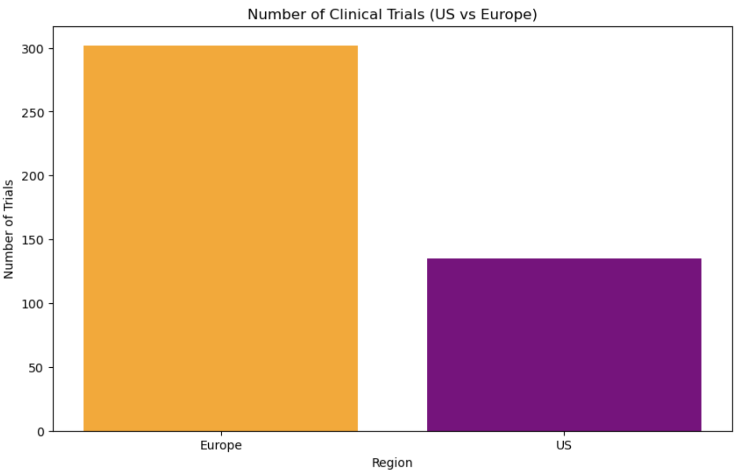
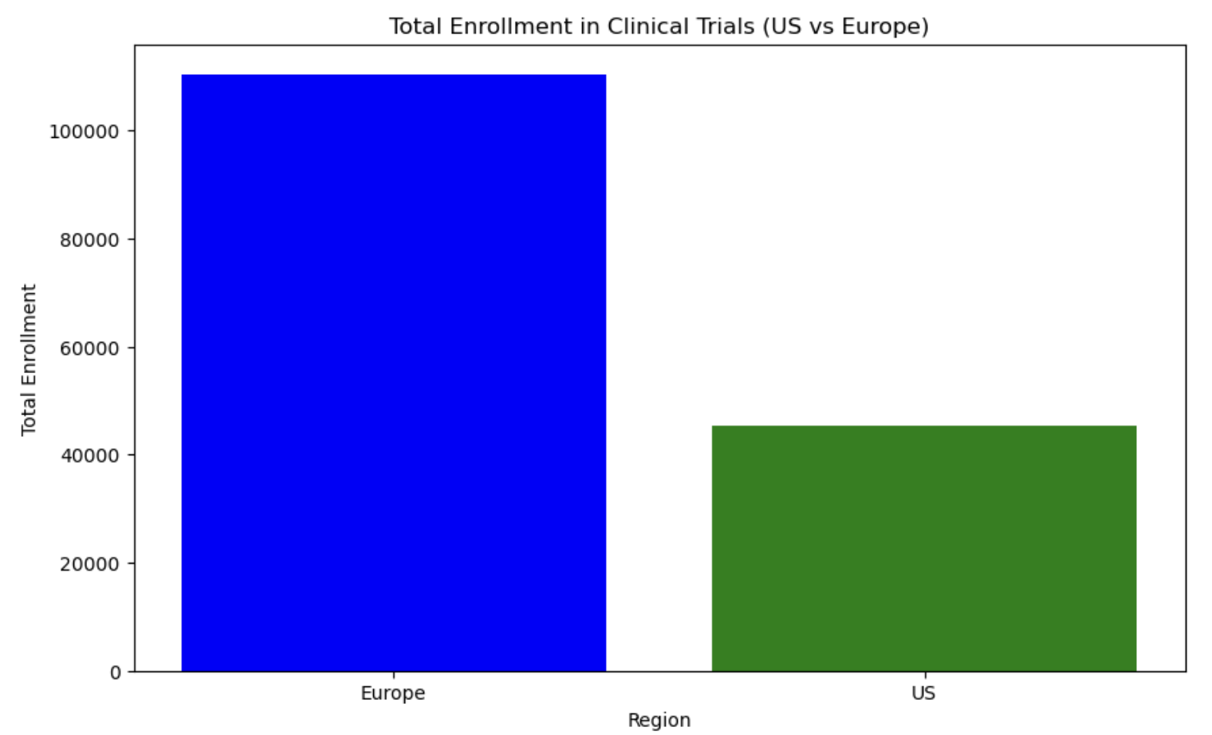
Clinical Trials and Enrollment - United States
Alabama | 1
Arizona | 3
Arkansas
California | 13
Colorado | 2
Connecticut | 5
Delaware
Florida | 6
Georgia | 1
Idaho
Illinois | 4
Indiana
Iowa
Kansas | 1
Kentucky | 1
Louisiana
Maine
Maryland | 9
Massachusetts | 13
Michigan | 3
Minnesota | 3
Mississippi
Missouri | 5
Montana
Nebraska
Nevada
New Jersey
New York | 4
North Carolina | 6
North Dakota
Ohio | 4
Oklahoma
Oregon | 1
Pennsylvania | 12
Rhode Island | 1
South Carolina | 1
Tennessee | 1
Texas | 3
Utah
Virginia | 5
Washington | 2
West Virginia | 1
Wisconsin

Clinical Trials and Enrollment - EUR
Austria | 7
Belgium | 18
Croatia | 2
Czechia | 2
Denmark | 10
Finland | 6
France | 76
Germany | 22
Greece | 3
Hungary | 5
Israel | 6
Netherlands | 11
New Zealand | 1
Norway | 2
Poland | 11
Portugal | 1
Romania | 2
Russian Federation | 6
Serbia | 1
Spain | 20
Sweden | 11
Switzerland | 14
Ukraine | 9
United Kingdom | 15

