Feuil1
PMOD JA (XADC)
Pin # | Decription | Wire label
1 | N15
2 | L14
3 | K16
4 | K14
5 | GND | GND
6 | VCC | VCC (3V3)
7 | N16
8 | L15
9 | J16
10 | J14
11 | GND | GND
12 | VCC | VCC (3V3)

PMOD JB (High speed)
Pin # | Decription | Wire label
1 | V8
2 | W8
3 | U7
4 | V7
5 | GND | GND
6 | VCC | VCC (3V3)
7 | Y7
8 | Y6
9 | V6
10 | W6
11 | GND | GND
12 | VCC | VCC (3V3)

PMOD JC (High speed)
Pin # | Decription | Wire label | HOLO
1 | V15 | UART96_HOLO_TX_1V8
2 | W15 | UART96_HOLO_RX_1V8 | GSM
3 | T11 | UART96_GSM_TX_1V8
4 | T10 | UART96_GSM_RX_1V8
5 | GND | GND
6 | VCC | VCC (3V3)
7 | W14
8 | Y14
9 | T12
10 | Y14
11 | GND | GND
12 | VCC | VCC (3V3)

PMOD JD (High speed)
Pin # | Decription | Wire label
1 | T14 | Ultra_Trig_1
2 | T15 | Ultra_Echo_1
3 | P14 | Ultra_Trig_2
4 | R14 | Ultra_Echo_2
5 | GND | GND
6 | VCC | VCC (3V3)
7 | U14 | Ultra_Trig_3
8 | U15 | Ultra_Echo_3
9 | V17 | Ultra_Trig_4
10 | V18 | Ultra_Echo_4
11 | GND | GND
12 | VCC | VCC (3V3)

PMOD JE (Standard)
Pin # | Decription | Wire label
1 | V12 | BUS_I2C_SDA_NFC | NFC
2 | W16 | BUS_I2C_SCL_NFC
3 | J15 | BUS_I2C_SDA_IMU | IMU
4 | H15 | BUS_I2C_SCL_IMU
5 | GND | GND
6 | VCC | VCC (3V3)
7 | V13 | BUS_I2C_SDA_ESP32_B | ESP32
8 | U17 | BUS_I2C_SCL_ESP32_B
9 | T17 | Ultra_Trig_5
10 | Y17 | Ultra_Echo_5
11 | GND | GND
12 | VCC | VCC (3V3)

PMOD JF MIO |  |  | WIFI
Pin # | Decription | Wire label
1 | MIO-13
2 | MIO-10
3 | MIO-11
4 | MIO-12
5 | GND | GND
6 | VCC | VCC (3V3)
7 | MIO-0
8 | MIO-9
9 | MIO-14
10 | MIO-15
11 | GND | GND
12 | VCC | VCC (3V3)

PCAM Port
Pin # | Decription | Wire label
1 | GND | GND
2 | MIPI CSI-2 Lane 0 (-)
3 | MIPI CSI-2 Lane 0 (+)
4 | GND | GND
5 | MIPI CSI-2 Lane 1 (-)
6 | MIPI CSI-2 Lane 1 (+)
7 | GND | GND
8 | MIPI CSI-2 Clock (-)
9 | MIPI CSI-2 Clock (+)
10 | GND | GND
11 | GPIO
12 | GPIO
13 | SCL
14 | SDA
15 | VCC | VCC (3V3)

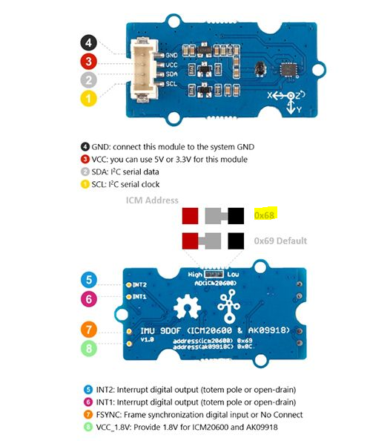
 |  |  |  | IMU Header
 |  |  |  | Pin # | Decription | Wire label | Ultrasons
 |  |  |  | 1 | GND | GND | Pin # | Decription | Wire label
 |  |  |  | 2 | 3,3V Power Output | 3V3 | 1 | GND | GND
 |  |  |  | 3 | I2C SDA | BUS_I2C_SDA_IMU | 2 | VCC | 3V3 ou 5V
 |  |  |  | 4 | I2C SCL | BUS_I2C_SCL_IMU | 3 | Trig | Ultra_Trig_X
 |  |  |  |  |  |  | 4 | Echo | Ultra_Echo_X

 |  |  |  |  |  |  | NFC
 |  |  |  |  |  |  | Pin # | Decription | Wire label
 |  |  |  |  |  |  | 1 | NC | -
 |  |  |  |  |  |  | 2 | NC | -
 |  |  |  |  |  |  | 3 | NC | -
 |  |  |  |  |  |  | 4 | NC | -
 |  |  |  |  |  |  | 5 | NC | -
 |  |  |  |  |  |  | 6 | NC | -
 |  |  |  |  |  |  | 7 | VCC (3V) | 3V3 ou 5V
 |  |  |  |  |  |  | 8 | GND | GND
 |  |  |  |  |  |  | 9 | GND | GND
 |  |  |  |  |  |  | 10 | NC | -
 |  |  |  |  |  |  | 11 | SDA | BUS_I2C_SDA_NFC
 |  |  |  |  |  |  | 12 | SCL | BUS_I2C_SCL_NFC
 |  |  |  |  |  |  | 13 | NC | -
 |  |  |  |  |  |  | 14 | NC | -
 |  |  |  |  |  |  | 15 | FD | LED_NFC | Field detection output
 |  |  |  |  |  |  | 16 | NC | -

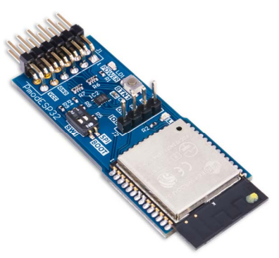
 |  |  |  | ESP32 Header (balises) |  |  | ESP32 (wifi)
 |  |  |  | Pin # | Decription | Wire label | Pin # | Decription | Wire label
 |  |  |  | 1 | GND | GND | 1 | RTS/SS | LED_NFC |  | UART Request to Send / SPI Slave Select
 |  |  |  | 2 | 3,3V Power Output | 3V3 | 2 | RXD/MOSI | LED_NFC |  | UART Receive Data / SPI Master Out Slave In
 |  |  |  | 3 | I2C SDA | BUS_I2C_SDA_ESP32_B | 3 | TXD/MISO | LED_NFC |  | UART Transmit Data / SPI Master In Slave Out
 |  |  |  | 4 | I2C SCL | BUS_I2C_SCL_ESP32_B | 4 | CTS/SCK | LED_NFC |  | UART Clear to Send / SPI Clock
 |  |  |  |  |  |  | 5 | GND | GND
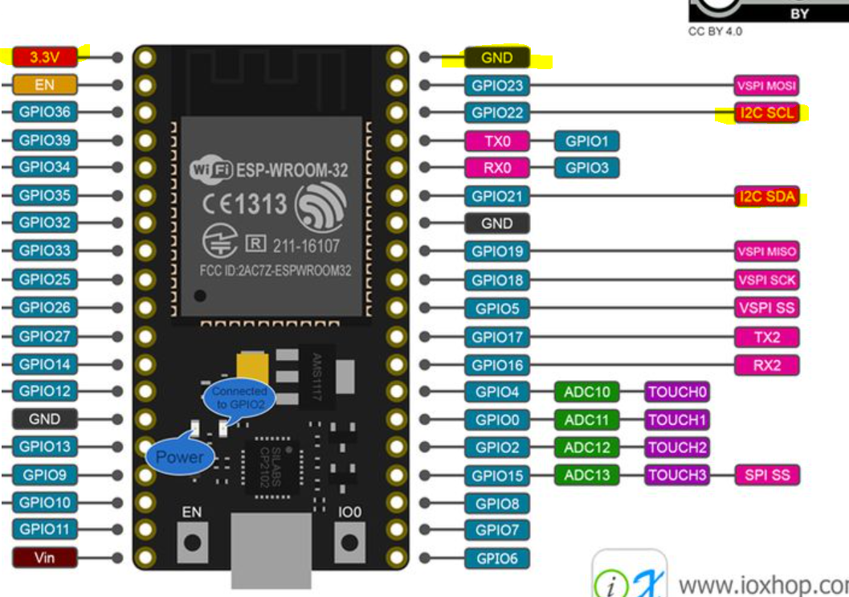
 |  |  |  |  |  |  | 6 | VCC (3.3V/5V) | 3V3 ou 5V
 |  |  |  |  |  |  | 7 | INT | LED_NFC |  | Configurable GPIO / IO2
 |  |  |  |  |  |  | 8 | EN | LED_NFC |  | Reset Enable
 |  |  |  |  |  |  | 9 | SELECT | LED_NFC |  | UART or SPI Mode Select
 |  |  |  |  |  |  | 10 | GPIO | LED_NFC |  | Configurable GPIO / IO32
 |  |  |  |  |  |  | 11 | GND | GND
 |  |  |  |  |  |  | 12 | VCC (3.3V/5V) | 3V3 ou 5V

