Feuil1
 |  |  |  |  |  |  | Légende :
PMOD JA (XADC)
Pin # | Decription | Wire label |  |  |  |  | Signaux en paire différentielle | Signaux de bus de communication | Pin de POWER |  | Signaux classique GPIO
1 | N15 |  |  |  |  |  | XXX_XX_P | BUS_I2C_SCL_XXX | XXX |  | XXXXX_XXX
2 | L14 |  |  |  |  |  | XXX_XX_N | BUS_I2C_SDA_XXX
3 | K16
4 | K14
5 | GND | GND
6 | VCC | VCC (3V3)
7 | N16
8 | L15
9 | J16
10 | J14
11 | GND | GND
12 | VCC | VCC (3V3)

PMOD JB (High speed)
Pin # | Decription | Wire label
1 | V8
2 | W8
3 | U7
4 | V7
5 | GND | GND
6 | VCC | VCC (3V3)
7 | Y7
8 | Y6
9 | V6
10 | W6
11 | GND | GND
12 | VCC | VCC (3V3)

PMOD JC (High speed)
Pin # | Decription | Wire label
1 | V15 | UART96_HOLO_TX | HOLO
2 | W15 | UART96_HOLO_RX
3 | T11 | UART96_GSM_TX | GSM
4 | T10 | UART96_GSM_RX
5 | GND | GND
6 | VCC | VCC (3V3)
7 | W14
8 | Y14
9 | T12
10 | Y14
11 | GND | GND
12 | VCC | VCC (3V3)

PMOD JD (High speed)
Pin # | Decription | Wire label | Ultrasons
1 | T14 | Ultra_Trig_1
2 | T15 | Ultra_Echo_1
3 | P14 | Ultra_Trig_2
4 | R14 | Ultra_Echo_2
5 | GND | GND
6 | VCC | VCC (3V3)
7 | U14 | Ultra_Trig_3
8 | U15 | Ultra_Echo_3
9 | V17 | Ultra_Trig_4
10 | V18 | Ultra_Echo_4
11 | GND | GND
12 | VCC | VCC (3V3)

PMOD JE (Standard)
Pin # | Decription | Wire label
1 | V12 | BUS_I2C_SDA_NFC | NFC
2 | W16 | BUS_I2C_SCL_NFC
3 | J15 | BUS_I2C_SDA_IMU | IMU
4 | H15 | BUS_I2C_SCL_IMU
5 | GND | GND
6 | VCC | VCC (3V3)
7 | V13 | BUS_I2C_SDA_Balises | Balises
8 | U17 | BUS_I2C_SCL_Balises
9 | T17 | Ultra_Trig_5
10 | Y17 | Ultra_Echo_5
11 | GND | GND
12 | VCC | VCC (3V3)

PMOD JF MIO |  |  | IHM
Pin # | Decription | Wire label
1 | MIO-13 | SS_UART_IHM
2 | MIO-10 | RXD_UART_IHM
3 | MIO-11 | TXD_UART_IHM
4 | MIO-12 | CTS_UART_IHM
5 | GND | GND
6 | VCC | 3V3 ou 5V
7 | MIO-0 | INT_IHM
8 | MIO-9 | EN_IHM
9 | MIO-14 | SEL_IHM
10 | MIO-15 | GPIO_IHM
11 | GND | GND
12 | VCC | 3V3 ou 5V

PCAM Port
Pin # | Decription | Wire label
1 | GND | GND
2 | MIPI CSI-2 Lane 0 (-) | MIPI_LANE0_N
3 | MIPI CSI-2 Lane 0 (+) | MIPI_LANE0_P
4 | GND | GND
5 | MIPI CSI-2 Lane 1 (-) | MIPI_LANE1_N
6 | MIPI CSI-2 Lane 1 (+) | MIPI_LANE1_P
7 | GND | GND
8 | MIPI CSI-2 Clock (-) | MIPI_CLK_N
9 | MIPI CSI-2 Clock (+) | MIPI_CLK_P
10 | GND | GND
11 | GPIO | GPIO_PWUP_CAM
12 | GPIO | -
13 | SCL | BUS_I2C_SCL_CAM
14 | SDA | BUS_I2C_SDA_CAM
15 | VCC | 3V3

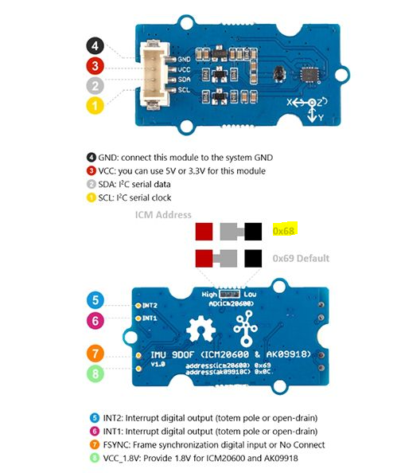
 |  |  |  | IMU Header
 |  |  |  | Pin # | Decription | Wire label |  |  | Ultrasons
 |  |  |  | 1 | GND | GND |  |  | Pin # | Decription |  | Wire label
 |  |  |  | 2 | 3,3V Power Output | 3V3 |  |  | 1 | GND |  | GND
 |  |  |  | 3 | I2C SDA | BUS_I2C_SDA_IMU |  |  | 2 | VCC |  | 3V3 ou 5V
 |  |  |  | 4 | I2C SCL | BUS_I2C_SCL_IMU |  |  | 3 | Trig |  | Ultra_Trig_X
 |  |  |  |  |  |  |  |  | 4 | Echo |  | Ultra_Echo_X

 |  |  |  |  |  |  |  |  | NFC
 |  |  |  |  |  |  |  |  | Pin # | Decription |  | Wire label
 |  |  |  |  |  |  |  |  | 1 | NC |  | -
 |  |  |  |  |  |  |  |  | 2 | NC |  | -
 |  |  |  |  |  |  |  |  | 3 | NC |  | -
 |  |  |  |  |  |  |  |  | 4 | NC |  | -
 |  |  |  |  |  |  |  |  | 5 | NC |  | -
 |  |  |  |  |  |  |  |  | 6 | NC |  | -
 |  |  |  |  |  |  |  |  | 7 | VCC (3V) |  | 3V3 ou 5V
 |  |  |  |  |  |  |  |  | 8 | GND |  | GND
 |  |  |  |  |  |  |  |  | 9 | GND |  | GND
 |  |  |  |  |  |  |  |  | 10 | NC |  | -
 |  |  |  |  |  |  |  |  | 11 | SDA |  | BUS_I2C_SDA_NFC
 |  |  |  |  |  |  |  |  | 12 | SCL |  | BUS_I2C_SCL_NFC
 |  |  |  |  |  |  |  |  | 13 | NC |  | -
 |  |  |  |  |  |  |  |  | 14 | NC |  | -
 |  |  |  |  |  |  |  |  | 15 | FD |  | LED_NFC | Field detection output
 |  |  |  |  |  |  |  |  | 16 | NC |  | -

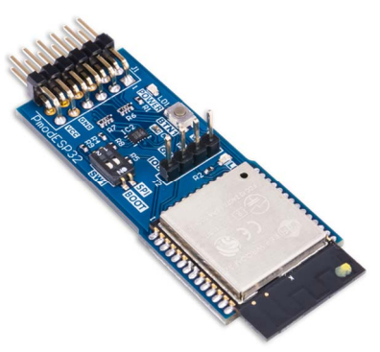
 |  |  |  | ESP32 Header (balises) |  |  |  |  | ESP32 (wifi)
 |  |  |  | Pin # | Decription | Wire label |  |  | Pin # | Decription |  | Wire label
 |  |  |  | 1 | GND | GND |  |  | 1 | RTS/SS |  | SS_UART_IHM |  | UART Request to Send / SPI Slave Select
 |  |  |  | 2 | 3,3V Power Output | 3V3 |  |  | 2 | RXD/MOSI |  | RXD_UART_IHM |  | UART Receive Data / SPI Master Out Slave In
 |  |  |  | 3 | I2C SDA | BUS_I2C_SDA_Balises |  |  | 3 | TXD/MISO |  | TXD_UART_IHM |  | UART Transmit Data / SPI Master In Slave Out
 |  |  |  | 4 | I2C SCL | BUS_I2C_SCL__Balises |  |  | 4 | CTS/SCK |  | CTS_UART_IHM |  | UART Clear to Send / SPI Clock
 |  |  |  |  |  |  |  |  | 5 | GND |  | GND
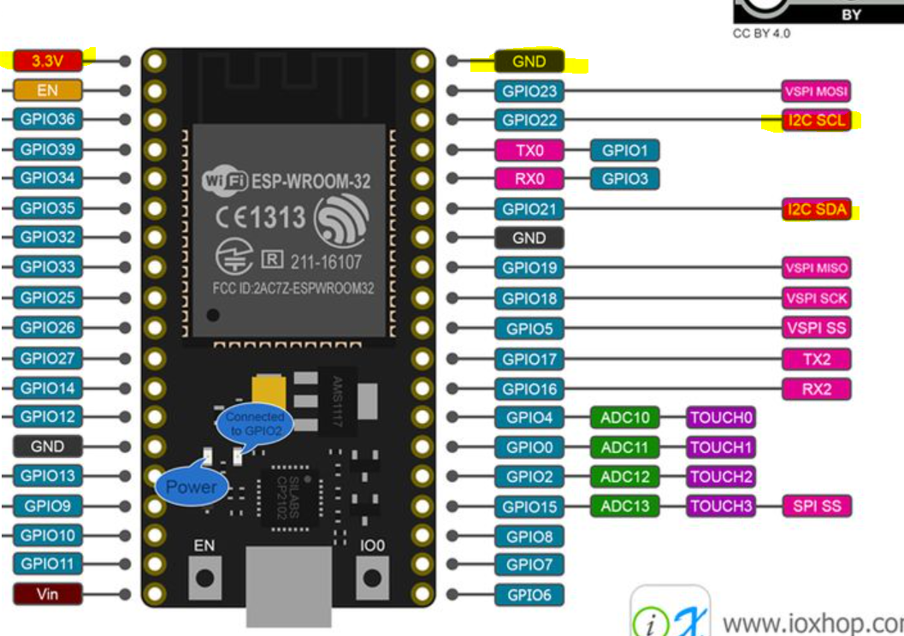
 |  |  |  |  |  |  |  |  | 6 | VCC (3.3V/5V) |  | 3V3 ou 5V
 |  |  |  |  |  |  |  |  | 7 | INT |  | INT_IHM |  | Configurable GPIO / IO2
 |  |  |  |  |  |  |  |  | 8 | EN |  | EN_IHM |  | Reset Enable
 |  |  |  |  |  |  |  |  | 9 | SELECT |  | SEL_IHM |  | UART or SPI Mode Select
 |  |  |  |  |  |  |  |  | 10 | GPIO |  | GPIO_IHM |  | Configurable GPIO / IO32
 |  |  |  |  |  |  |  |  | 11 | GND |  | GND
 |  |  |  |  |  |  |  |  | 12 | VCC (3.3V/5V) |  | 3V3 ou 5V

 |  |  |  |  |  |  |  |  | PCAM 5C
 |  |  |  |  |  |  |  |  | Pin # | Decription |  | Wire label
 |  |  |  |  |  |  |  |  | 1 | GND |  | GND
 |  |  |  |  |  |  |  |  | 2 | LANE0_N |  | MIPI_LANE0_N
 |  |  |  |  |  |  |  |  | 3 | LANE0_P |  | MIPI_LANE0_P
 |  |  |  |  |  |  |  |  | 4 | GND |  | GND
 |  |  |  |  |  |  |  |  | 5 | LANE1_N |  | MIPI_LANE1_N
 |  |  |  |  |  |  |  |  | 6 | LANE1_P |  | MIPI_LANE1_P
 |  |  |  |  |  |  |  |  | 7 | GND |  | GND
 |  |  |  |  |  |  |  |  | 8 | MIPI_CLK_N |  | MIPI_CLK_N
 |  |  |  |  |  |  |  |  | 9 | MIPI_CLK_P |  | MIPI_CLK_P
 |  |  |  |  |  |  |  |  | 10 | GND |  | GND
 |  |  |  |  |  |  |  |  | 11 | PWUP |  | GPIO_PWUP_CAM
 |  |  |  |  |  |  |  |  | 12 | NC |  | -
 |  |  |  |  |  |  |  |  | 13 | SCL |  | BUS_I2C_SCL_CAM
 |  |  |  |  |  |  |  |  | 14 | SDA |  | BUS_I2C_SDA_CAM
 |  |  |  |  |  |  |  |  | 15 | VCC |  | 3V3

