Synoptique
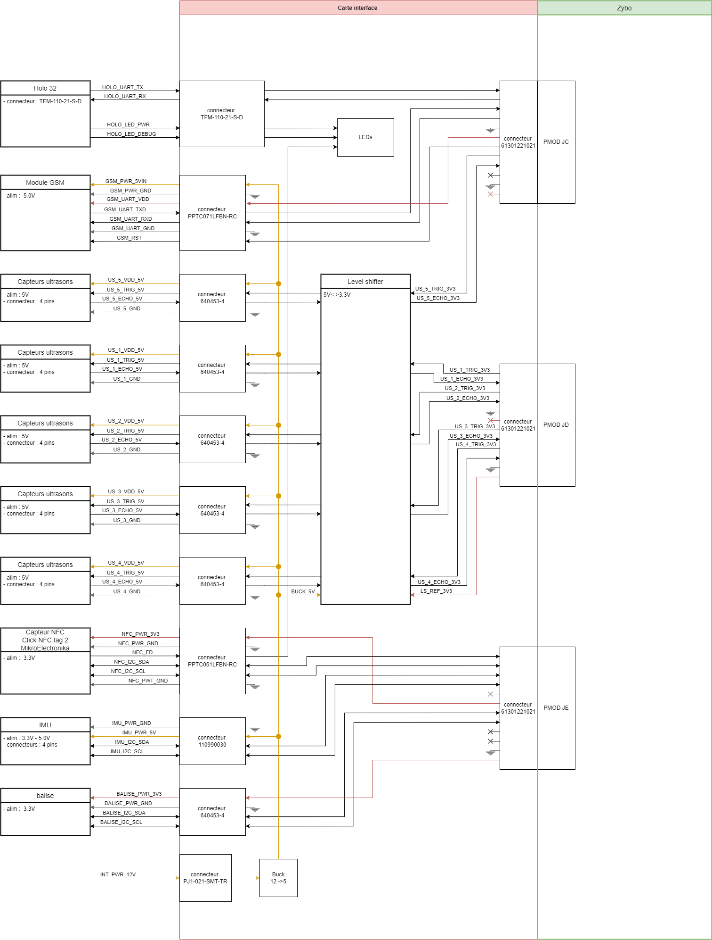

IMU
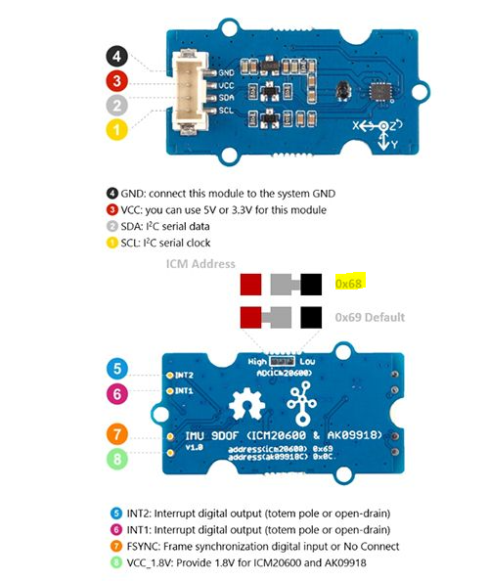
IMU Header
Pin # | Decription | Wire label
1 | GND | GND
2 | 3,3V Power Output | 3V3
3 | I2C SDA | IMU_I2C_SDA_ZYBO
4 | I2C SCL | IMU_I2C_SCL_ZYBO

ESP_Balise
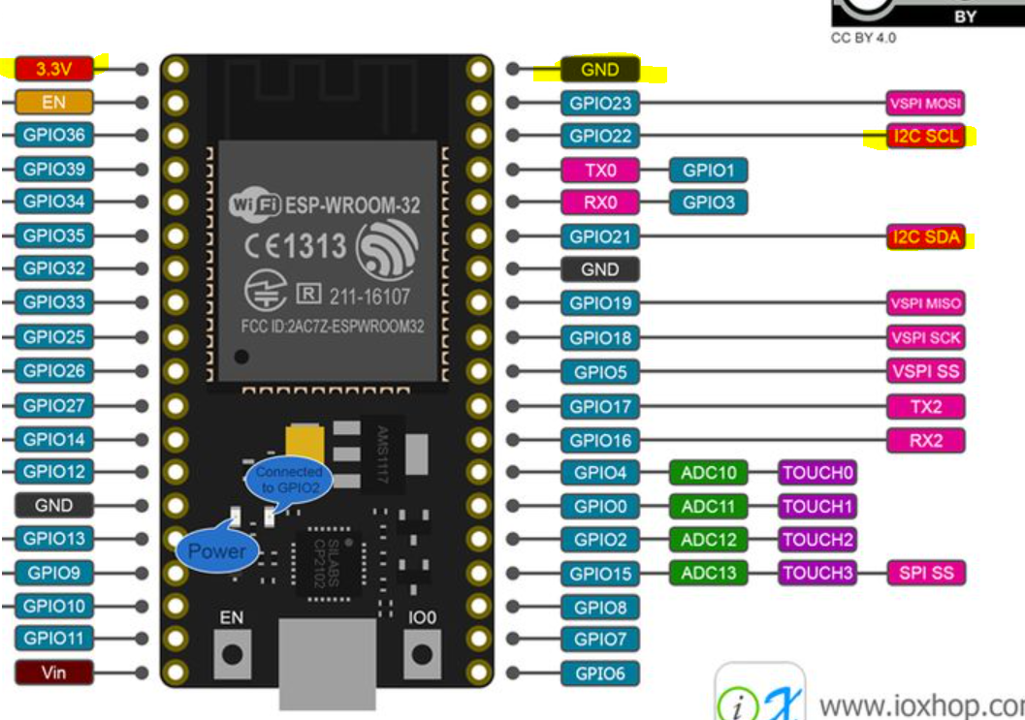
ESP32 Header (balises)
Pin # | Decription | Wire label
1 | GND | GND
2 | 3,3V Power Output | 3V3
3 | I2C SDA | BALISE_I2C_SDA_ZYBO
4 | I2C SCL | BALISE_I2C_SCL_ZYBO

ESP_IHM
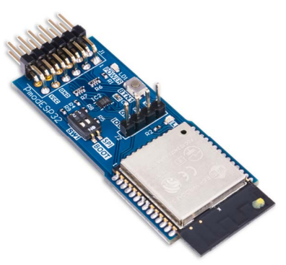
ESP32 (wifi)
Pin # | Decription | Wire label
1 | RTS/SS | SS_UART_IHM | UART Request to Send / SPI Slave Select
2 | RXD/MOSI | RXD_UART_IHM | UART Receive Data / SPI Master Out Slave In
3 | TXD/MISO | TXD_UART_IHM | UART Transmit Data / SPI Master In Slave Out
4 | CTS/SCK | CTS_UART_IHM | UART Clear to Send / SPI Clock
5 | GND | GND
6 | VCC (3.3V/5V) | 3V3 ou 5V
7 | INT | INT_IHM | Configurable GPIO / IO2
8 | EN | EN_IHM | Reset Enable
9 | SELECT | SEL_IHM | UART or SPI Mode Select
10 | GPIO | GPIO_IHM | Configurable GPIO / IO32
11 | GND | GND
12 | VCC (3.3V/5V) | 3V3 ou 5V

