Unit Test
Input (Basic Model) | a | b | c | d
Organic | 2.4 | 1.05 | 2.5 | 0.38
Semi-Detached | 3 | 1.12 | 2.5 | 0.35
Embedded | 3.6 | 1.2 | 2.5 | 0.32
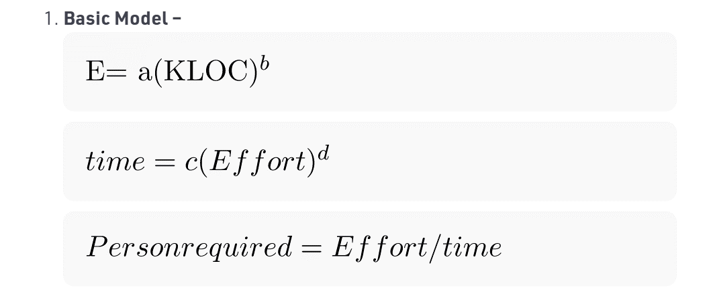

 |  | Manual Calculations Results |  |  |  |  | Java Experiment Result |  |  | Python Experiment Result
 | Count | KLOC Values | Model Type | Effort/E | Development Time/Time | Person Required | Effort/E | Development Time/Time | Person Required | Effort/E | Development Time/Time | Person Required
 | 1 | 31 | Organic | 88.34 | 13.72 | 6 | 88.33 | 13.72 | 6 | 88.34 | 13.72 | 6
 | 2 | 22 | Organic | 61.62 | 11.97 | 5 | 61.62 | 11.96 | 5 | 61.63 | 11.97 | 5
 | 3 | 4 | Organic | 10.29 | 6.06 | 2 | 10.28 | 6.06 | 2 | 10.29 | 6.06 | 2
 | 4 | 43 | Organic | 124.55 | 15.64 | 8 | 124.55 | 15.63 | 8 | 124.55 | 15.64 | 8
 | 5 | 12 | Organic | 32.61 | 9.40 | 3 | 32.61 | 9.39 | 3 | 32.61 | 9.40 | 3
 | 6 | 26 | Organic | 73.44 | 12.79 | 6 | 73.44 | 12.79 | 6 | 73.44 | 12.79 | 6
 | 7 | 16 | Organic | 44.11 | 10.54 | 4 | 44.12 | 10.54 | 4 | 44.11 | 10.54 | 4
 | 8 | 35 | Organic | 100.34 | 14.40 | 7 | 100.34 | 14.4 | 7 | 100.34 | 14.40 | 7
 | 9 | 10 | Organic | 26.93 | 8.74 | 3 | 26.92 | 8.73 | 3 | 26.93 | 8.74 | 3
 | 10 | 2 | Organic | 4.97 | 4.60 | 1 | 4.96 | 4.59 | 1 | 4.97 | 4.60 | 1
 | 11 | 216 | Semi-Detached | 1235.12 | 30.20 | 41 | 1235.12 | 30.2 | 41 | 1235.12 | 30.20 | 41
 | 12 | 152 | Semi-Detached | 833.27 | 26.32 | 32 | 833.27 | 26.31 | 32 | 833.27 | 26.32 | 32
 | 13 | 81 | Semi-Detached | 411.74 | 20.56 | 20 | 411.74 | 20.56 | 20 | 411.74 | 20.56 | 20
 | 14 | 97 | Semi-Detached | 503.86 | 22.07 | 23 | 503.85 | 22.06 | 23 | 503.86 | 22.07 | 23
 | 15 | 227 | Semi-Detached | 1305.78 | 30.80 | 42 | 1305.78 | 30.79 | 42 | 1305.78 | 30.80 | 42
 | 16 | 79 | Semi-Detached | 400.37 | 20.36 | 20 | 400.37 | 20.36 | 20 | 400.37 | 20.36 | 20
 | 17 | 261 | Semi-Detached | 1526.72 | 32.53 | 47 | 1526.71 | 32.52 | 47 | 1526.72 | 32.53 | 47
 | 18 | 104 | Semi-Detached | 544.75 | 22.68 | 24 | 544.75 | 22.67 | 24 | 544.75 | 22.68 | 24
 | 19 | 61 | Semi-Detached | 299.70 | 18.40 | 16 | 299.7 | 18.39 | 16 | 299.70 | 18.40 | 16
 | 20 | 255 | Semi-Detached | 1487.46 | 32.23 | 46 | 1487.46 | 32.23 | 46 | 1487.46 | 32.23 | 46
 | 21 | 610 | Embedded | 7919.51 | 44.21 | 179 | 7919.51 | 44.21 | 179 | 7919.51 | 44.21 | 179
 | 22 | 397 | Embedded | 4729.89 | 37.49 | 126 | 4729.89 | 37.48 | 126 | 4729.89 | 37.49 | 126
 | 23 | 590 | Embedded | 7608.95 | 43.65 | 174 | 7608.95 | 43.64 | 174 | 7608.95 | 43.65 | 174
 | 24 | 312 | Embedded | 3542.32 | 34.18 | 104 | 3542.32 | 34.17 | 104 | 3542.32 | 34.18 | 104
 | 25 | 497 | Embedded | 6193.41 | 40.87 | 152 | 6193.41 | 40.86 | 152 | 6193.42 | 40.87 | 152
 | 26 | 689 | Embedded | 9165.70 | 46.33 | 198 | 9165.7 | 46.32 | 198 | 9165.70 | 46.33 | 198
 | 27 | 620 | Embedded | 8075.56 | 44.49 | 182 | 8075.56 | 44.48 | 182 | 8075.56 | 44.49 | 182
 | 28 | 389 | Embedded | 4615.75 | 37.20 | 124 | 4615.74 | 37.19 | 124 | 4615.75 | 37.20 | 124
 | 29 | 569 | Embedded | 7285.13 | 43.04 | 169 | 7285.13 | 43.04 | 169 | 7285.13 | 43.04 | 169
 | 30 | 668 | Embedded | 8831.50 | 45.78 | 193 | 8831.49 | 45.77 | 193 | 8831.50 | 45.78 | 193

