Tab.2.survey_lenght
 | Appendix S2:Table 2. Survey periods detailed

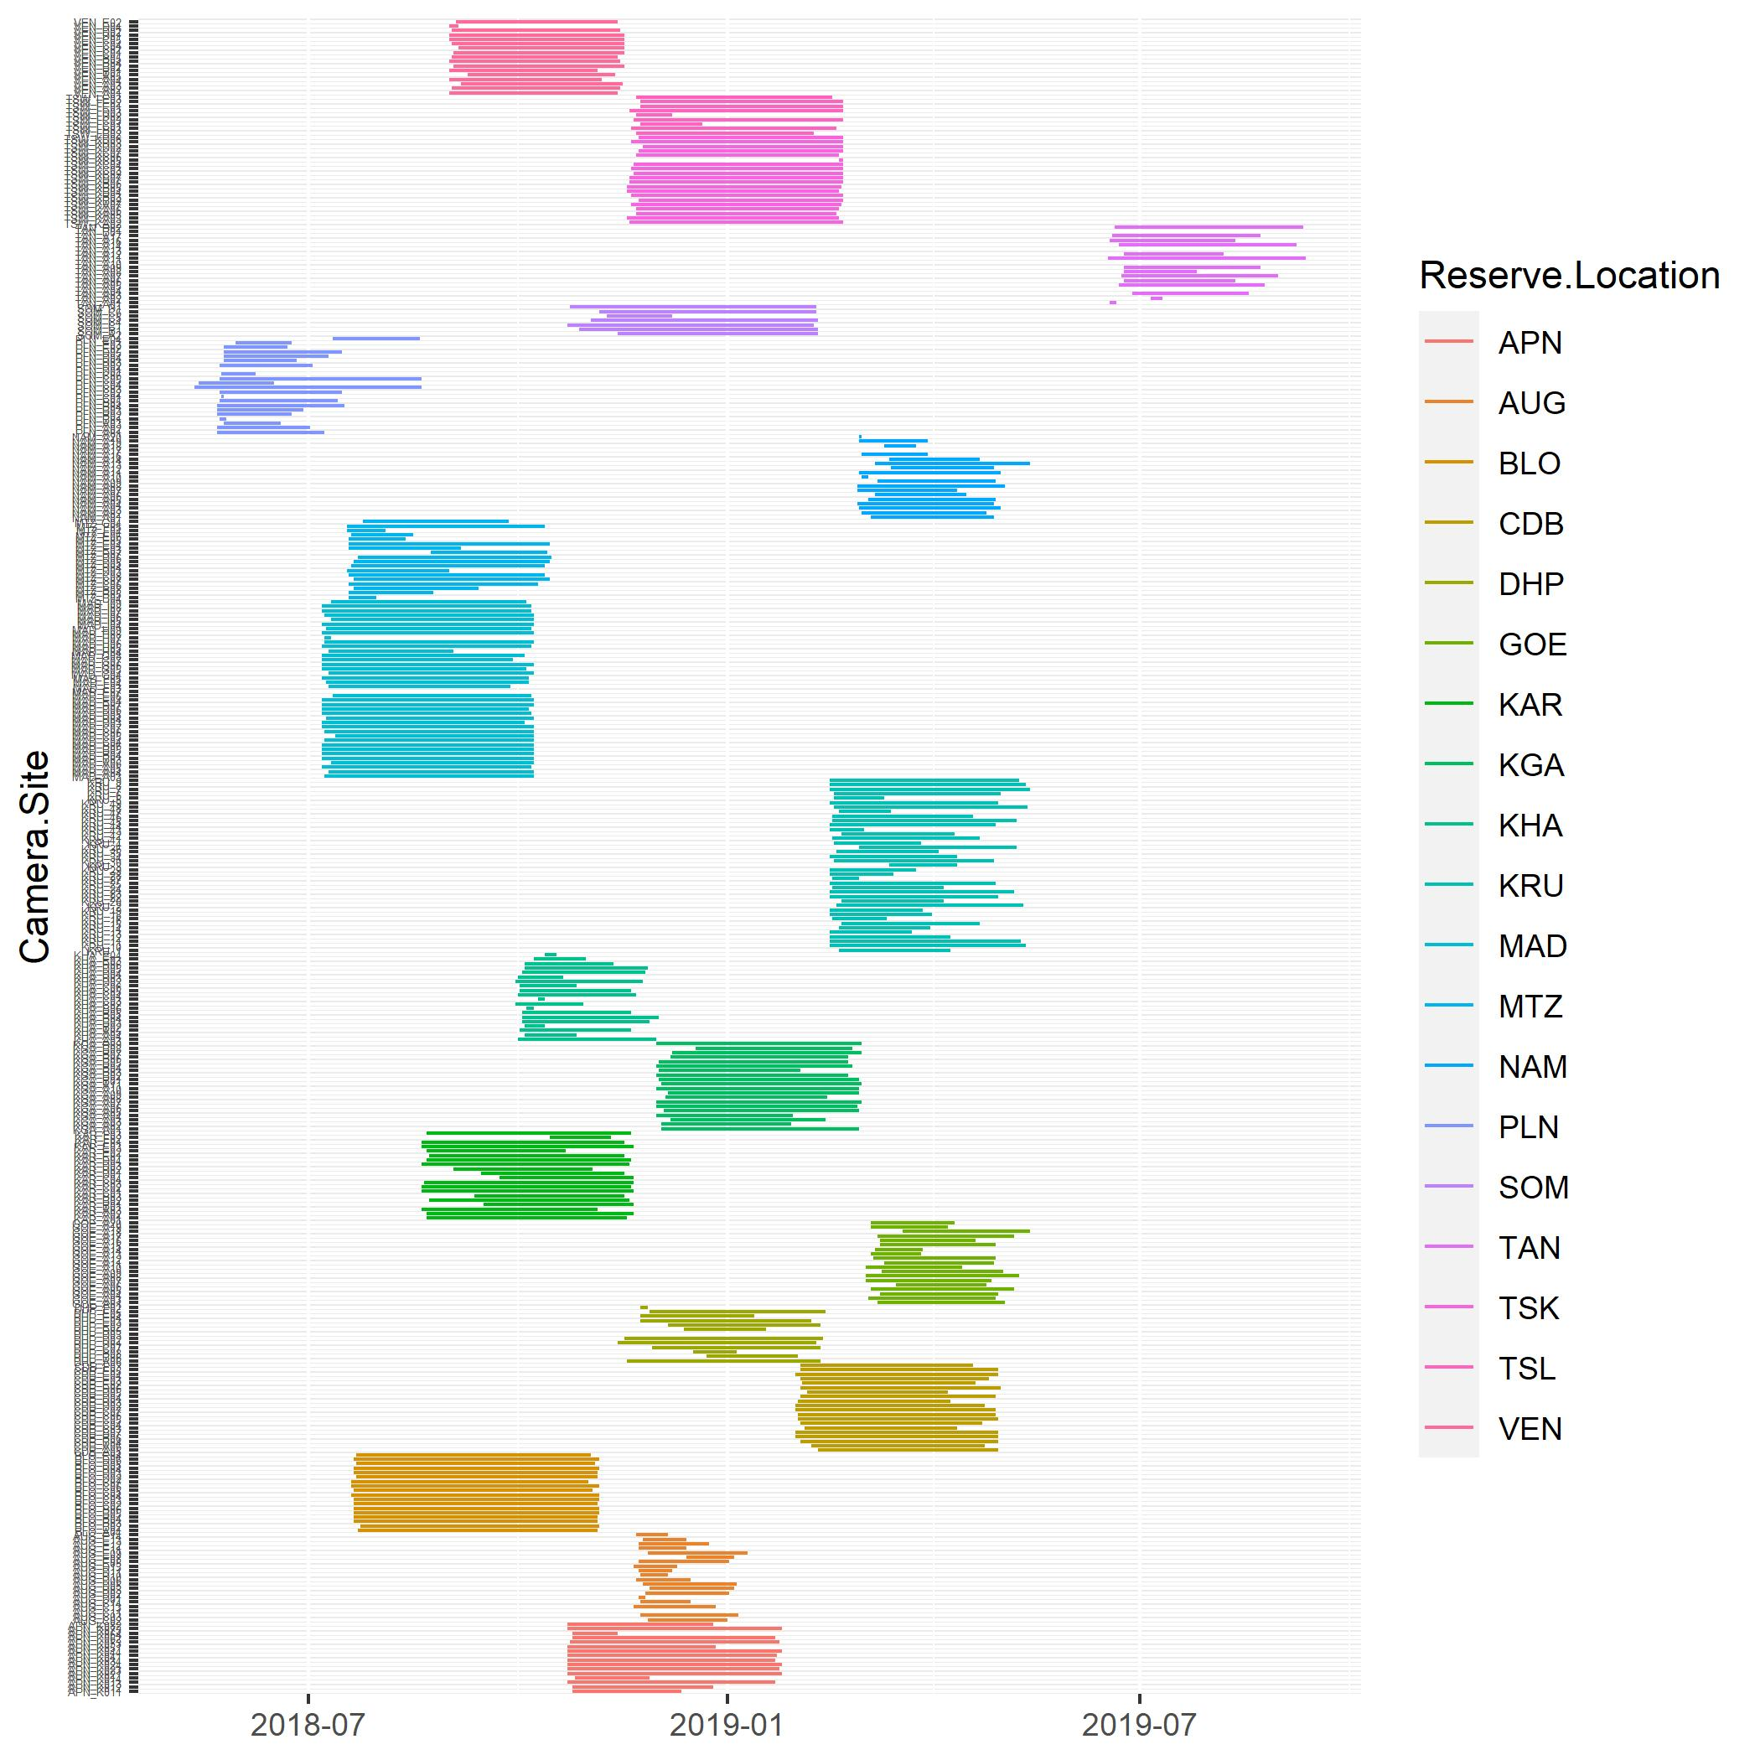
 | Reserve.Location | Camera.Site | First.Photo.Date | Last.Photo.Date | Cam.Days
1 | APN | APN_K011 | 2018-10-25 | 2018-12-12 | 48
2 | APN | APN_K012 | 2018-10-25 | 2018-12-26 | 62
3 | APN | APN_K013 | 2018-10-23 | 2019-01-22 | 91
4 | APN | APN_K014 | 2018-10-26 | 2018-11-28 | 33
5 | APN | APN_K021 | 2018-10-23 | 2019-01-25 | 94
6 | APN | APN_K023 | 2018-10-23 | 2019-01-24 | 93
7 | APN | APN_K024 | 2018-10-23 | 2019-01-25 | 94
8 | APN | APN_K034 | 2018-10-23 | 2019-01-22 | 91
9 | APN | APN_K041 | 2018-10-23 | 2019-01-23 | 92
10 | APN | APN_K044 | 2018-10-23 | 2019-01-25 | 94
11 | APN | APN_K051 | 2018-10-23 | 2018-12-27 | 65
12 | APN | APN_K053 | 2018-10-24 | 2019-01-24 | 92
13 | APN | APN_K062 | 2018-10-25 | 2019-01-22 | 89
14 | APN | APN_K064 | 2018-10-25 | 2018-11-14 | 20
15 | APN | APN_K073 | 2018-10-23 | 2019-01-25 | 94
16 | APN | APN_K082 | 2018-10-23 | 2018-12-26 | 64
17 | AUG | AUG_C02 | 2018-11-27 | 2019-01-01 | 35
18 | AUG | AUG_C03 | 2018-11-24 | 2019-01-06 | 43
19 | AUG | AUG_C11 | 2018-11-21 | 2018-11-21 | 0
20 | AUG | AUG_C13 | 2018-11-21 | 2018-12-27 | 36
21 | AUG | AUG_C14 | 2018-11-24 | 2018-12-16 | 22
22 | AUG | AUG_D01 | 2018-11-23 | 2018-11-26 | 3
23 | AUG | AUG_D02 | 2018-11-26 | 2019-01-02 | 37
24 | AUG | AUG_D03 | 2018-11-28 | 2019-01-04 | 37
25 | AUG | AUG_D05 | 2018-11-25 | 2019-01-05 | 41
26 | AUG | AUG_D06 | 2018-11-22 | 2018-12-16 | 24
27 | AUG | AUG_D10 | 2018-11-24 | 2018-12-06 | 12
28 | AUG | AUG_D11 | 2018-11-23 | 2018-12-08 | 15
29 | AUG | AUG_D13 | 2018-11-21 | 2018-12-10 | 19
30 | AUG | AUG_E05 | 2018-11-23 | 2019-01-02 | 40
31 | AUG | AUG_E08 | 2018-12-14 | 2019-01-04 | 21
32 | AUG | AUG_E09 | 2018-11-27 | 2019-01-10 | 44
33 | AUG | AUG_E11 | 2018-11-23 | 2018-12-14 | 21
34 | AUG | AUG_E12 | 2018-11-23 | 2018-12-24 | 31
35 | AUG | AUG_E13 | 2018-11-25 | 2018-12-14 | 19
36 | AUG | AUG_E14 | 2018-11-22 | 2018-12-06 | 14
37 | BLO | BLO_A04 | 2018-07-23 | 2018-11-05 | 105
38 | BLO | BLO_B02 | 2018-07-24 | 2018-11-06 | 105
39 | BLO | BLO_B03 | 2018-07-21 | 2018-11-05 | 107
40 | BLO | BLO_B04 | 2018-07-21 | 2018-11-05 | 107
41 | BLO | BLO_B05 | 2018-07-21 | 2018-11-06 | 108
42 | BLO | BLO_B06 | 2018-07-21 | 2018-11-06 | 108
43 | BLO | BLO_C02 | 2018-07-21 | 2018-11-05 | 107
44 | BLO | BLO_C03 | 2018-07-21 | 2018-11-06 | 108
45 | BLO | BLO_C04 | 2018-07-20 | 2018-11-06 | 109
46 | BLO | BLO_C05 | 2018-07-21 | 2018-11-03 | 105
47 | BLO | BLO_C06 | 2018-07-20 | 2018-11-06 | 109
48 | BLO | BLO_C07 | 2018-07-20 | 2018-11-01 | 104
49 | BLO | BLO_D02 | 2018-07-22 | 2018-11-05 | 106
50 | BLO | BLO_D03 | 2018-07-21 | 2018-11-05 | 107
51 | BLO | BLO_D04 | 2018-07-21 | 2018-11-06 | 108
52 | BLO | BLO_D05 | 2018-07-22 | 2018-11-04 | 105
53 | BLO | BLO_D06 | 2018-07-21 | 2018-11-06 | 108
54 | BLO | BLO_E04 | 2018-07-22 | 2018-11-02 | 103
55 | CDB | CDB_A05 | 2019-02-10 | 2019-04-30 | 79
56 | CDB | CDB_A06 | 2019-02-07 | 2019-04-24 | 76
57 | CDB | CDB_B04 | 2019-02-02 | 2019-04-30 | 87
58 | CDB | CDB_B06 | 2019-01-31 | 2019-04-30 | 89
59 | CDB | CDB_B07 | 2019-01-31 | 2019-04-30 | 89
60 | CDB | CDB_C03 | 2019-02-04 | 2019-04-12 | 67
61 | CDB | CDB_C04 | 2019-02-02 | 2019-04-23 | 80
62 | CDB | CDB_C05 | 2019-02-01 | 2019-04-30 | 88
63 | CDB | CDB_C06 | 2019-02-01 | 2019-04-29 | 87
64 | CDB | CDB_C07 | 2019-01-31 | 2019-04-29 | 88
65 | CDB | CDB_D02 | 2019-01-31 | 2019-04-24 | 83
66 | CDB | CDB_D03 | 2019-02-01 | 2019-04-09 | 67
67 | CDB | CDB_D04 | 2019-02-02 | 2019-04-29 | 86
68 | CDB | CDB_D05 | 2019-02-05 | 2019-04-08 | 62
69 | CDB | CDB_D06 | 2019-02-02 | 2019-05-01 | 88
70 | CDB | CDB_E02 | 2019-02-03 | 2019-04-20 | 76
71 | CDB | CDB_E03 | 2019-02-02 | 2019-04-26 | 83
72 | CDB | CDB_E04 | 2019-01-31 | 2019-04-30 | 89
73 | CDB | CDB_E05 | 2019-02-02 | 2019-04-30 | 87
74 | CDB | CDB_F03 | 2019-02-02 | 2019-04-19 | 76
75 | DHP | DHP_A06 | 2018-11-18 | 2019-02-11 | 85
76 | DHP | DHP_B06 | 2018-12-23 | 2019-02-01 | 40
77 | DHP | DHP_B08 | 2018-12-17 | 2019-01-05 | 19
78 | DHP | DHP_C07 | 2018-11-29 | 2019-02-11 | 74
79 | DHP | DHP_D01 | 2018-11-14 | 2019-02-09 | 87
80 | DHP | DHP_D02 | 2018-11-17 | 2019-02-12 | 87
81 | DHP | DHP_D03 | 2019-01-18 | 2019-01-18 | 0
82 | DHP | DHP_D05 | 2018-12-13 | 2019-01-18 | 36
83 | DHP | DHP_E02 | 2018-12-06 | 2019-02-11 | 67
84 | DHP | DHP_E03 | 2018-11-24 | 2019-02-07 | 75
85 | DHP | DHP_E04 | 2018-11-24 | 2019-01-13 | 50
86 | DHP | DHP_E05 | 2018-11-28 | 2019-02-13 | 77
87 | DHP | DHP_F02 | 2018-11-24 | 2018-11-27 | 3
88 | GOE | GOE_A01 | 2019-03-08 | 2019-05-03 | 56
89 | GOE | GOE_A03 | 2019-03-04 | 2019-04-29 | 56
90 | GOE | GOE_A04 | 2019-03-09 | 2019-04-30 | 52
91 | GOE | GOE_A05 | 2019-03-05 | 2019-05-07 | 63
92 | GOE | GOE_A06 | 2019-03-16 | 2019-04-25 | 40
93 | GOE | GOE_A07 | 2019-03-03 | 2019-04-27 | 55
94 | GOE | GOE_A08 | 2019-03-03 | 2019-05-09 | 67
95 | GOE | GOE_A09 | 2019-03-10 | 2019-05-02 | 53
96 | GOE | GOE_A10 | 2019-03-03 | 2019-04-14 | 42
97 | GOE | GOE_A11 | 2019-03-11 | 2019-04-28 | 48
98 | GOE | GOE_A12 | 2019-03-06 | 2019-04-29 | 54
99 | GOE | GOE_A13 | 2019-03-05 | 2019-03-27 | 22
100 | GOE | GOE_A14 | 2019-03-07 | 2019-03-28 | 21
101 | GOE | GOE_A15 | 2019-03-09 | 2019-04-29 | 51
102 | GOE | GOE_A16 | 2019-03-09 | 2019-04-20 | 42
103 | GOE | GOE_A17 | 2019-03-08 | 2019-05-07 | 60
104 | GOE | GOE_A18 | 2019-03-19 | 2019-05-14 | 56
105 | GOE | GOE_A19 | 2019-03-05 | 2019-04-08 | 34
106 | GOE | GOE_A20 | 2019-03-05 | 2019-04-11 | 37
107 | KAR | KAR_A01 | 2018-08-22 | 2018-11-18 | 88
108 | KAR | KAR_A02 | 2018-08-22 | 2018-11-21 | 91
109 | KAR | KAR_A03 | 2018-08-20 | 2018-11-05 | 77
110 | KAR | KAR_B01 | 2018-09-16 | 2018-11-21 | 66
111 | KAR | KAR_B02 | 2018-08-23 | 2018-11-19 | 88
112 | KAR | KAR_B03 | 2018-09-12 | 2018-11-17 | 66
113 | KAR | KAR_C01 | 2018-08-20 | 2018-11-21 | 93
114 | KAR | KAR_C02 | 2018-08-20 | 2018-11-20 | 92
115 | KAR | KAR_C03 | 2018-08-21 | 2018-11-21 | 92
116 | KAR | KAR_C04 | 2018-09-23 | 2018-11-21 | 59
117 | KAR | KAR_D01 | 2018-09-15 | 2018-11-17 | 63
118 | KAR | KAR_D02 | 2018-09-03 | 2018-11-03 | 61
119 | KAR | KAR_D03 | 2018-08-20 | 2018-11-19 | 91
120 | KAR | KAR_D04 | 2018-08-22 | 2018-11-20 | 90
121 | KAR | KAR_E01 | 2018-08-23 | 2018-11-17 | 86
122 | KAR | KAR_E02 | 2018-08-22 | 2018-10-22 | 61
123 | KAR | KAR_E03 | 2018-08-20 | 2018-11-21 | 93
124 | KAR | KAR_F01 | 2018-08-20 | 2018-11-17 | 89
125 | KAR | KAR_F02 | 2018-10-15 | 2018-11-11 | 27
126 | KAR | KAR_F03 | 2018-08-22 | 2018-11-20 | 90
127 | KGA | KGA_A01 | 2018-12-03 | 2019-02-28 | 87
128 | KGA | KGA_A02 | 2018-12-03 | 2019-01-29 | 57
129 | KGA | KGA_A03 | 2018-12-07 | 2019-02-13 | 68
130 | KGA | KGA_A04 | 2018-12-01 | 2019-01-30 | 60
131 | KGA | KGA_A05 | 2018-12-04 | 2019-02-28 | 86
132 | KGA | KGA_A06 | 2018-12-01 | 2019-02-27 | 88
133 | KGA | KGA_A07 | 2018-12-01 | 2019-03-01 | 90
134 | KGA | KGA_A08 | 2018-12-05 | 2019-02-14 | 71
135 | KGA | KGA_A09 | 2018-12-06 | 2019-02-28 | 84
136 | KGA | KGA_A10 | 2018-12-01 | 2019-02-28 | 89
137 | KGA | KGA_A11 | 2018-12-03 | 2019-03-01 | 88
138 | KGA | KGA_B01 | 2018-12-02 | 2019-02-28 | 88
139 | KGA | KGA_B02 | 2018-12-01 | 2019-02-23 | 84
140 | KGA | KGA_B03 | 2018-12-02 | 2019-02-02 | 62
141 | KGA | KGA_B04 | 2018-12-01 | 2019-02-25 | 86
142 | KGA | KGA_B05 | 2018-12-02 | 2019-02-23 | 83
143 | KGA | KGA_B06 | 2018-12-07 | 2019-02-23 | 78
144 | KGA | KGA_B07 | 2018-12-08 | 2019-03-01 | 83
145 | KGA | KGA_B08 | 2018-12-18 | 2019-02-25 | 69
146 | KGA | KGA_B09 | 2018-12-01 | 2019-03-01 | 90
147 | KHA | KHA_A03 | 2018-10-01 | 2018-12-01 | 61
148 | KHA | KHA_A04 | 2018-10-04 | 2018-10-27 | 23
149 | KHA | KHA_A05 | 2018-10-02 | 2018-11-20 | 49
150 | KHA | KHA_B02 | 2018-10-04 | 2018-10-13 | 9
151 | KHA | KHA_B03 | 2018-10-03 | 2018-11-28 | 56
152 | KHA | KHA_B04 | 2018-10-03 | 2018-12-02 | 60
153 | KHA | KHA_B05 | 2018-10-03 | 2018-11-20 | 48
154 | KHA | KHA_B06 | 2018-10-05 | 2018-10-08 | 3
155 | KHA | KHA_C02 | 2018-09-30 | 2018-10-30 | 30
156 | KHA | KHA_C03 | 2018-10-10 | 2018-10-13 | 3
157 | KHA | KHA_C04 | 2018-10-01 | 2018-11-22 | 52
158 | KHA | KHA_C05 | 2018-10-02 | 2018-11-20 | 49
159 | KHA | KHA_C06 | 2018-10-02 | 2018-10-27 | 25
160 | KHA | KHA_D02 | 2018-09-30 | 2018-11-25 | 56
161 | KHA | KHA_D03 | 2018-10-01 | 2018-10-21 | 20
162 | KHA | KHA_D04 | 2018-10-03 | 2018-11-26 | 54
163 | KHA | KHA_D05 | 2018-10-04 | 2018-11-27 | 54
164 | KHA | KHA_D06 | 2018-10-04 | 2018-11-12 | 39
165 | KHA | KHA_E03 | 2018-10-08 | 2018-10-31 | 23
166 | KHA | KHA_E04 | 2018-10-13 | 2018-10-18 | 5
167 | KRU | KRU_1 | 2019-02-19 | 2019-04-09 | 49
168 | KRU | KRU_10 | 2019-02-15 | 2019-05-12 | 86
169 | KRU | KRU_11 | 2019-02-15 | 2019-05-10 | 84
170 | KRU | KRU_12 | 2019-02-15 | 2019-04-09 | 53
171 | KRU | KRU_13 | 2019-02-15 | 2019-03-23 | 36
172 | KRU | KRU_14 | 2019-02-19 | 2019-03-31 | 40
173 | KRU | KRU_15 | 2019-02-20 | 2019-04-22 | 61
174 | KRU | KRU_16 | 2019-02-16 | 2019-03-12 | 24
175 | KRU | KRU_18 | 2019-02-15 | 2019-04-01 | 45
176 | KRU | KRU_19 | 2019-02-15 | 2019-03-28 | 41
177 | KRU | KRU_2 | 2019-02-18 | 2019-05-11 | 82
178 | KRU | KRU_20 | 2019-02-20 | 2019-04-06 | 45
179 | KRU | KRU_22 | 2019-02-15 | 2019-04-30 | 74
180 | KRU | KRU_23 | 2019-02-15 | 2019-05-07 | 81
181 | KRU | KRU_24 | 2019-02-16 | 2019-04-06 | 49
182 | KRU | KRU_25 | 2019-02-15 | 2019-04-29 | 73
183 | KRU | KRU_27 | 2019-02-16 | 2019-02-28 | 12
184 | KRU | KRU_28 | 2019-02-15 | 2019-03-15 | 28
185 | KRU | KRU_29 | 2019-02-15 | 2019-03-25 | 38
186 | KRU | KRU_3 | 2019-03-13 | 2019-04-12 | 30
187 | KRU | KRU_30 | 2019-02-17 | 2019-04-28 | 70
188 | KRU | KRU_34 | 2019-02-15 | 2019-04-12 | 56
189 | KRU | KRU_35 | 2019-02-18 | 2019-04-04 | 45
190 | KRU | KRU_36 | 2019-02-28 | 2019-05-08 | 69
191 | KRU | KRU_4 | 2019-02-17 | 2019-03-27 | 38
192 | KRU | KRU_41 | 2019-02-16 | 2019-04-22 | 65
193 | KRU | KRU_42 | 2019-02-20 | 2019-04-11 | 50
194 | KRU | KRU_43 | 2019-02-15 | 2019-03-02 | 15
195 | KRU | KRU_44 | 2019-02-15 | 2019-04-29 | 73
196 | KRU | KRU_45 | 2019-02-16 | 2019-05-08 | 81
197 | KRU | KRU_46 | 2019-02-16 | 2019-04-19 | 62
198 | KRU | KRU_47 | 2019-02-19 | 2019-03-14 | 23
199 | KRU | KRU_48 | 2019-02-17 | 2019-05-13 | 85
200 | KRU | KRU_49 | 2019-02-15 | 2019-04-30 | 74
201 | KRU | KRU_5 | 2019-02-17 | 2019-03-11 | 22
202 | KRU | KRU_6 | 2019-02-17 | 2019-05-01 | 73
203 | KRU | KRU_7 | 2019-02-15 | 2019-05-14 | 88
204 | KRU | KRU_8 | 2019-02-15 | 2019-05-12 | 86
205 | KRU | KRU_9 | 2019-02-15 | 2019-05-09 | 83
206 | MAD | MAD_A03 | 2018-07-08 | 2018-10-08 | 92
207 | MAD | MAD_A04 | 2018-07-10 | 2018-10-08 | 90
208 | MAD | MAD_A05 | 2018-07-07 | 2018-10-07 | 92
209 | MAD | MAD_A06 | 2018-07-11 | 2018-10-08 | 89
210 | MAD | MAD_B03 | 2018-07-07 | 2018-10-08 | 93
211 | MAD | MAD_B04 | 2018-07-07 | 2018-10-08 | 93
212 | MAD | MAD_B05 | 2018-07-07 | 2018-10-08 | 93
213 | MAD | MAD_B06 | 2018-07-07 | 2018-10-08 | 93
214 | MAD | MAD_C04 | 2018-07-08 | 2018-10-08 | 92
215 | MAD | MAD_C05 | 2018-07-13 | 2018-10-08 | 87
216 | MAD | MAD_C06 | 2018-07-08 | 2018-10-08 | 92
217 | MAD | MAD_C07 | 2018-07-07 | 2018-10-08 | 93
218 | MAD | MAD_D03 | 2018-07-07 | 2018-10-04 | 89
219 | MAD | MAD_D04 | 2018-07-09 | 2018-10-08 | 91
220 | MAD | MAD_D05 | 2018-07-07 | 2018-10-07 | 92
221 | MAD | MAD_D06 | 2018-07-07 | 2018-10-06 | 91
222 | MAD | MAD_D07 | 2018-07-07 | 2018-10-08 | 93
223 | MAD | MAD_E04 | 2018-07-07 | 2018-10-08 | 93
224 | MAD | MAD_E06 | 2018-07-12 | 2018-10-07 | 87
225 | MAD | MAD_E07 | 2018-10-04 | 2018-10-04 | 0
226 | MAD | MAD_F03 | 2018-07-10 | 2018-09-28 | 80
227 | MAD | MAD_F04 | 2018-07-09 | 2018-10-06 | 89
228 | MAD | MAD_F05 | 2018-07-07 | 2018-10-06 | 91
229 | MAD | MAD_G04 | 2018-07-10 | 2018-10-08 | 90
230 | MAD | MAD_G05 | 2018-07-07 | 2018-10-05 | 90
231 | MAD | MAD_G06 | 2018-07-07 | 2018-10-08 | 93
232 | MAD | MAD_G07 | 2018-07-07 | 2018-09-29 | 84
233 | MAD | MAD_G08 | 2018-07-07 | 2018-10-04 | 89
234 | MAD | MAD_H04 | 2018-07-10 | 2018-09-03 | 55
235 | MAD | MAD_H05 | 2018-07-07 | 2018-10-07 | 92
236 | MAD | MAD_H06 | 2018-07-08 | 2018-10-08 | 92
237 | MAD | MAD_H07 | 2018-07-08 | 2018-07-11 | 3
238 | MAD | MAD_H08 | 2018-07-07 | 2018-10-08 | 93
239 | MAD | MAD_H09 | 2018-07-09 | 2018-10-07 | 90
240 | MAD | MAD_I04 | 2018-07-07 | 2018-10-08 | 93
241 | MAD | MAD_I05 | 2018-07-11 | 2018-10-08 | 89
242 | MAD | MAD_I06 | 2018-07-08 | 2018-10-08 | 92
243 | MAD | MAD_I07 | 2018-07-07 | 2018-10-07 | 92
244 | MAD | MAD_I08 | 2018-07-07 | 2018-10-07 | 92
245 | MAD | MAD_I09 | 2018-07-11 | 2018-10-05 | 86
246 | MTZ | MTZ_B04 | 2018-07-19 | 2018-07-31 | 12
247 | MTZ | MTZ_B05 | 2018-07-19 | 2018-08-25 | 37
248 | MTZ | MTZ_B08 | 2018-07-21 | 2018-09-14 | 55
249 | MTZ | MTZ_C06 | 2018-07-19 | 2018-10-10 | 83
250 | MTZ | MTZ_C07 | 2018-07-21 | 2018-10-15 | 86
251 | MTZ | MTZ_C08 | 2018-07-19 | 2018-10-13 | 86
252 | MTZ | MTZ_D03 | 2018-07-18 | 2018-09-01 | 45
253 | MTZ | MTZ_D04 | 2018-07-20 | 2018-10-13 | 85
254 | MTZ | MTZ_D05 | 2018-07-21 | 2018-10-15 | 86
255 | MTZ | MTZ_D06 | 2018-07-23 | 2018-10-16 | 85
256 | MTZ | MTZ_D07 | 2018-08-24 | 2018-10-14 | 51
257 | MTZ | MTZ_E03 | 2018-07-19 | 2018-09-06 | 49
258 | MTZ | MTZ_E04 | 2018-07-19 | 2018-10-15 | 88
259 | MTZ | MTZ_E05 | 2018-07-19 | 2018-08-13 | 25
260 | MTZ | MTZ_E06 | 2018-07-20 | 2018-08-16 | 27
261 | MTZ | MTZ_F04 | 2018-07-18 | 2018-08-04 | 17
262 | MTZ | MTZ_F05 | 2018-07-18 | 2018-10-13 | 87
263 | MTZ | MTZ_G04 | 2018-07-25 | 2018-09-27 | 64
264 | NAM | NAM_A01 | 2019-03-05 | 2019-04-28 | 54
265 | NAM | NAM_A02 | 2019-03-01 | 2019-04-25 | 55
266 | NAM | NAM_A03 | 2019-02-28 | 2019-05-01 | 62
267 | NAM | NAM_A04 | 2019-02-27 | 2019-04-28 | 60
268 | NAM | NAM_A05 | 2019-03-04 | 2019-04-29 | 56
269 | NAM | NAM_A06 | 2019-03-07 | 2019-04-16 | 40
270 | NAM | NAM_A07 | 2019-02-27 | 2019-04-12 | 44
271 | NAM | NAM_A08 | 2019-02-27 | 2019-05-03 | 65
272 | NAM | NAM_A09 | 2019-03-08 | 2019-04-29 | 52
273 | NAM | NAM_A10 | 2019-03-01 | 2019-03-04 | 3
274 | NAM | NAM_A11 | 2019-02-28 | 2019-05-01 | 62
275 | NAM | NAM_A12 | 2019-03-14 | 2019-04-28 | 45
276 | NAM | NAM_A13 | 2019-03-07 | 2019-05-14 | 68
277 | NAM | NAM_A14 | 2019-03-13 | 2019-04-22 | 40
278 | NAM | NAM_A16 | 2019-03-01 | 2019-03-30 | 29
279 | NAM | NAM_A17 | 2019-03-11 | 2019-03-11 | 0
280 | NAM | NAM_A18 | 2019-03-11 | 2019-03-25 | 14
281 | NAM | NAM_A19 | 2019-02-28 | 2019-03-30 | 30
282 | NAM | NAM_A20 | 2019-02-28 | 2019-03-01 | 1
283 | PLN | PLN_A01 | 2018-05-22 | 2018-07-08 | 47
284 | PLN | PLN_A02 | 2018-05-22 | 2018-07-02 | 41
285 | PLN | PLN_A03 | 2018-05-25 | 2018-06-19 | 25
286 | PLN | PLN_B01 | 2018-05-23 | 2018-05-26 | 3
287 | PLN | PLN_B02 | 2018-05-22 | 2018-06-24 | 33
288 | PLN | PLN_B03 | 2018-05-22 | 2018-06-29 | 38
289 | PLN | PLN_B04 | 2018-05-22 | 2018-07-17 | 56
290 | PLN | PLN_B05 | 2018-05-23 | 2018-07-14 | 52
291 | PLN | PLN_C01 | 2018-05-24 | 2018-05-25 | 1
292 | PLN | PLN_C02 | 2018-05-23 | 2018-07-16 | 54
293 | PLN | PLN_C03 | 2018-05-12 | 2018-08-20 | 100
294 | PLN | PLN_C04 | 2018-05-14 | 2018-06-16 | 33
295 | PLN | PLN_C05 | 2018-05-23 | 2018-08-20 | 89
296 | PLN | PLN_C06 | 2018-05-24 | 2018-06-08 | 15
297 | PLN | PLN_D01 | 2018-05-23 | 2018-05-23 | 0
298 | PLN | PLN_D02 | 2018-05-23 | 2018-07-03 | 41
299 | PLN | PLN_D03 | 2018-05-25 | 2018-06-26 | 32
300 | PLN | PLN_D04 | 2018-05-25 | 2018-07-10 | 46
301 | PLN | PLN_D05 | 2018-05-25 | 2018-07-16 | 52
302 | PLN | PLN_E02 | 2018-05-25 | 2018-06-22 | 28
303 | PLN | PLN_E03 | 2018-05-30 | 2018-06-24 | 25
304 | PLN | PLN_E04 | 2018-07-12 | 2018-08-19 | 38
305 | SOM | SOM_A2 | 2018-11-14 | 2019-02-10 | 88
306 | SOM | SOM_B1 | 2018-10-28 | 2019-02-10 | 105
307 | SOM | SOM_C1 | 2018-10-23 | 2019-02-08 | 108
308 | SOM | SOM_C4 | 2018-11-02 | 2019-02-10 | 100
309 | SOM | SOM_C5 | 2018-11-09 | 2018-12-08 | 29
310 | SOM | SOM_C6 | 2018-11-06 | 2019-02-09 | 95
311 | SOM | SOM_D1 | 2018-10-24 | 2019-02-09 | 108
312 | TAN | TAN_A01 | 2019-06-18 | 2019-06-21 | 3
313 | TAN | TAN_A02 | 2019-07-06 | 2019-07-11 | 5
314 | TAN | TAN_A03 | 2019-06-28 | 2019-08-18 | 51
315 | TAN | TAN_A04 | 2019-07-07 | 2019-07-07 | 0
316 | TAN | TAN_A05 | 2019-06-22 | 2019-08-25 | 64
317 | TAN | TAN_A06 | 2019-06-24 | 2019-08-12 | 49
318 | TAN | TAN_A07 | 2019-06-23 | 2019-08-31 | 69
319 | TAN | TAN_A08 | 2019-06-24 | 2019-07-26 | 32
320 | TAN | TAN_A09 | 2019-06-24 | 2019-08-23 | 60
321 | TAN | TAN_A10 | 2019-08-03 | 2019-08-03 | 0
322 | TAN | TAN_A11 | 2019-06-17 | 2019-09-12 | 87
323 | TAN | TAN_A12 | 2019-06-24 | 2019-08-07 | 44
324 | TAN | TAN_A13 | 2019-07-31 | 2019-07-31 | 0
325 | TAN | TAN_A14 | 2019-06-22 | 2019-09-08 | 78
326 | TAN | TAN_A16 | 2019-06-18 | 2019-08-12 | 55
327 | TAN | TAN_A17 | 2019-06-19 | 2019-08-23 | 65
328 | TAN | TAN_B01 | 2019-09-08 | 2019-09-08 | 0
329 | TAN | TAN_B02 | 2019-06-20 | 2019-09-11 | 83
330 | TSW | TSW_KA02 | 2018-11-19 | 2019-02-21 | 94
331 | TSW | TSW_KA03 | 2018-11-18 | 2019-02-19 | 93
332 | TSW | TSW_KA05 | 2018-11-22 | 2019-02-18 | 88
333 | TSW | TSW_KA06 | 2018-11-22 | 2019-02-19 | 89
334 | TSW | TSW_KA07 | 2018-11-20 | 2019-02-20 | 92
335 | TSW | TSW_KB02 | 2018-11-23 | 2019-02-21 | 90
336 | TSW | TSW_KB03 | 2018-11-20 | 2019-02-21 | 93
337 | TSW | TSW_KB04 | 2018-11-18 | 2019-02-19 | 93
338 | TSW | TSW_KB05 | 2018-11-18 | 2019-02-20 | 94
339 | TSW | TSW_KB06 | 2018-11-19 | 2019-02-21 | 94
340 | TSW | TSW_KB07 | 2018-11-19 | 2019-02-21 | 94
341 | TSW | TSW_KC02 | 2018-11-21 | 2019-02-21 | 92
342 | TSW | TSW_KC03 | 2018-11-20 | 2019-02-21 | 93
343 | TSW | TSW_KC04 | 2018-11-21 | 2019-02-21 | 92
344 | TSW | TSW_KC05 | 2019-02-19 | 2019-02-21 | 2
345 | TSW | TSW_KC06 | 2018-11-22 | 2019-02-19 | 89
346 | TSW | TSW_KC07 | 2018-11-23 | 2019-02-21 | 90
347 | TSW | TSW_KD02 | 2018-11-25 | 2019-02-21 | 88
348 | TSW | TSW_KD03 | 2018-11-20 | 2019-02-21 | 93
349 | TSW | TSW_KD06 | 2018-11-23 | 2019-02-21 | 90
350 | TSW | TSW_LB02 | 2018-11-22 | 2019-02-08 | 78
351 | TSW | TSW_LB03 | 2018-11-20 | 2019-02-18 | 90
352 | TSW | TSW_LC01 | 2018-11-24 | 2018-12-21 | 27
353 | TSW | TSW_LC03 | 2018-11-21 | 2019-02-21 | 92
354 | TSW | TSW_LD02 | 2018-11-22 | 2018-12-08 | 16
355 | TSW | TSW_LD03 | 2018-11-19 | 2019-02-21 | 94
356 | TSW | TSW_LE01 | 2018-11-24 | 2019-02-21 | 89
357 | TSW | TSW_LE02 | 2018-11-24 | 2019-02-21 | 89
358 | TSW | TSW_LE03 | 2018-11-22 | 2019-02-16 | 86
359 | VEN | VEN_A01 | 2018-09-01 | 2018-11-14 | 74
360 | VEN | VEN_A02 | 2018-09-02 | 2018-11-15 | 74
361 | VEN | VEN_A03 | 2018-09-06 | 2018-11-16 | 71
362 | VEN | VEN_A04 | 2018-09-01 | 2018-11-07 | 67
363 | VEN | VEN_A05 | 2018-09-09 | 2018-11-13 | 65
364 | VEN | VEN_B01 | 2018-09-01 | 2018-11-05 | 65
365 | VEN | VEN_B02 | 2018-09-03 | 2018-11-17 | 75
366 | VEN | VEN_B04 | 2018-09-01 | 2018-11-15 | 75
367 | VEN | VEN_B05 | 2018-09-02 | 2018-11-14 | 73
368 | VEN | VEN_C01 | 2018-09-03 | 2018-11-17 | 75
369 | VEN | VEN_C02 | 2018-09-05 | 2018-11-17 | 73
370 | VEN | VEN_C04 | 2018-09-02 | 2018-11-17 | 76
371 | VEN | VEN_C05 | 2018-09-01 | 2018-11-17 | 77
372 | VEN | VEN_D01 | 2018-09-01 | 2018-11-17 | 77
373 | VEN | VEN_D02 | 2018-09-02 | 2018-11-15 | 74
374 | VEN | VEN_D04 | 2018-09-01 | 2018-09-05 | 4
375 | VEN | VEN_E02 | 2018-09-04 | 2018-11-14 | 71

Fig.1_G. GHM
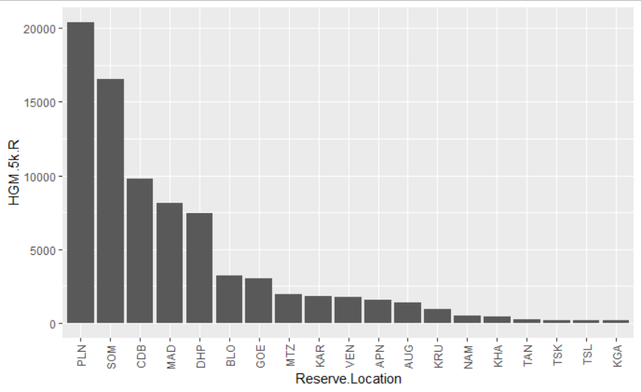
Appendix S2: Figure 1. Global Human Modification index (GHM) values for all reserves

