survey lenght
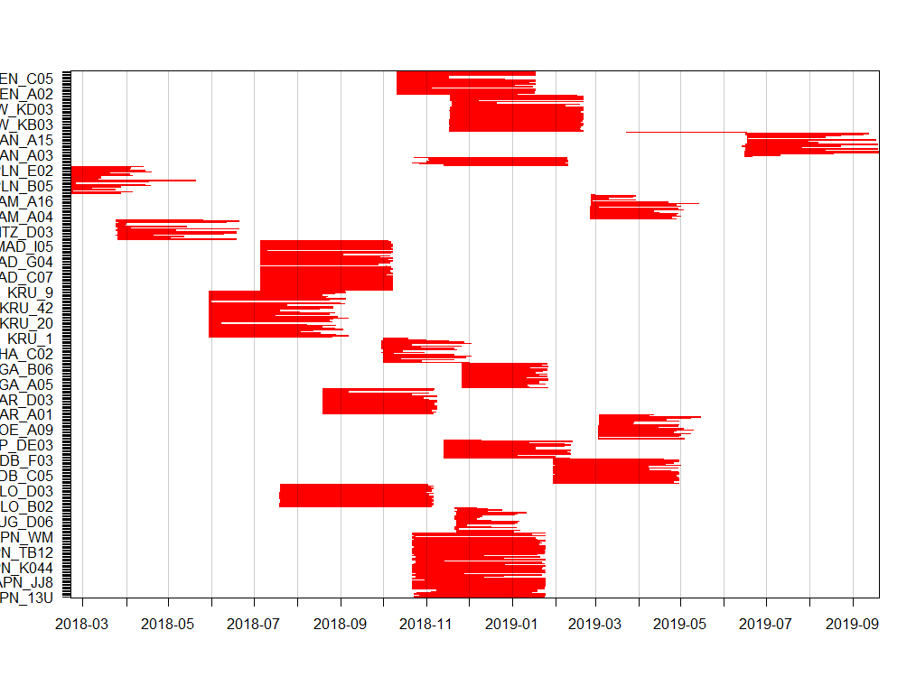
survey per each reserve

sp_records
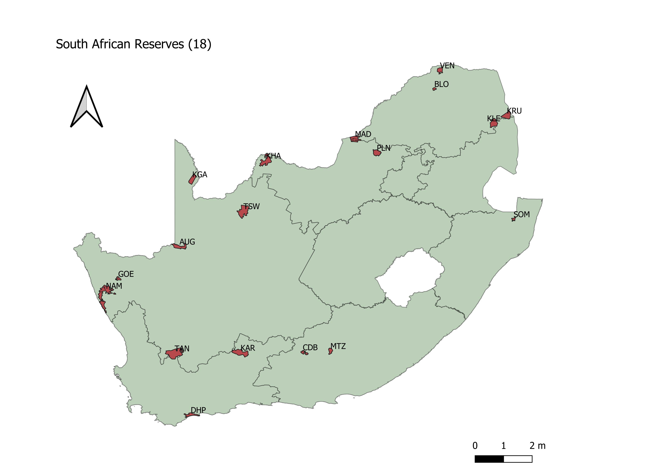
 |  |  |  |  | 73 species in total
 | Reserve.Location | sites | No_spp | events
1 | APN | 43 | 30 | 3213 |  |  | Common.Name | events
2 | AUG | 20 | 18 | 277 |  | 1 | aardvarkantbear | 103
3 | BLO | 18 | 31 | 3626 |  | 2 | aardwolf | 58
4 | CDB | 20 | 25 | 1568 |  | 3 | baboon | 938
5 | DHP | 13 | 13 | 204 |  | 4 | blesbok | 162
6 | GOE | 19 | 13 | 321 |  | 5 | bontebok | 73
7 | KAR | 20 | 19 | 558 |  | 6 | buffalo | 242
8 | KGA | 20 | 25 | 538 |  | 7 | bushbuck | 100
9 | KHA | 20 | 25 | 469 |  | 8 | bushpig | 41
10 | KRU | 37 | 36 | 1604 |  | 9 | caracal | 40
11 | MAD | 40 | 40 | 2531 |  | 10 | catafricanwild | 44
12 | MTZ | 16 | 35 | 751 |  | 11 | catblackfooted | 1
13 | NAM | 19 | 18 | 409 |  | 12 | cheetah | 12
14 | PLN | 22 | 37 | 927 |  | 13 | civet | 79
15 | SOM | 7 | 25 | 682 |  | 14 | duikercommon | 797
16 | TAN | 18 | 13 | 132 |  | 15 | eland | 420
17 | TSW | 29 | 36 | 2066 |  | 16 | elephant | 1040
18 | VEN | 19 | 36 | 1242 |  | 17 | fallowdeer | 1
 |  |  |  |  |  | 18 | foxbateared | 88
 |  |  |  |  |  | 19 | foxcape | 45
 |  |  |  |  |  | 20 | gemsbokoryx | 1412
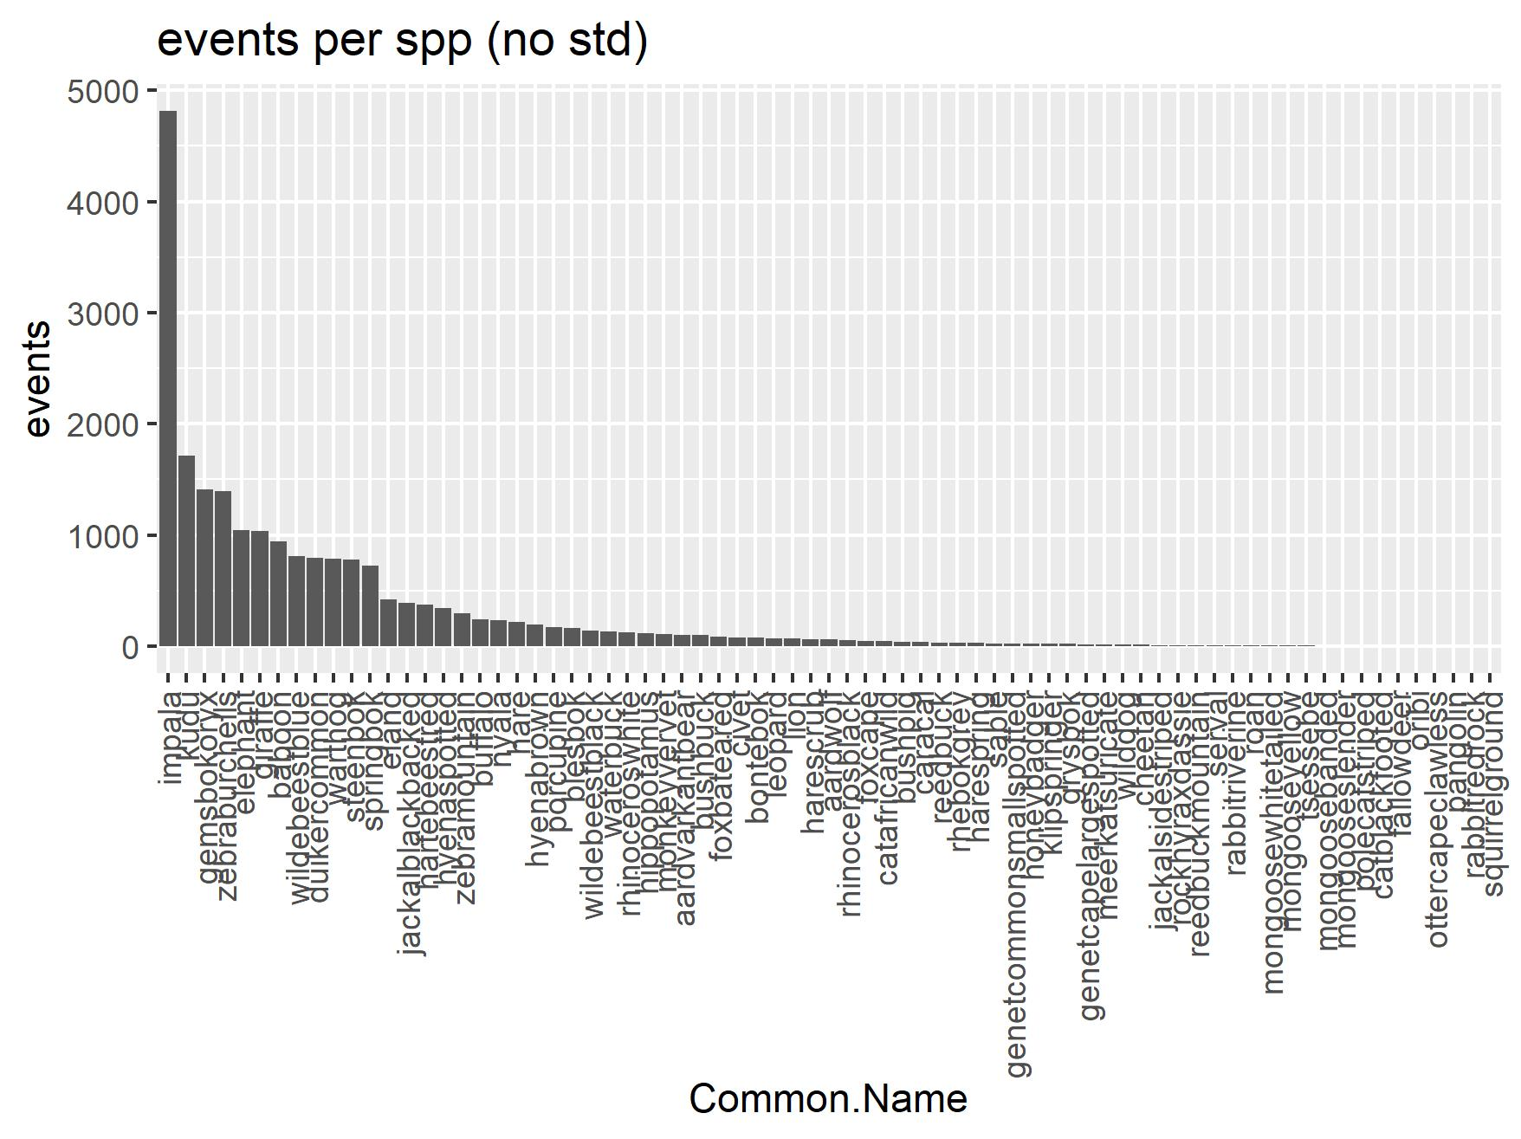
 |  |  |  |  |  | 21 | genetcapelargespotted | 15
 |  |  |  |  |  | 22 | genetcommonsmallspotted | 23
 |  |  |  |  |  | 23 | giraffe | 1034
 |  |  |  |  |  | 24 | grysbok | 20
 |  |  |  |  |  | 25 | hare | 216
 |  |  |  |  |  | 26 | harescrub | 60
 |  |  |  |  |  | 27 | harespring | 26
 |  |  |  |  |  | 28 | hartebeestred | 370
 |  |  |  |  |  | 29 | hippopotamus | 117
 |  |  |  |  |  | 30 | honeybadger | 23
 |  |  |  |  |  | 31 | hyenabrown | 191
 |  |  |  |  |  | 32 | hyenaspotted | 344
 |  |  |  |  |  | 33 | impala | 4815
 |  |  |  |  |  | 34 | jackalblackbacked | 385
 |  |  |  |  |  | 35 | jackalsidestriped | 10
 |  |  |  |  |  | 36 | klipspringer | 22
 |  |  |  |  |  | 37 | kudu | 1710
 |  |  |  |  |  | 38 | leopard | 67
 |  |  |  |  |  | 39 | lion | 66
 |  |  |  |  |  | 40 | meerkatsuricate | 14
 |  |  |  |  |  | 41 | mongoosebanded | 2
 |  |  |  |  |  | 42 | mongooseslender | 2
 |  |  |  |  |  | 43 | mongoosewhitetailed | 5
 |  |  |  |  |  | 44 | mongooseyellow | 3
 |  |  |  |  |  | 45 | monkeyvervet | 106
 |  |  |  |  |  | 46 | nyala | 230
 |  |  |  |  |  | 47 | oribi | 1
 |  |  |  |  |  | 48 | ottercapeclawless | 1
 |  |  |  |  |  | 49 | pangolin | 1
 |  |  |  |  |  | 50 | polecatstriped | 2
 |  |  |  |  |  | 51 | porcupine | 168
 |  |  |  |  |  | 52 | rabbitredrock | 1
 |  |  |  |  |  | 53 | rabbitriverine | 7
 |  |  |  |  |  | 54 | reedbuck | 29
 |  |  |  |  |  | 55 | reedbuckmountain | 8
 |  |  |  |  |  | 56 | rhebokgrey | 28
 |  |  |  |  |  | 57 | rhinocerosblack | 55
 |  |  |  |  |  | 58 | rhinoceroswhite | 122
 |  |  |  |  |  | 59 | roan | 7
 |  |  |  |  |  | 60 | rockhyraxdassie | 9
 |  |  |  |  |  | 61 | sable | 24
 |  |  |  |  |  | 62 | serval | 8
 |  |  |  |  |  | 63 | springbok | 727
 |  |  |  |  |  | 64 | squirrelground | 1
 |  |  |  |  |  | 65 | steenbok | 775
 |  |  |  |  |  | 66 | tsessebe | 3
 |  |  |  |  |  | 67 | warthog | 786
 |  |  |  |  |  | 68 | waterbuck | 131
 |  |  |  |  |  | 69 | wilddog | 13
 |  |  |  |  |  | 70 | wildebeestblack | 141
 |  |  |  |  |  | 71 | wildebeestblue | 813
 |  |  |  |  |  | 72 | zebraburchells | 1393
 |  |  |  |  |  | 73 | zebramountain | 292

covars
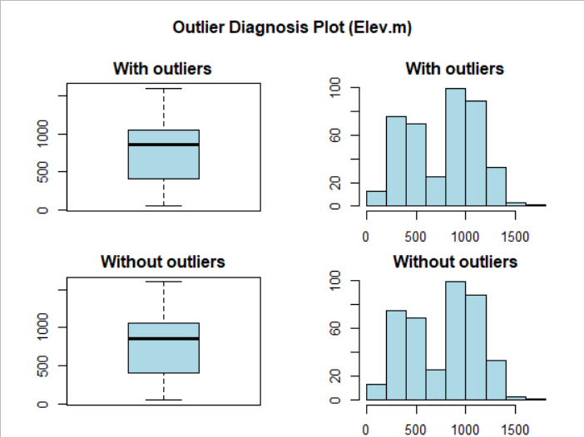
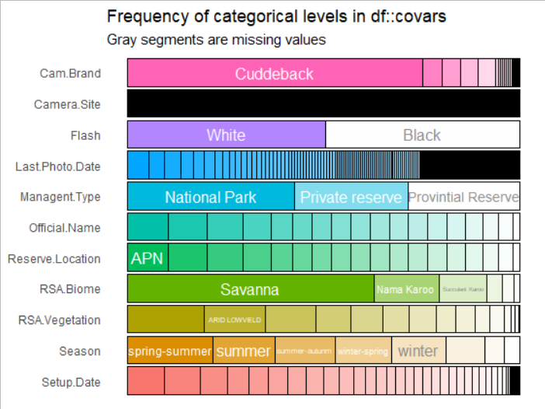
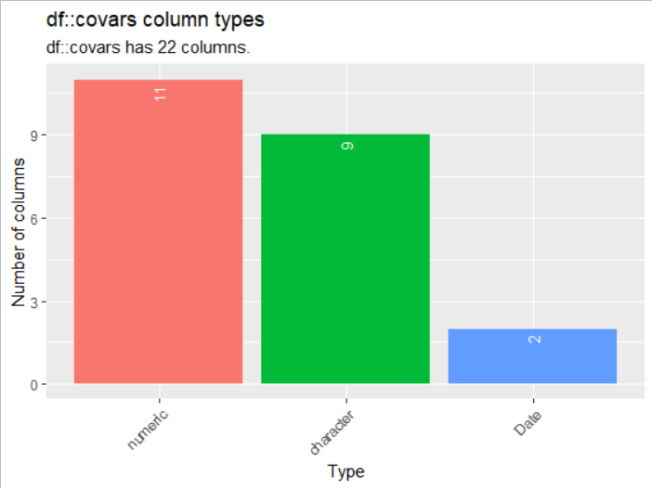

 |  | *careful with scale and outliers

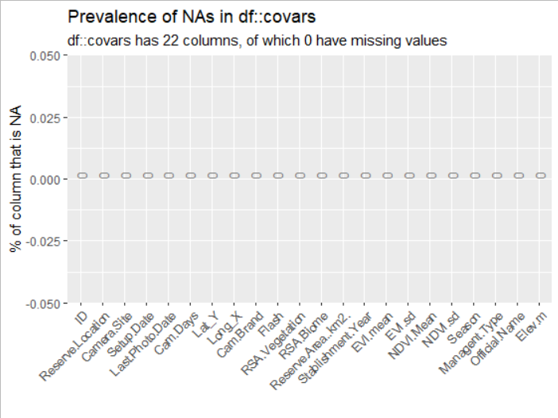
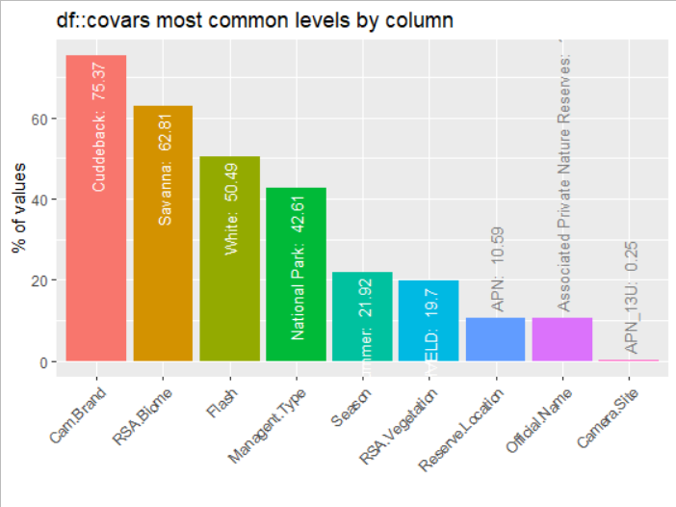

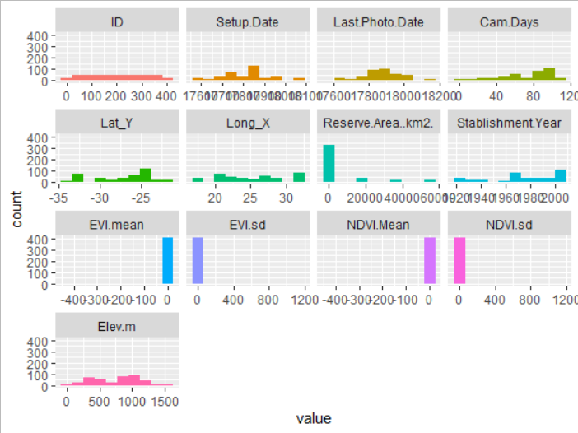
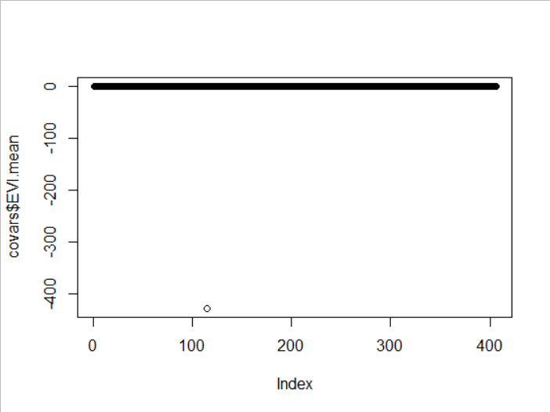
CAREFUL OUTLIER GET RID OF IT!
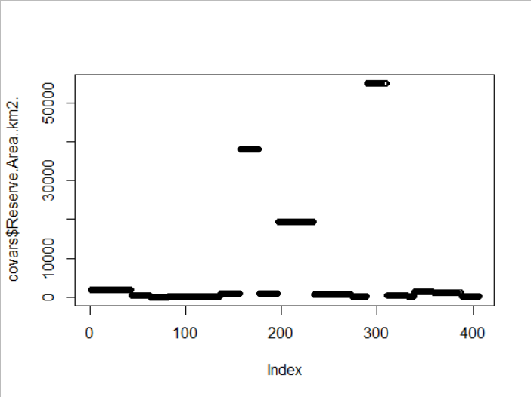
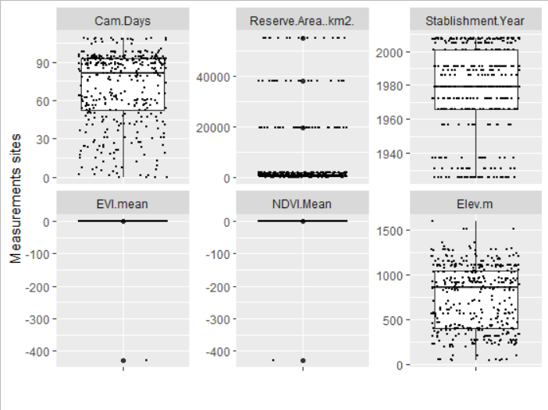

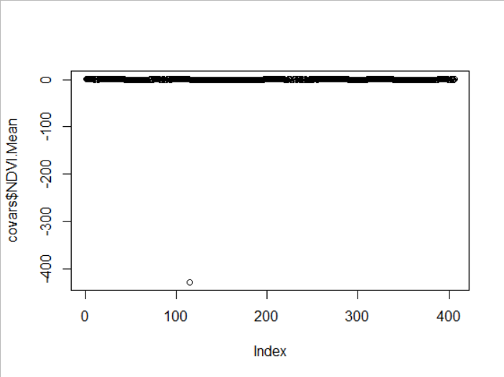
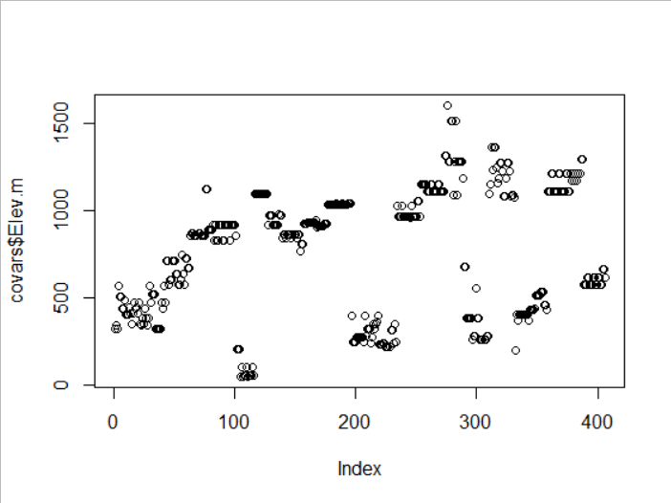

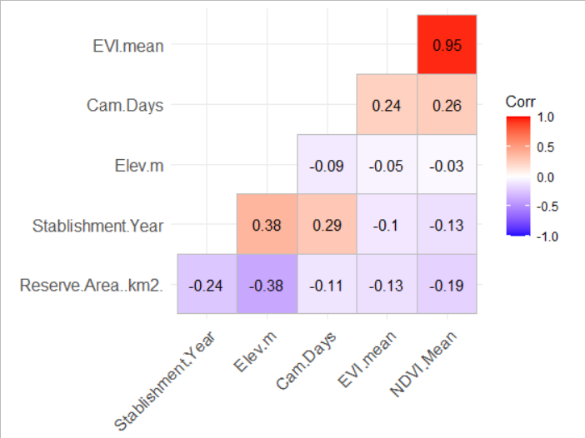
Variance inflation factors

GVIF
Cam.Days 1.154560e+00
Reserve.Area..km2. 1.277149e+00
Stablishment.Year 1.236655e+00
EVI.mean 1.194913e+05
NDVI.Mean 1.194733e+05
Elev.m 1.237558e+00

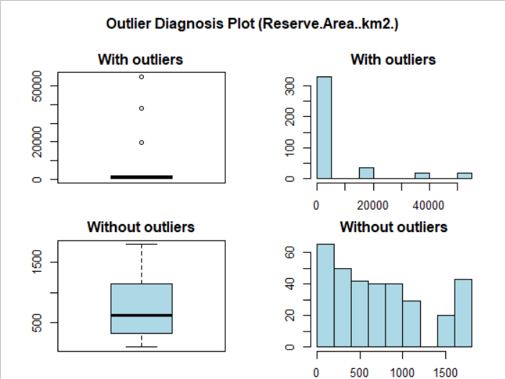
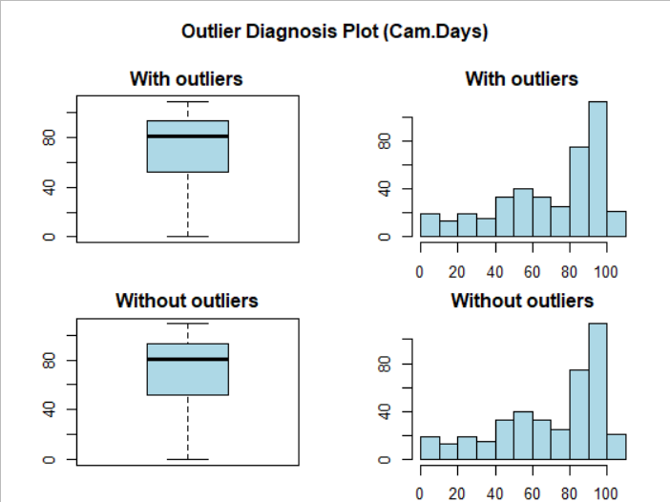

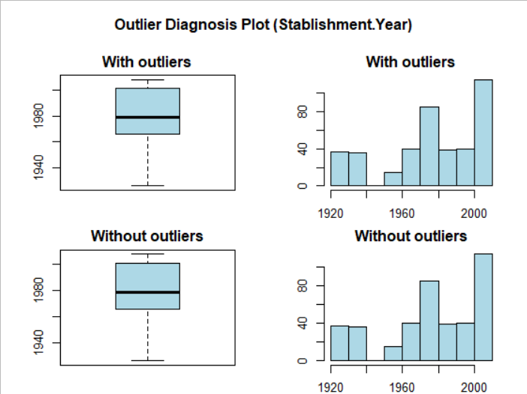
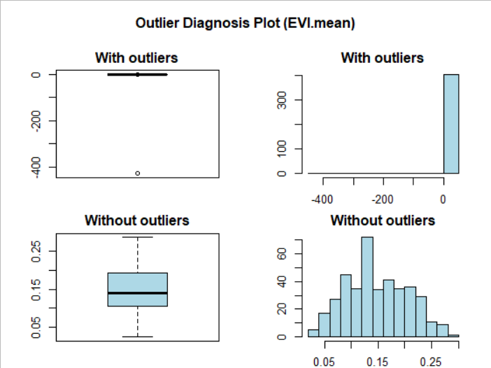

 | The problem is DHP_DE05

