Item - 1
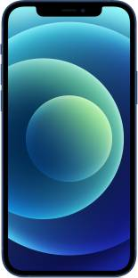
Product Name | APPLE iPhone 12 (Blue, 128 GB)
Product MRP | ₹70,900
Price on Flipkart | ₹60,249
Link | Product Link
Product Details

128 GB ROM
15.49 cm (6.1 inch) Super Retina XDR Display
12MP + 12MP | 12MP Front Camera
A14 Bionic Chip with Next Generation Neural Engine Processor
Ceramic Shield
Industry-leading IP68 Water Resistance
All Screen OLED Display
12MP TrueDepth Front Camera with Night Mode, 4K Dolby Vision HDR Recording
Brand Warranty for 1 Year

Item - 2
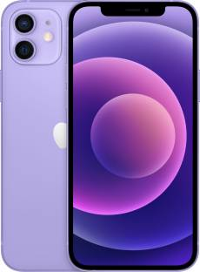
Product Name | APPLE iPhone 12 (Purple, 64 GB)
Product MRP | ₹65,900
Price on Flipkart | ₹53,999
Link | Product Link
Product Details

64 GB ROM
15.49 cm (6.1 inch) Super Retina XDR Display
12MP + 12MP | 12MP Front Camera
A14 Bionic Chip with Next Generation Neural Engine Processor
Ceramic Shield
Industry-leading IP68 Water Resistance
All Screen OLED Display
12MP TrueDepth Front Camera with Night Mode, 4K Dolby Vision HDR Recording
Brand Warranty for 1 Year

Item - 4
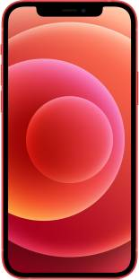
Product Name | APPLE iPhone 12 (Red, 128 GB)
Product MRP | ₹70,900
Price on Flipkart | ₹60,249
Link | Product Link
Product Details

128 GB ROM
15.49 cm (6.1 inch) Super Retina XDR Display
12MP + 12MP | 12MP Front Camera
A14 Bionic Chip with Next Generation Neural Engine Processor
Ceramic Shield
Industry-leading IP68 Water Resistance
All Screen OLED Display
12MP TrueDepth Front Camera with Night Mode, 4K Dolby Vision HDR Recording
Brand Warranty for 1 Year

Item - 5
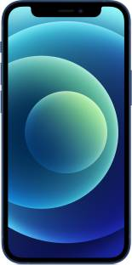
Product Name | APPLE iPhone 12 Mini (Blue, 64 GB)
Product MRP | ₹59,900
Price on Flipkart | ₹42,099
Link | Product Link
Product Details

64 GB ROM
13.72 cm (5.4 inch) Super Retina XDR Display
12MP + 12MP | 12MP Front Camera
A14 Bionic Chip with Next Generation Neural Engine Processor
Ceramic Shield
Industry-leading IP68 Water Resistance
All Screen OLED Display
12MP TrueDepth Front Camera with Night Mode, 4K Dolby Vision HDR Recording
Brand Warranty for 1 Year

Item - 6
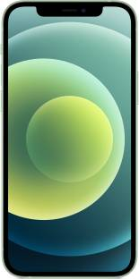
Product Name | APPLE iPhone 12 (Green, 64 GB)
Product MRP | ₹65,900
Price on Flipkart | ₹53,999
Link | Product Link
Product Details

64 GB ROM
15.49 cm (6.1 inch) Super Retina XDR Display
12MP + 12MP | 12MP Front Camera
A14 Bionic Chip with Next Generation Neural Engine Processor
Ceramic Shield
Industry-leading IP68 Water Resistance
All Screen OLED Display
12MP TrueDepth Front Camera with Night Mode, 4K Dolby Vision HDR Recording
Brand Warranty for 1 Year

Item - 7
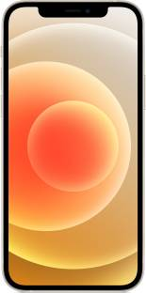
Product Name | APPLE iPhone 12 (White, 128 GB)
Product MRP | ₹70,900
Price on Flipkart | ₹60,249
Link | Product Link
Product Details

128 GB ROM
15.49 cm (6.1 inch) Super Retina XDR Display
12MP + 12MP | 12MP Front Camera
A14 Bionic Chip with Next Generation Neural Engine Processor
Ceramic Shield
Industry-leading IP68 Water Resistance
All Screen OLED Display
12MP TrueDepth Front Camera with Night Mode, 4K Dolby Vision HDR Recording
Brand Warranty for 1 Year

Item - 10
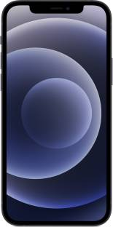
Product Name | APPLE iPhone 12 (Black, 64 GB)
Product MRP | ₹65,900
Price on Flipkart | ₹53,999
Link | Product Link
Product Details

64 GB ROM
15.49 cm (6.1 inch) Super Retina XDR Display
12MP + 12MP | 12MP Front Camera
A14 Bionic Chip with Next Generation Neural Engine Processor
Ceramic Shield
Industry-leading IP68 Water Resistance
All Screen OLED Display
12MP TrueDepth Front Camera with Night Mode, 4K Dolby Vision HDR Recording
Brand Warranty for 1 Year

Item - 13
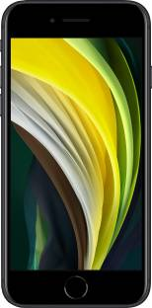
Product Name | APPLE iPhone SE (Black, 64 GB)
Product MRP | ₹39,900
Price on Flipkart | ₹30,099
Link | Product Link
Product Details

64 GB ROM
11.94 cm (4.7 inch) Retina HD Display
12MP Rear Camera | 7MP Front Camera
A13 Bionic Chip with 3rd Gen Neural Engine Processor
Water and Dust Resistant (1 meter for Upto 30 minutes, IP67)
Fast Charge Capable
Wireless charging (Works with Qi Chargers | Qi Chargers are Sold Separately
Brand Warranty of 1 Year

Item - 14
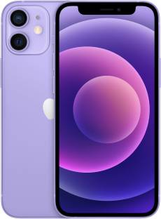
Product Name | APPLE iPhone 12 Mini (Purple, 128 GB)
Product MRP | ₹64,900
Price on Flipkart | ₹48,249
Link | Product Link
Product Details

128 GB ROM
13.72 cm (5.4 inch) Super Retina XDR Display
12MP + 12MP | 12MP Front Camera
A14 Bionic Chip with Next Generation Neural Engine Processor
Ceramic Shield
IP68 Water Resistance
All Screen OLED Display
Brand Warranty for 1 Year

Item - 22
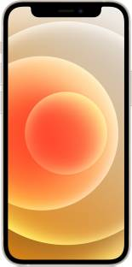
Product Name | APPLE iPhone 12 Mini (White, 64 GB)
Product MRP | ₹59,900
Price on Flipkart | ₹42,099
Link | Product Link
Product Details

64 GB ROM
13.72 cm (5.4 inch) Super Retina XDR Display
12MP + 12MP | 12MP Front Camera
A14 Bionic Chip with Next Generation Neural Engine Processor
Ceramic Shield
Industry-leading IP68 Water Resistance
All Screen OLED Display
12MP TrueDepth Front Camera with Night Mode, 4K Dolby Vision HDR Recording
Brand Warranty for 1 Year

Item - 23
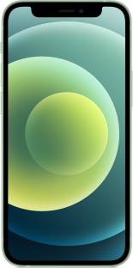
Product Name | APPLE iPhone 12 Mini (Green, 128 GB)
Product MRP | ₹64,900
Price on Flipkart | ₹48,249
Link | Product Link
Product Details

128 GB ROM
13.72 cm (5.4 inch) Super Retina XDR Display
12MP + 12MP | 12MP Front Camera
A14 Bionic Chip with Next Generation Neural Engine Processor
Ceramic Shield
Industry-leading IP68 Water Resistance
All Screen OLED Display
12MP TrueDepth Front Camera with Night Mode, 4K Dolby Vision HDR Recording
Brand Warranty for 1 Year

