Evaluate App
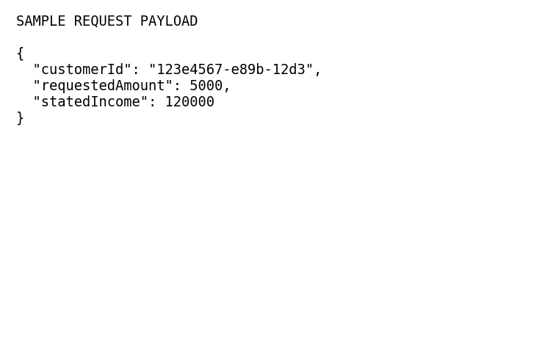
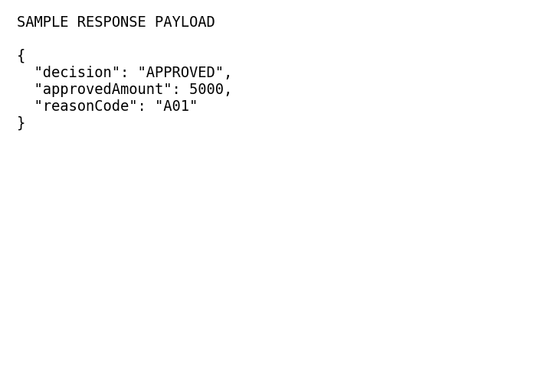
Endpoint Name: | Evaluate App
Method & Path: | [POST] /decisions/evaluate
Description: | Evaluates a CLI application via rules engine.

Field Key | Type | Required | Business Rule/Logic | Sample Value
customerId | UUID | Y | Lookup core profile | 123e4567-e89b-12d3
requestedAmount | Decimal | Y | Must be > current Limit | 5000.00
statedIncome | Decimal | Y | Must evaluate DTI < 40% | 120000.00

Sample Request: |  |  |  | Sample Response:

Manual Review Queue
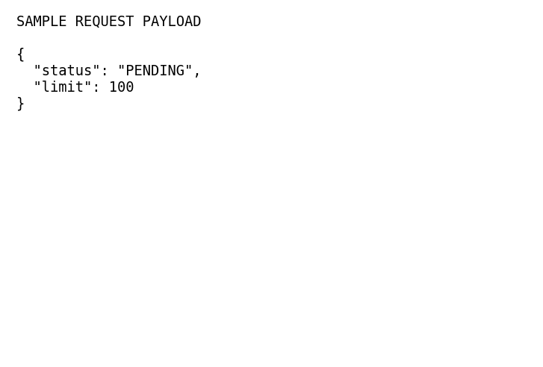
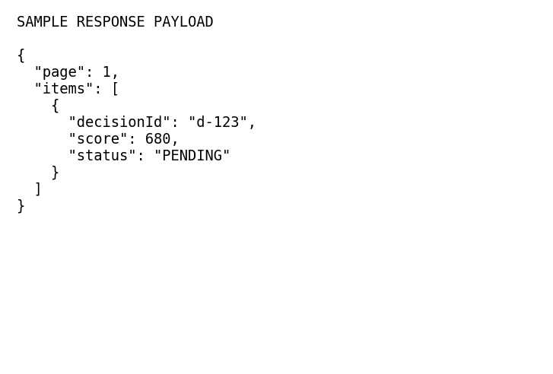
Endpoint Name: | Manual Review Queue
Method & Path: | [GET] /decisions/manual-review
Description: | Fetches apps routed to human underwriters.

Field Key | Type | Required | Business Rule/Logic | Sample Value
status | String | N | Filter by status: PENDING | PENDING
limit | Integer | N | Pagination logic | 100

Sample Request: |  |  |  | Sample Response:

Submit Manual Dec
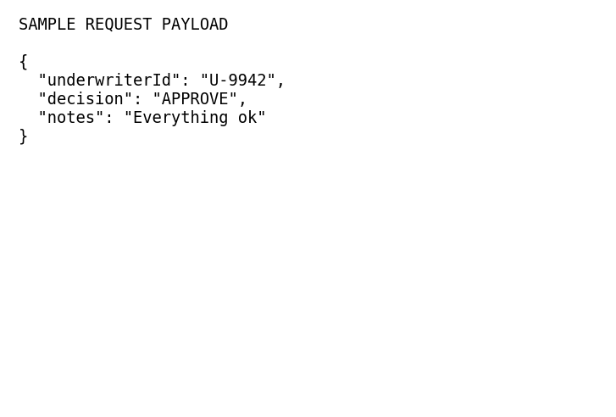
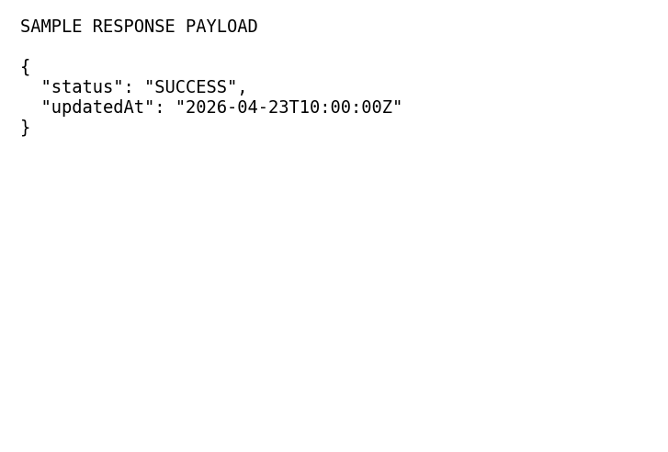
Endpoint Name: | Submit Manual Dec
Method & Path: | [POST] /decisions/manual-review
Description: | Human underwriter commits an override.

Field Key | Type | Required | Business Rule/Logic | Sample Value
underwriterId | String | Y | Must have correct RBAC role | U-9942
decision | String | Y | ENUM: APPROVE, DECLINE | APPROVE
notes | String | N | Audit trail reasoning | Verified paystub looks good

Sample Request: |  |  |  | Sample Response:

Admin Override
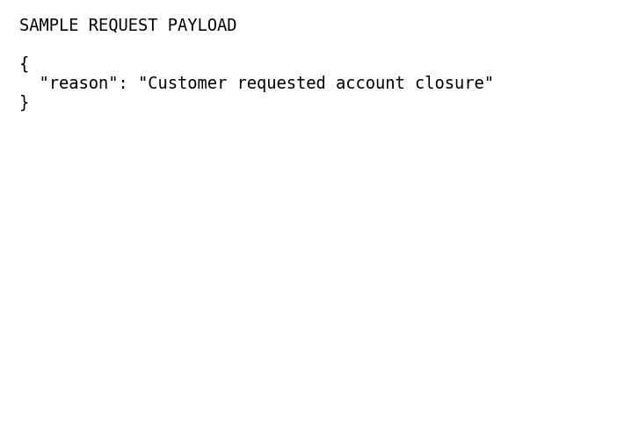
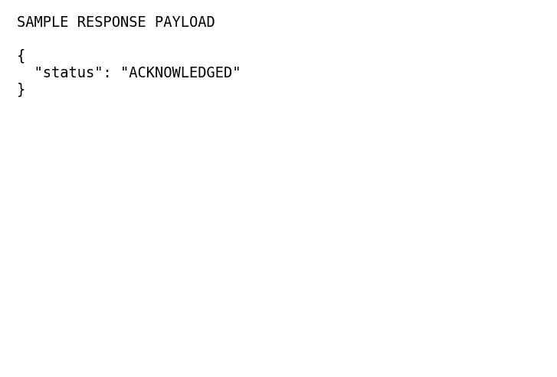
Endpoint Name: | Admin Override
Method & Path: | [POST] /decisions/{decisionId}/override
Description: | Admin ignores rules and forces a state.

Field Key | Type | Required | Business Rule/Logic | Sample Value
decisionId | UUID | Y | Must be valid in DB | d-84848
reason | String | Y | Required for compliance logs | Customer requested

Sample Request: |  |  |  | Sample Response:

