Curves_and_ROC

Train vs Test Loss (MLP Tc, Isp, C*)



ROC Curves (Isp, Tc, C*) with AUC

Paper_Figures_and_SHAP
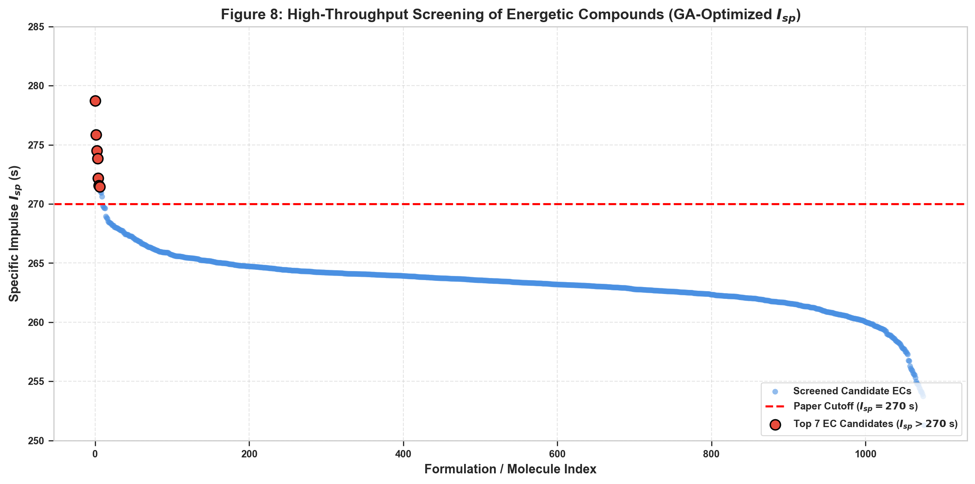
Figure 3: Dataset Distributions (Elements, EOF, MW, Target Distributions)

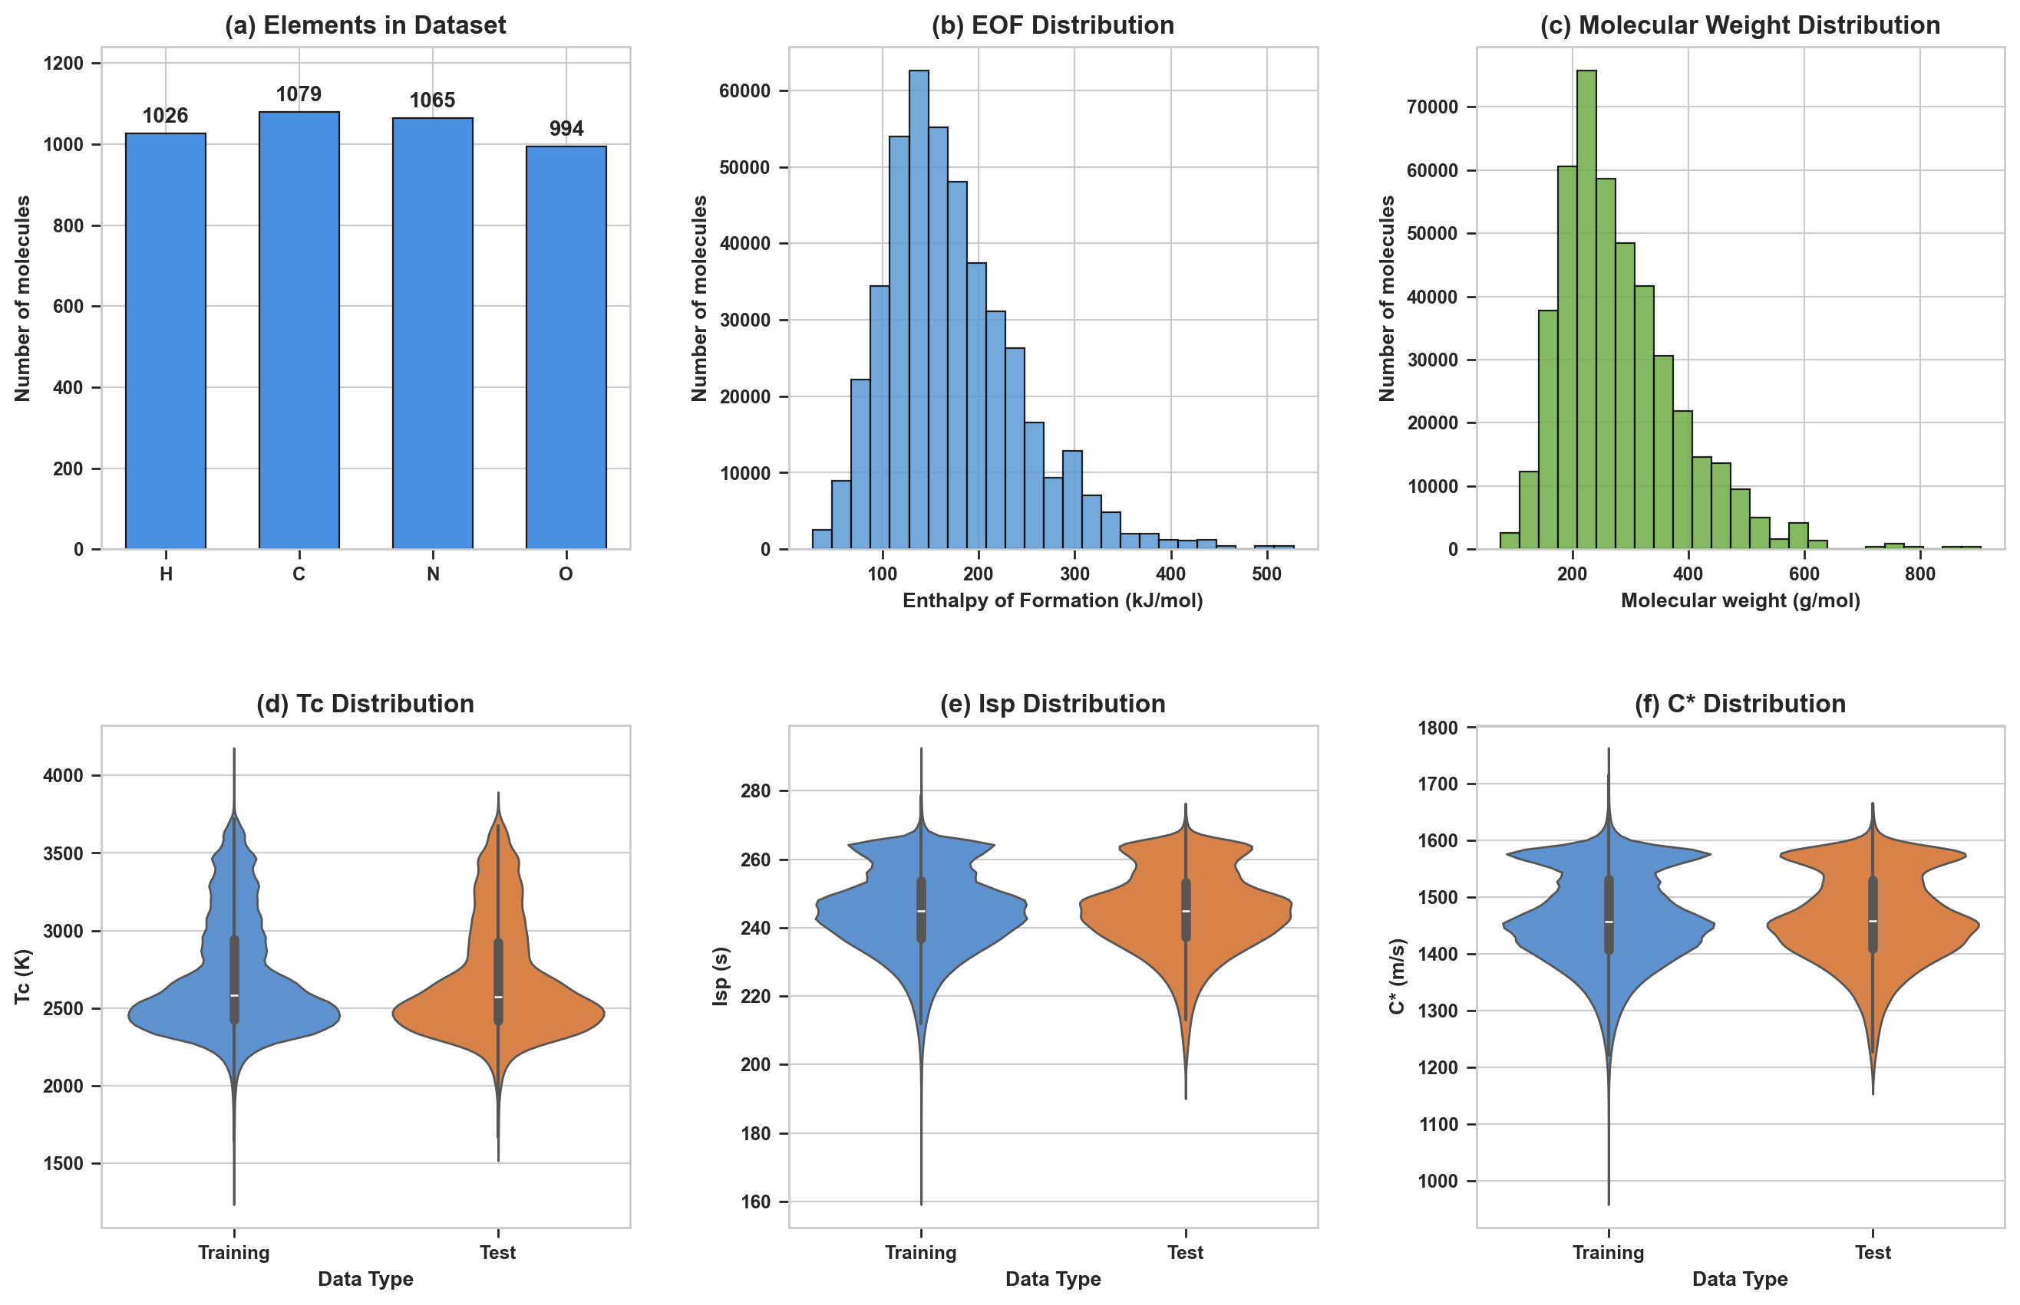

Figure 4: Model Performance Comparison (MLP vs AdaBoost, KNN, Ridge)



Figure 5: MLP Parity Scatter Plots & Deviation Histograms (Tc, Isp, C*)

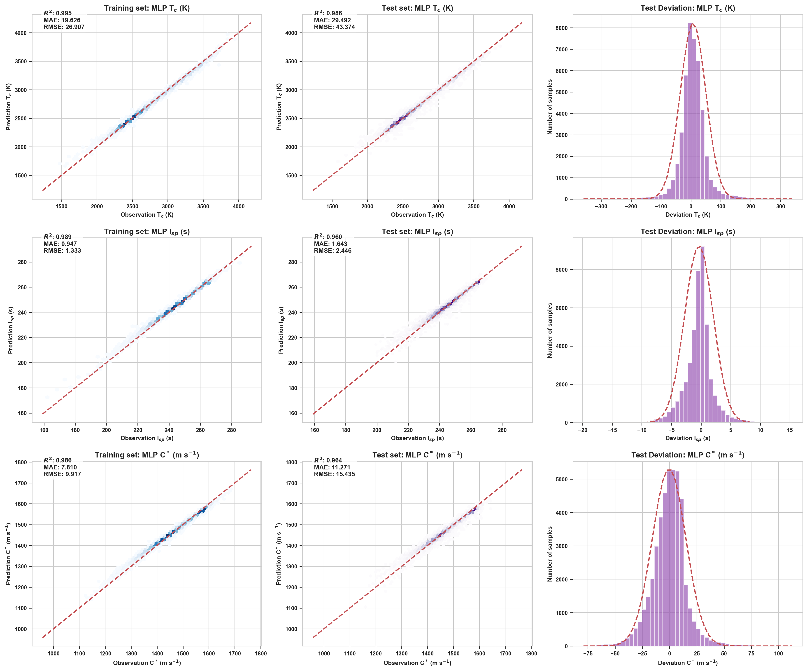

Figure 6: SHAP Interpretability Analysis & O/C Ratio Impact on Isp

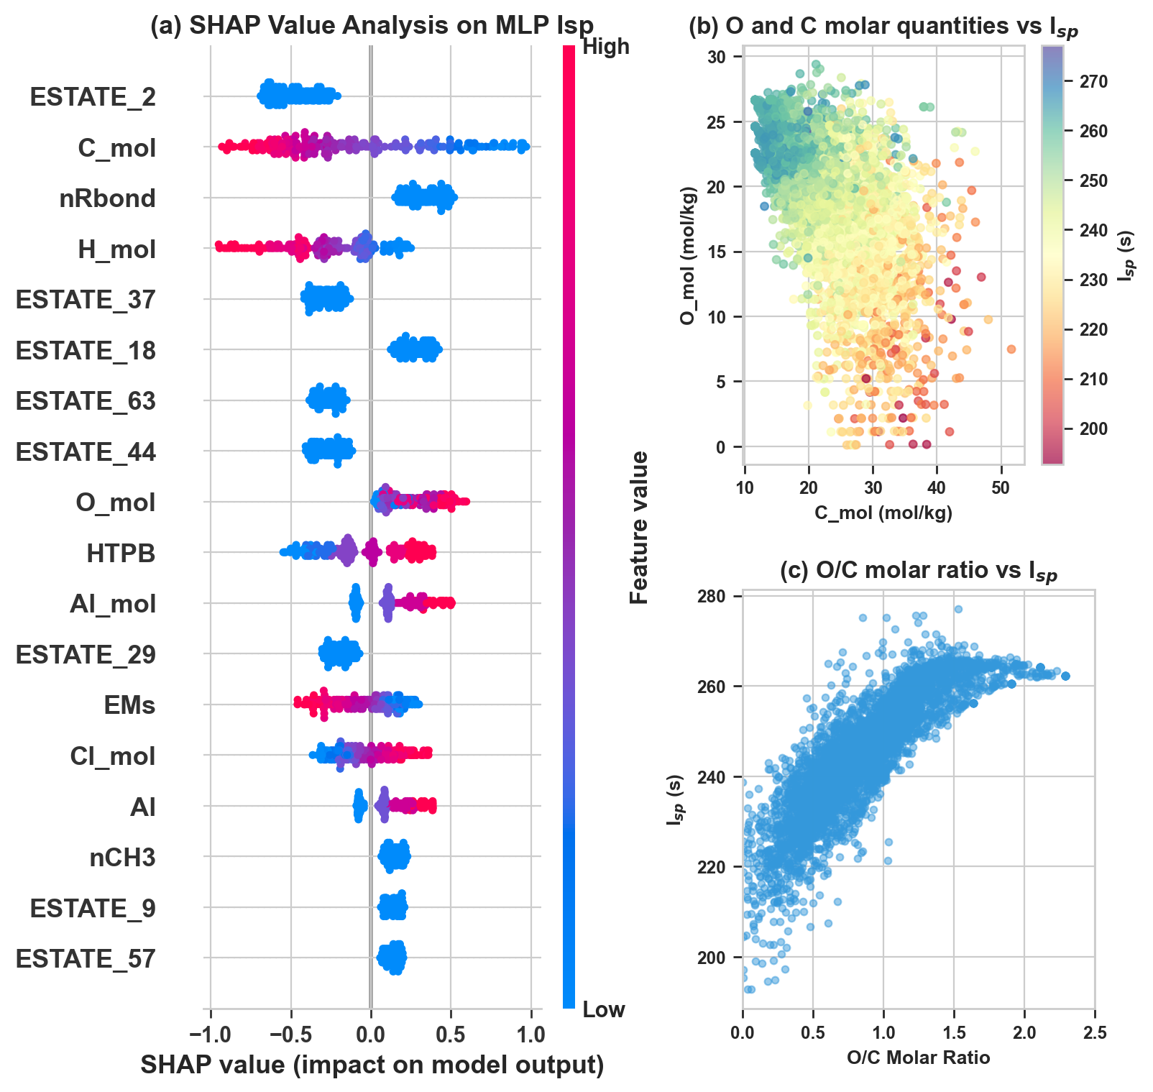

Figure 8: High-Throughput Energetic Compounds Screening Distribution

