Sheet1
UVM notes:

 | UVM objects
 |  | UVM SEQ ITEM
 |  |  | Declare data and control fileds.
 |  |  | Randomize, constraint the fileds
 |  |  | All the fields are registered to UVM_field_* macros to use UVM objects methods like copy, compare, pack, print, and etc.

 |  | UVM SEQ
 |  |  | This is a parameterized class.
 |  |  | We have a body task in this class.
 |  |  | Body task steps are below
 |  |  |  | {
 |  |  |  | Create the handle for sequence item.
 |  |  |  | instantiate the sequence item with type_id::create
 |  |  |  | wait_for_grant();
 |  |  |  | randomize the sequnce item.
 |  |  |  | send_request(seq_item_handle)
 |  |  |  | wait_for_tem_done();
 |  |  |  | }

 | UVM Components
 |  | UVM SEQR
 |  |  | This is a parameterized class.
 |  |  | construct the class with function new; No extra logic is needed

 |  | UVM Driver
 |  |  | This is also a parameterized class.
 |  |  | declare virtual interface.
 |  |  | main phases are build and run_phase
 |  |  | Buidl phase
 |  |  |  | {
 |  |  |  | Connect the interface to virtual interface by using config_db get method
 |  |  |  | }
 |  |  | run_phase
 |  |  |  | {
 |  |  |  | seq_item_port.get_next_item(seq_item_hndle)
 |  |  |  | DUT pin wiggling logic
 |  |  |  | seq_item_port.item_done()
 |  |  |  | }

 |  | UVM Monitor
 |  |  | Declare a virtual interface.
 |  |  | Main phases are build phase
 |  |  | Build Phase
 |  |  |  | {
 |  |  |  | connect the interface to virtual interface by using config_db get method
 |  |  |  | }
 |  |  | Opional code if any scoreboard exists
 |  |  |  | {
 |  |  |  | Declare analysis port
 |  |  |  | new handle for seq_item
 |  |  |  | sampling the interface signals in run_phase
 |  |  |  | }

 |  | UVM Agent
 |  |  | Declare seqr,driver and monitor handles
 |  |  | Main phases are build, connect.
 |  |  | Build phase:
 |  |  |  | {
 |  |  |  | instantiate seqr, driver and monitor by using type_id::create
 |  |  |  | }
 |  |  | Connect phase
 |  |  |  | {
 |  |  |  | connect the driver seq_item_port to sequencer seq_item_export.
 |  |  |  | This connection helps to communticate between driver and sequencer.
 |  |  |  | }

 |  | UVM Env
 |  |  | It’s a container class, it contains one or more agents, scoreboard and checker.
 |  |  | Decalre the agent
 |  |  | Main phases are build and connect phase
 |  |  | Build phase
 |  |  |  | {
 |  |  |  | instantiate the agent by using type_id::create
 |  |  |  | }
 |  |  | Connect phase
 |  |  |  | {
 |  |  |  | Optional: connecting monitor and scoreboard ports.
 |  |  |  | }

 |  | UVM Test
 |  |  | Declare env and sequence
 |  |  | Main phases are build and run_phase
 |  |  | Build phase
 |  |  |  | {
 |  |  |  | create env and sequence instances
 |  |  |  | }
 |  |  | Run phase
 |  |  |  | {
 |  |  |  | phase.raise_objection()
 |  |  |  | start the sequence…(Connecting seq and seqr here)
 |  |  |  | phase.drop_objection()
 |  |  |  | }

 | Testbench Top
 |  | tb_top
 |  |  | Dut instance
 |  |  | interface instance
 |  |  | run_test method in intial block
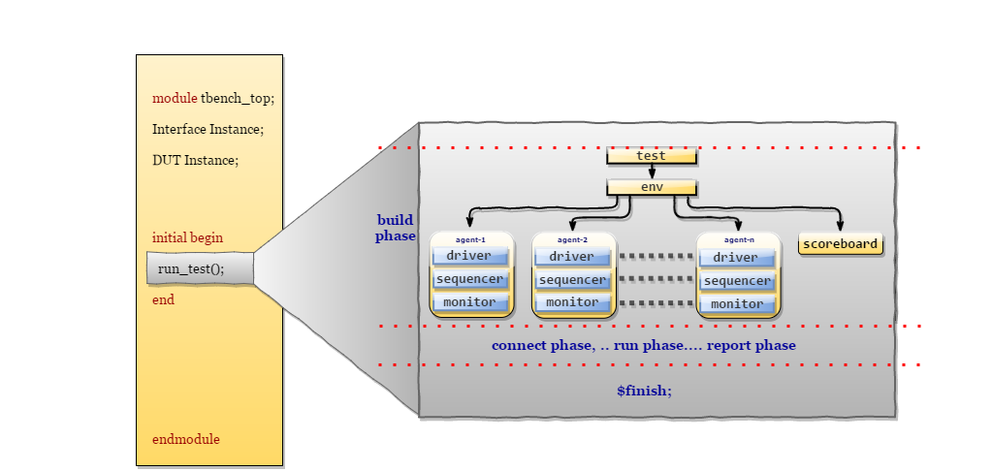
 |  |  | virtual interface config_db set method
 |  |  | clock and reset generation logic

