Sheet1
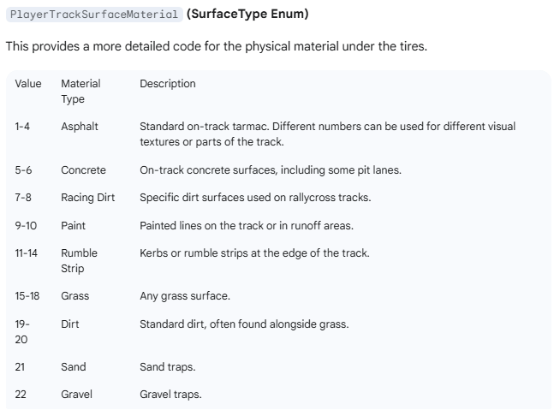
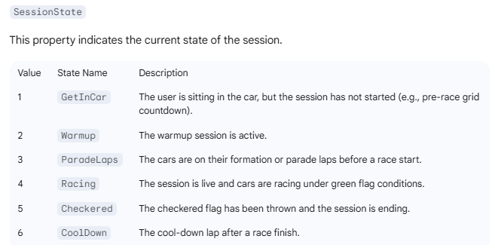
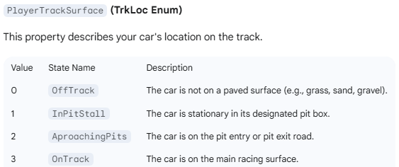
RACE SESSION |  | [DataCorePlugin.GameRawData.Telemetry.xxx] Simhub Properties |  |  |  |  |  | Custom Properties | RACE SESSION
Situation | Speed > 10 | SessionState | IsOnTrack | IsOnTrackCar | PlayerTrackSurface | PlayerTrackSurfaceMaterial | PlayerCarDriverIncidentCount | [LalaLaunch.IsDrivingNormally] | [DahlDesign.TrackEntry]
No Game, Simhub Startup | FALSE | 0 | NULL | FALSE | 0 | 0 | FALSE | FALSE | FALSE | TRUE
Sim Not Running | FALSE | 4 | NULL | FALSE | -1 | -1 | FALSE | FALSE | FALSE | FALSE
In Session, out of car | FALSE | 4 | NULL | FALSE | -1 | -1 | FALSE | FALSE | FALSE | NULL
In Pit box Ign Off | FALSE | 4 | TRUE | TRUE | 1 | 1 | FALSE | TRUE | FALSE
In Pit box Car Running | FALSE | 4 | TRUE | TRUE | 1 | 1 | FALSE | TRUE | FALSE
In Pil lane very slow | FALSE | 4 | TRUE | TRUE | 1 | 1 | FALSE | TRUE | FALSE
In Pit Lane on Limiter | TRUE | 4 | TRUE | TRUE | 2 | 1 | FALSE | TRUE | FALSE
Pit Exit (On pit road after pit line) | TRUE | 4 | TRUE | TRUE | 3 | 1 | FALSE | TRUE | TRUE
Race Standing Start Ready | TRUE | 2 | TRUE | TRUE | 3 | 1 | FALSE | TRUE | FALSE
On track centreline | TRUE | 4 | TRUE | TRUE | 3 | 1 | FALSE | TRUE | FALSE
On track edge (2 wheels over) | TRUE | 4 | TRUE | TRUE | 3 | 1 | FALSE | TRUE | FALSE
On curb or very edge | TRUE | 4 | TRUE | TRUE | 3 | 9 | TRUE | TRUE | TRUE
Off track grass 4 wheels | TRUE | 4 | TRUE | TRUE | 0 | 15 | TRUE | TRUE | TRUE
Off track asphalt | TRUE | 4 | TRUE | TRUE | 0 | 1 | TRUE | TRUE | TRUE
Off track gravel wheels | TRUE | 4 | TRUE | TRUE | 0 | 24 | TRUE | TRUE | FALSE
On track centreline stopped | FALSE | 4 | TRUE | TRUE | 3 | 1 | FALSE | FALSE | TRUE
On track centreline stopped 90 degres off | FALSE | 4 | TRUE | TRUE | 3 | 1 | TRUE | FALSE | TRUE
On track centreline stopped backwards | FALSE | 4 | TRUE | TRUE | 3 | 1 | TRUE | FALSE | TRUE
Pit Entry | TRUE | 4 | TRUE | TRUE | 3 | 1 | FALSE | FALSE | FALSE
Out of Car | TRUE | 4 | FALSE | TRUE | 1 | 1 | FALSE | TRUE | FALSE
Exit Sim | TRUE | 4 | FALSE | TRUE | 1 | 1 | FALSE | TRUE | FALSE

Defaults: | 0

Sheet2
REASON (in order of priority) | ALERT | REASON | CONDITIONS | RECOVERY
Plugin Option not selected on specific MsgDash or LalaDash | OFF | SETTING | [LalaLaunch.MsgDashShowRejoinAssist]..[LalaLaunch.LalaDashShowRejoinAssist]
Not in Car | OFF | NOT IN CAR | [IsOnTrack]=false |  | SETTING
In Pit Box or Pit Lane | OFF | PIT | [IsInPitLane]=true |  | NOT IN CAR
In Offline Practice (no other cars!) | OFF | OFFLINE | [DataCorePlugin.GameData.SessionTypeName]= 'Offline Testing' |  | OFFLINE
On Grid | OFF | RACE START | [DataCorePlugin.GameRawData.Telemetry.SessionState]=1 |  | RACE START
Lights Ready | OFF | RACE START | [DataCorePlugin.GameRawData.Telemetry.SessionState]=1 OR [DataCorePlugin.GameRawData.Telemetry.SessionFlagsDetails.IsstartReady] |  | PIT
Lights Red | OFF | RACE START | [DataCorePlugin.GameRawData.Telemetry.SessionFlagsDetails.IsstartSet]=true |  | LAUNCH
Lights Green (Race Start) | OFF | RACE START | [DataCorePlugin.GameRawData.Telemetry.SessionFlagsDetails.IsstartGo]=true |  | MSG CX
Launch Mode Active | OFF | LAUNCH | [LalaLaunch.LaunchModeActive]=true |  | STOPPED
Pit Entry | OFF | PIT | As car is leaving track for pit entry (See how dahl does this) possibly [TrackSurface] changing from 3 to 2 |  | OFFTRACK
MsgCx Pressed | OFF | MSG CX | [LalaLaunch.MsgCxPressed] was pressed. Dash function: changed(20000,[LalaLaunch.MsgCxPressed]) | Alerts possible after 20 seconds | PIT EXIT
If none of above are active these lines below can bring on the Alert |  |  |  |  | SPIN
Car stopped but on track | ON | STOPPED | [Speed]<20kph and [DataCorePlugin.GameRawData.Telemetry.PlayerTrackSurfaceMaterial] <15 | Speed > 50 and 20s passed
Car off track | ON | OFFTRACK | High Speed and [DataCorePlugin.GameRawData.Telemetry.PlayerTrackSurfaceMaterial] >14 for 2s | [DataCorePlugin.GameRawData.Telemetry.PlayerTrackSurfaceMaterial] <15 Then Speed > 50 and 20s passed
Car off track | ON | OFFTRACK | [PlayerTrackSurface]=0 for 2s | [PlayerTrackSurface]>0 Then Speed > 50 and 20s passed
Pit Exit | ON | PIT EXIT | Between Limiter OFF line and track entry on to racing line (See how dahl does this) [PlayerTrackSurface] changes from 2 to 3 then wait 10 secs after exiting pit lane | 5s after entry onto full track
Other Ideas but need to find telemetry parameters for these…
Car Spinning | ON | SPIN | Yaw rate, all wheels locked for >1s, until other condition above happens. | Recovery when in other conditions above

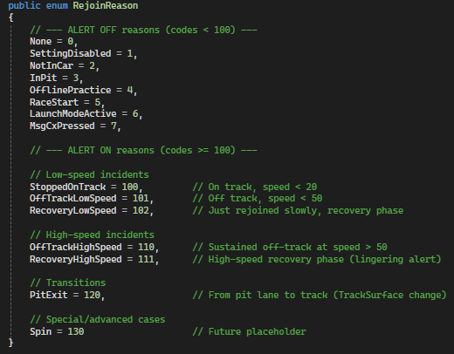

 |  |  |  | Above 50kph
 |  |  |  | Code 0 to Code 101 wait 3 seconds then show alert.
 |  |  |  | When return to Code 0 if still above 50kph no timer.

