Data
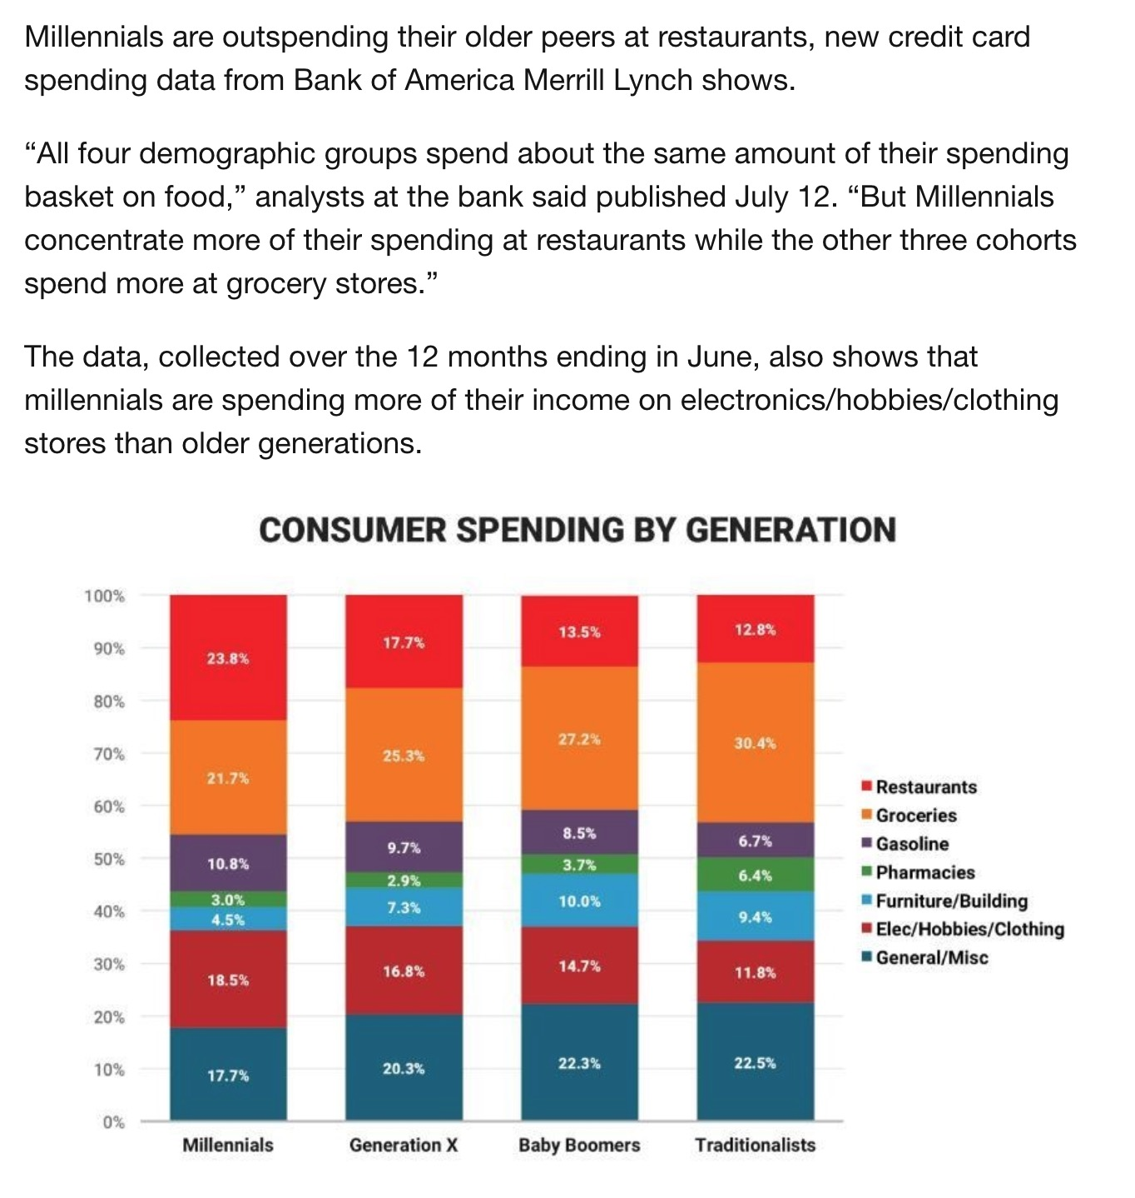
 | Restaurants | Groceries | Gasoline | Pharmacies | Furniture/Building | Elec/Hobbies/Clothing | General/Misc | https://www.weforum.org/agenda/2017/07/this-chart-reveals-a-huge-difference-in-how-millennials-and-their-parents-spend-money?utm_content=bufferaa902&utm_medium=social&utm_source=twitter.com&utm_campaign=buffer
Millennials | 23.8 | 21.7 | 10.8 | 3 | 4.5 | 18.5 | 17.7
Generation X | 17.7 | 25.3 | 9.7 | 2.9 | 7.3 | 16.8 | 20.3
Baby Boomers | 13.5 | 27.2 | 8.5 | 3.7 | 10 | 14.7 | 22.3
Traditionalists | 12.8 | 30.4 | 6.7 | 6.4 | 9.4 | 11.8 | 22.5

