TOTAL PERFORMANCE
Row Labels | Sum of Performance_Rating
Grand Total

TOTAL PERFORMANCE
 | Total
Grand Total

LOCATION
LOCATION | Sum of Salary
Chennai | 96969
Mumbai | 260871 | Sum of Salary | Column Labels
Pune | 387706 | LOCATION | Finance | HR | IT | Marketing | Operations | Sales
Delhi | 431874 | Chennai | 34658 |  |  |  |  | 62311
Hyderabad | 543176 | Mumbai |  | 78560 |  | 79825 | 102486
Bangalore | 822052 | Pune |  | 133008 | 116158 | 99595 |  | 38945
 | Finance | HR | IT | Marketing | Operations | Sales
Chennai | 34658 |  |  |  |  | 62311
Mumbai |  | 78560 |  | 79825 | 102486
Pune |  | 133008 | 116158 | 99595 |  | 38945
Delhi | 51742 |  | 37156 | 228023 |  | 114953
Hyderabad |  | 180374 | 71541 | 121165 | 36839 | 133257
Bangalore |  | 271259 | 113551 | 126774 | 234785 | 75683
 |  | Delhi | 51742 |  | 37156 | 228023 |  | 114953
 |  | Hyderabad |  | 180374 | 71541 | 121165 | 36839 | 133257
 |  | Bangalore |  | 271259 | 113551 | 126774 | 234785 | 75683

PERFORMANCE RATING
Sum of Performance_Rating | Column Labels
Row Labels | Finance | HR | IT | Marketing | Operations | Sales | Grand Total
EMP-0001 |  |  |  | 2.6 |  |  | 2.6
EMP-0002 |  | 2.6 |  |  |  |  | 2.6
EMP-0003 |  |  | 2.5 |  |  |  | 2.5
EMP-0004 |  |  |  |  |  | 3.5 | 3.5
EMP-0005 | 3.6 |  |  |  |  |  | 3.6
 | Finance | HR | IT | Marketing | Operations | Sales
EMP-0001 |  |  |  | 2.6
EMP-0002 |  | 2.6
EMP-0003 |  |  | 2.5
EMP-0004 |  |  |  |  |  | 3.5
EMP-0005 | 3.6
EMP-0006 |  |  |  |  |  | 2.9
EMP-0007 |  |  |  | 4.2
EMP-0008 |  |  |  | 2.8
EMP-0009 |  |  | 4
EMP-0010 |  |  |  | 3.6
EMP-0011 | 3.2
EMP-0012 |  |  | 3.4
EMP-0013 |  |  |  |  | 3.1
EMP-0014 |  |  |  |  | 3.3
EMP-0015 |  | 2.5
EMP-0016 |  |  | 4.8
EMP-0017 |  | 4.7
EMP-0018 |  | 2.7
EMP-0019 |  |  |  |  | 4.4
EMP-0020 |  | 3.8
EMP-0021 |  | 2.9
EMP-0022 |  | 4.3
EMP-0023 |  |  |  |  |  | 3.1
EMP-0024 |  |  |  |  |  | 2.9
EMP-0025 |  |  | 2.8
EMP-0026 |  |  |  |  |  | 3.9
EMP-0027 |  |  |  | 4.4
EMP-0028 |  |  |  | 2.6
EMP-0029 |  |  |  | 3.4
EMP-0030 |  |  |  |  | 3.3
EMP-0006 |  |  |  |  |  | 2.9 | 2.9
EMP-0007 |  |  |  | 4.2 |  |  | 4.2
EMP-0008 |  |  |  | 2.8 |  |  | 2.8
EMP-0009 |  |  | 4 |  |  |  | 4
EMP-0010 |  |  |  | 3.6 |  |  | 3.6
EMP-0011 | 3.2 |  |  |  |  |  | 3.2
EMP-0012 |  |  | 3.4 |  |  |  | 3.4
EMP-0013 |  |  |  |  | 3.1 |  | 3.1
EMP-0014 |  |  |  |  | 3.3 |  | 3.3
EMP-0015 |  | 2.5 |  |  |  |  | 2.5
EMP-0016 |  |  | 4.8 |  |  |  | 4.8
EMP-0017 |  | 4.7 |  |  |  |  | 4.7
EMP-0018 |  | 2.7 |  |  |  |  | 2.7
EMP-0019 |  |  |  |  | 4.4 |  | 4.4
EMP-0020 |  | 3.8 |  |  |  |  | 3.8
EMP-0021 |  | 2.9 |  |  |  |  | 2.9
EMP-0022 |  | 4.3 |  |  |  |  | 4.3
EMP-0023 |  |  |  |  |  | 3.1 | 3.1
EMP-0024 |  |  |  |  |  | 2.9 | 2.9
EMP-0025 |  |  | 2.8 |  |  |  | 2.8
EMP-0026 |  |  |  |  |  | 3.9 | 3.9
EMP-0027 |  |  |  | 4.4 |  |  | 4.4
EMP-0028 |  |  |  | 2.6 |  |  | 2.6
EMP-0029 |  |  |  | 3.4 |  |  | 3.4
EMP-0030 |  |  |  |  | 3.3 |  | 3.3
Grand Total | 6.8 | 23.5 | 17.5 | 23.6 | 14.1 | 16.3 | 101.8

COUNT ACTIVE
Row Labels | Count of Active
Employee_1 | 1
Employee_10 | 1
Employee_11 | 1
Employee_12 | 1
Employee_13 | 1
Employee_14 | 1
COUNT ACTIVE
Employee_15 | 1
Employee_16 | 1
Employee_17 | 1
Employee_18 | 1
Employee_19 | 1
Employee_2 | 1
Employee_20 | 1
Employee_21 | 1
Employee_22 | 1
Employee_23 | 1
Employee_24 | 1
Employee_25 | 1
Employee_26 | 1
Employee_27 | 1
Employee_28 | 1
Employee_29 | 1
Employee_3 | 1
Employee_30 | 1
Employee_4 | 1
Employee_5 | 1
Employee_6 | 1
Employee_7 | 1
Employee_8 | 1
Employee_9 | 1
Grand Total | 30

SALARY OF EMP
Row Labels | Sum of Salary | Sum of Performance_Rating
EMP-0001 | 81469 | 2.6
EMP-0002 | 133802 | 2.6
EMP-0003 | 37156 | 2.5
EMP-0004 | 38945 | 3.5
SALARY OF EMPLOYEES
EMP-0005 | 34658 | 3.6
EMP-0006 | 133257 | 2.9
EMP-0007 | 79825 | 4.2
EMP-0008 | 99595 | 2.8
EMP-0009 | 62307 | 4
EMP-0010 | 121697 | 3.6
EMP-0011 | 51742 | 3.2
EMP-0012 | 51244 | 3.4
EMP-0013 | 124793 | 3.1
EMP-0014 | 102486 | 3.3
EMP-0015 | 112277 | 2.5
EMP-0016 | 116158 | 4.8
EMP-0017 | 79588 | 4.7
EMP-0018 | 137457 | 2.7
EMP-0019 | 109992 | 4.4
EMP-0020 | 78560 | 3.8
EMP-0021 | 68097 | 2.9
EMP-0022 | 53420 | 4.3
EMP-0023 | 75683 | 3.1
EMP-0024 | 62311 | 2.9
EMP-0025 | 71541 | 2.8
EMP-0026 | 114953 | 3.9
EMP-0027 | 45305 | 4.4
EMP-0028 | 121165 | 2.6
EMP-0029 | 106326 | 3.4
EMP-0030 | 36839 | 3.3
Grand Total | 2542648 | 101.8

SALARY DASHBOARD
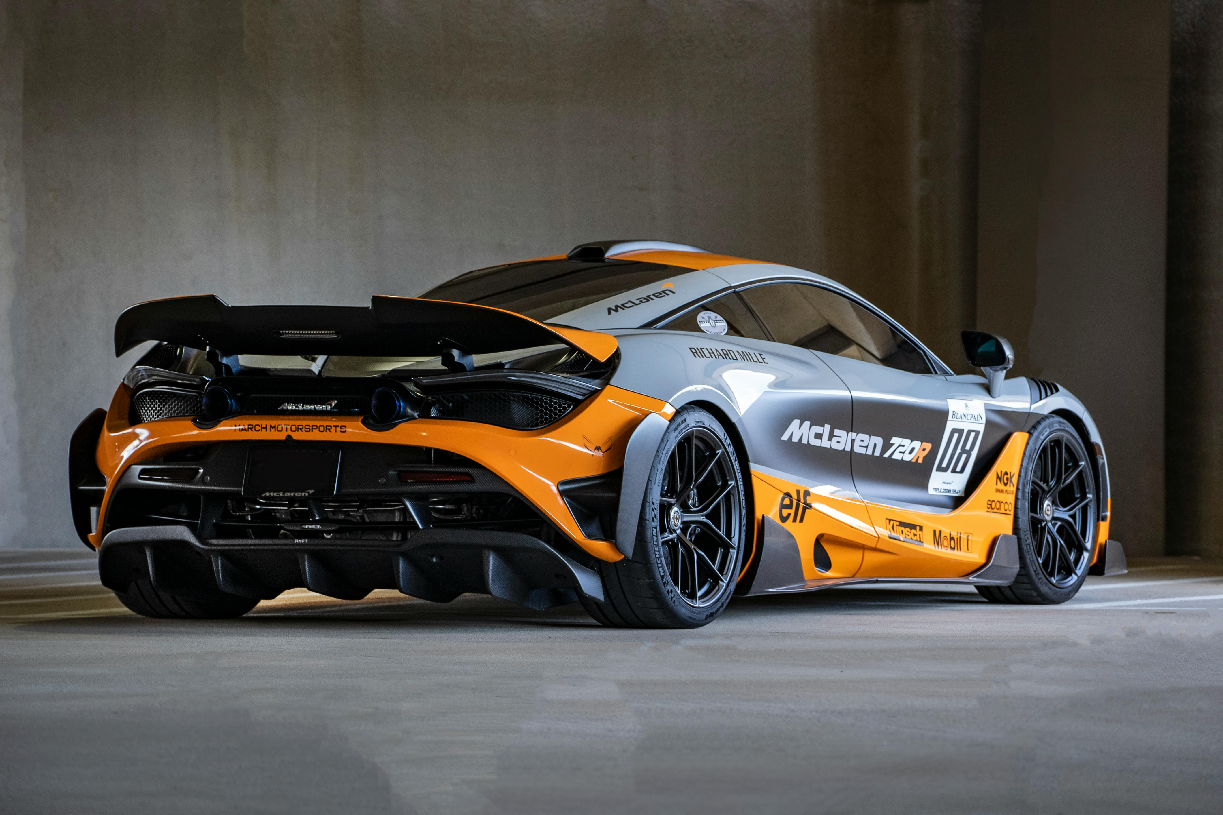

LALITH KRISH DASEBOARD

LALITH KRISH DASEBOARD

TOTAL PERFORMANCE
 | Total
Grand Total
 | Finance | HR | IT | Marketing | Operations | Sales
Chennai | 34658 |  |  |  |  | 62311
Mumbai |  | 78560 |  | 79825 | 102486
Pune |  | 133008 | 116158 | 99595 |  | 38945
Delhi | 51742 |  | 37156 | 228023 |  | 114953
Hyderabad |  | 180374 | 71541 | 121165 | 36839 | 133257
Bangalore |  | 271259 | 113551 | 126774 | 234785 | 75683

 | Finance | HR | IT | Marketing | Operations | Sales
Chennai | 34658 |  |  |  |  | 62311
Mumbai |  | 78560 |  | 79825 | 102486
Pune |  | 133008 | 116158 | 99595 |  | 38945
Delhi | 51742 |  | 37156 | 228023 |  | 114953
Hyderabad |  | 180374 | 71541 | 121165 | 36839 | 133257
Bangalore |  | 271259 | 113551 | 126774 | 234785 | 75683

TOTAL PERFORMANCE
 | Total
Grand Total

 | Finance | HR | IT | Marketing | Operations | Sales
EMP-0001 |  |  |  | 2.6
EMP-0002 |  | 2.6
EMP-0003 |  |  | 2.5
EMP-0004 |  |  |  |  |  | 3.5
EMP-0005 | 3.6
EMP-0006 |  |  |  |  |  | 2.9
EMP-0007 |  |  |  | 4.2
EMP-0008 |  |  |  | 2.8
EMP-0009 |  |  | 4
EMP-0010 |  |  |  | 3.6
EMP-0011 | 3.2
EMP-0012 |  |  | 3.4
EMP-0013 |  |  |  |  | 3.1
EMP-0014 |  |  |  |  | 3.3
EMP-0015 |  | 2.5
EMP-0016 |  |  | 4.8
EMP-0017 |  | 4.7
EMP-0018 |  | 2.7
EMP-0019 |  |  |  |  | 4.4
EMP-0020 |  | 3.8
EMP-0021 |  | 2.9
EMP-0022 |  | 4.3
EMP-0023 |  |  |  |  |  | 3.1
EMP-0024 |  |  |  |  |  | 2.9
EMP-0025 |  |  | 2.8
EMP-0026 |  |  |  |  |  | 3.9
EMP-0027 |  |  |  | 4.4
EMP-0028 |  |  |  | 2.6
EMP-0029 |  |  |  | 3.4
EMP-0030 |  |  |  |  | 3.3
COUNT ACTIVE
 | Total
Employee_1 | 1
Employee_10 | 1
Employee_11 | 1
Employee_12 | 1
Employee_13 | 1
Employee_14 | 1
Employee_15 | 1
Employee_16 | 1
Employee_17 | 1
Employee_18 | 1
Employee_19 | 1
Employee_2 | 1
Employee_20 | 1
Employee_21 | 1
Employee_22 | 1
Employee_23 | 1
Employee_24 | 1
Employee_25 | 1
Employee_26 | 1
Employee_27 | 1
Employee_28 | 1
Employee_29 | 1
Employee_3 | 1
Employee_30 | 1
Employee_4 | 1
Employee_5 | 1
Employee_6 | 1
Employee_7 | 1
Employee_8 | 1
Employee_9 | 1
L

SALARY OF EMPLOYEES
 | Sum of Salary | Sum of Performance_Rating
EMP-0001 | 81469 | 2.6
EMP-0002 | 133802 | 2.6
EMP-0003 | 37156 | 2.5
EMP-0004 | 38945 | 3.5
EMP-0005 | 34658 | 3.6
EMP-0006 | 133257 | 2.9
EMP-0007 | 79825 | 4.2
EMP-0008 | 99595 | 2.8
EMP-0009 | 62307 | 4
EMP-0010 | 121697 | 3.6
EMP-0011 | 51742 | 3.2
EMP-0012 | 51244 | 3.4
EMP-0013 | 124793 | 3.1
EMP-0014 | 102486 | 3.3
EMP-0015 | 112277 | 2.5
EMP-0016 | 116158 | 4.8
EMP-0017 | 79588 | 4.7
EMP-0018 | 137457 | 2.7
EMP-0019 | 109992 | 4.4
EMP-0020 | 78560 | 3.8
EMP-0021 | 68097 | 2.9
EMP-0022 | 53420 | 4.3
EMP-0023 | 75683 | 3.1
EMP-0024 | 62311 | 2.9
EMP-0025 | 71541 | 2.8
EMP-0026 | 114953 | 3.9
EMP-0027 | 45305 | 4.4
EMP-0028 | 121165 | 2.6
EMP-0029 | 106326 | 3.4
EMP-0030 | 36839 | 3.3

