Train-80_Test-20_Randomstate-16
Pipeline | Solvers max_iter = 10000 penalty = L2 | liblinear |  |  |  | lbfgs |  |  |  | newton-cg |  |  |  | newton-cholesky |  |  |  | sag |  |  |  | saga
 | Number of Features | Train |  | Test |  | Train |  | Test |  | Train |  | Test |  | Train |  | Test |  | Train |  | Test |  | Train |  | Test
 |  | Accuracy | ROC Curve and AUC plot | Accuracy | ROC Curve and AUC plot | Accuracy | ROC Curve and AUC plot | Accuracy | ROC Curve and AUC plot | Accuracy | ROC Curve and AUC plot | Accuracy | ROC Curve and AUC plot | Accuracy | ROC Curve and AUC plot | Accuracy | ROC Curve and AUC plot | Accuracy | ROC Curve and AUC plot | Accuracy | ROC Curve and AUC plot | Accuracy | ROC Curve and AUC plot | Accuracy | ROC Curve and AUC plot
Input -> Logistic -> Output |  | 0.67459324155 | 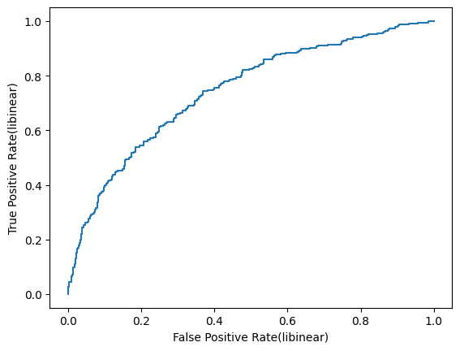 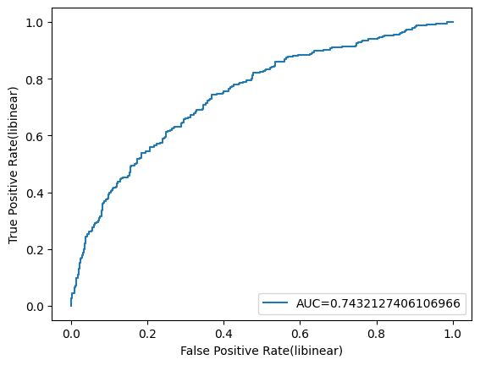 | 0.615 | 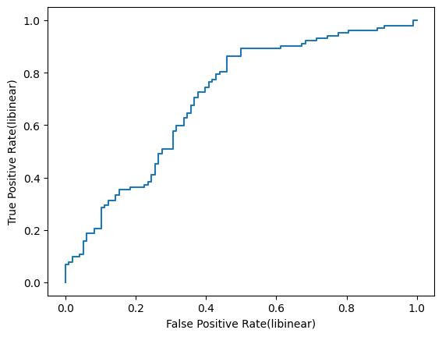 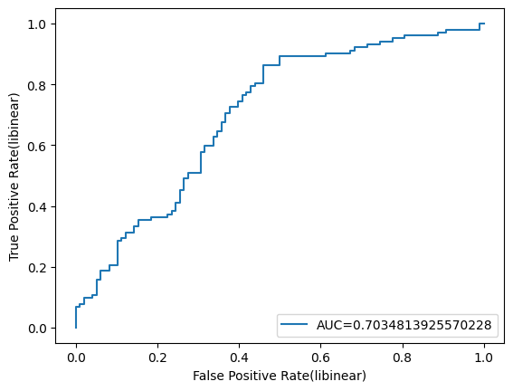 | 0.67709637046 | 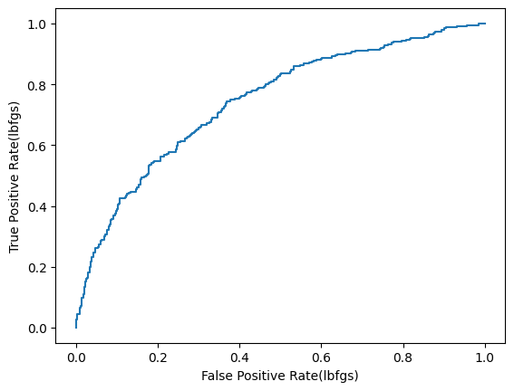 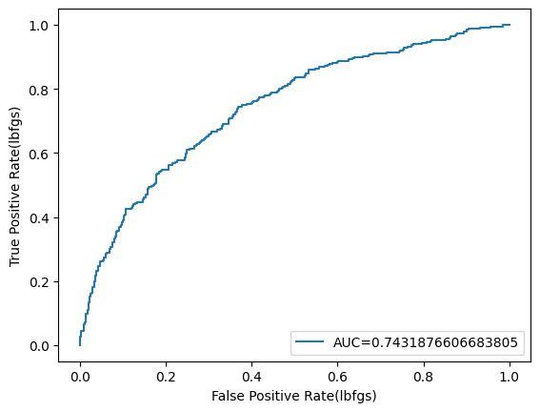 | 0.615 | 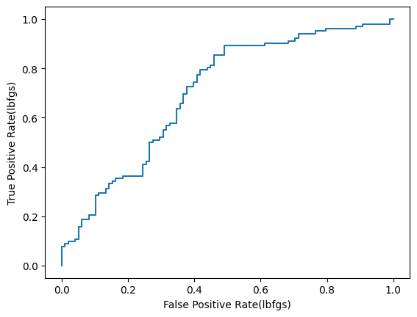 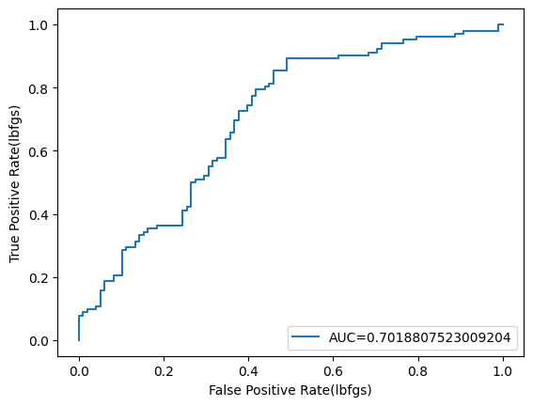 | 0.625 | 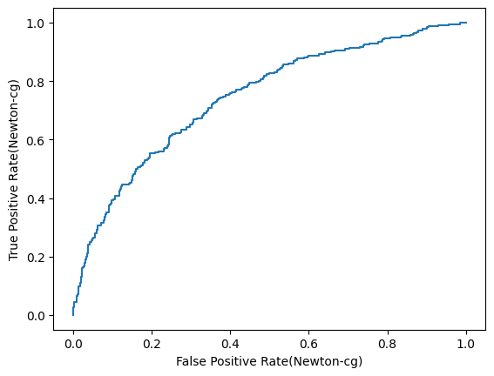  | 0.625 | 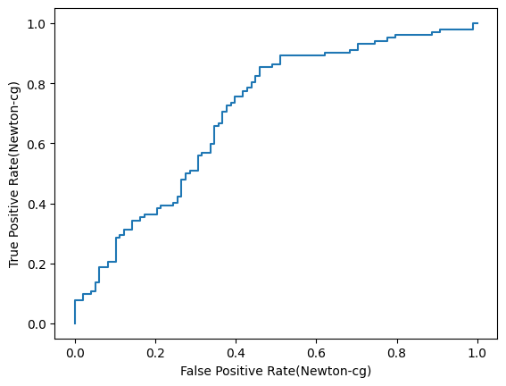 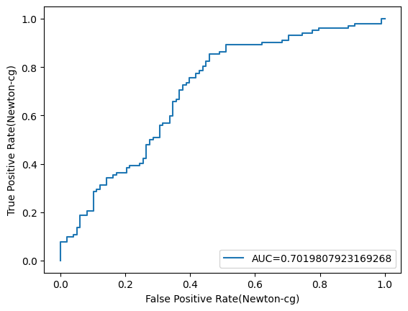 | 0.67584480601 | 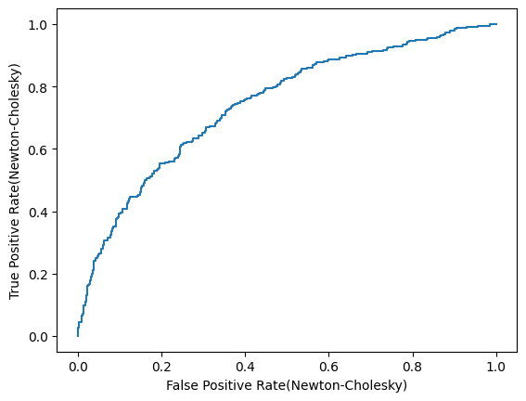 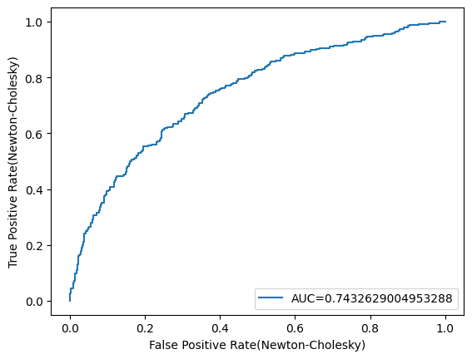 | 0.625 | 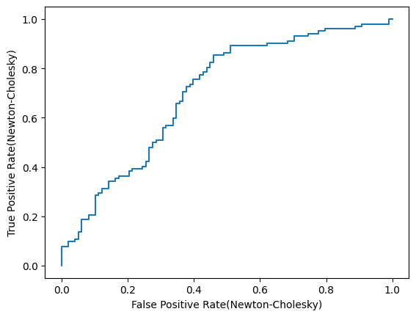 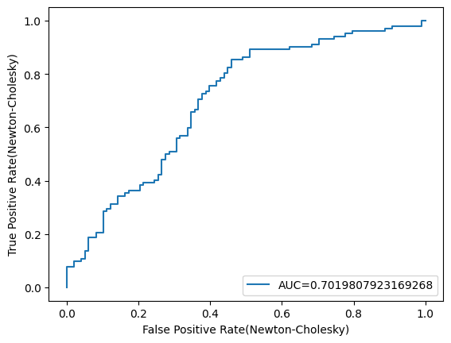 | 0.64205256571 | 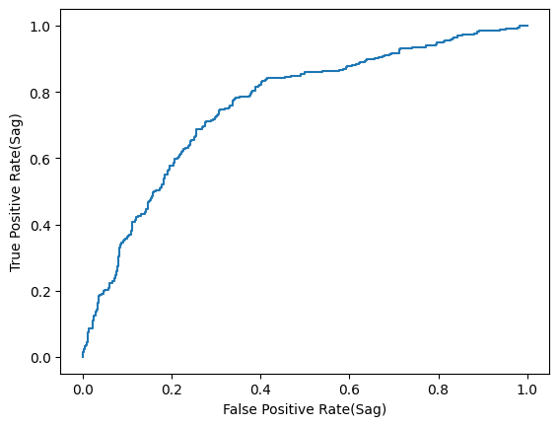 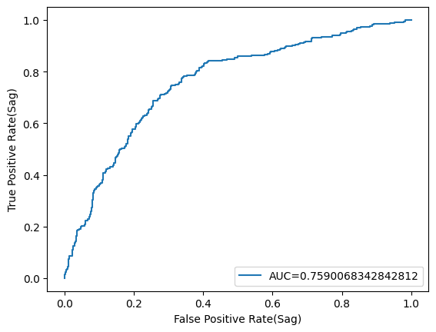 | 0.61 | 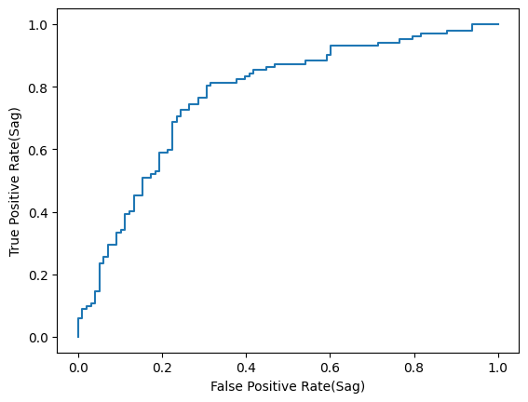 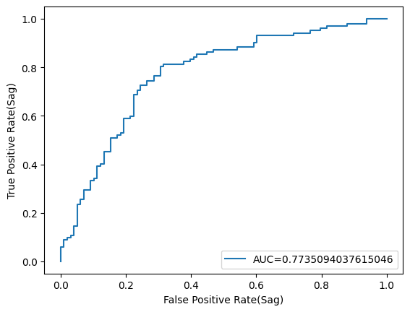 | 0.66082603254 |   | 0.635 | 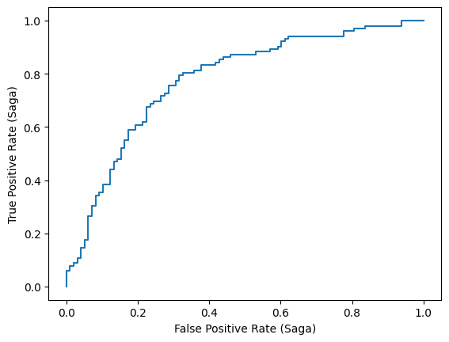 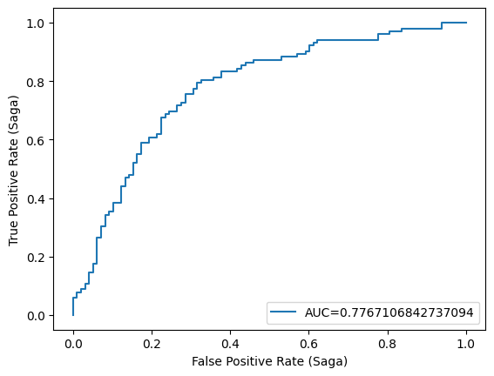
Input -> MinMaxScaler -> Logistic -> Output |  | 0.64080100125 | 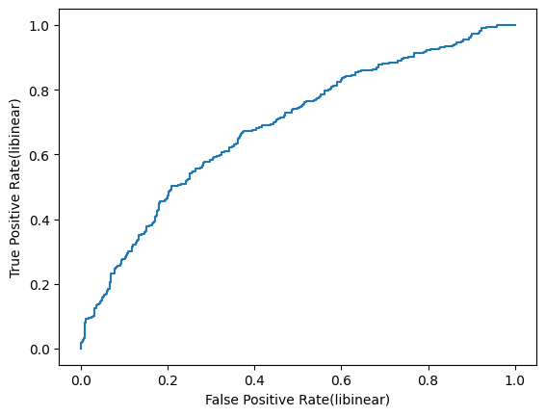 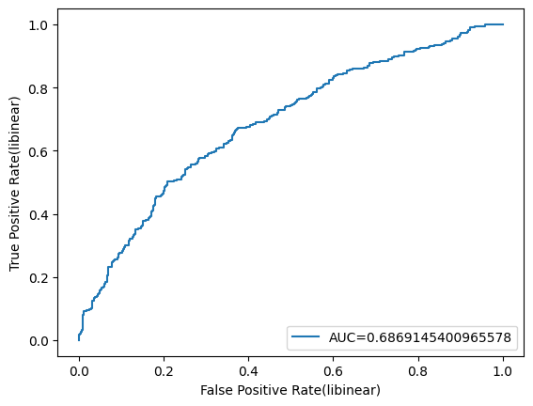 | 0.585 | 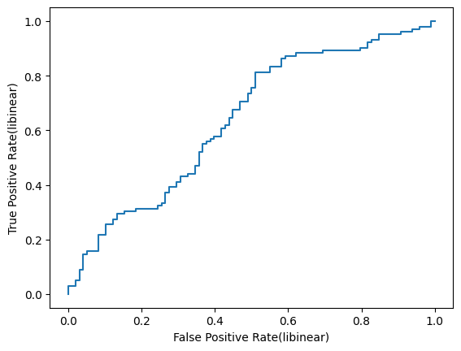 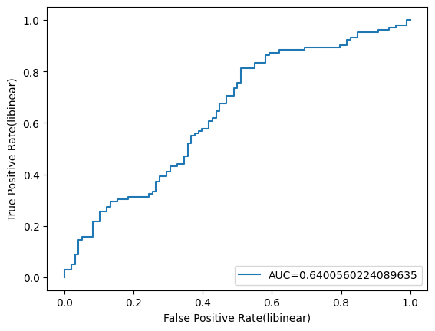 | 0.64205256571 | 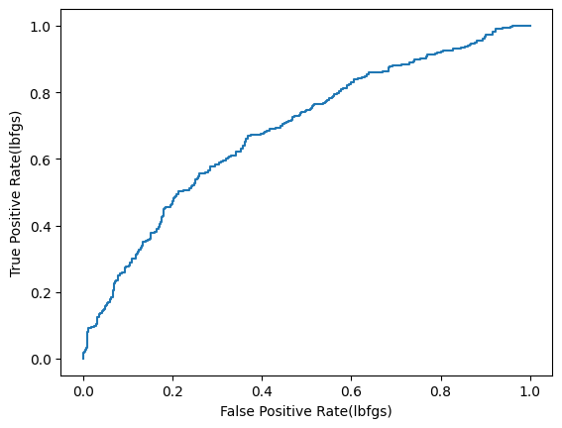 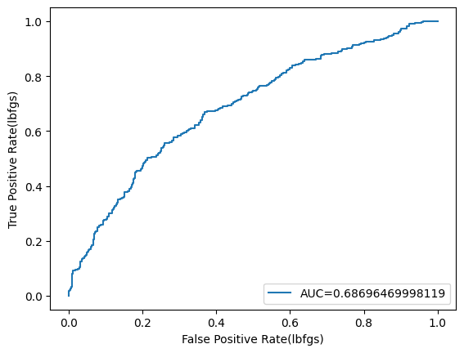 | 0.585 | 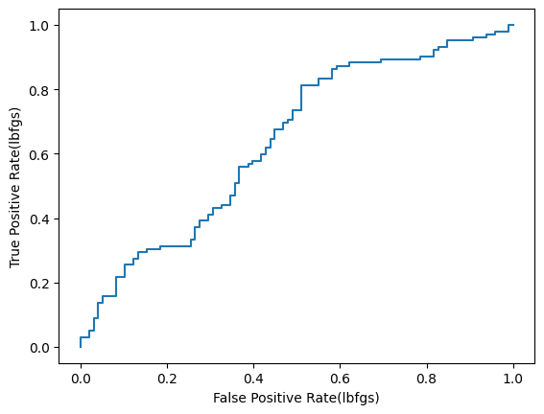 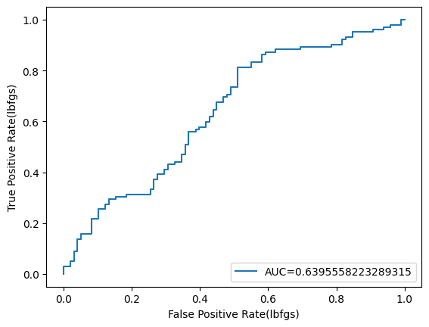 | 0.64205256571 | 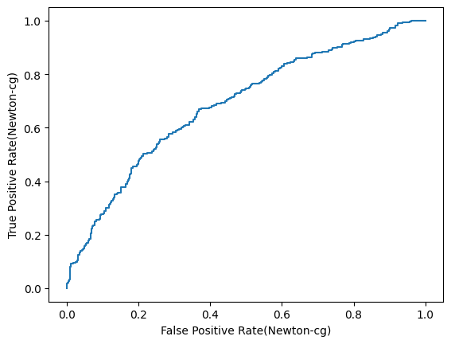 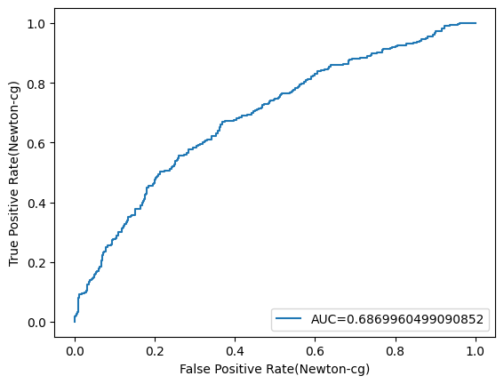 | 0.585 | 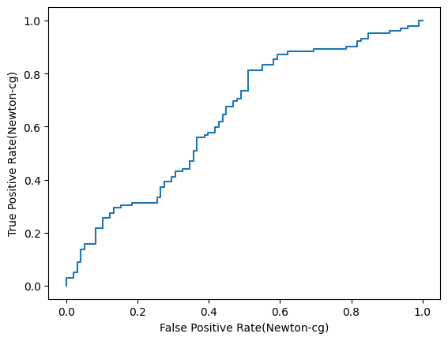 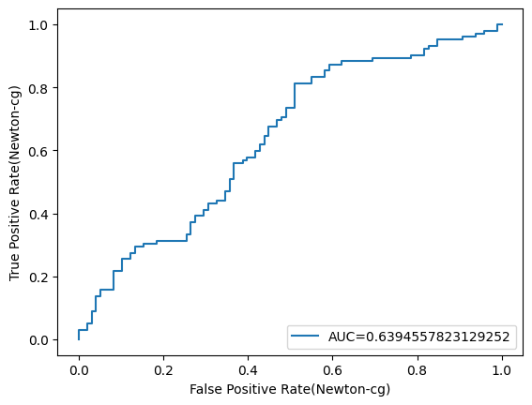 | 0.64205256571 | 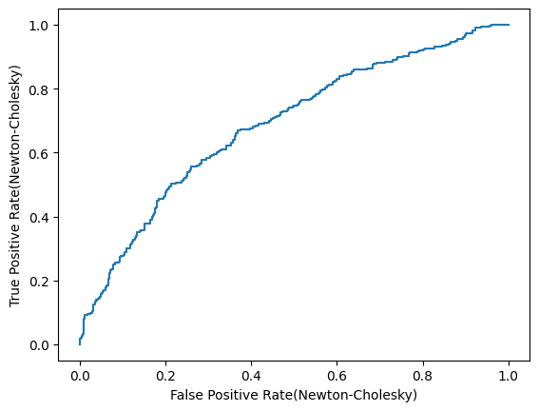 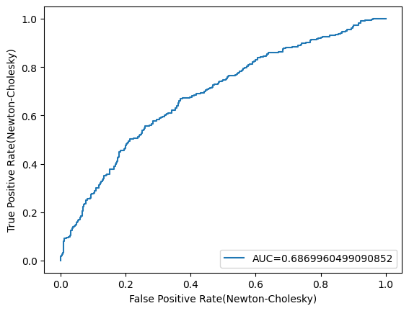 | 0.585 | 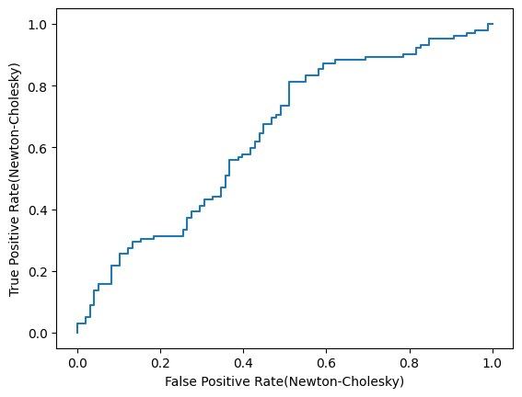 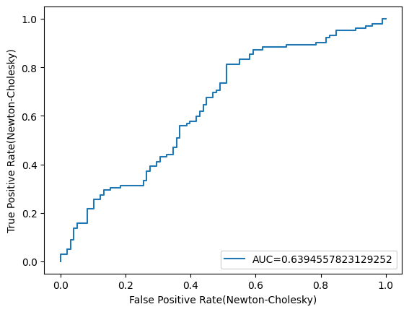 | 0.64205256571 | 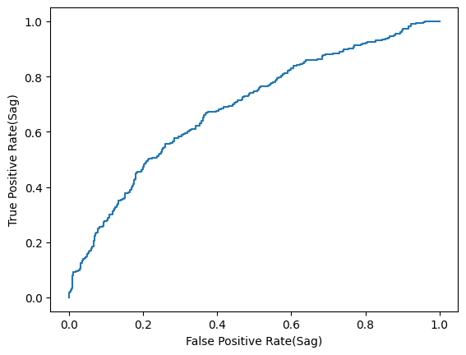  | 0.585 |  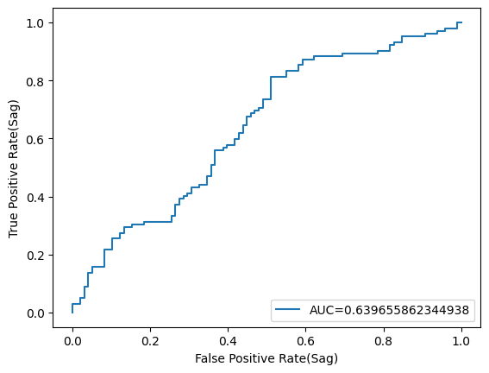 | 0.64205256571 |   | 0.585 | 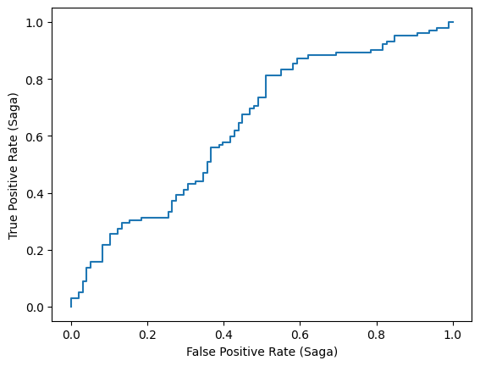 
Input -> StandardScaler -> Logistic -> Output |  | 0.68085106383 | 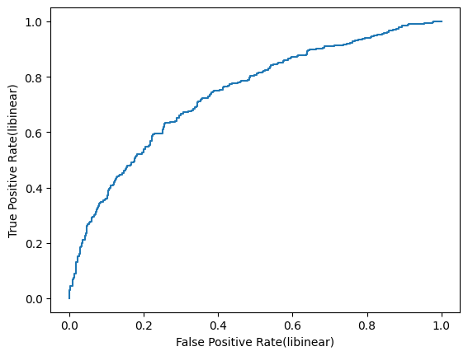 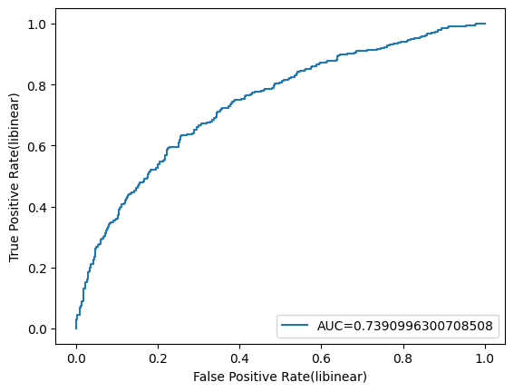 | 0.63 | 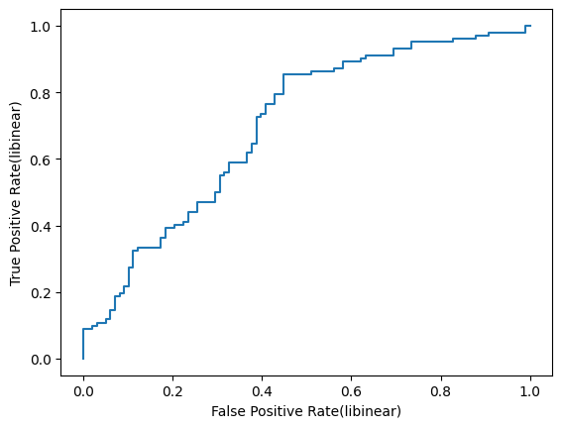 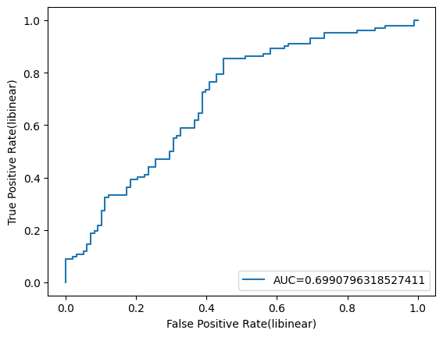 | 0.68085106383 | 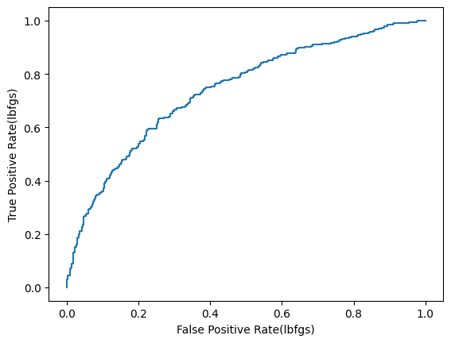 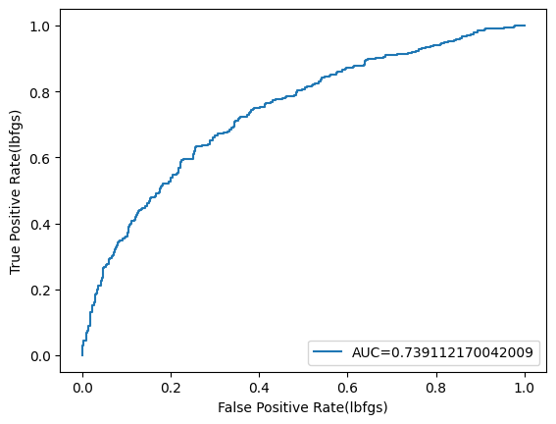 | 0.63 | 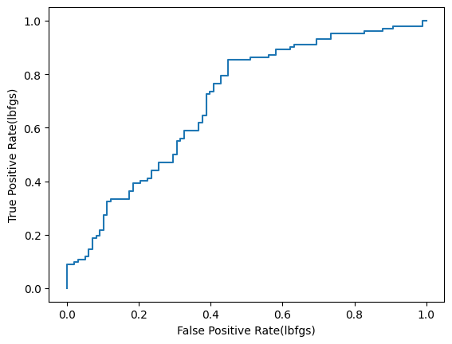  | 0.68085106383 | 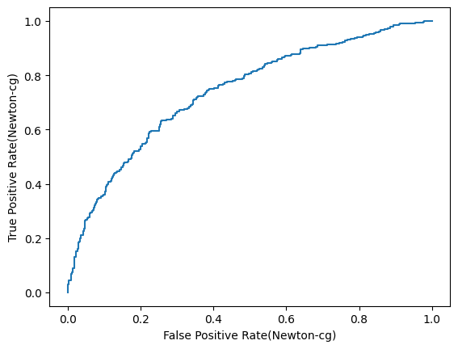  | 0.63 |  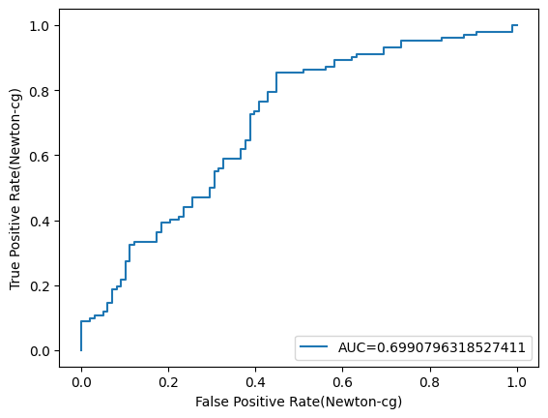 | 0.68085106383 | 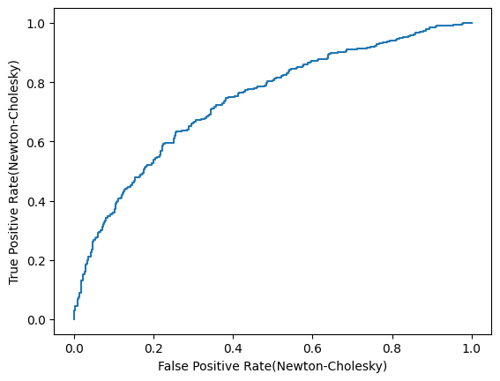  | 0.63 |   | 0.68085106383 |   | 0.63 |   | 0.68085106383 |   | 0.63 |  
Input -> log(1+x^2)-> Logistic -> Output |  | 0.78222778473 |   | 0.77 |   | 0.77847309136 |   | 0.77 |   | 0.77847309136 |   | 0.77 |   | 0.77847309136 |   | 0.77 |   | 0.77722152691 |   | 0.77 |   | 0.77596996245 |   | 0.77 |  
Input -> Polynimal (degree = 5) ->Logistic -> Output |  | 0.48685857322 |   | 0.51 |   | 0.51314142678 |   | 0.49 |  | 0.48685857322 |   | 0.51 |   | 0.48685857322 |  | 0.51 |  | 0.48685857322 |   | 0.51 |   | 0.48685857322 |   | 0.51 |  
Input -> Polynimal (degree = 5) -> log(1+x^2) ->Logistic -> Output |  | 0.99499374218 |   | 0.74 |   | 0.77596996245 |   | 0.71 |   | 0.98122653317 |   | 0.75 |   |  |  |  |  | 0.77096370463 |   | 0.715 |   | 0.74342928661 |   | 0.755 |  
Input -> Polynimal (degree = 5) -> log(1+x^2) -> StandardScaler ->Logistic -> Output |  | 0.98372966208 |   | 0.705 |   | 0.93617021277 |   | 0.68 |   | 0.99874843554 |   | 0.69 |   |  |  |  |  | 0.85732165207 |   | 0.625 |   | 0.82978723404 |   | 0.6 |  

