גיליון1
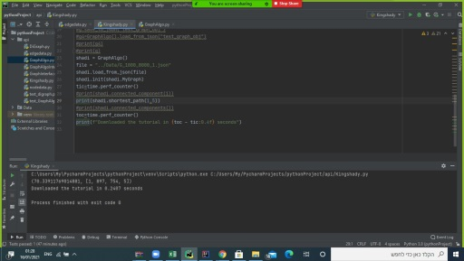
 |  |  | JAVA:
connected_components | connected_component | shortest_path
0.029 sec | 0.003 sec | 0.0003 sec | G_10_80_1
more than 1 min | 0.998 sec | 0.0052 sec | G_100_800_1
more than 1 min | more than 1 min | 0.203 sec | G_1000_8000_1

 |  |  | PYTHON:
connected_components | connected_component | shortest_path
0.034 sec | 0.0033 sec | 0.0006 sec | G_10_80_1
more than 1 min | 1.2309 sec | 0.0058 sec | G_100_800_1
more than 1 min | more than 1 min | 0.2407 sec | G_1000_8000_1

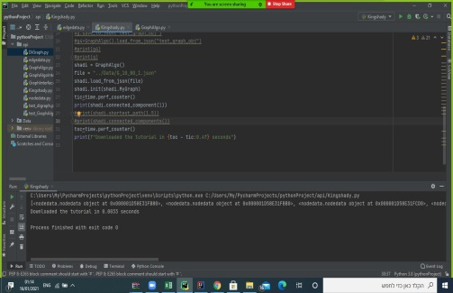
 |  |  | G_10_80_1 :
connected_components | shortest_path |  | connected_component:




 |  |  | G_100_800_1 :
 | connected_component: |  | shortest_path:


 |  |  | G_1000_8000_1:
 |  |  | shortest_path:

