Sheet1
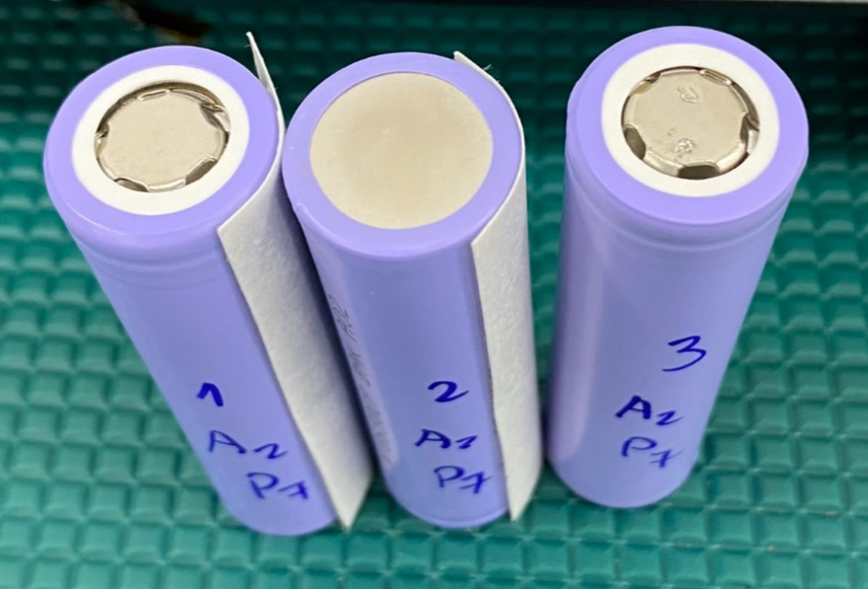
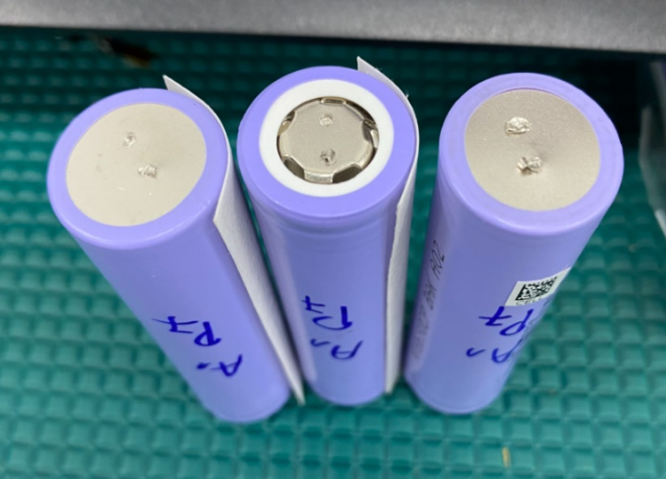
XXXXXX Electric Technology

Tensile Test Report

Customer Name： | RRC GmbH | Operator： | Loan | Test Date: | 9/25/23
Material Name： | Li-Ion Cell 0.15mm | Test Standard： |  | Specifications | 0.2*1.5
Test10.000mm/min | 10.000mm/min | Gauge Length: | 0.000mm | UDI | 1CELL00000002527

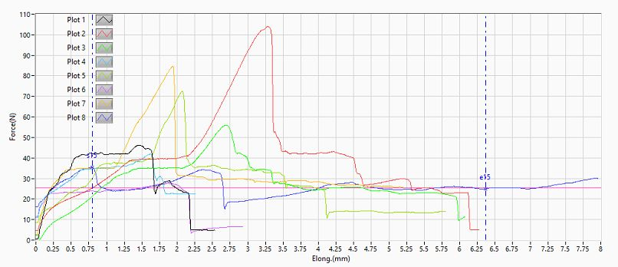
Gragh

No. | MaxForce @ Peel interval (N) | MinForce @ Peel interval (N) | AvgForce @ Peel interval (N) | (N/m)
1 | 46.117 | 22.507 | 37.625 | Inf
2 | 103.975 | 22.433 | 47.451 | Inf
3 | 55.997 | 16.108 | 32.246 | Inf
4 | 41.899 | 23.12 | 33.912 | Inf
5 | 72.324 | 10.763 | 33.653 | Inf
6 | 27.68 | 3.335 | 23.2 | Inf
7 | 84.533 | 27.336 | 37.767 | Inf
8 | 35.377 | 15.127 | 25.49 | Inf
Maximum | 103.975 | 27.336 | 47.451 | Inf
Minimum | 27.68 | 3.335 | 23.2 | Inf
Mean | 58.488 | 17.591 | 33.918 | Inf
CPK | - | - | - | -

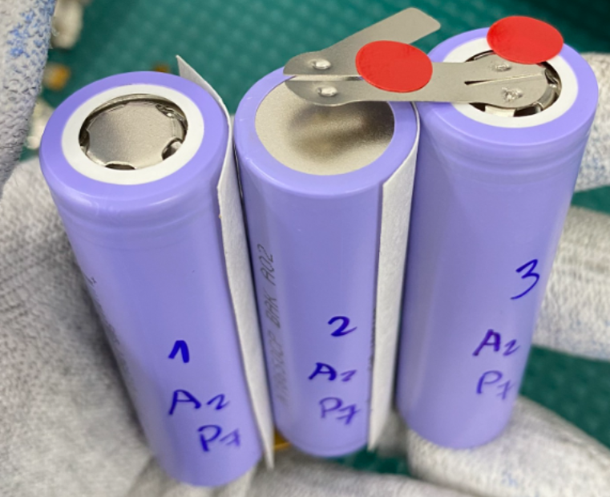
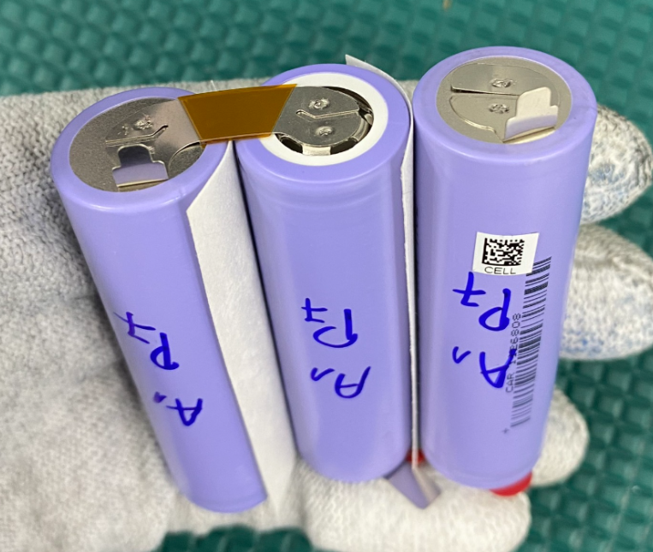
Before pull test

After pull test

