U형측구
U형측구 단위수량 (1.0 X1.0)

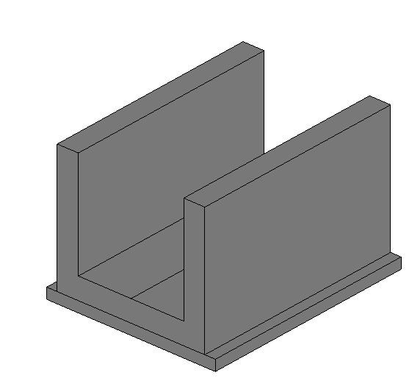

 |  |  |  |  | 필수 입력 치수 정보 (단위:mm)
 |  |  |  |  | 1. 측구내부W1 |  | 1,000
 |  |  |  |  | 2. 측구내부H1 |  | 1,000
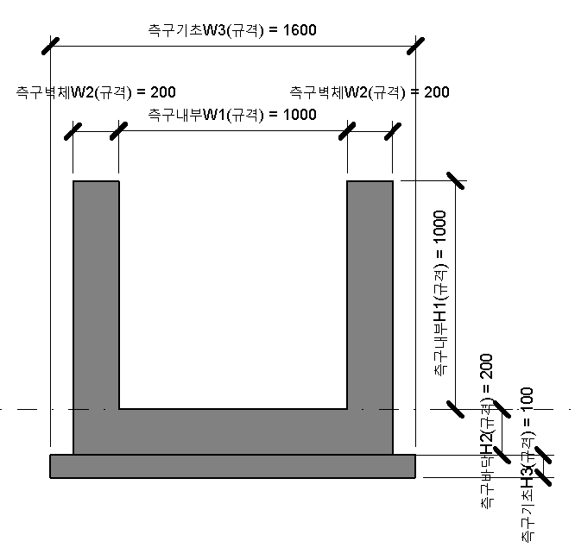
 |  |  |  |  | 3. 측구벽체W2 |  | 200
 |  |  |  |  | 4. 측구바닥H2 |  | 200
 |  |  |  |  | 5. 측구기초W3 |  | 1,600
 |  |  |  |  | 6. 측구기초H3 |  | 100
 |  |  |  |  | 7. 측구연장L |  | 2,000
 |  |  |  |  | 8. 철근단위중량 |  | 0.995kg
 |  |  |  |  | 9. 철근가중량 |  | 1.00
 |  |  |  |  | 10. 신축이음단위길이 |  | 15,000

공 종 |  | 규 격 | 단 위 | 산출근거 |  | 결 과 |  | 비 고
레미콘 | 구체 | 25-21-8 | ㎥ | BIM 모델 산출수량 |  | 1.360 |  | 자동수량
 |  |  |  | [(1.00*0.20*2)+(1.00+0.20*2)*0.20]*2.00 |  | 1.360 |  | 자동수량 산출근거
 | 버림 | 25-18-8 | ㎥ | BIM 모델 산출수량 |  | 0.320 |  | 자동수량
 |  |  |  | 1.60*0.10*2.00 |  | 0.320 |  | 자동수량 산출근거
거푸집 | 유로폼 | 구체 | ㎡ | [(1.00+0.20)*2+1.00*2]*2.00 |  | 8.800 |  | 연동수량
 | 합판 6회 | 버림 | ㎡ | 0.10*2*2.00 |  | 0.400 |  | 연동수량
철 근 |  | D13 | TON | ((((H1-0.1+H2/2)*2+(W1+(W2-0.1)*2))*5*(L/1)) + (H1-0.1-H2/2)/0.2)*2 + ((W1+W2)/0.2+1))*L/1)) * 단위중량/1000*가중량 |  | 0.062 |  | 연동수량
신축이음 |  | 12m/m | ㎡ | [(1.00*0.20*2)+(1.00+0.20*2)*0.20*2.00]/15.00 |  | 0.091 |  | 연동수량

각형맨홀(특2호)
각형맨홀 2호 (1200x1200) (1)

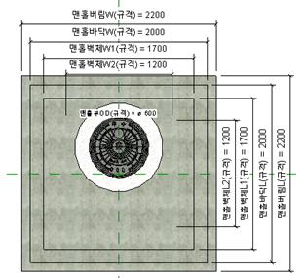
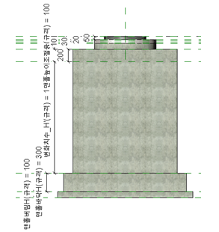
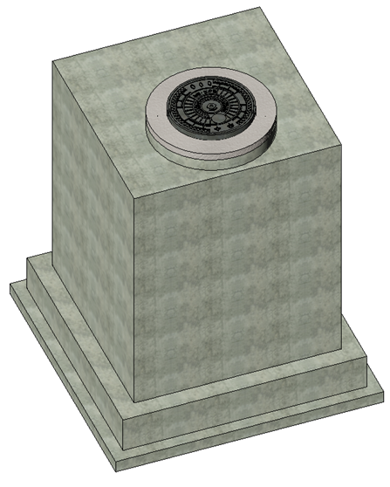
 |  |  |  |  |  |  |  |  | 슬라브 두께 | 200
 |  |  |  |  |  |  |  |  | 높이조절용 지름 | 1080
 |  |  |  |  |  |  |  |  | 뚜껑 윗 지름 | 698
 |  |  |  |  |  |  |  |  | 뚜껑 아래 지름 | 780
 |  |  |  |  |  |  |  |  | 뚜껑 위 높이 | 50
 |  |  |  |  |  |  |  |  | 뚜껑 아래 높이 | 70

 |  |  |  |  |  |  |  |  | 단위무게 | 1,000

 |  | 필수 입력 치수 정보 (단위:mm)
 |  | 1. 맨홀벽체W1 |  | 1,700 |  | 8. 맨홀버림W | 2,200
 |  | 2. 맨홀벽체L1 |  | 1,700 |  | 9. 맨홀버림L | 2,200
 |  | 3. 맨홀벽체W2 |  | 1,200 |  | 10. 맨홀버림H | 100
 |  | 4. 맨홀벽체L2 |  | 1,200 |  | 11. 맨홀부OD | 634.4
 |  | 5. 맨홀바닥W |  | 2,000 |  | 12. 변화치수H' | 1,810
 |  | 6. 맨홀바닥L |  | 2,000 |  | 13. 맨홀높이조절용 | 100
 |  | 7. 맨홀바닥H |  | 300

각형맨홀 2호 (1200x1200) (2)
 |  |  |  |  |  |  | 벽체높이(h')=1.81m
공 종 |  |  | 규 격 | 단 위 | 산출근거 |  | 결 과 | 비 고
레 미 콘 | 철근콘크리트 |  | 슬라브+구체 25-21-12 | ㎥ | BIM 모델 산출수량 |  | 4.339 | 자동수량
 |  |  |  | ㎥ | [(1.70*1.70)-(0.63/2)^2*π]*0.20 + [(1.70*1.70)-(1.20*1.20)] * 1.81 + 2.00*2.00*0.30 |  | 4.339 | 자동수량 산출근거
 | 버림콘크리트 |  | 25-18-8 | ㎥ | BIM 모델 산출수량 |  | 0.484 | 자동수량
 |  |  |  | ㎥ | 2.20*2.20*0.10 |  | 0.484 | 자동수량 산출근거
 | 받침대 고정 및 높이 조절용 |  | Fck=21Mpa | ㎥ | BIM 모델 산출수량 |  | 0.117 | 자동수량
 |  |  |  | ㎥ | [(1.08^2*π)-(0.70^2*π)]/4*0.05 + [(1.08^2*π)-(0.78^2*π]/4*0.07 + [(1.08^2*π)-(0.63^2*π)]/4*0.10 |  | 0.117 | 자동수량 산출근거
 | 인버트 |  | Fck=21Mpa | ㎡ |  |  |  | 수동수량
 | 소계 |  |  |  |  |  | 0.117
거 푸 집 | 유 로 폼 | 슬라브 | 보통마감 | ㎡ | (1.70+1.70)*2*0.20+(1.20*1.20)-(π*0.63^2)/4) |  | 2.484 | 연동수량
 |  | 바닥 | 보통마감 | ㎡ | (2.00+2.00)*2*0.30 |  | 2.400 | 연동수량
 |  | 벽체 | 보통마감 | ㎡ | [(1.70+1.70)*2*1.81]+[(1.20+1.20)*2*1.81] |  | 20.996 | 연동수량
 |  | 소계 |  |  |  |  | 25.880
 | 강재 | 슬라브 | 강재거푸집 (35회) | ㎡ | π* 0.63 * 0.20 |  | 0.399 | 연동수량
 |  | 높이조절용 | 강재거푸집 (35회) | ㎡ | (π*1.08*0.10) + (π*0.63*0.10) |  | 0.539 | 연동수량
 | 합판 | 버림 | 합판6회 | ㎡ | (2.20*2.20) *2 * 0.10 |  | 0.880
사다리 |  |  | 제 품 | 개 | (1.81-0.60) / 0.3 |  | 4 | 연동수량
동바리 |  |  | 강 관 | 공/㎥ | [(1.20*1.20)-(π*0.63^2/4)]*(1.81-0.1) |  | 1.922 | 연동수량
SPACER |  |  | T=80mm | ㎡ | (1.20+1.20) * 2 * 1.81 |  | 8.688 | 연동수량
C H A I R B L O C K |  |  | T=80mm | ㎡ | (1.70*1.70) - (π*0.63^2/4) + (2.00*2.00) |  | 6.574 | 연동수량
철 근 (SD-30) |  | 슬라브 | H19 | TON | 도면참고 |  | 0.014 | 연동수량
 |  |  | H16 | TON | 도면참고 |  | 0.084 | 연동수량
 |  | 벽체 | H13 | TON | 도면참고 |  | 0.132 | 연동수량
 |  | 바닥 | H13 | TON | 도면참고 |  | 0.023 | 연동수량
 |  | 소계 |  |  |  |  | 0.253
모르타르 |  | 인버트 | 1:2 | ㎥ |  |  |  | 수동수량
원형주철뚜껑 |  |  | φ648 | 조 | 기성제품 |  | 1 | 자동수량

