Synthetic Demo
Synthetic Excel Region Demo

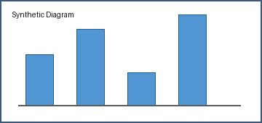
Project Summary
Project | Demo workbook
Owner | Public sample
Status | Ready

Item | Q1 | Q2 | Q3 | Total
Alpha | 12 | 15 | 18
Beta | 8 | 10 | 13
Gamma | 20 | 17 | 22

