PovertyReport
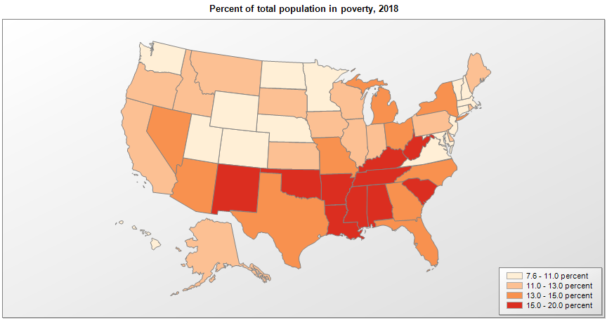
 | Percent | Number

 |  |  | All people in poverty (2018) |  |  | Children ages 0-17 in poverty (2018)
 |  |  |  | 90% confidence interval of estimate |  |  | 90% confidence interval of estimate
Name |  |  | Percent | Lower Bound | Upper Bound | Percent | Lower Bound | Upper Bound
Alabama |  |  | 16.8 | 16.5 | 17.1 | 23.9 | 23.2 | 24.6
Alaska |  |  | 11.1 | 10.5 | 11.7 | 14.5 | 13.4 | 15.6
Arizona |  |  | 14.1 | 13.8 | 14.4 | 20.4 | 19.7 | 21.1
Arkansas |  |  | 16.8 | 16.3 | 17.3 | 23.8 | 22.8 | 24.8
California |  |  | 12.8 | 12.7 | 12.9 | 17.4 | 17.1 | 17.7
Colorado |  |  | 9.7 | 9.5 | 9.9 | 12.1 | 11.4 | 12.8
Connecticut |  |  | 10.3 | 10 | 10.6 | 13.8 | 13.1 | 14.5
Delaware |  |  | 12.2 | 11.6 | 12.8 | 17.6 | 16.4 | 18.8
District of Columbia |  |  | 16.1 | 15.2 | 17 | 24.5 | 21.5 | 27.5
Florida |  |  | 13.7 | 13.5 | 13.9 | 20 | 19.5 | 20.5
Georgia |  |  | 14.5 | 14.2 | 14.8 | 21 | 20.4 | 21.6
Hawaii |  |  | 9 | 8.5 | 9.5 | 11.8 | 10.7 | 12.9
Idaho |  |  | 11.7 | 11.3 | 12.1 | 14.2 | 13.2 | 15.2
Illinois |  |  | 12.1 | 11.9 | 12.3 | 16.2 | 15.7 | 16.7
Indiana |  |  | 13 | 12.7 | 13.3 | 17.5 | 16.8 | 18.2
Iowa |  |  | 11.2 | 10.9 | 11.5 | 13.5 | 12.8 | 14.2
Kansas |  |  | 11.9 | 11.5 | 12.3 | 14.8 | 14 | 15.6
Kentucky |  |  | 16.7 | 16.3 | 17.1 | 22.3 | 21.5 | 23.1
Louisiana |  |  | 18.7 | 18.3 | 19.1 | 26.5 | 25.6 | 27.4
Maine |  |  | 11.6 | 11.2 | 12 | 14.8 | 13.8 | 15.8
Maryland |  |  | 9.1 | 8.8 | 9.4 | 12.1 | 11.4 | 12.8
Massachusetts |  |  | 10 | 9.8 | 10.2 | 12.4 | 11.7 | 13.1
Michigan |  |  | 14 | 13.8 | 14.2 | 19.3 | 18.8 | 19.8
Minnesota |  |  | 9.6 | 9.4 | 9.8 | 11.5 | 10.9 | 12.1
Mississippi |  |  | 19.8 | 19.3 | 20.3 | 28.2 | 27.2 | 29.2
Missouri |  |  | 13.2 | 12.9 | 13.5 | 18.3 | 17.6 | 19
Montana |  |  | 12.9 | 12.4 | 13.4 | 16.4 | 15.4 | 17.4
National |  |  | 13.1 | 13 | 13.2 | 18 | 17.8 | 18.2
Nebraska |  |  | 11 | 10.6 | 11.4 | 12.9 | 12.1 | 13.7
Nevada |  |  | 13.1 | 12.7 | 13.5 | 18.4 | 17.6 | 19.2
New Hampshire |  |  | 7.6 | 7.3 | 7.9 | 10.1 | 9.1 | 11.1
New Jersey |  |  | 9.5 | 9.3 | 9.7 | 13.5 | 12.9 | 14.1
New Mexico |  |  | 18.8 | 18.3 | 19.3 | 25.3 | 24.2 | 26.4
New York |  |  | 13.7 | 13.5 | 13.9 | 18.8 | 18.3 | 19.3
North Carolina |  |  | 14.1 | 13.8 | 14.4 | 20.2 | 19.6 | 20.8
North Dakota |  |  | 10.6 | 10 | 11.2 | 11 | 10 | 12
Ohio |  |  | 13.8 | 13.6 | 14 | 19.2 | 18.6 | 19.8
Oklahoma |  |  | 15.5 | 15.2 | 15.8 | 21.4 | 20.7 | 22.1
Oregon |  |  | 12.5 | 12.2 | 12.8 | 15.7 | 14.8 | 16.6
Pennsylvania |  |  | 12.2 | 12 | 12.4 | 16.7 | 16.2 | 17.2
Rhode Island |  |  | 12.8 | 12.2 | 13.4 | 18 | 16.8 | 19.2
South Carolina |  |  | 15.2 | 14.9 | 15.5 | 22.1 | 21.3 | 22.9
South Dakota |  |  | 12.9 | 12.4 | 13.4 | 16.1 | 15.1 | 17.1
Tennessee |  |  | 15.2 | 14.9 | 15.5 | 21.8 | 21.1 | 22.5
Texas |  |  | 14.9 | 14.7 | 15.1 | 21.1 | 20.7 | 21.5
Utah |  |  | 9.1 | 8.7 | 9.5 | 9.7 | 9 | 10.4
Vermont |  |  | 10.7 | 10.1 | 11.3 | 12.2 | 11.1 | 13.3
Virginia |  |  | 10.7 | 10.5 | 10.9 | 13.8 | 13.2 | 14.4
Washington |  |  | 10.3 | 10.1 | 10.5 | 12.6 | 12 | 13.2
West Virginia |  |  | 17.4 | 16.9 | 17.9 | 23.2 | 22.1 | 24.3
Wisconsin |  |  | 11.1 | 10.9 | 11.3 | 14.1 | 13.5 | 14.7
Wyoming |  |  | 10.7 | 10 | 11.4 | 13.1 | 11.9 | 14.3

See the county-level poverty rates from the 1990 and 2000 Census of Population. See important notes about intercensal model-based poverty estimates. The 2013 rural-urban continuum codes classify metropolitan counties (codes 1 through 3) by size of the Metropolitan Statistical Area (MSA), and nonmetropolitan counties (codes 4 through 9) by degree of urbanization and proximity to metro areas. See rural-urban continuum codes for precise definitions of each code. Source: Census Bureau, Small Area Income and Poverty Estimates.

