EDM Reductions
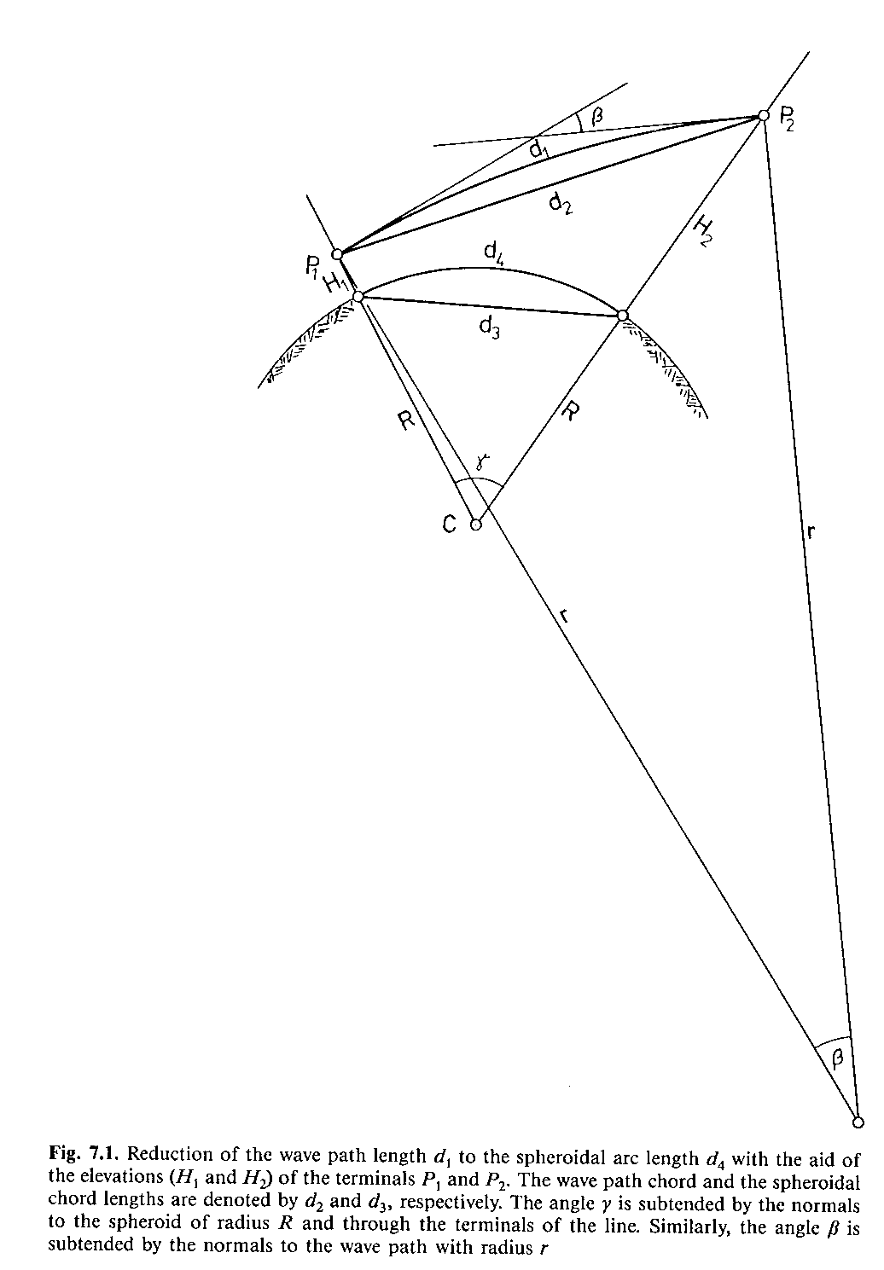
 |  | EDM Dist |  |  |  |  |  |  |  | Horizontal Dist | Sph/Sea Lev. Dist | GM-GM |  | Coefficient of refraction (k)
At | To | d1 | k | At Latitude | To Latitude | RL At | Ht At | RL To | Ht To | d6=d2+K2 | d4=d3+k4 | d2
A | B | 2000.000 | 0.1 | S 31 48 07.04863 | S 31 48 21.35646 | 150.000 | 1.600 | 200.000 | 1.600 | 1999.375 | 1999.319 | 1999.999 | Inland | 0.1
A | B |  |  | S 31 48 07.04863 | S 31 48 21.35646 | 150.000 |  | 200.000 |  | 2000.000 | 1999.945 | 2000.625 | Coastal | 0.15
First Arc-to-Chord Correction K₁ (d₁ to d₂)
d₂=d₁+K₁
Chord to Chord Correction K23 (d2 to d3)
The chord-to-chord correction is split into separate corrections, namely
1.the slope correction K₂ (d₂ to d₆) and
2.the sea level correction K₃ (d₆ to d₃) leading to:
d₆=d₂+K₂
d₃=d₂+K₂+K₃
Second Chord-to-Arc Correction K₄ (d₃ to d₄)
d₄=d₃+K₄
 |  |  |  |  |  |  |  |  |  |  |  |  | Night | 0.2

7 Parameter Transformations
Parameters and test data sourced from the GDA2020 Interim Release Note http://www.icsm.gov.au/gda2020/InterimReleaseNoteV1.0.pdf

 |  |  |  | Formula Description | LatSevenPara(FromDatum,ToDatum,Latitude,Longitude,EllipsoidalHeight) | LngSevenPara(FromDatum,ToDatum,Latitude,Longitude,EllipsoidalHeight) | HtSevenPara(FromDatum,ToDatum,Latitude,Longitude,EllipsoidalHeight)
Datum | Latitude | Longitude | Ellipsoidal Height (m) | Datum | Latitude | Longitude | Ellipsoidal Height (m)
GDA94 | S 23 40 12.44601876 | E133 53 07.847844 | 603.3466 | GDA2020 | -23 40 12.39650 | 133 53 07.87779 | 603.2489
 | GDA94 coordinates of Alice Springs (ALIC) |  |  |  | GDA2020 coordinates of Alice Springs (ALIC)

