big
 |  |  |  | Big Probe for Manual VES |  |  |  |  | Max Depth ~ 20 m, experimental

Manual field VES-1D procedure:
1. Completely unwind both red wires from the probe. The wires have A and B electrodes at the ends.
2. Ground central black MN electrodes. Completely spread red wires with A and B electrodes in straight line and insert electrodes in soil => AB/2=30 m
3. Connect black wires (MN) to -V- terminals of Landmapper.
4. Connect red wires (AB) to - terminals of Landmapper |  |  |  |  |  |  |  |  | LandMapper automatically measured voltage, current
5. Take ER-reading at K0=1 and AB electrodes at 30.0 m marks (completely spreaded wires) |  |  |  |  |  |  |  | and calculates ER (electrical resistivity) by formula below
6. Move A and B electrodes to 25 m marks at both sides - take ER-reading |  |  |  |  |  |  |  |  |  | ER = K * U/I
7. Continue untill all ER-readings are taken (last AB/2=3 m) |  |  |  |  |  |  |  |  | U is potential measured between M and N
8. Field ER-readings can be stored in LandMapper memory or recorded manually |  |  |  |  |  |  |  |  | I is current measured between A and B
9. The recorded ER-values needs to be multiplied on appropriate K-coefficients - see below
 |  |  |  |  |  |  |  | Device uses K0=1 stored permanently or K1-K9 (user changeable)

Note: if ER values measured on deep AB/2 (#1-5) are too small, switch to K1=10, or even K2=100, don't forget to record which K-taken you used, and table on second page will re-calculate ER automatically.

AB | Measurement from deep to shallow |  |  |  | [MN] = 2 m, fixed for all 15 measurements
distances, m | # | AB/2, m | K-set | K-taken | ER-1 | ER-2 | ER-3 | ER-3 | ER-5 | ER-6 | ER-7 | ER-8 | ER-9
[A1B1] = 60 | 1 | 30 | K0=1 | 1 | 0.1 | 4.05
[A2B2] = 50 | 2 | 25 | K0=1 | 1 | 3 | 5.3
[A3B3] = 40 | 3 | 20 | K0=1 | 1 | 4 | 57
[A4B4] = 36 | 4 | 18 | K0=1 | 1 | 10 | 4.96
[A5B5] = 32 | 5 | 16 | K0=1 | 1 | 51 | 5.58
[A6B6] = 28 | 6 | 14 | K0=1 | 1 | 45 | 2347
[A7B7] = 24 | 7 | 12 | K0=1 | 1 | 7 | 28.84
[A8B8] = 20 | 8 | 10 | K0=1 | 1 | 5 | 8.19
[A9B9] = 18 | 9 | 9 | K0=1 | 1 | 12 | 9.6
[A10B10] = 16 | 10 | 8 | K0=1 | 1 | 25 | 6.34
[A11B11] = 14 | 11 | 7 | K0=1 | 1 | 30 | 1639
[A12B12] = 12 | 12 | 6 | K0=1 | 1 | 50 | 5.67
[A13B13] = 10 | 13 | 5 | K0=1 | 1 | 100 | 2790
[A14B14] = 8 | 14 | 4 | K0=1 | 1 | 26 | 52.97
[A15B15] = 6 | 15 | 3 | K0=1 | 1 | 60 | 10.56

 |  |  |  |  |  | LandMapper

A1 |  |  |  | A15 | M |  | N | B15 |  |  |  | B1
 |  | ………….. |  |  |  | [MN] = 2 m |  |  |  | ………..

 |  |  |  |  |  |  |  | K-multiply = [AM] * [AN]
A few mock data entered as an example. |  |  |  |  |  |  |  |  | [MN] | K for central-symmetric arrays

 |  |  |  |  |  |  |  | In all geophysical procedures distance always in Meters.

This table recalculates actual ER values suitable for interpretation with iVEZ if measured field ER entered in the table above.
AB | Measurement from deep to shallow |  |  |  | Recalculate ER for VES interpretation
distances, m | # | AB/2, m | K-multiply | K-taken | ER-1 | ER-2 | ER-3 | ER-3 | ER-5 | ER-6 | ER-7 | ER-8 | ER-9
[A1B1] = 60 | 1 | 30 | 1412.1 | 1 | 141.21492 | 5719.20426 | 0 | 0 | 0 | 0 | 0 | 0 | 0
[A2B2] = 50 | 2 | 25 | 980.2 | 1 | 2940.5376 | 5194.94976 | 0 | 0 | 0 | 0 | 0 | 0 | 0
[A3B3] = 40 | 3 | 20 | 626.7 | 1 | 2506.9968 | 35724.7044 | 0 | 0 | 0 | 0 | 0 | 0 | 0
[A4B4] = 36 | 4 | 18 | 507.4 | 1 | 5073.684 | 2516.547264 | 0 | 0 | 0 | 0 | 0 | 0 | 0
[A5B5] = 32 | 5 | 16 | 400.6 | 1 | 20428.254 | 2235.09132 | 0 | 0 | 0 | 0 | 0 | 0 | 0
[A6B6] = 28 | 6 | 14 | 306.3 | 1 | 13783.77 | 718900.182 | 0 | 0 | 0 | 0 | 0 | 0 | 0
[A7B7] = 24 | 7 | 12 | 224.6 | 1 | 1572.3708 | 6478.167696 | 0 | 0 | 0 | 0 | 0 | 0 | 0
[A8B8] = 20 | 8 | 10 | 155.5 | 1 | 777.546 | 1273.620348 | 0 | 0 | 0 | 0 | 0 | 0 | 0
[A9B9] = 18 | 9 | 9 | 125.7 | 1 | 1507.968 | 1206.3744 | 0 | 0 | 0 | 0 | 0 | 0 | 0
[A10B10] = 16 | 10 | 8 | 99.0 | 1 | 2474.01 | 627.408936 | 0 | 0 | 0 | 0 | 0 | 0 | 0
[A11B11] = 14 | 11 | 7 | 75.4 | 1 | 2261.952 | 123577.9776 | 0 | 0 | 0 | 0 | 0 | 0 | 0
[A12B12] = 12 | 12 | 6 | 55.0 | 1 | 2748.9 | 311.72526 | 0 | 0 | 0 | 0 | 0 | 0 | 0
[A13B13] = 10 | 13 | 5 | 37.7 | 1 | 3769.92 | 105180.768 | 0 | 0 | 0 | 0 | 0 | 0 | 0
[A14B14] = 8 | 14 | 4 | 23.6 | 1 | 612.612 | 1248.07914 | 0 | 0 | 0 | 0 | 0 | 0 | 0
[A15B15] = 6 | 15 | 3 | 12.6 | 1 | 753.984 | 132.701184 | 0 | 0 | 0 | 0 | 0 | 0 | 0
ER-2

get data from ERM01
Instead of writing ER values on the paper in the provided tables, you can store ER in LandMapper's memory
You still need to keep track of what cell # starts new VES profile and which K values had you used (this usually stored, but don't change K in the middle of field trip)

Good field practice:
If you wish to relay on stored ER data, make sure to set up data connection to your computer BEFORE you head to the field!
you can store some mock data and do download and memory clean up before you go out and start collecting real data!

Also clean up ERM-01 memory from all mock data before actual field session, so you don’t get confused which data are those!

To connect LandMapper to computer:
1. Connect Landmapper to Serial port on your PC (either dierectly or with USB-to-serial converter)
2. On the USB-stick in 0WORKSHOP folder double-click getdata_ERM01.exe
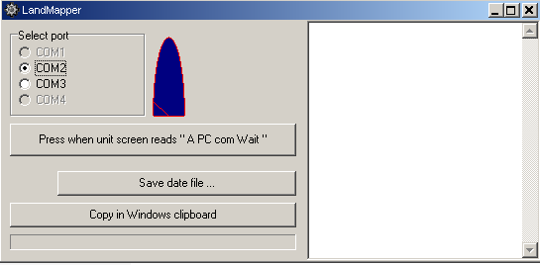

3. On device navigate to "A PC com Wait" prompt and press respective buttom above on PC.

4. All the data will be listed in right window.
5. You can save data file or copy in windows clipboard and paste in this Excel file.

use iVEZ
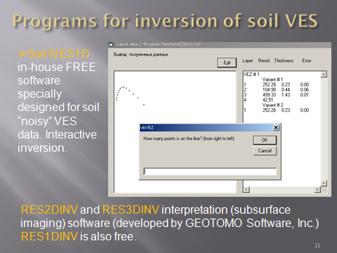

Groundwater interpretation
