field data - recalc
A few mock data entered as an example. |  |  |  |  |  |  |  |  |  |  |  |  |  |  |  |  | Big Probe for Manual VES |  |  |  |  |  |  |  | Max Depth ~ 40 m, experimental
Table 1. |  |  |  |  | you can measure VES along a transect spacing centers at the predetermined distance, f.e. 20 m |  |  |  |  |  |  |  |  |  |  |  |  |  |  |  |  |  |  |  | smaller wire spread will yield shorter and shallower VES
 |  |  |  | those VES can then linked in mock 2D profile and analyzed with RES2DINV (updates sent by email per request) |  |  |  |  |  |  |  |  |  | Manual field VES-1D procedure:
AB | Measurement from deep to shallow |  |  |  |  |  |  |  |  |  |  |  |  | 1. Completely unwind both red wires from the probe. The wires have A and B electrodes at the ends.
distances, m | # | AB/2, m | MN/2, m | K-taken | ER-1 | ER-2 | ER-3 | ER-4 | ER-5 | ER-6 | ER-7 | ER-8 | ER-9 | 2. Ground central black MN electrodes at MN/2=10 m. Completely spread red wires with A and B electrodes in straight line and insert electrodes in soil => AB/2=60 m
[A1B1] = 120 | 1 | 60 | 10.0 | 1 | 1 |  |  |  |  |  |  |  |  | 3. Connect black wires (MN) to -V- terminals of Landmapper.
[A2B2] = 110 | 2 | 55 | 10.0 | 1 | 23 |  |  |  |  |  |  |  |  | 4. Connect red wires (AB) to - terminals of Landmapper
[A3B3] = 100 | 3 | 50 | 10.0 | 1 | 4 |  |  |  |  |  |  |  |  | 5. Take ER-reading at K0=1 and AB electrodes at 60 m marks (completely spreaded wires)
[A4B4] = 90 | 4 | 45 | 10.0 | 1 | 7 |  |  |  |  |  |  |  |  | 6. Move A and B electrodes to 55 m marks at both sides - take ER-reading |  |  |  |  |  |  |  |  |  |  |  | LandMapper automatically measured voltage, current
[A5B5] = 80 | 5 | 40 | 10.0 | 1 | 5 |  |  |  |  |  |  |  |  | 7. At AB/2 = 25 m, switch MN electrodes to MN/2 = 5 m and take another ER-reading |  |  |  |  |  |  |  |  |  |  | and calculates ER (electrical resistivity) by formula below
[A6B6] = 70 | 6 | 35 | 10.0 | 1 | 4 |  |  |  |  |  |  |  |  | 8. At AB/2 = 15 m, switch MN electrodes to MN/2 = 2 m and take another ER-reading |  |  |  |  |  |  |  |  |  |  |  |  | ER = K * U/I
[A7B7] = 60 | 7 | 30 | 10.0 | 1 | 34 |  |  |  |  |  |  |  |  | 9. At AB/2 = 6 m, switch MN electrodes to MN/2 = 0.5 and take another ER-reading |  |  |  |  |  |  |  |  |  |  |  | U is potential measured between M and N
[A8B8] = 50 | 8 | 25 | 10.0 | 1 | 8 |  |  |  |  |  |  |  |  | 10. Continue untill all ER-readings are taken (last AB/2=1 m) |  |  |  |  |  |  |  |  |  |  |  | I is current measured between A and B
[A8B8] = 50 | 9 | 25 | 5.0 | 1 | 2 |  |  |  |  |  |  |  |  | 11. Field ER-readings can be stored in LandMapper memory or recorded manually
[A9B9] = 44 | 10 | 22 | 5.0 | 1 | 2 |  |  |  |  |  |  |  |  | 12. The recorded ER-values needs to be multiplied on appropriate K-coefficients - see Tbl.2 |  |  |  |  |  |  |  |  |  |  | Device uses K0=1 stored permanently or K1-K9 (user changeable)
[A10B10] = 40 | 11 | 20 | 5.0 | 1 | 1
[A11B11] = 36 | 12 | 18 | 5.0 | 1 | 10
[A12B12] = 32 | 13 | 16 | 5.0 | 1 | 9
[A13B13] = 30 | 14 | 15 | 5.0 | 1 | 7 |  |  |  |  |  |  |  |  | Note: if ER values measured in the field are too small, switch to K1=10, or even K2=100, don't forget to record which K-taken you used, and table on second page will re-calculate ER automatically. |  |  |  |  |  |  |  |  |  |  | K-multiply = Pi*[AM] * [AN]
[A13B13] = 30 | 15 | 15 | 2.0 | 1 | 2 |  |  |  |  |  |  |  |  |  |  |  |  |  |  |  |  |  |  |  |  | [MN] | K for central-symmetric arrays
[A14B14] = 28 | 16 | 14 | 2.0 | 1 | 1
[A15B15] = 26 | 17 | 13 | 2.0 | 1 | 23 |  |  |  |  |  |  |  |  |  |  |  |  |  |  |  |  |  |  |  | In all geophysical procedures distance always in Meters.
[A16B16] = 24 | 18 | 12 | 2.0 | 1 | 11
[A17B17] = 22 | 19 | 11 | 2.0 | 1 | 6
[A18B18] = 20 | 20 | 10 | 2.0 | 1 | 67
[A19B19] = 18 | 21 | 9 | 2.0 | 1 | 4
[A20B20] = 16 | 22 | 8 | 2.0 | 1 | 4
[A21B21] = 14 | 23 | 7 | 2.0 | 1 | 6
[A22B22] = 12 | 24 | 6 | 2.0 | 1 | 9
[A22B22] = 12 | 25 | 6 | 0.5 | 1 | 3
[A23B23] = 10 | 26 | 5 | 0.5 | 1 | 2
[A24B24] = 8 | 27 | 4 | 0.5 | 1 | 2
[A25B25] =6 | 28 | 3 | 0.5 | 1 | 1
[A26B26] = 4 | 29 | 2 | 0.5 | 1 | 1
[A27B27] = 2 | 30 | 1 | 0.5 | 1 | 1 |  |  |  |  |  |  |  |  |  |  |  |  |  |  | LandMapper

You can delete mock and then print this page as a field book. Or store ER values in LandMapper memory and then cut-and-paste here for VES recalculation |  |  |  |  |  |  |  |  |  |  |  |  |  |  | A1 |  |  | A15 | M |  | N | B15 |  | B1
 |  |  |  |  |  |  |  |  |  |  |  |  |  |  |  | ………….. |  |  |  | [MN] = 20, 10, 4, or 1 m |  |  | ………..
Data, entered in yellow are taken twice on the same AB/2, but different MN/2, those data are averaged in software

Table 2.

This table recalculates actual ER values suitable for interpretation with iVEZ if measured field ER entered in the table above.
AB | Measurement from deep to shallow |  |  |  | Recalculate ER for VES interpretation
distances, m | # | AB/2, m | K-multiply | K-taken | ER-1 | ER-2 | ER-3 | ER-4 | ER-5 | ER-6 | ER-7 | ER-8 | ER-9
[A1B1] = 120 | 1 | 60 | 549.8 | 1 | 549.8 | 0.0 | 0.0 | 0.0 | 0.0 | 0.0 | 0.0 | 0.0 | 0.0
[A2B2] = 110 | 2 | 55 | 459.5 | 1 | 10567.6 | 0.0 | 0.0 | 0.0 | 0.0 | 0.0 | 0.0 | 0.0 | 0.0
[A3B3] = 100 | 3 | 50 | 377.0 | 1 | 1508.0 | 0.0 | 0.0 | 0.0 | 0.0 | 0.0 | 0.0 | 0.0 | 0.0
[A4B4] = 90 | 4 | 45 | 302.4 | 1 | 2116.7 | 0.0 | 0.0 | 0.0 | 0.0 | 0.0 | 0.0 | 0.0 | 0.0
[A5B5] = 80 | 5 | 40 | 235.6 | 1 | 1178.1 | 0.0 | 0.0 | 0.0 | 0.0 | 0.0 | 0.0 | 0.0 | 0.0
[A6B6] = 70 | 6 | 35 | 176.7 | 1 | 706.9 | 0.0 | 0.0 | 0.0 | 0.0 | 0.0 | 0.0 | 0.0 | 0.0
[A7B7] = 60 | 7 | 30 | 125.7 | 1 | 4272.6 | 0.0 | 0.0 | 0.0 | 0.0 | 0.0 | 0.0 | 0.0 | 0.0
[A8B8] = 50 | 8 | 25 | 82.5 | 1 | 659.7 | 0.0 | 0.0 | 0.0 | 0.0 | 0.0 | 0.0 | 0.0 | 0.0
[A8B8] = 50 | 9 | 25 | 188.5 | 1 | 377.0 | 0.0 | 0.0 | 0.0 | 0.0 | 0.0 | 0.0 | 0.0 | 0.0
[A9B9] = 44 | 10 | 22 | 144.2 | 1 | 288.4 | 0.0 | 0.0 | 0.0 | 0.0 | 0.0 | 0.0 | 0.0 | 0.0
[A10B10] = 40 | 11 | 20 | 117.8 | 1 | 117.8 | 0.0 | 0.0 | 0.0 | 0.0 | 0.0 | 0.0 | 0.0 | 0.0
[A11B11] = 36 | 12 | 18 | 93.9 | 1 | 939.3 | 0.0 | 0.0 | 0.0 | 0.0 | 0.0 | 0.0 | 0.0 | 0.0
[A12B12] = 32 | 13 | 16 | 72.6 | 1 | 653.1 | 0.0 | 0.0 | 0.0 | 0.0 | 0.0 | 0.0 | 0.0 | 0.0
[A13B13] = 30 | 14 | 15 | 62.8 | 1 | 439.8 | 0.0 | 0.0 | 0.0 | 0.0 | 0.0 | 0.0 | 0.0 | 0.0
[A13B13] = 30 | 15 | 15 | 173.6 | 1 | 347.1 | 0.0 | 0.0 | 0.0 | 0.0 | 0.0 | 0.0 | 0.0 | 0.0
[A14B14] = 28 | 16 | 14 | 150.8 | 1 | 150.8 | 0.0 | 0.0 | 0.0 | 0.0 | 0.0 | 0.0 | 0.0 | 0.0
[A15B15] = 26 | 17 | 13 | 129.6 | 1 | 2980.6 | 0.0 | 0.0 | 0.0 | 0.0 | 0.0 | 0.0 | 0.0 | 0.0
[A16B16] = 24 | 18 | 12 | 110.0 | 1 | 1209.5 | 0.0 | 0.0 | 0.0 | 0.0 | 0.0 | 0.0 | 0.0 | 0.0
[A17B17] = 22 | 19 | 11 | 91.9 | 1 | 551.4 | 0.0 | 0.0 | 0.0 | 0.0 | 0.0 | 0.0 | 0.0 | 0.0
[A18B18] = 20 | 20 | 10 | 75.4 | 1 | 5051.7 | 0.0 | 0.0 | 0.0 | 0.0 | 0.0 | 0.0 | 0.0 | 0.0
[A19B19] = 18 | 21 | 9 | 60.5 | 1 | 241.9 | 0.0 | 0.0 | 0.0 | 0.0 | 0.0 | 0.0 | 0.0 | 0.0
[A20B20] = 16 | 22 | 8 | 47.1 | 1 | 188.5 | 0.0 | 0.0 | 0.0 | 0.0 | 0.0 | 0.0 | 0.0 | 0.0
[A21B21] = 14 | 23 | 7 | 35.3 | 1 | 212.1 | 0.0 | 0.0 | 0.0 | 0.0 | 0.0 | 0.0 | 0.0 | 0.0
[A22B22] = 12 | 24 | 6 | 25.1 | 1 | 226.2 | 0.0 | 0.0 | 0.0 | 0.0 | 0.0 | 0.0 | 0.0 | 0.0
[A22B22] = 12 | 25 | 6 | 112.3 | 1 | 336.9 | 0.0 | 0.0 | 0.0 | 0.0 | 0.0 | 0.0 | 0.0 | 0.0
[A23B23] = 10 | 26 | 5 | 77.8 | 1 | 155.5 | 0.0 | 0.0 | 0.0 | 0.0 | 0.0 | 0.0 | 0.0 | 0.0
[A24B24] = 8 | 27 | 4 | 49.5 | 1 | 99.0 | 0.0 | 0.0 | 0.0 | 0.0 | 0.0 | 0.0 | 0.0 | 0.0
[A25B25] =6 | 28 | 3 | 27.5 | 1 | 27.5 | 0.0 | 0.0 | 0.0 | 0.0 | 0.0 | 0.0 | 0.0 | 0.0
[A26B26] = 4 | 29 | 2 | 11.8 | 1 | 11.8 | 0.0 | 0.0 | 0.0 | 0.0 | 0.0 | 0.0 | 0.0 | 0.0
[A27B27] = 2 | 30 | 1 | 2.4 | 1 | 2.4 | 0.0 | 0.0 | 0.0 | 0.0 | 0.0 | 0.0 | 0.0 | 0.0

 |  | Copy these 3 columns to the "VES to RES1DINV" sheet (data only) under Data Section
 |  | 60 | 10.0 | 549.8
 |  | 55 | 10.0 | 10567.6
 |  | 50 | 10.0 | 1508.0
 |  | 45 | 10.0 | 2116.7
 |  | 40 | 10.0 | 1178.1
 |  | 35 | 10.0 | 706.9
 |  | 30 | 10.0 | 4272.6
 |  | 25 | 10.0 | 518.4
 |  | 22 | 5.0 | 288.4
 |  | 20 | 5.0 | 117.8
 |  | 18 | 5.0 | 939.3
 |  | 16 | 5.0 | 653.1
 |  | 15 | 5.0 | 393.5
 |  | 14 | 2.0 | 150.8
 |  | 13 | 2.0 | 2980.6
 |  | 12 | 2.0 | 1209.5
 |  | 11 | 2.0 | 551.4
 |  | 10 | 2.0 | 5051.7
 |  | 9 | 2.0 | 241.9
 |  | 8 | 2.0 | 188.5
 |  | 7 | 2.0 | 212.1
 |  | 6 | 2.0 | 281.6
 |  | 5 | 0.5 | 155.5
 |  | 4 | 0.5 | 99.0
 |  | 3 | 0.5 | 27.5
 |  | 2 | 0.5 | 11.8
 |  | 1 | 0.5 | 2.4
 |  | 0
 |  | 0
 |  | 0
 |  | 0
 |  | 0

work in RES1DINV
Read Data File

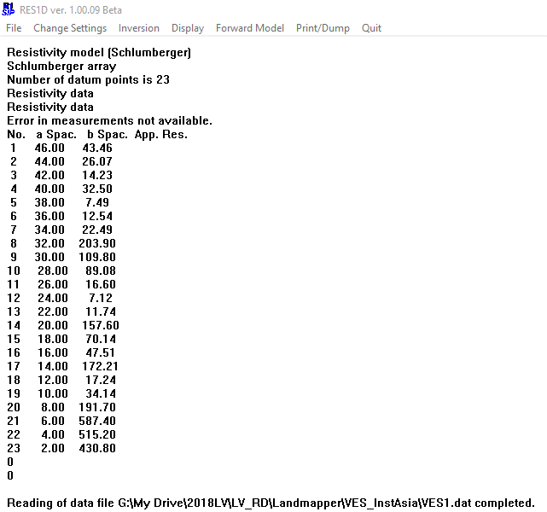

Go Inversion/Automatic Inversion to run inversion and create .INV file

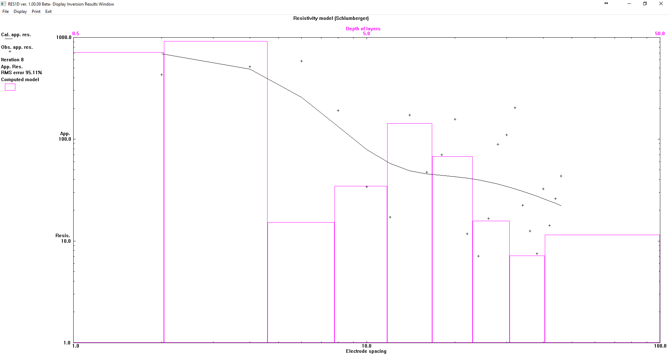

 | Based on automatic model you can also refine layers that program created

 | after looking at preliminary model, you can run Inversion/User inversion inputting layers from the automatic model
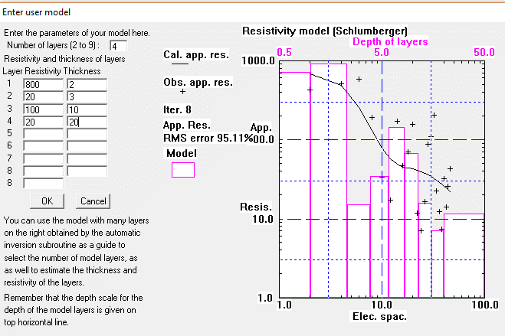

 | user model with 4 layers
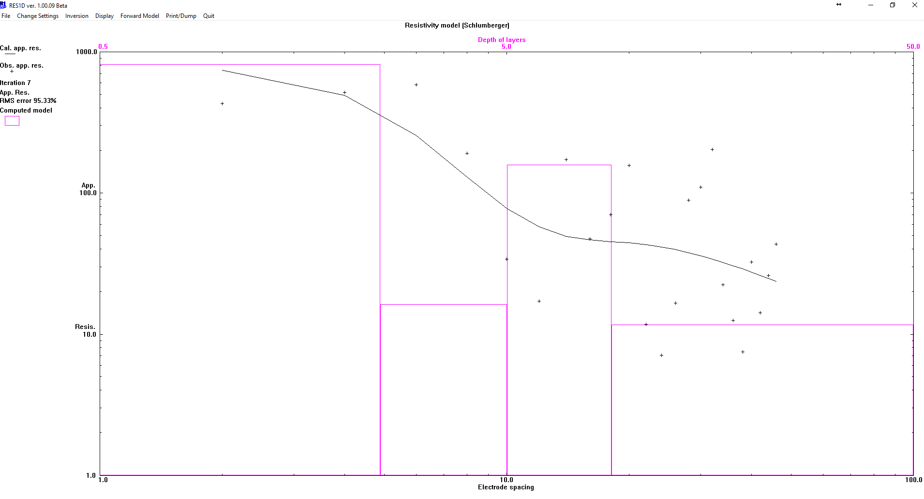

You can also go to the .INV file, open it in Notepad, scroll down to the last iteration and copy results. Paste it in Excel spreadsheet - it all would paste in one column. Select that column and in Excel go to Data/Text to Columns.

Iteration | 8
Layer | Resistivity | Thickness
 | 1 | 714.301 | 1.02
 | 2 | 916.935 | 1.275
 | 3 | 15.252 | 1.594
 | 4 | 34.716 | 1.992
 | 5 | 142.408 | 2.49
 | 6 | 67.361 | 3.113
 | 7 | 15.694 | 3.891
 | 8 | 7.171 | 4.864
 | 9 | 11.525
Data | Spacing | App. | Res.
 | 1 | 2 | 2 | 691.634
 | 2 | 4 | 2 | 487.71
 | 3 | 6 | 2 | 257.552
 | 4 | 8 | 2 | 132.77
 | 5 | 10 | 4 | 79.327
 | 6 | 12 | 4 | 57.826
 | 7 | 14 | 4 | 48.884
 | 8 | 16 | 4 | 45.509
 | 9 | 18 | 4 | 44.079
10 | 20 | 6 | 42.99
11 | 22 | 6 | 41.597
12 | 24 | 6 | 39.935
13 | 26 | 6 | 38.123
14 | 28 | 6 | 36.244
15 | 30 | 6 | 34.356
16 | 32 | 6 | 32.504
17 | 34 | 6 | 30.728
18 | 36 | 6 | 29.051
19 | 38 | 6 | 27.484
20 | 40 | 6 | 26.029
21 | 42 | 6 | 24.686
22 | 44 | 6 | 23.449
23 | 46 | 6 | 22.314
Resistivity | % | RMS | error
95.109

manually adjust columns and calculate layer depths
 | Iteration | 8
 | Layer | Resistivity | Thickness | Depth | Resistivity
 | 1 | 714.301 | 1.02 | 1.02 | 714.301
 | 2 | 916.935 | 1.275 | 2.295 | 916.935
 | 3 | 15.252 | 1.594 | 3.889 | 15.252
 | 4 | 34.716 | 1.992 | 5.881 | 34.716
 | 5 | 142.408 | 2.49 | 8.371 | 142.408
 | 6 | 67.361 | 3.113 | 11.484 | 67.361
 | 7 | 15.694 | 3.891 | 15.375 | 15.694
 | 8 | 7.171 | 4.864 | 20.239 | 7.171
 | 9 | 11.525 |  |  | 11.525
 | Data | Spacing | App. | Res.
 | 1 | 2 | 2 | 691.634
 | 2 | 4 | 2 | 487.71
 | 3 | 6 | 2 | 257.552
 | 4 | 8 | 2 | 132.77
 | 5 | 10 | 4 | 79.327
 | 6 | 12 | 4 | 57.826
 | 7 | 14 | 4 | 48.884
 | 8 | 16 | 4 | 45.509
 | 9 | 18 | 4 | 44.079
 | 10 | 20 | 6 | 42.99
 | 11 | 22 | 6 | 41.597
 | 12 | 24 | 6 | 39.935
 | 13 | 26 | 6 | 38.123
 | 14 | 28 | 6 | 36.244
 | 15 | 30 | 6 | 34.356
 | 16 | 32 | 6 | 32.504
 | 17 | 34 | 6 | 30.728
 | 18 | 36 | 6 | 29.051
 | 19 | 38 | 6 | 27.484
 | 20 | 40 | 6 | 26.029
 | 21 | 42 | 6 | 24.686
 | 22 | 44 | 6 | 23.449
 | 23 | 46 | 6 | 22.314
 | Resistivity | % | RMS | error
 | 95.109

get data from ERM01
Instead of writing ER values on the paper in the provided tables, you can store ER in LandMapper's memory
You still need to keep track of what cell # starts new VES profile and which K values had you used (this K values are stored indefinetely, but don't change K in the middle of field trip)

Good field practice:
If you wish to relay on stored ER data, make sure to set up data connection to your computer BEFORE you head to the field!
you can store some mock data and do download and memory clean up before you go out and start collecting real data!

Also clean up ERM-01 memory from all mock data before actual field session, so you don’t get confused which data are those!

To connect LandMapper to computer:
1. Connect Landmapper to Serial port on your PC (either dierectly or with USB-to-serial converter)
2. On the USB-stick in 0WORKSHOP folder double-click getdata_ERM01.exe
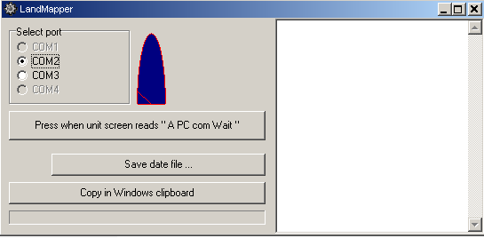

3. On device navigate to "A PC com Wait" prompt and press respective buttom above on PC. |  | Note: | With USB-to-Serial converter go to Control Panel/System/Hardware/Device Manager and check which Com port it installs. If it installs to the port >com4, right click on it, go to Properties/Port Settings/Advanced and check for available com1-4, then change it. Mine actually first installed on com9, but com1 was free. Those instructions are for Windows XP.
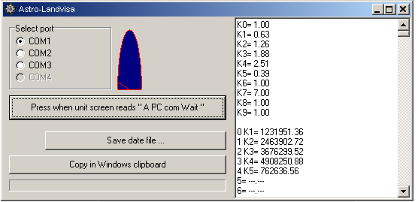

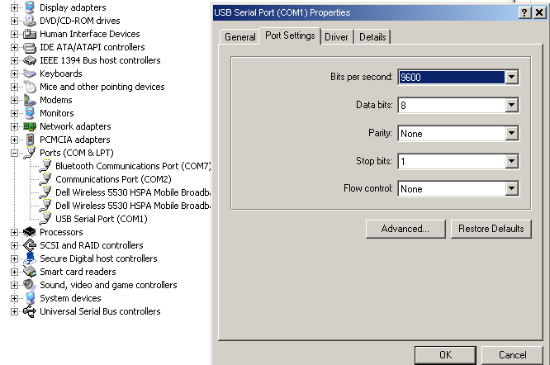

4. All the data will be listed in right window.
5. You can save data file or copy in windows clipboard and paste in this Excel file.
It is better to save in file (IZM.txt) and then open in excel.
 | 1. File is saved as default in the same folder as getdata_ERM01.exe
 | 2. In Excel File/Open, navigate to file (show all).
 | 3. Import as Tab and space delimited (example in IZM sheet).

