Iter1
LOC Evaluation for Iteration1

# | Screen / Function | Feature | Screen/Function Description | In Charge | Status | SRS | SDS | Notes
1 | Screen Login | UI | Design UI for login | Cường | Done | II.1 | III.4
2 | Screen Register | UI | Design UI for register | Cường | Done | II.1 | III.4
3 | Home Screen | UI | Design UI for home screen | Cường | Done | II.1 | III.4
4 | List Item Screen | UI | Design UI for list item screen | Cường | Done | II.1 | III.4
5 | Detail Item Screen | UI | Design UI for detail item screen | Cường | Done | II.1 | III.4
6 | About Us Screen | UI | Design UI for about screen | Cường | Doing | II.1 | III.4
7 | Contact Us Screen | UI | Design UI for contact screen | Cường | Doing | II.1 | III.4
8 | Dashboard Screen | UI/Admin | Design UI for dashboard screen(Overview revenue, users, products, ...) | Cường | Done | II.3 | III.6
9 | Cart Screen | UI/User | Design UI for cart screen (Order, Order Detail, ...) | Cường | Doing | II.3 | III.6
10 | 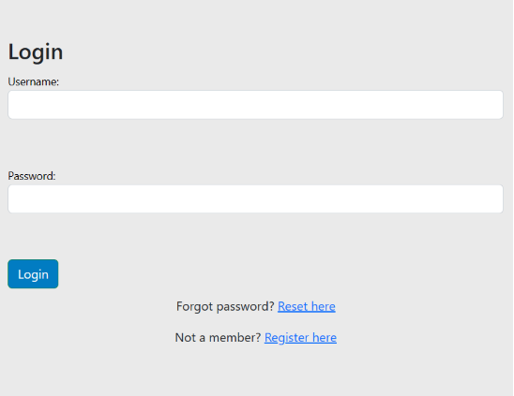 | Client Login | Login with email,password | Tùng | Done | IlI.1.1
11 | 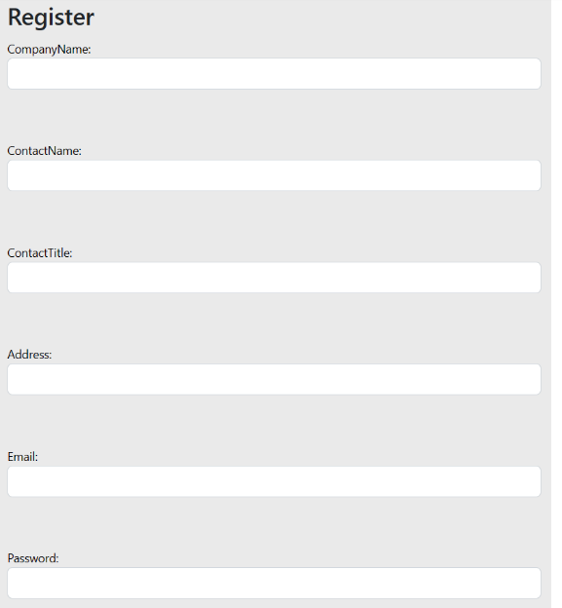 | Client Register | Register an account | Tùng | Done | IIl.1.2
12 |  | Client Forgot Password | Enter email to reset new password | Tùng | Done | IIl.1.3
13 | 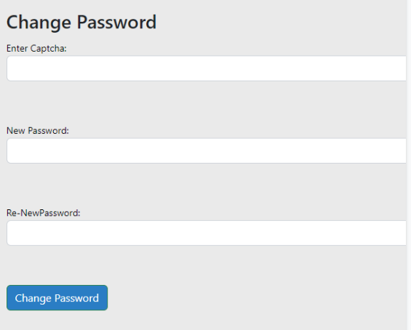 | Client Change Password | Change new password | Tùng | Done | IIl.1.4
14 | Authorization | Function | Check permission of account | Tùng | Doing | II.1
15 | 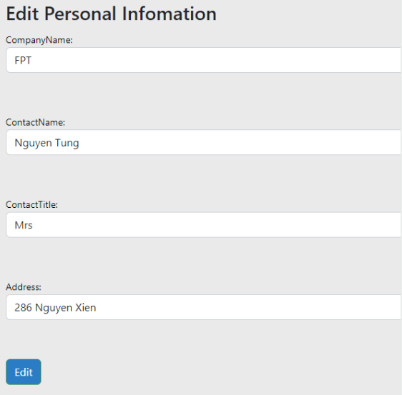 | Client Edit Profile | Edit personal infomation | Tùng | Done | IlI.1.5
16 | Order Product | Function | Buy a product | Tùng | To Do | II.3
17 | Shopping Cart | Function | View cart | Tùng | To Do | II.3
18 | Order Detail | Function | View an order detail | Tùng | To Do | II.3
19 | Order List | Function | View list order | Tùng | To Do | II.3
20
21 | I. Introduce | DOC | Purpose | Lân | Done | I.1
22 | I. Introduce | DOC | Scope | Lân | Done | I.2
23 | I. Introduce | DOC | Glossary | Lân | Done | I.3
24 | I. Introduce | DOC | Bibliography | Lân | Done | I.4
25 | I. Introduce | DOC | General | Lân | Done | I.5
26 | II. Functional requirements | DOC | 1. Agents | Lân | Done | II.1
27 | II. Functional requirements | DOC | 2.The functions of the system | Lân | Done | II.2
28 | II. Functional requirements | DOC | 3.Overview use case chart | Lân | Done | II.3
29 | II. Functional requirements | DOC | 4.Decay use case chart | Lân | Done | II.4
30 | II. Functional requirements | DOC | 5.Business process | Lân | Done | II.5
31 | III. Specification of usecase | DOC | Login | Ninh | Done | II.1 | III.4
32 | III. Specification of usecase | DOC | Product | Ninh | Done | II.1 | III.4
33 | III. Specification of usecase | DOC | Order | Ninh | Done | II.1 | III.4
34 | III. Specification of usecase | DOC | Main Screen | Ninh | Done | II.1 | III.4
35 | III. Specification of usecase | DOC | User management | Ninh | Done | II.1 | III.4
36 | III. Specification of usecase | DOC | Product management | Ninh | Done | II.1 | III.4
37 | III. Specification of usecase | DOC | Orders management | Ninh | Done | II.1 | III.4
38 | III. Specification of usecase | DOC | Dashboard | Ninh | Done | II.1 | III.4
39 | III. Specification of usecase | DOC | Q&A management | Ninh | Done | II.1 | III.4
40 | III. Specification of usecase | DOC | News management | Ninh | Done
41 | Admin | Dashboard | Overview revenue, users, products,... | Hòa | Done | II.3 | III.6
42 | Admin | Product | View products | Hò̀a | Done | II.4 | III.7
43 | Admin | Category | View categories | Hòa | Done | II.5 | III.8
44 | Admin | Users | View users | Hòa | Done | II.5 | III.8
45 | Admin | Employee | View, add, deactive, edit role employees | Hòa | Done | II.6 | III.9
46 | Admin | Customer | Active/Deactive, manage self-orders | Hòa | Done | II.7 | III.10
47 | Employee | Manage Product & Category | Add, hide, edit product | Hòa | Done | II.8 | III.11
48 | Employee | Manage News | View, add, hide, edit news | Hòa | To Do | II.9 | III.12
49 | Employee | Manage Users | View, active/deactive users | Hòa | Done | II.10 | III.13
50 |  |  |  |  | To Do | II.11 | III.14
51 |  |  |  |  | To Do | II.12 | III.15
52 |  |  |  |  | To Do | II.13 | III.16
53 |  |  |  |  | To Do | II.14 | III.17
54 |  |  |  |  | To Do | II.15 | III.18

