Strength
Probability of failure
Input:
Mean of stress | 200.000
Standard deviation of stress | 50.000
Mean of strength | 300.000
Standard deviation of strength | 20.000
Output:
Mean of margin of safety | 100.000
Standard deviation of margin of safety | 53.852
Probability of failure | 0.032 | if 0.023 then 2.3% chance of failure, 2.3 components of 100 expected to fail

Stress transformation
Input:
Sigma xx | 0.000
Sigma yy | 0.000
Sigma xy | 60.000
Angle of rotation (degrees) | 60.000
Output:
Sigma xx prime | 51.962
Sigma yy prime | -51.962
Sigma xy prime | -30.000

Principal stresses for plane stress
Input:
Sigma_x | 0.000
Sigma_y | 0.000
Tau_xy | 50.000
Output:
Centre | 0.000 | on sigma axis on mohr circle
Radius | 50.000 | radius of mohr circle
Principal stresses:
Sigma_1 | 50.000 | largest normal stress
Sigma_2 | -50.000 | smallest normal stress
Sigma_3 | 0.000 | always zero (plane stress)
Yield criteria:
Maximum shear stress | 50.000 | AKA Tresca
Von Mises stress | 86.603 | AKA distortion energy

S-N curve using only Sut
Input: |  | N (# cycles) | log10(N) | log10(Sy) | Sf (MPa)
Sut [MPa] | 590.000 | 1000 | 3 | 2.708 | 510.92
Cycles N ( 10^3 < N <10^6 ) | 2.000 | 10000 | 4 | 2.558 | 361.04
Ka.Kb.Kc.Kd.Ke.Kf | 0.611 | 100000 | 5 | 2.407 | 255.13
Output: |  | 1000000 | 6 | 2.256 | 180.29
Se_prime | 295.000
Se | 180.289
Sigma_F | 935.000
b | -0.080
f | 0.866
Sf at 1000 cycles [MPa] | 510.916
Sf at million cycles [MPa] | 180.289
a | 1447.869
b | -0.151
Sf at required # cycles in cell B41 | 1304.175

Marin factors
Input:
Sut (MPa) | 590.000
Equivalent diameter (mm) | 30.000
Temperature (degrees C): 20<T<550 | 20.000
Reliability (%) | 99.990
Output: |  | use the below marin factors to calculate the Ka.Kb.Kc.Kd.Ke.Kf for the specific case
Ka polished | 1.000 | note: cell 43 does not auto update
Ka ground | 0.900
Ka machined or cold-drawn | 0.761
Ka hot-rolled | 0.610
Ka as-forged | 0.436 | worst surface finish
Kb bending & torsion | 0.864
Kb axial | 1.000
Kc bending | 1.000
Kc axial | 0.850
Kc torsion | 0.590 |  |  |  | 0.46190116068
Kd | 1.001
Ke | 0.702
Ka.Kb.Kc.Kd.Ke : machined + bending | 0.462
Ka.Kb.Kc.Kd.Ke : hot-rolled + bending | 0.371

Fatigue stress concentration factors Kf & Kfs
Input:
Sut [MPa] | 590.000
Notch radius [mm] | 1.500
Kt | 1.963
Kts | 1.563
Output: | Bending & Axial | Shear
sqrt(a [mm]) | 0.385 | sqrt(a[mm]) | 0.289
q | 0.761 | q | 0.809
Kf | 1.733 | Kfs | 1.456

Fatigue safety factors
Input:
Sut | 770.000
Se | 235.300
Sy | 690.000
Midrange stress component | 233.480
Amplitude stress component | 233.480
Output:
Safety factor (nf) Goodman | 0.772
Safety factor (nf) Gerber | 0.928
Safety factor (nf) ASME | 0.954

Combination of loading modes (Eqs.6-55 and 6-56)
Input: |  | Kf
Alternating bending stress | 60.000 | 1.4
Alternating axial stress | 0.000 | 1.1
Alternating torsion stress | 25.000 | 2
Midrange bending stress | 0.000 | 1.4
Midrange axial stress | 20.000 | 1.1
Midrange torsion stress | 25.000 | 2
Output:
Effective alternating stress | 120.648
Effective midrange stress | 89.353

SCF
Formulas and pictures from https://amesweb.info/stress-concentration-factor-calculator/formulas.aspx

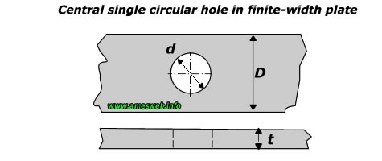
Stress concentration factor Kt for a plate with a circular hole
Width of plate ( D ) | 25
Thickness of plate ( t ) | 10
Diameter of hole ( d ) | 6
Load ( P ) | 28000
Nominal stress at hole | 147.36842105
Stress concentration Kt | #NAME? | #NAME?
Maximum stress at hole | #NAME?

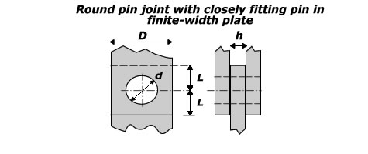
Stress concentration factors Kt for a plate with a round pin joint (L/D>1) in tension
Width of plate ( D ) | 50
Thickness of plate ( h ) | 10
Diameter of hole ( d ) | 20
Load ( P ) | 15000
Nominal tension stress | 50
Stress concentration Kta | #NAME? | #NAME?
Maximum tensile stress | #NAME?
Nominal bearing stress | 75
Stress concentration Ktb | #NAME? | #NAME?
Maximum bearing stress | #NAME?

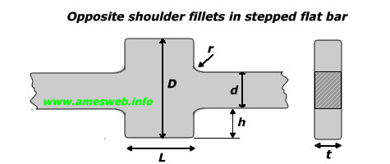
Stress concentration factor Kt in a flat bar with shoulder fillets loaded in tension
Width of wide section ( D ) | 40
Width of narrow section ( d ) | 20
Fillet radius ( r ) | 5
Thickness of plate ( t ) | 10
Load ( P ) | 50000
Nominal stress in narrow section | 250
Stress concentration Kt | #NAME? | #NAME?
Maximum stress at fillet | #NAME?

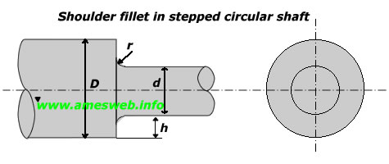
Stress concentration factor Kt for a stepped shaft in tension
Diameter of small section ( d ) | 20
Diameter of large section ( D ) | 40
Fillet radius ( r ) | 4
Load ( P ) | 20000
Nominal stress in small section | 63.661977237
Stress concentration Kt | #NAME? | #NAME?
Maximum stress at fillet | #NAME?

Stress concentration factor Kt for a stepped shaft in torsion
Diameter of small section ( d ) | 35
Diameter of large section ( D ) | 40
Fillet radius ( r ) | 1.5
Torque ( T ) | 0
Nominal stress at narrow section | 0
Stress concentration Kts | #NAME? | #NAME?
Maximum stress at fillet | #NAME?

Stress concentration factor Kt for plate with hole in bending
Plate width ( D ) | 80
Plate thickness ( t ) | 10
Hole diameter ( d ) | 30
Bending moment ( M ) | 100000
Nominal stress at hole | 3.7113402062
Stress concentration at hole | 2 | Not a function of geometry: always equal to 2
Maximum stress at hole | 7.4226804124
Maximum stress at edge | 9.8969072165 | Maximum stress at edge equals maximum nominal stress at edge

Stress concentration factor Kt for stepped shaft in bending
Diameter of small section ( d ) | 35
Diameter of large section ( D ) | 40
Fillet radius ( r ) | 1.5
Bending moment (M) | 100000
Nominal stress in narrow section | 23.757239319
Stress concentration Kt | #NAME? | #NAME?
Maximum stress at fillet | #NAME?

Shafts
Shaft design
Input
Sut | 590 | MPa
Sy | 490 | MPa | Marin factors
ka.kb.kc.kd.ke.kf | 0.45721454336 |  | Input:
Ma | 100000 | Nmm | Sut (MPa) | 590.000
Mm | 0 | Nmm | Equivalent diameter (mm) | 33.000
Ta | 0 | Nmm | Temperature (degrees C): 20<T<550 | 20.000
Tm | 500000 | Nmm | Reliability (%) | 99.990
Kf | 1.732860296 |  | Output: |  | use the below marin factors to calculate the Ka.Kb.Kc.Kd.Ke.Kf for the specific case
Kfs | 1.4556416035 |  | Ka polished | 1.000 | note: cell 43 does not auto update
d | 35 | mm | Ka ground | 0.900
 |  |  | Ka machined or cold-drawn | 0.761
Output |  |  | Ka hot-rolled | 0.610
Maximum Von Mises stress | 155.300 | MPa | Ka as-forged | 0.436 | worst surface finish
Yield n_y | 3.155 |  | Kb bending & torsion | 0.855
 |  |  | Kb axial | 1.000
Se prime | 295 | Mpa | Kc bending | 1.000
Se | 134.87829029 | MPa | Kc axial | 0.850
DE-Goodman |  |  | Kc torsion | 0.590
Infinite life n_f | 1.7888207704 |  | Kd | 1.001
 |  |  | Ke | 0.702
DE-Gerber |  |  | Ka.Kb.Kc.Kd.Ke : machined + bending | 0.458
A | 346572.05919 |  | Ka.Kb.Kc.Kd.Ke : hot-rolled + bending | 0.367
B | 1260622.6075
Infinite life n_f | 2.2283370271

DE-ASME Elliptic
Infinite life n_f | 2.3152538019 |  | S-N curve using only Sut
 |  |  | Input: |  | N (# cycles) | log10(N) | log10(Sy) | Sf (MPa)
 |  |  | Sut [MPa] | 590.000 | 1000 | 3 | 2.708 | 510.92
 |  |  | Cycles N ( 10^3 < N <10^6 ) | 2.000 | 10000 | 4 | 2.516 | 327.75
 |  |  | Ka.Kb.Kc.Kd.Ke.Kf | 0.457 | 100000 | 5 | 2.323 | 210.25
 |  |  | Output: |  | 1000000 | 6 | 2.130 | 134.88
 | log10(Sy)
3 | 2.708
4 | 2.558
5 | 2.407
6 | 2.256
 |  |  | Se_prime | 295.000
 |  |  | Se | 134.878
 |  |  | Sigma_F | 935.000
 |  |  | b | -0.080
 |  |  | f | 0.866
 |  |  | Sf at 1000 cycles [MPa] | 510.916
 |  |  | Sf at million cycles [MPa] | 134.878
 |  |  | a | 1935.338
 |  |  | b | -0.193
 |  |  | Sf at required # cycles in cell B41 | 1693.236

Static spring
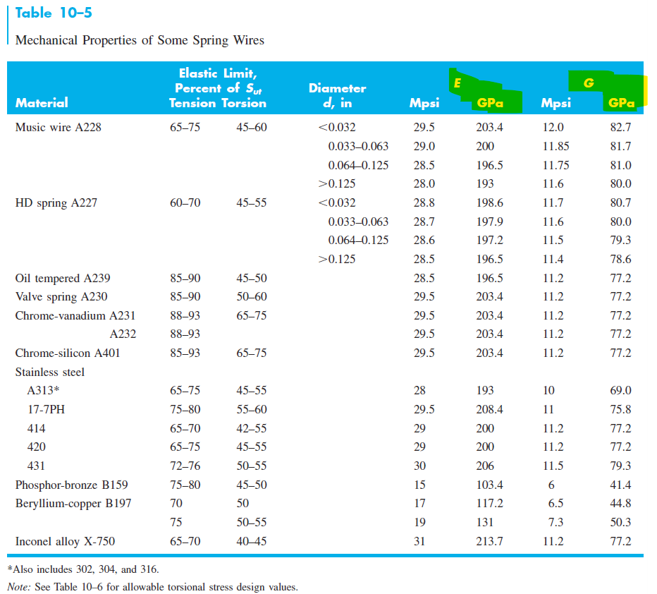
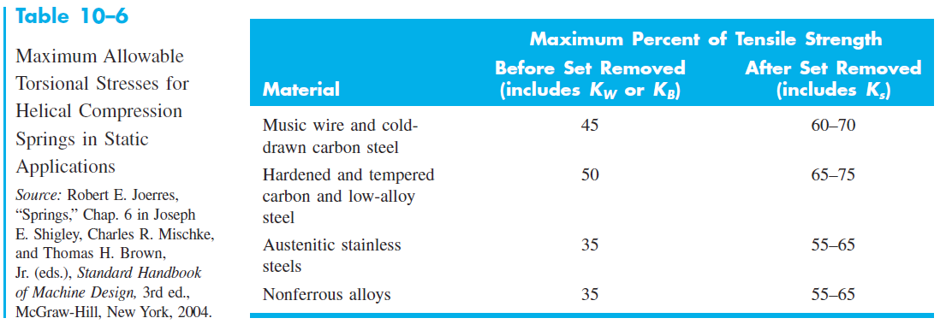
Static spring design |  |  | https://www.thespringstore.com/standard-spring-wire-diameter-sizes.html
Input
d (mm) | 1.6 | 1.7 | 1.8 | 1.9 | 2.03 | 2.1 | 2.3 | 2.4
G (MPa) | 81000 | 81000 | 81000 | 81000 | 81000 | 81000 | 81000 | 81000 | Music wire
E (MPa) | 196500 | 196500 | 196500 | 196500 | 196500 | 196500 | 196500 | 196500 | Music wire
n_s | 1.2 | 1.2 | 1.2 | 1.2 | 1.2 | 1.2 | 1.2 | 1.2
xi | 0.15 | 0.15 | 0.15 | 0.15 | 0.15 | 0.15 | 0.15 | 0.15
F_max (N) | 90 | 90 | 90 | 90 | 90 | 90 | 90 | 90
Delta_max (mm) | 50.8 | 50.8 | 50.8 | 50.8 | 50.8 | 50.8 | 50.8 | 50.8
Ne | 2 | 2 | 2 | 2 | 2 | 2 | 2 | 2 | Squared and ground; Squared or Closed
A | 2211 | 2211 | 2211 | 2211 | 2211 | 2211 | 2211 | 2211 | Music wire
m | 0.145 | 0.145 | 0.145 | 0.145 | 0.145 | 0.145 | 0.145 | 0.145 | Music wire
Constant | 0.45 | 0.45 | 0.45 | 0.45 | 0.45 | 0.45 | 0.45 | 0.45 | Fraction of Sut to compute Ssy
alpha | 0.5 | 0.5 | 0.5 | 0.5 | 0.5 | 0.5 | 0.5 | 0.5 | Buckling end condition: between parallel plates
Output
Sut (MPa) | 2065.34 | 2047.26 | 2030.37 | 2014.51 | 1995.27 | 1985.49 | 1959.47 | 1947.41
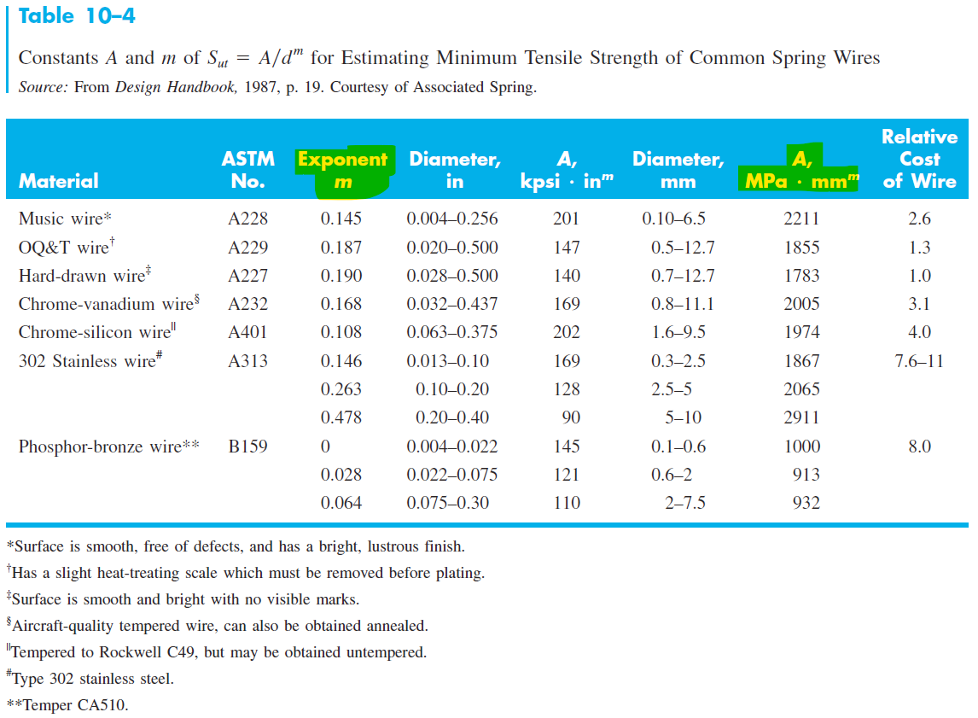
Ssy (MPa) | 929.40 | 921.27 | 913.66 | 906.53 | 897.87 | 893.47 | 881.76 | 876.34
alpha | 774.50 | 767.72 | 761.39 | 755.44 | 748.23 | 744.56 | 734.80 | 730.28
beta | 102.95 | 91.20 | 81.35 | 73.01 | 63.96 | 59.76 | 49.82 | 45.76
C | 6.10 | 7.02 | 7.98 | 8.98 | 10.35 | 11.12 | 13.42 | 14.64 | 4<C<12 ?
D (mm) | 9.76 | 11.93 | 14.36 | 17.07 | 21.01 | 23.35 | 30.88 | 35.14
OD (mm) | 11.36 | 13.63 | 16.16 | 18.97 | 23.04 | 25.45 | 33.18 | 37.54
ID (mm) | 8.16 | 10.23 | 12.56 | 15.17 | 18.98 | 21.25 | 28.58 | 32.74
Na | 40.33 | 28.10 | 20.24 | 14.98 | 10.46 | 8.73 | 5.43 | 4.37 | 3<Na<15 ?
Nt | 42.33 | 30.10 | 22.24 | 16.98 | 12.46 | 10.73 | 7.43 | 6.37
Ls (mm) | 67.73 | 51.17 | 40.03 | 32.26 | 25.29 | 22.54 | 17.10 | 15.29 | Plain & Ground; Square & Ground
 | 69.33 | 52.87 | 41.83 | 34.16 | 27.32 | 24.64 | 19.40 | 17.69 | Plain; Squared or Closed
L0 (mm) | 126.15 | 109.59 | 98.45 | 90.68 | 83.71 | 80.96 | 75.52 | 73.71 | Plain & Ground; Square & Ground
 | 127.75 | 111.29 | 100.25 | 92.58 | 85.74 | 83.06 | 77.82 | 76.11 | Plain; Squared or Closed
(L0)cr (mm) | 49.21 | 60.18 | 72.45 | 86.09 | 105.98 | 117.76 | 155.73 | 177.24 | (Lo)cr > Lo ?
Volume (mm^3) | 2608.83 | 2560.93 | 2554.10 | 2581.18 | 2662.20 | 2726.78 | 2995.68 | 3180.98 | Volume

Fatigue spring
Fatigue spring design: Zimmerli data
 |  |  | n_f
 | Analysis method | Goodman | 2.00
Input
d (mm) | 3.00 | 3.50 | 4.00 | 4.50 |  | Spring loading frequency (Hz) | 3.00 | 15 times | 45
D (mm) | 9.24 | 17.39 | 28.05 | 41.79 | 0 | 0 | 0 | 20 times | 60
G (MPa) | 77200.00 | 77200.00 | 77200.00 | 77200.00 | Music wire
E (MPa) | 203400.00 | 203400.00 | 203400.00 | 203400.00 | Music wire
A | 2005.00 | 2005.00 | 2005.00 | 2005.00 | Music wire
m | 0.168 | 0.168 | 0.168 | 0.168 | Music wire
xi AKA ξ | 0.15 | 0.15 | 0.15 | 0.15
F_min (N) | 80.00 | 80.00 | 80.00 | 80.00
F_max (N) | 320.00 | 320.00 | 320.00 | 320.00
Delta_min (mm) | 4.00 | 4.00 | 4.00 | 4.00
Delta_max (mm) | 16.00 | 16.00 | 16.00 | 16.00
Ne | 2.00 | 2.00 | 2.00 | 2.00
Constant | 0.5 | 0.5 | 0.5 | 0.5 | Fraction of Sut to compute Ssy
alpha | 0.50 | 0.50 | 0.50 | 0.50 | End condition: between parallel plates
S_sa (MPa) | 241.00 | 241.00 | 241.00 | 241.00 | Zimmerli data unpeened (change if peened)
S_sm (MPa) | 379.00 | 379.00 | 379.00 | 379.00 | Zimmerli data unpeened (change if peened)
Density (kg/m^3) | 7860 | 7860 | 7860 | 7860 | Normally steel is 7800
Output
Sut (MPa) | 1667.09 | 1624.47 | 1588.43 | 1557.31
Ssy (MPa) | 833.54 | 812.23 | 794.22 | 778.65
S_su (MPa) | 1116.95 | 1088.39 | 1064.25 | 1043.40
C | 3.08 | 4.97 | 7.01 | 9.29 | 4<C<12 ?

OD (mm) | 12.24 | 20.89 | 32.05 | 46.29
ID (mm) | 6.24 | 13.89 | 24.05 | 37.29 |  |  |  | square
Na | 49.60 | 13.76 | 5.60 | 2.71 | 3<Na<15 ? |  |  | infinit
Nt | 51.60 | 15.76 | 7.60 | 4.71 |  |  |  | 4-6mm
K_B | 1.54 | 1.30 | 1.20 | 1.15 |  |  |  | 80-320N
F_a (N) | 120.00 | 120.00 | 120.00 | 120.00
F_m (N) | 200.00 | 200.00 | 200.00 | 200.00
F_s (N) | 368.00 | 368.00 | 368.00 | 368.00
r | 0.60 | 0.60 | 0.60 | 0.60
tau_a (MPa) | 160.64 | 160.69 | 160.67 | 160.67
tau_m (MPa) | 267.74 | 267.81 | 267.78 | 267.78
tau_s (MPa) | 492.64 | 492.77 | 492.71 | 492.71
n_f Sines | 1.500 | 1.500 | 1.500 | 1.500 | Sines safety factor for infinite life
S_se (MPa) Gerber | 272.36 | 274.26 | 276.00 | 277.63
S_sa (MPa) Gerber | 238.01 | 237.87 | 237.74 | 237.63
n_f Gerber | 1.482 | 1.480 | 1.480 | 1.479 | Gerber safety factor for infinite life
S_se (MPa) Goodman | 364.77 | 369.76 | 374.29 | 378.48
S_sa (Mpa) Goodman | 236.21 | 236.08 | 235.97 | 235.88
n_f Goodman | 1.470 | 1.469 | 1.469 | 1.468 | Goodman safety factor for infinite life
n_s | 1.69 | 1.65 | 1.61 | 1.58 | Solid compression safety factor
Ls (mm) | 154.79 | 55.16 | 30.38 | 21.20 | Plain & Ground; Square & Ground
 | 157.79 | 58.66 | 34.38 | 25.70 | Plain; Squared or Closed
Lo (mm) | 173.19 | 73.56 | 48.78 | 39.60 | Plain & Ground; Square & Ground
 | 176.19 | 77.06 | 52.78 | 44.10 | Plain; Squared or Closed
(Lo)cr (mm) | 48.74 | 91.79 | 148.03 | 220.55 | (Lo)cr > Lo ?
fn (Hz) | 250.06 | 296.54 | 320.39 | 335.25 | fn > at least 15* to 20* the spring's operating frequnecy
Volume (mm^3) | 10583.35 | 8285.66 | 8412.02 | 9836.23

 | current
n_f inputed | 1.470 | 1.469 | 1.469 | 1.468
2.00
input squared | 2.162 | 2.159 | 2.157 | 2.155
4.0000
count: check
4

-7.3670079842
-234.30277068150

Seek n_f

V_M graph
q | 10000
k | 50

F11 | 10000
F3
F12

Veq | V | sign change | M
0 | 0 |  | 0 | 0
0 | 0 |  | 0 | 0
0 | 50 | 1 | 0 | 0
0 | 50 |  | 0 | 0
1 | 50 | 1 | 50 | 50
1 | 50 |  | 50 | 50
1 | -50 | -1 | 50 | 50
1 | -50 |  | 50 | 50
2 | -50 | 1 | 0 | 0
2 | -50 |  | 0 | 0
2 | 0 | 0 | 0 | 0
 |  |  |  | 50

