price
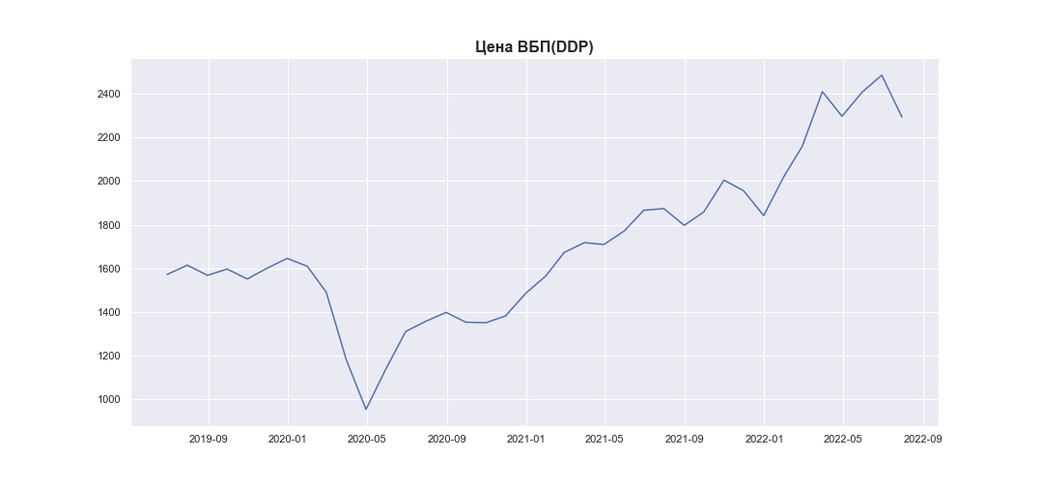
Date | MWP_PRICE_USD_CN
2019-06-30 | 1572.34
2019-07-31 | 1614.82
2019-08-31 | 1568.24
2019-09-30 | 1597.2
2019-10-31 | 1551.67
2019-11-30 | 1600.46
2019-12-31 | 1645.95
2020-01-31 | 1609.98
2020-02-29 | 1491.36
2020-03-31 | 1179.45
2020-04-30 | 953.89
2020-05-31 | 1142.21
2020-06-30 | 1311.35
2020-07-31 | 1358.04
2020-08-31 | 1398.5
2020-09-30 | 1353.52
2020-10-31 | 1351.33
2020-11-30 | 1382.08
2020-12-31 | 1485.89
2021-01-31 | 1566.24
2021-02-28 | 1673.35
2021-03-31 | 1718.26
2021-04-30 | 1709.69
2021-05-31 | 1771.54
2021-06-30 | 1866.49
2021-07-31 | 1874.27
2021-08-31 | 1797.38
2021-09-30 | 1858.37
2021-10-31 | 2004.66
2021-11-30 | 1956.25
2021-12-31 | 1842.03
2022-01-31 | 2021.59
2022-02-28 | 2159.16
2022-03-31 | 2410.13
2022-04-30 | 2297.45
2022-05-31 | 2408.07
2022-06-30 | 2485.74
2022-07-31 | 2293.55

