Sheet1
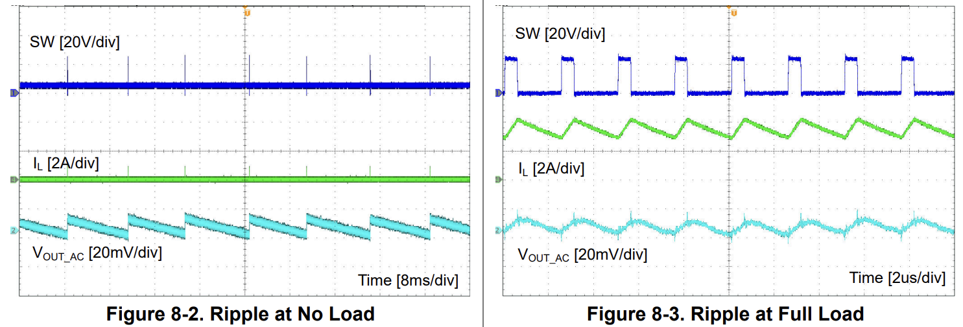
Feedback calculator |  |  | Efficiency calculations |  |  | Duty cycle |  |  | Inductor ripple current |  |  | Shunt resistor calculation
Vout | 10.21 |  | Efficiency | 0.8 | %/100 | Vout | 24 | V | Vin max | 42 | V | V sense max | 0.16384
R1 | 8 |  | Vout | 24 | V | Vin max | 42 | V | Vout | 24 | V | I max | 2
R2 | 2.21 |  | Iout | 3.5 | A | Efficiency | 0.8 | %/100 | Switching freq. | 400000 | Hz | Rshunt | 0.08192
 |  |  | Thermal factor | 48.5 | °C/W | Duty cycle | 0.71428571429 |  | Inductor value | 0.000033 | H | Power | 0.32768
 |  |  | Pout | 84 | W |  |  |  | Duty cycle | 0.71428571429 | %/100
Total efficiency calculation |  |  | Pin | 105 | W |  |  |  | Ripple current | 0.77922077922 | A
Efficiency each stage | 80 | % | Ploss | 21 | W
Current | 2 | A | Heat | 1018.5 | °C
Bus voltage | 36 | V | Total Heat | 1043.5 | °C
Drop 1 | 24 | V
Drop 2 | 19 | V
Drop 3 | 16 | V
Drop 4 | 12 | V | Inductor minimum value |  |  | LRM51635 FB resistor calculation |  |  | Max output current of IC
Drop 5 | 5 | V | Vin | 42 | V | Ref voltage | 0.8 | V | Ripple current | 0.77922077922 | A
Power 1 | 1920 | W | Vout | 24 | V | Vout | 19 | V | I lim | 2 | A
Power 2 | 1520 | W | Ripple current | 3.5 | A | RFBB | 10200 | R | Iic max | 1.6103896104 | A
Power 3 | 1280 | W | Switching freq. | 400000 | Hz | RFBT | 232050 | R
Power 4 | 960 | W | Min value | 0.00002449 | H
Power 5 | 400 | W
Ideal Power | 6080 | W
Actual Power | 7600 | W

 |  |  | INA219 calculations |  |  | Current measurement |  |  | LED current measurement
 |  |  | Rshunt | 0.002 | R | step | 45 | Mv/A | Imax | 0.005 | A
 |  |  | Max current | 3.5 | A | Voltage | 2.585 | V | Voltage | 40 | V
 |  |  | Current LSB | 0.00010681152344 |  | current | 1.7444444444 | A | Resistor | 8000 | R

