1. Title Page
[Instacart Basket Analysis]

Project Name: Instacart Basket Analysis
Date: 09/21/2023
Analyst Name: Lara Ljumovic

Contents:
Population Flow
Consistency checks
Wrangling steps
Column derivations
Visualizations
Recommendations

Data citation:
Datasets used in this project were part of datasets "The Instacart Online Grocery Shopping Dataset 2017”, accessed from www.instacart.com/datasets/grocery-shopping-2017 via Kaggle on 09/21/2023.
Note: Customer data explored in Exercises 4.9 and 4.10, as well as the “prices” column in the products data set, were both fabricated for the purpose of this courseThis analysis was conducted for learning purposes and not for a real client.

2. Population Flow
Title page

Population flow

Exclusion flag
Condition: max_order < 5
Obervations to be removed: 1441548
Final total count of order_products_all: 30992664

1.) The grey boxes in the first row of the population flow represent the original data sets as they were when downloaded. Total fields contain count of the rows when dataset was imported the into Jupyter.
2.) The second row of boxes (coloured) represents the data sets after manipulation, e.g., removed missing values and duplicates. Total fields contain count of the rows after conducting these operations. This offers a visual oveview of how the data flows throughout the data consistency checks.
3.) The third row, where also the arrows are coloured, represents the merges performed between the datasets. Total fields contain count of the rows in the merged datasets. In the red box final dataset is shown with Total field containing number of rows. Final dataset is without exclusions (based on the exclusion flag).

orders_products_combined
orders_products_merged
orders_products_all

Total: 32434212
Total: 32434489
Total: 32434212

3. Consistency checks
 |  |  |  | Title page
Consistency checks

Dataset | Missing values | Missing values treatment | Duplicates
orders | 206209 NaN in column 'days_since_prior_order'. | Left all as they were. They represent first order of a new costumer. | None.
products | 16 in column 'product_name'. | Removed all. | 5 duplicates removed.
orders_products_prior | None. | N/A | None.
customers | 11259 NaN in column first_name | Left all as they were. | None.

4. Wrangling steps
 |  |  |  |  |  | Title page
Wrangling steps

Dataset | Columns dropped | Columns renamed | Columns' type changed | Columns cleaned | Comment/Reason
orders | eval_set |  |  |  | It was unuseful for analysis.
orders |  | order_dow |  |  | Changed to orders_day_of_week. It had unintuitive name.
orders |  |  | order_id |  | Data type changed from int64 to string, so that it will be excluded in descriptive statistics. Later this wasn't saved properly when data was exported. It is again int64.
orders |  |  | user_id |  | Data type changed from int64 to string, so that it will be excluded in descriptive statistics. Later this wasn't saved properly when data was exported. It is again int64.
orders_products_combined | _merge |  |  |  | This was a merge flag created with "indicator = True", no longer needed after datasets orders_checked and orders_products_prior were combined.
orders_products_merged | _merge |  |  |  | This was a merge flag created with "indicator = True", no longer needed after datasets orders_products_combined and products_checked were combined.
orders_products_new_cols |  |  |  | prices | Prices for items Lowfat 2% Milkfat Cottage Cheese originally priced at 14900.0 and 2 % Reduced Fat Milk originally priced at 99999.0 were changed to value NaN as we are missing information about this prices. All together 5127 rows were updated.
customers |  | First Name |  |  | Changed to first_name. To match format of column names across all datasets.
customers |  | Surnam |  |  | Changed to surname. To match format of column names across all datasets.
customers |  | Gender |  |  | Changed to gender. To match format of column names across all datasets.
customers |  | STATE |  |  | Changed to state. To match format of column names across all datasets.
customers |  | Age |  |  | Changed to age. To match format of column names across all datasets.
customers |  | n_dependants |  |  | Changed to number_of_dependants. For clarification.
customers |  | fam_status |  |  | Changed to marital_status. It had ambiguous name.
customers | date_joined |  |  |  | Unnecessary for further analysis.
customers |  |  | age |  | Data type changed from int64 to int8. To shorten memory usage.
customers |  |  | number-of_dependants |  | Data type changed from int64 to int8. To shorten memory usage.
customers |  |  | user_id |  | Data type changed from int64 to int32. To shorten memory usage.
customers |  |  | income |  | Data type changed from int64 to int32. To shorten memory usage.
orders_products_with_flags_new |  |  | user_id |  | Data type changed from int64 to int32. To shorten memory usage.
orders_products_with_flags_new |  |  |  | mean_price | All values were rounded to 2 decimal places to follow the format of prices in stores.
orders_products_with_flags_new |  |  | orders_day_of_week |  | Data type changed from int64 to int8. To shorten memory usage.
orders_products_with_flags_new |  |  | order_hour_of_day |  | Data type changed from int64 to int8. To shorten memory usage.
orders_products_with_flags_new |  |  | reordered |  | Data type changed from int64 to int8. To shorten memory usage.
orders_products_with_flags_new |  |  | department_id |  | Data type changed from int64 to int8. To shorten memory usage.
orders_products_with_flags_new |  |  | order_number |  | Data type changed from int64 to int16. To shorten memory usage.
orders_products_with_flags_new |  |  | add_to_cart_order |  | Data type changed from int64 to int16. To shorten memory usage.
orders_products_with_flags_new |  |  | aisle_id |  | Data type changed from int64 to int16. To shorten memory usage.
orders_products_with_flags_new |  |  | max_order |  | Data type changed from int64 to int16. To shorten memory usage.
orders_products_with_flags_new |  |  | order_id |  | Data type changed from int64 to int32. To shorten memory usage.
orders_products_with_flags_new |  |  | product_id |  | Data type changed from int64 to int32. To shorten memory usage.
orders_products_with_flags_new |  |  | days_since_prior_order |  | Data type changed from float64 to float32. To shorten memory usage.
orders_products_with_flags_new |  |  | prices |  | Data type changed from float64 to float32. To shorten memory usage.
orders_products_with_flags_new |  |  | mean_price |  | Data type changed from float64 to float32. To shorten memory usage.
orders_products_with_flags_new |  |  | median_days |  | Data type changed from float64 to float32. To shorten memory usage.
orders_products_all | _merge |  |  |  | This was a merge flag created with "indicator = True", no longer needed after datasets orders_products_with_flags_new and customers were combined.
orders_products_all |  |  | order_day_of_week |  | Data type was changed from int8 to string so that renaming of days from numbers to axtual names of days will go smoothly.
orders_products_all |  |  |  | orders_day_of_week | Names of all days in this column represented with numbers 0, 1, … , 6 were change to actual names of days in the week Saturday, Sunday, …, Friday by the key given in Project brief.
orders_products_customers_with_dow_names | add_to_cart_order |  |  |  | Unnecessary for further analysis.
orders_products_customers_with_dow_names | reordered |  |  |  | Unnecessary for further analysis.
orders_products_customers_with_dow_names | aisle_id |  |  |  | Unnecessary for further analysis.
orders_products_customers_with_dow_names | department_id |  |  |  | No longer needed after column 'department' was created.
orders_products_customers_with_dow_names | first_name |  |  |  | Column contained personally identifiable information (PII).
orders_products_customers_with_dow_names | surname |  |  |  | Column contained personally identifiable information (PII).
instacart_high_act_users | income_class_and_age |  |  |  | column was no longer needed.

5. Column derivations
 |  |  |  |  | Title page

Column derivations and aggregations

Dataset | New column | Column/s it was derived from | Conditions | Frequency table
orders_product_merged | price_range | prices | High-range product: prices > 15 Mid-range product: prices >5 & prices <=15 Low-range product: prices <=5 | Mid-range product 21890146 Low-range product 10126384 High-range product 417682
orders_product_merged | busiest_day (This column was dropped later and new busiest_days was created!) | orders_day_of_week | Busiest day: orders_day_of_week = 0 Least busy: orders_day_of_week = 4 Regular day: orders_day_of_week = all other values | Regularly busy 22437387 Busiest day 6209632 Least busy 3787193
orders_product_merged | busiest_days | orders_day_of_week | Busiest days: orders_day_of_week = 0 or 1 Slowest days: orders_day_of_week = 4 or 3 Regular days: orders_day_of_week = all other values | Regularly busy 12927461 Busiest days 11875462 Slowest days 7631289
orders_product_merged | busiest_period_of_day | order_hour_of_day | Most orders: 9 <= order_hour_of_day <= 16 Fewest orders: 0 <= order_hour_of day <=6 or order_hour_of_day = 23 Awerage orders: order_hour_of_day = all other values | Most orders 21137262 Awerage orders 10006752 Fewest orders 1290198
orders_products_new_cols | max_order (Column used to create flag column) | user_id order_number | Maximum number of order for each user. | Maximum number of order for each user.
orders_products_new_cols | loyalty_flag | max_order | Loyal customer: max_order > 40 Regular customer: max_order <= 40 & max_order >10 New customer: max_order <=10 | Regular customer 15891077 Loyal customer 10293737 New customer 6249398
orders_products_new_cols | mean_price (Column used to create flag column) | user_id prices | Mean price of all purchased items for each user. | Mean price of all purchased items for each user.
orders_products_new_cols | spending_flag | mean_price | High spender: mean_price >= 10 Low spender: mean_price < 10 | Low spender 32313492 High spender 120720
orders_products_new_cols | median_days (Column used to create flag column) | user_id days_since_prior_order | Median of days between 2 consecutive orders for each user. | Median of days between 2 consecutive orders for each user.
orders_products_new_cols | order_frequency_flag | median_days | Non-frequent customer: median_days > 20 Regular customer: median_days <= 20 & median_days >10 Frequent customer: median_days <= 10 | Frequent customer 21577409 Regular customer 7217134 Non-frequent customer 3639669
orders_products_customers_with_dow_names | department | department_id dataset department.csv | department_id = index column from department.csv (Data dictionary was used to avoid combining 2 datasets) | department_id = index column from department.csv (Data dictionary was used to avoid combining 2 datasets)
orders_products_customers_with_dow_names | activity_flag | max_order | Low-activity customer: max_order < 5 High-activity customer: max_order >= 5 | High-activity customer 30992664 Low-activity customer 1441548
orders_products_customers_with_dow_names | region | state | Northeast = if state is from list of states 'Northeast' Midwest = if state is from list of states 'Midwest' South = if state is from list of states 'South' West = if state is from list of states 'West' | South 10801610 West 8300445 Midwest 7603810 Northeast 5728347
instacart_high_act_users | age_group | age | Youth: age <= 25 Young adult: age > 25 & age <=44 Middle-age adult: age >44 & age <=60 Older adult: age >60 | Older adult 10121613 Young adult 9222501 Middle-age adult 7780384 Youth 3868166
instacart_high_act_users | family_size | marital_status number_of_dependants | 1: number_of_dependants = 0 2: (number_of_dependants = 1 & marital_status= living with parents and siblings) 3: (number_of_dependants = 2 & marital_status= living with parents and siblings) | (number_of_dependants = 1 & marital_status= married) 4: (number_of_dependants = 3 & marital_status= living with parents and siblings) | (number_of_dependants = 2 & marital_status= married) 5: number_of_dependants = 3 & marital_status=married | 1 7747032 2 508439 3 7702699 4 7744057 5 7290437
instacart_high_act_users | income_class | income family_size | Low income class: (family_size = 1 & income< 26100) | (family_size = 2 & income< 36900) | (family_size = 3 & income< 45200) |(family_size = 4 & income< 52200) | (family_size = 5 & income< 58400) Middle income class: (family_size = 1 & (income>=26100 & income< 78200)) | (family_size = 2 & (income>= 36900 & income< 110700)) | (family_size = 3 & (income>= 45200 & income< 135600)) |(family_size = 4 & (income< 52200 & income< 155600)) | (family_size = 5 & (income< 58400 & income< 175100)) Upper income class: (family_size = 1 & income> 78200) | (family_size = 2 & income> 110700) | (family_size = 3 & income> 135600) |(family_size = 4 & income> 155600) | (family_size = 5 & income> 175100) | Low income class 2806379 Middle income class 20673240 Upper income class 7513045
instacart_high_act_users | part_of_day | order_hour-of_day | Morning: order_hour-of_day >=5 & order_hour-of_day< 11 Mid-day: order_hour-of_day >=11 & order_hour-of_day <17 Late afternoon to early night: order_hour-of_day >=17 & order_hour-of_day<23 Late night: order_hour-of_day>=23 & order_hour-of_day< 5 | Mid-day 15180993 Morning 7908986 Late afternoon to early night 7034570 Late night 868115
instacart_high_act_users | income_class_and_age (This column was dropped later, after customer-profile column was created) | age age_group income_class | Younger adult with low income: age<=44 & income_class = Low income class Younger adult with mid income: age<=44 & income_class = Middle income class Younger adult with high income: age<=44 & income_class = Upper income class Younger adult with low income: age_group =Middle_age adult & income_class = Low income class Younger adult with mid income: age_group =Middle_age adult & income_class = Middle income class Younger adult with high income: age_group =Middle_age adult & income_class = Upper income class Younger adult with low income: age_group =Older adult & income_class = Low income class Younger adult with mid income: age_group =Older adult & income_class = Middle income class Younger adult with high income: age_group =Older adult & income_class = Upper income class | Younger adult with mid income 9802318 Older adult with mid income 6139594 Mid-age adult with mid income 4731328 Older with high income 3324536 Mid-age adult with high income 2537063 Younger adult with high income 1651446 Younger adult with low income 1636903 Older adult with low income 657483 Mid-age adult with low income 511993
instacart_high_act_users | customer_profile | family_size income_class_and_age marital_status income_class | Single younger adult with low income: family_size= 1 & income_class_and_age= Younger adult with low income Single younger adult with mid income: family_size= 1 & income_class_and_age= Younger adult with mid income Single younger adult with highincome: family_size= 1 & income_class_and_age= Younger adult with high income Single mid-age adult with low income: family_size= 1 & income_class_and_age= Mid-age adult with low income Single mid-age adult with mid income: family_size= 1 & income_class_and_age= Mid-age adult with mid income Single mid-age adult with highincome: family_size= 1 & income_class_and_age= Mid-age adult with high income Single older adult with low income: family_size= 1 & income_class_and_age= Older adult with low income Single older adult with mid income: family_size= 1 & income_class_and_age= Older adult with mid income Single older adult with highincome: family_size= 1 & income_class_and_age=Older adult with high income Head of household under 26 with low income: marital_status= living with parents and siblings & income_class= Low income class Head of household under 26 with mid income: marital_status= living with parents and siblings & income_class= Middle income class Head of household under 26 with hifgh income: marital_status= living with parents and siblings & income_class= Uper income class Younger parent with low income: marital_status= married & income_class_and_age= Younger adult with low income Mid-age parent with low income: marital_status= married & income_class_and_age= Mid-age adult with low income Older parent with low income: marital_status= married & income_class_and_age= Older adult with low income Younger parent with mid income: marital_status= married & income_class_and_age= Younger adult with mid income Mid-age parent with mid income: marital_status= married & income_class_and_age= Mid-age adult with mid income Older parent with mid income: marital_status= married & income_class_and_age= Older adult w | Younger parent with mid income 6574611 Older parent with mid income 5735114 Mid-age parent with mid income 4418739 Other customers 3324536 Single younger adult with mid income 1927981 Single mid-age adult with high income 1629572 Younger parent with low income 1470523 Single younger adult with high income 1340989 Head of household under 26 with mid income 1299726 Mid-age parent with high income 907491 Older parent with low income 657483 Mid-age parent with low income 511993 Single older adult with mid income 404480 Single mid-age adult with mid income 312589 Younger parent with high income 293591 Head of household under 26 with low income 166019 Head of household under 26 with high income 16866 Single younger adult with low income 361

6. Visualizations
 | Title page

Visualisations

In this tab you should include all the visualtions from Exercises 4.9 and 4.10, alongside the questions from the project brief that they answer. Include any commentary on the relationship between different variables.

Key Question 1
The sales team needs to know what the busiest days of the week and hours of the day are (i.e., the days and times with the most orders) in order to schedule ads at times when there are fewer orders.

Visualizations: bar_new_orders_dow.png; hist_ord_hour.png

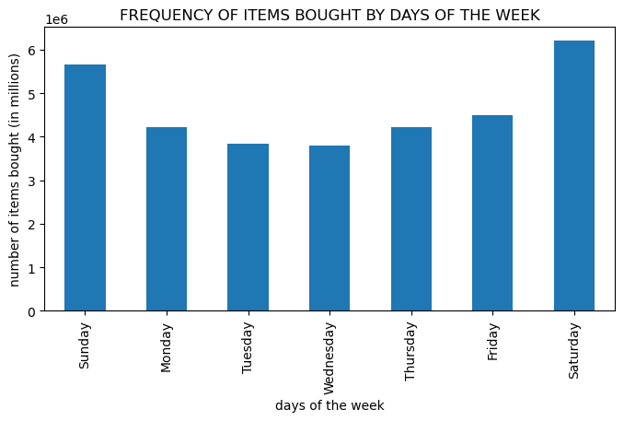
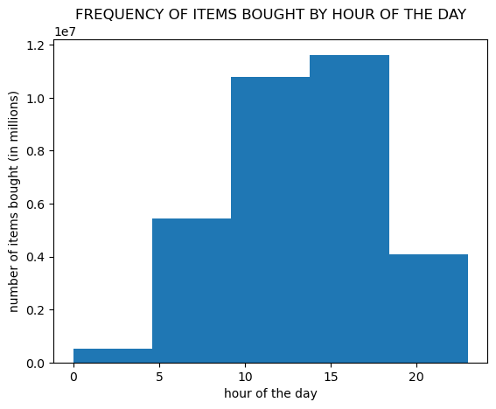

Comment: Busiest days of the week are weekend days, Saturday and Sunday. Slowest days are Tuesday and Wednesday. The busiest hours are from 8 am to 4 pm , and the slowest from 23 to midnight and before 4 am.

Key Question 2
They also want to know whether there are particular times of the day when people spend the most money, as this might inform the type of products they advertise at these times.

Visualizations: line_price_hour.png

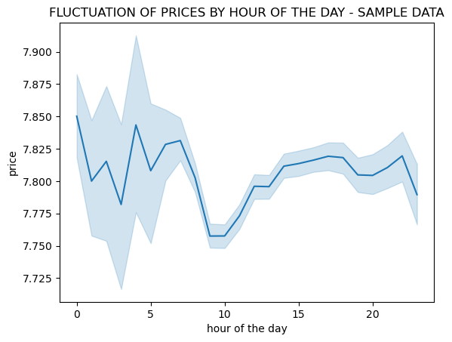
C

Comment: Users tend to buy more expensive items during the night and very early in the morning and cheapest from 7 to 10 am.

Key Question 3
Instacart has a lot of products with different price tags. Marketing and sales want to use simpler price range groupings to help direct their efforts.

Visualizations: bar_price_range.png

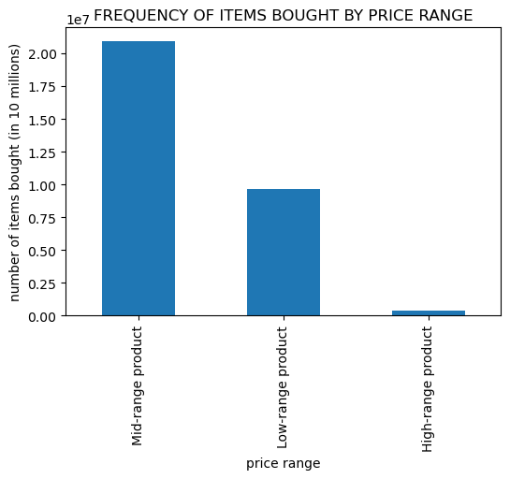

Comment: Most items sold are of mid-range price, more tan double then next category low-range. There are very few high-range products sold.

Key Question 4
Are there certain types of products that are more popular than others? The marketing and sales teams want to know which departments have the highest frequency of product orders.

Visualizations: bar_dep_freq.png

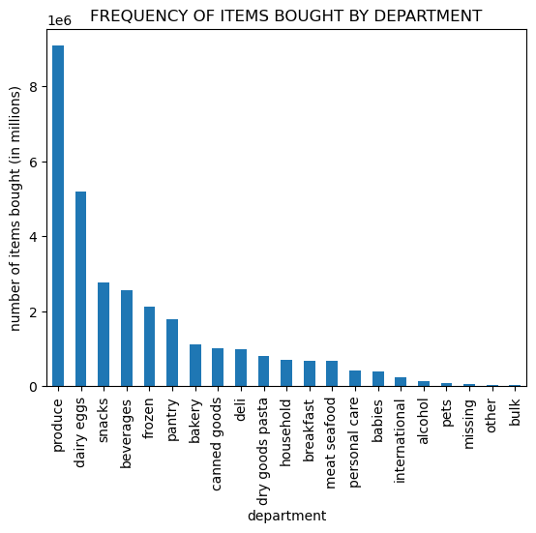

Comment: Most items sold comes from departments produce and dairy eggs, followed by snacks and beverages. If we exclude other and missing departments, then least amount of sales are from bulk, pets, alcohol and international department.

Key Question 5
The marketing and sales teams are particularly interested in the different types of customers in their system and how their ordering behaviors differ. For example:

(a) What’s the distribution among users in regards to their brand loyalty (i.e., how often do they return to Instacart)?

Visualizations: bar_loyalty.png

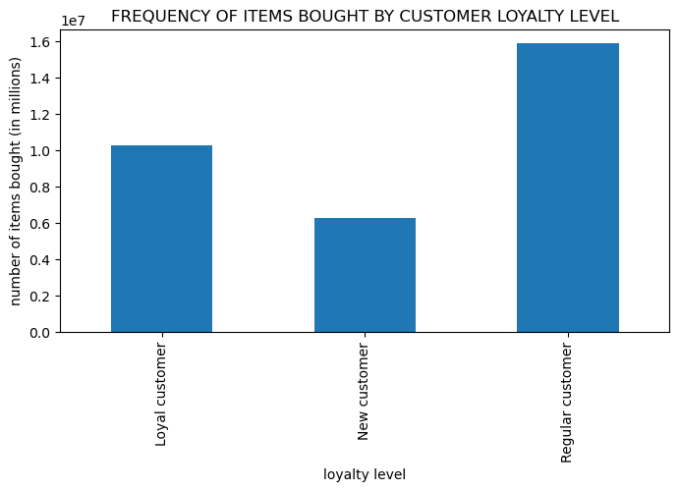

Comment: Most items were bought by regular customers followed by loyal customers.

(b) Are there differences in ordering habits based on a customer’s loyalty status?

Visualizations: bar_dep_loyalty.png
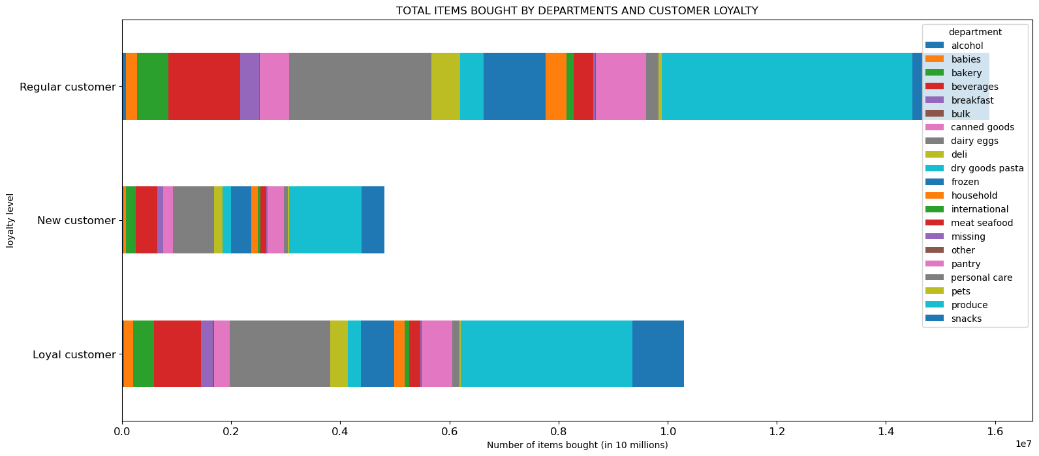

Comment: Regular customers buy more dairy eggs, beverages, canned goods tthen others, proportionally.

(c) Are there differences in ordering habits based on a customer’s region?

Visualizations: bar_region.png

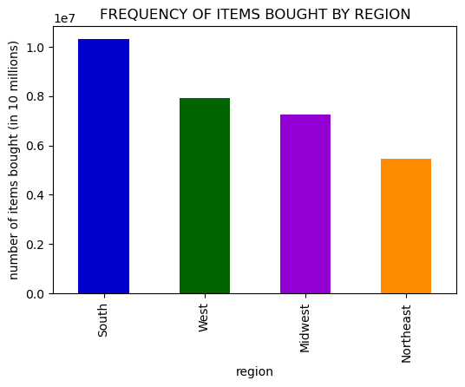

Comment: Most items were sold on South and West.

(d) Is there a connection between age and family status in terms of ordering habits?

Visualizations: line_age_dependants.png, bar_marital_age_gr

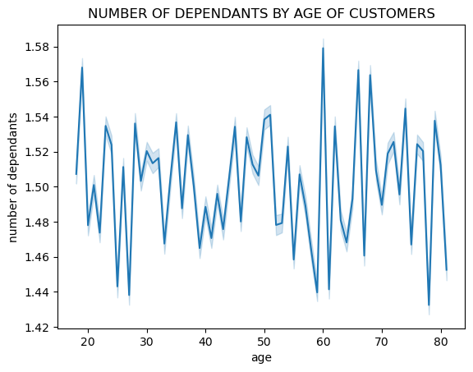
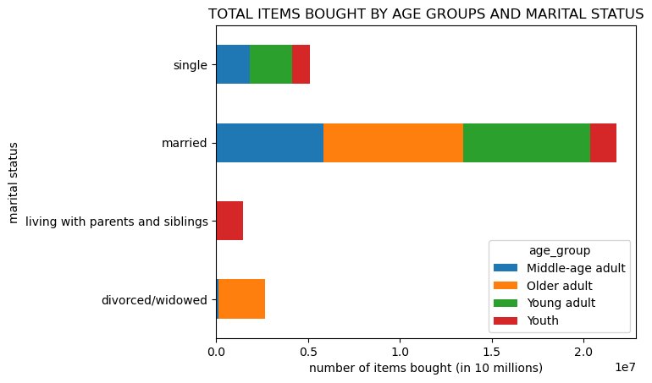

Comment: It looks like there is no connection between age of users and number of dependants. Married peope of all age groups are customers with most items bought. Ones that live with siblings and parentsare all from Youth age gr (<26 years) and they all have >=1 dependants and are sustomers with least items bought.

(e) What different classifications does the demographic information suggest? Age? Income? Certain types of goods? Family status?

Visualizaions: bar_customer_profile.png

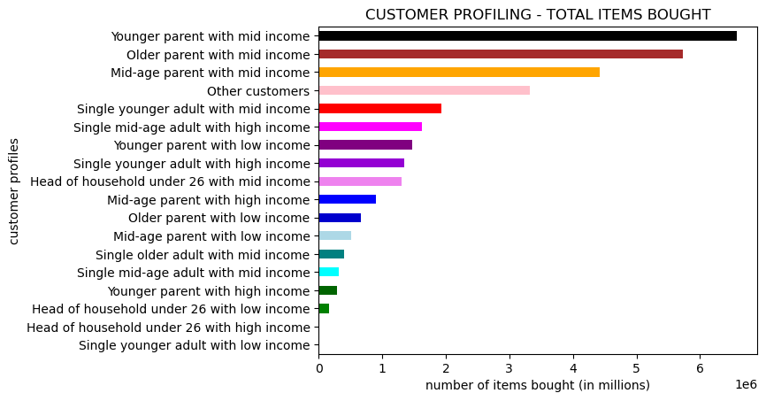

Comment: Different demographic information led to conclusion that parents off all ages with mid or high income tend to be most frequent buyers, and generaly people with low income buy less.

(f) What differences can you find in ordering habits of different customer profiles? Consider the price of orders, the frequency of orders, the products customers are ordering, and anything else you can think of.

Visualizations: bar_items_customer_departm.png , bar_items_customer_region

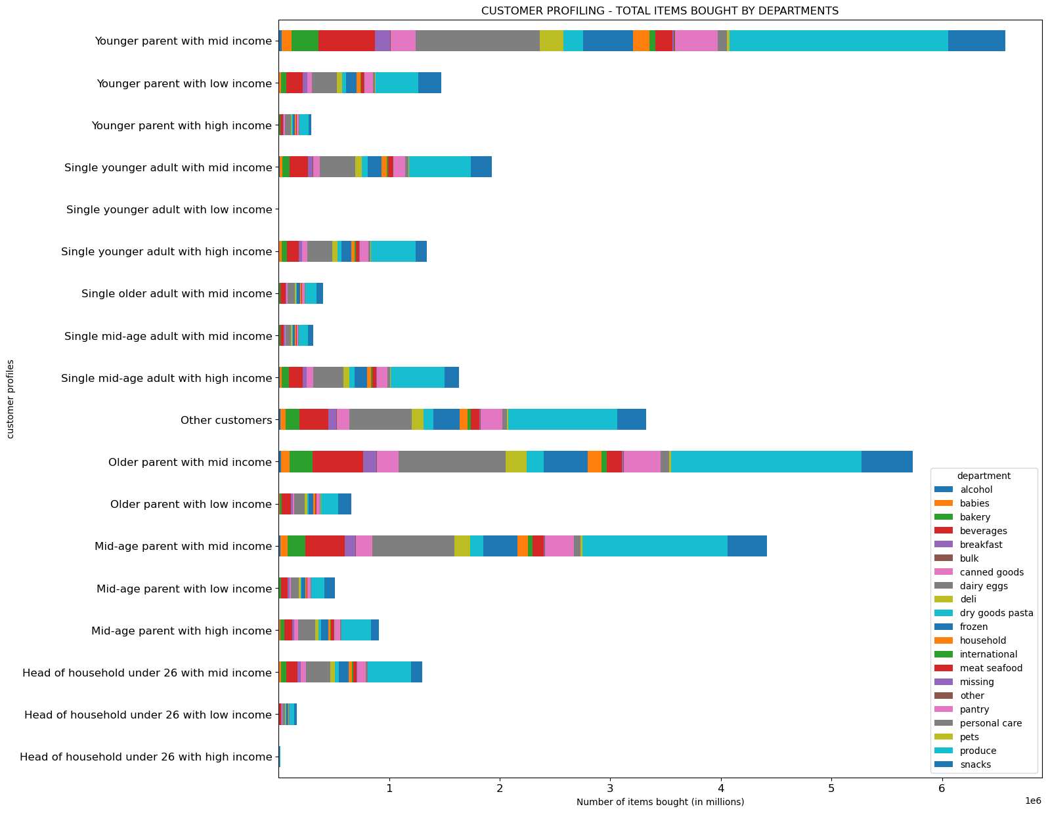
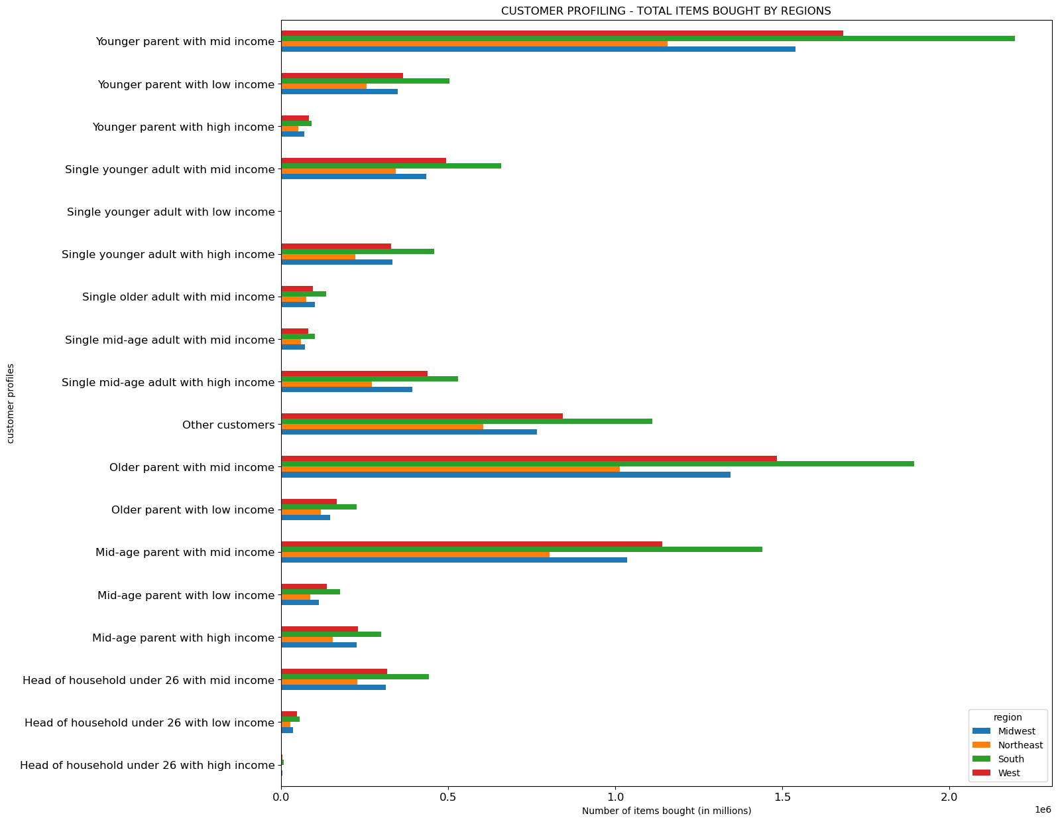

Comment: Again, mid income parents of all age groups are most fruitful buyers, and from all regions the ones from South and West. Least amount of bought items made Head of household under 26 and the reason behing this is because they are very few of them compared to other. Generaly, the most valuable customers are younger or middle aged parents and single adults with mid or high income from South and West.

7. Recommendations
 |  | Title page

Recommendations

Question | Recommendations

Key Question 1
The sales team needs to know what the busiest days of the week and hours of the day are (i.e., the days and times with the most orders) in order to schedule ads at times when there are fewer orders. | Run specials during slow days (Tuesday - Thursday) to increase sales, and during late afternoons (after 5 pm)

Key Question 2
They also want to know whether there are particular times of the day when people spend the most money, as this might inform the type of products they advertise at these times. | Invest more money in advertising mid-range and high-range priced items during 9 am to 1 pm to increase sales of these items.

Key Question 3
Instacart has a lot of products with different price tags. Marketing and sales want to use simpler price range groupings to help direct their efforts. | Ofer some discounts or specials for high priced items to increase sales of these particular items.

Key Question 4
Are there certain types of products that are more popular than others? The marketing and sales teams want to know which departments have the highest frequency of product orders. | Advertise more meat and seafood, breakfast food and nternational food as these departments sell less than others.

Key Question 5
The marketing and sales teams are particularly interested in the different types of customers in their system and how their ordering behaviors differ. For example:

(a) What’s the distribution among users in regards to their brand loyalty (i.e., how often do they return to Instacart)? | Offer specials or cupons for loyal customers, particulary for those items they buy regularly. This will attract others to buy more to gain this same advantage.

(b) Are there differences in ordering habits based on a customer’s loyalty status?

(c) Are there differences in ordering habits based on a customer’s region? | More marketing should go toward Midwest and Northeast to increase sales in those regions.

(d) Is there a connection between age and family status in terms of ordering habits? | Give senior user discount, new baby coupons for new parents, offer paying in instalment for bigger families.

(e) What different classifications does the demographic information suggest? Age? Income? Certain types of goods? Family status? | Most valuable and frequent customers are parents or single persons under 60 years with mid or high income. They should be well taken care of with strategies described above, and more marketing should target those under 26 living with sibling and parents. For low income people offer holiday specials to be gain more passive possitive feedback and attract more future customers.

(f) What differences can you find in ordering habits of different customer profiles? Consider the price of orders, the frequency of orders, the products customers are ordering, and anything else you can think of.

