Sheet
Photo | Car Mark | Year | Color | Mileage | Price
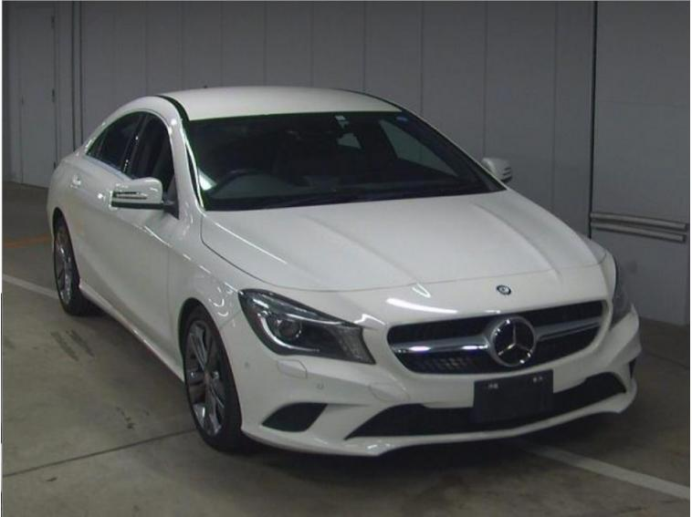 | MERCEDES BENZ CLA CLASS | 2014 | White | 70 138 km | FOB 11 771 USD
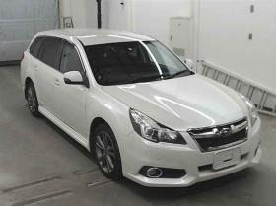 | TOYOTA VOXY | 2014 | Silver | 79 913 km | FOB 12 576 USD
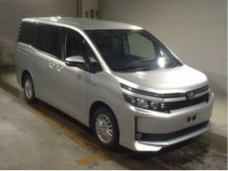 | SUBARU LEGACY Eyesite G Package | 2013 | White | 101 157 km | FOB 6 051 USD
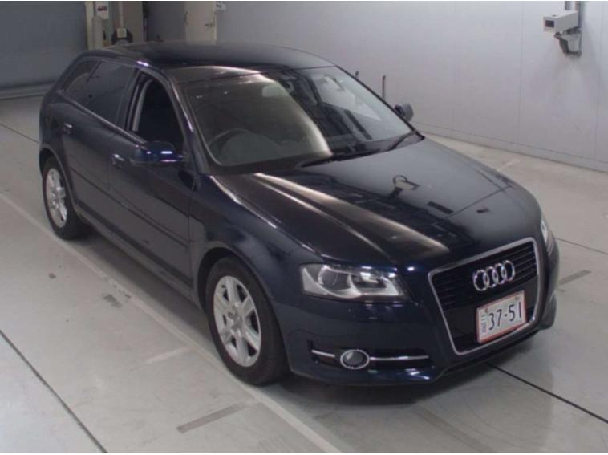 | AUDI A3 Sports Back | 2013 | White | 79 311 km | FOB 6 437 USD

