Welcome and Rules
Welcome to the NoP info card master table! Please read before contributing.
Style: | Can I help with the program?
The info cards use an all-lowercase style except in the description and flavor text. There are two sides to the info cards. Side 1 contains the kisser image (or any art) and basic info, while side 2 contains the description and affiliations. Side 1's color is a primary color found within the species, while side 2 is the color of their blood (the blush in the kisser image). The font used is Canterell. | Sure. https://github.com/LaserBread/nop-info-cards
How it works:
The master table is fed into a Python program that will create an SVG image for each row. SVG images are plain-text XML files that Python can parse and edit. The info cards will be automatically created using the contents of this table.
Contributing your own Species | Height | Blood Color | Homeworld | Diet
If you want to contribute a fanfic species, please feel free to add it to the doc. Add your entry on the bottom of Basic Information and Affiliations. Putting it elsewhere will mess up how the other tab automatically updates the entries. | The species height in meters. Only include the number, and round to the nearest tenth. The program will automatically handle conversion to feet. There are two entries for height and stance, used for species such as zurulians that are bipedal and quadrupedal. | Name the color of the species' blood. Keep the descriptions brief because space is a concern. | What planet does this species originate from? Type unknown if you don't know. Remember to keep the answer lowercase | One word to describe what this species eats (eg, carnivore, herbivore, pescitarian, insectivore). For cured species, use what they used to be before being cured.
What Program are you using for this? | Is Cured | Is Altered | Fanfiction Title | Fanfiction Author
Currently, I'm using Google Sheets to create the spreadsheet you see here, and then using Python to parse and edit the SVG file data. The SVG files themselves are designed using Inkscape. | Was this species cured by the Federation on an extensive scale? Type "TRUE" if so, or "FALSE" if not. An extensive scale would involve the species getting cured as the result of an uplift. While Cures exist for humans and arxurs, this does not include them. Shows the "cured" badge next to the protrait. | Aside from The Cure, was this species altered genetically by an outside force? "TRUE" if so, "FALSE" otherwise. For example, venlils would be altered, and gojids would be cured, but not altered. Shows the "altered" badge next to the portrait. | What fanfiction is this species from? Leave blank for a canon species. Shows the fanfic title next to the portrait. | Who wrote this fanfiction? Please use your Reddit username for this. Leave blank for a canon species. Shows the fanfic author next to the species.
Other Rules: | Affiliation Heading | Affiliation Description | Description | Flavor Text
No Patreon Spoilers! (however, content featured in the physical books is fair game) Please don't spam the table with species. Fanmade Species must be marked as such. Don't include non-NoP/joke species (eg, turians from Mass Effect or trilolaramvalalas from a joke SP made). Please don't bombard SP with questions for this table. | There are six affiliation slots. Each slot contains a simple faction the group is part of. Don't include factions before the species' contact/uplift unless they're relevant to the story (eg, the UN) | A very brief description that includes the date and why they joined. Keep it within the bounds of the cell. | An overall, comprehensive description of the species. Feel free to be as elaborate as you'd like. However, I may have to chop it down for space concerns. Use this to fill in some of the details that don't fit in the other descriptors. | Got a snarky quip about this species that you think would be funny? Include it here. I reserve the right to alter it or just not include it. Keep it under two sentences.

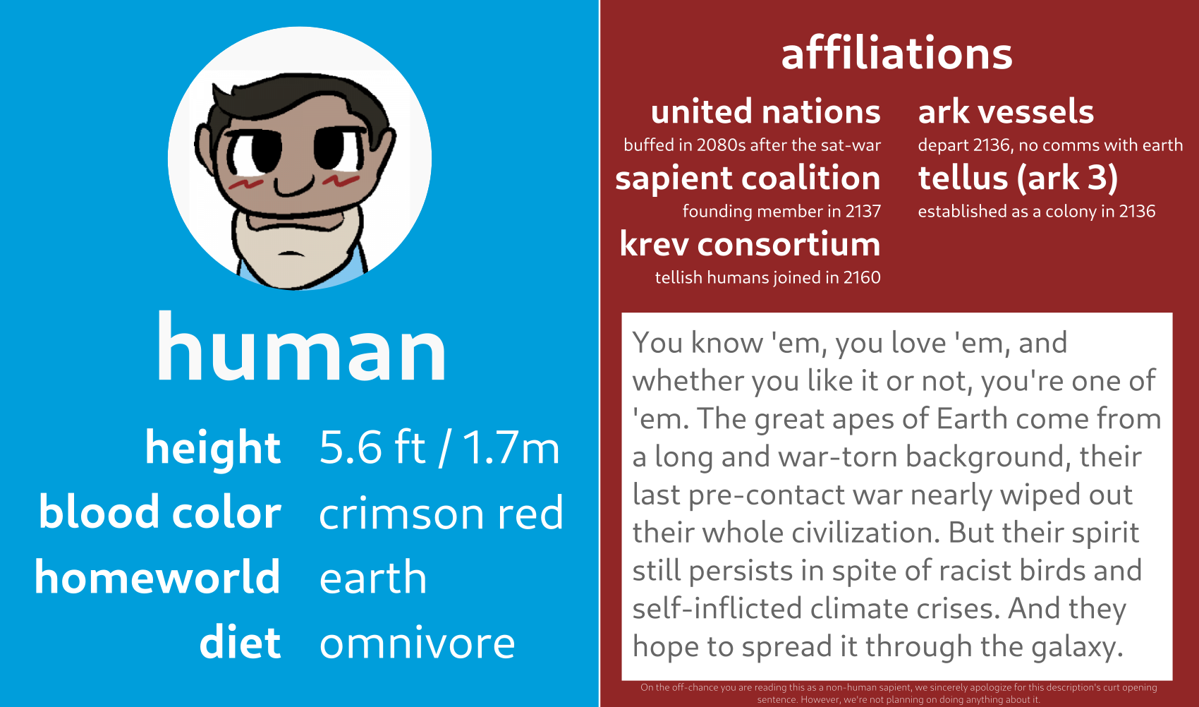
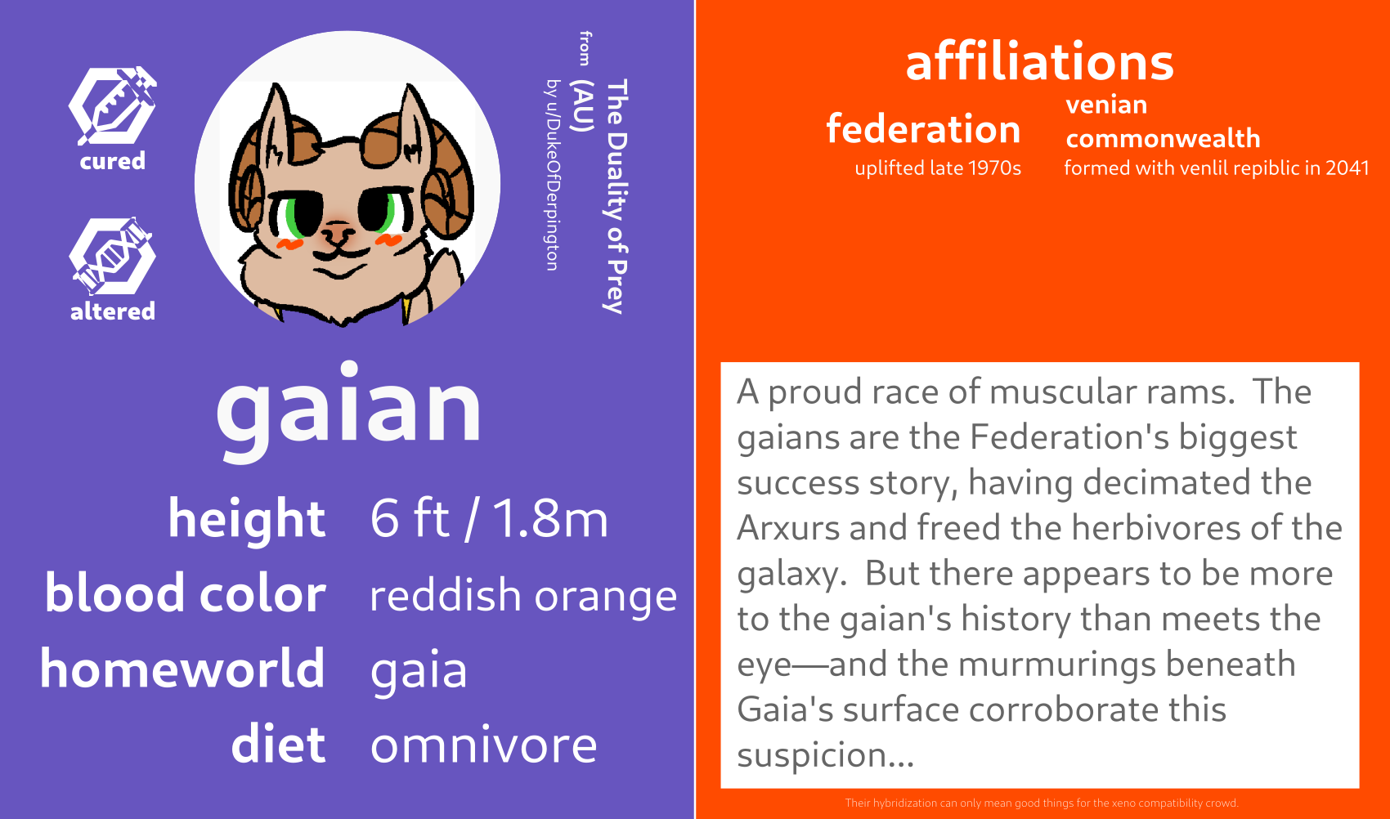
Example 1 | Example 2

