Hypothesis_Testing
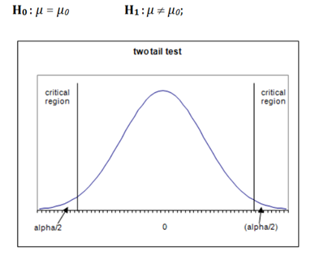
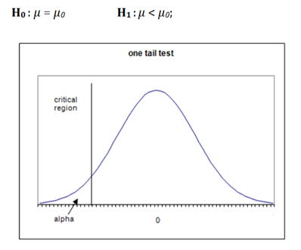
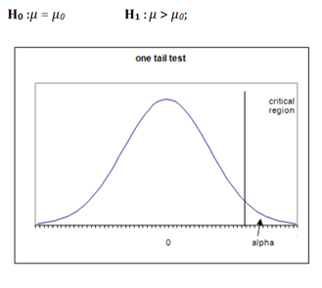
Hypothesis is basically an educated and informed guess about anything around the data, which can be tested by experiment or simply by observation. For example, A new variant of stock data will be go up or down, which stock will go up or not, etc. So hypothesis test is a statistical tool for testing that hypothesis which we will make and if that statement is meaning full or not. Basically, we select a sample from the data set and test a hypothesis statement by determining the likelihood that a sample statistics. So If your results from that test are not significant, it means that the hypothesis is not valid.
Date | ABT | Daily Returns
2020-01-02 | 85.600448608 |  | Sample Mean (µ) | 0.00032105768115 | Test Statistic
2020-01-03 | 84.556907654 | -0.012265752839 | Standard Deviation(s) | 0.011398851775
2020-01-06 | 84.999916077 | 0.0052254981093 | Observation Size (√n) | 20
2020-01-07 | 84.527366638 | -0.0055749216858 |  |  | The value of the statistic (0.125961) is less than +1.645, then the null hypothesis cannot be reject for a 10% level of significance. Therefore the alternate hypothesis is accepted for the research that the mean value of the stock is greater than zero.
2020-01-08 | 84.871948242 | 0.0040682818524 | Test Statistic | 0.12596124836
2020-01-09 | 85.098381042 | 0.0026643818977
2020-01-10 | 84.035133362 | -0.012573045514 | Hypothesis Testing
2020-01-13 | 83.798866272 | -0.0028154872843
Hypothesis Testing refers to the statistical tool which helps in measuring the probability of the correctness of the hypothesis result which is derived after performing the hypothesis on the sample data of the population i.e., it confirms that whether primary hypothesis results derived were correct or not.
2020-01-14 | 84.767745972 | 0.011495637915 |  |  | Level of Significance (α) | One-Tailed Test | Two-Tailed Test
2020-01-15 | 86.389152527 | 0.018947002133 | Null Hypothesis (H0) |  | 0.05 (5%) | +1.625 or -1.625 | 1.96
2020-01-16 | 87.278945923 | 0.010247146021 | H0 (assumed to be true): |  | 0.01 (1%) | +2.33 or -2.33 | 2.58
2020-01-17 | 87.990776062 | 0.0081227270164 | Daily Returns is 0.000321 |  | 0.001 (0.1%) | +3.09 or -3.09 | 3.30
Type I Error:
Type I error is defined as rejecting the null hypothesis when it is true. The probability of making a type I error is α. An α of 0.05 indicates that you are willing to accept a 5% chance that you are wrong when you reject the null hypothesis. Type I error can be reduced by choosing the lower value of α.
Type II Error:
Type II Error is when the null hypothesis is false and we fail to reject it, we make a type II error. The probability of making a type II error is β. We can decrease the risk of committing a type II error by increasing the sample size.
2020-01-21 | 88.712501526 | 0.008168829544
The two important parts here are the null hypothesis and the alternative hypothesis. The formula to measure the null hypothesis and the alternate hypothesis involves the null hypothesis and the alternative hypothesis.
H0: µ0=0
Ha: µ0≠0
Where
H0 = null hypothesis
Ha = alternate hypothesis
We will also need to calculate the test statistic to be able to reject the hypothesis testing.
Compare to p-value to significance level(alpha) for taking a decision on Null Hypothesis.
If p-value is greater than alpha, we do not reject the null hypothesis (H0).
If p-value is less than alpha, we reject the null hypothesis (H0) accept alternate hypothesis (Ha).
2020-01-22 | 90.818344116 | 0.023460471863 | Alternate Hypothesis (H1)
2020-01-23 | 89.701164246 | -0.012377544607 | H1: (This what we want to prove)
2020-01-24 | 89.374908447 | -0.0036437716598 | Daily Returns is not equal or more than 0.000321
2020-01-27 | 88.574081421 | -0.0090006965858
2020-01-28 | 88.524650574 | -0.00055822927578
2020-01-29 | 88.129180908 | -0.0044773478488
2020-01-30 | 88.148963928 | 0.00022445232925
2020-01-31 | 86.151870728 | -0.022916477757
Double-tailed test: Left-tailed test: Right-tailed test:
Null hypothesis H0: It is the hypothesis to be tested .
Alternative hypothesis Ha: It is a statement of what we believe is true if our sample data cause us to reject the null hypothesis.
The hypothesis we want to test is if H1a is “likely” true. So, there are two possible outcomes:
•Reject H0 and accept Ha because of sufficient evidence in the sample in favor or Ha.
•Do not reject H0 because of insufficient evidence to support Ha.
Failure to reject H0 does not mean the null hypothesis is true. There is no formal outcome that says“accept H0.” It only means that we do not have sufficientevidence to support Ha.

Type error
A type I error occurs when the null hypothesis is true, but is rejected. A type II error occurs when the null hypothesis is false, but erroneously fails to be rejected.”
 |  | Condition of Null Hypothesis

 |  | TRUE | FALSE
Possible Action | Fail to reject H0 | Correct action | Type II error

 | Reject H0 | Type I error | Correct action

