horario
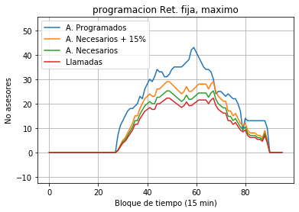
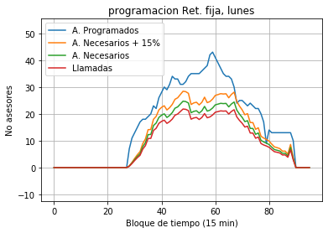
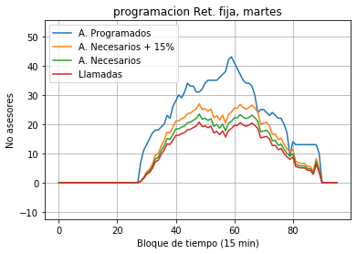
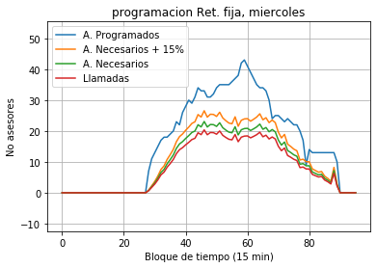
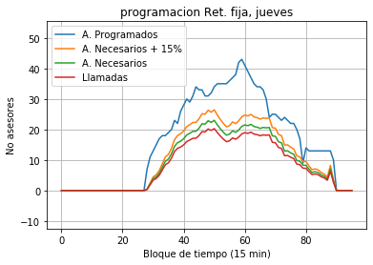
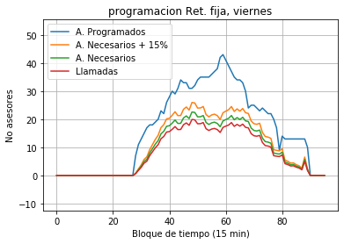
asignacion | ABEL GUSTAVO MENDOZA CORTEZ | ANDRES FELIPE PARDO SANCHEZ | BRAYAN STIVEN MORENO CORREDOR | CRISTIAN ALEJANDRO AREVALO DIAZ | DEISY VALERIA FERNANDEZ CHAPARRO | DIEGO ANDRES CASALLAS GUTIERREZ | DUBAN RICARDO LOPEZ ACOSTA | DUVAN FELIPE ROMERO RODRIGUEZ | ESTEFANIA JOSMER RAMIREZ SANABRIA | GENNIFER DAYANNA CAMACHO HERNANDEZ | GILBERTO RAFAEL MEZA CADENAS | JAKELIN ALVAREZ FLOREZ | JEISON JAVIER ESCOBAR SANCHEZ | KEVIN NICOLAS BUENAVENTURA RAMIREZ | LAURA DANIELA CAMELO LOAIZA | LAURA GINETH CIFUENTES GONZALEZ | LETTYAN KARINA SOSA GUTIERREZ | LINA JULIETH ORTIZ ARENAS | MAGNOLIA MAYLIN LEON RINCON | MAURICIO RODRIGUEZ SANCHEZ | MILDRED FERNANDA VALENTE MENDOZA | NATALIA LIZETH MUÑOZ VELANDIA | NICOLTH JULIETH COLLADO VELANDIA | STEFANY BAUTISTA ORTIZ | YERILETH CARIOXI MORALES MARQUEZ | DAYANA GONZALEZ HERNANDEZ | NICOL FERNANDA RIVERA MORENO | MICHAEL ANDRES TORRES MANRIQUE | LEIDY MARCELA AVILA CANO | JUAN CAMILO RODRIGUEZ ARIZA | MIGUEL FRANCISCO HERNANDEZ CLAVIJO | EDUAR YOVANI MORENO RICO | PAULA VIVIANA NEUSA ORTIZ | KEINKER KLEDER ALVAREZ PEÑA | JOEL SEBASTIAN FORERO BERNAL | FRANCY JANETH SILVESTRE OTALORA | JONATHAN RAY HERNANDEZ MINOTA | DIANA CAROLINA ALVARADO VELASCO | LORIANA AIDA GUERRA AVILES | PASTOR ORLANDO GARCIA PEREIRA | FRANCISCO ANTONIO FIGUEROA ALVIAREZ | RAFAEL ALBERTO JAIME VIGOYA | BARBARA CAROLINA AVILA RUIZ | NATALY CASTRO NARVAEZ | ARISMER ADRIANA SANABRIA PEREZ | VICTOR MANUEL BARRIGA ALONSO | MARTHA AMPARO VILLEGA JIMENEZ | CARMEN PATRICIA TAUTIVA VARGAS | LUIS ANTONIO POSSO MORALES | JULISA JOHANA JUVINAO SERVANTES | JESUS FERNANDO DIAZ SANCHEZ | TAYRO LUIS ALVAREZ DE HORTA | SORAIMA DEL CARMEN ARELLANO CASTRO | DINA PAOLA RODRIGUEZ | CARLOS ALBERTO SALAZAR MARTINEZ
preturno | 12:30:00 | 07:45:00 | 09:30:00 | 08:30:00 | 11:30:00 | 09:30:00 | 12:45:00 | 07:45:00 | 13:30:00 | 00:00:00 | 09:30:00 | 09:00:00 | 07:00:00 | 09:15:00 | 13:30:00 | 00:00:00 | 10:00:00 | 14:00:00 | 07:45:00 | 09:30:00 | 08:30:00 | 10:15:00 | 06:45:00 | 11:45:00 | 13:00:00 | 13:30:00 | 07:15:00 | 07:00:00 | 08:45:00 | 07:45:00 | 13:15:00 | 00:00:00 | 13:15:00 | 08:00:00 | 07:15:00 | 07:30:00 | 09:45:00 | 07:30:00 | 09:15:00 | 07:30:00 | 07:30:00 | 07:45:00 | 13:00:00 | 11:15:00 | 14:15:00 | 13:30:00 | 07:15:00 | 10:30:00 | 07:00:00 | 07:15:00 | 09:30:00 | 07:15:00 | 07:45:00 | 14:15:00 | 06:45:00
ingreso | 12:45:00 | 08:00:00 | 09:45:00 | 08:45:00 | 11:45:00 | 09:45:00 | 13:00:00 | 08:00:00 | 13:45:00 | 00:00:00 | 09:45:00 | 09:15:00 | 07:15:00 | 09:30:00 | 13:45:00 | 00:00:00 | 10:15:00 | 14:15:00 | 08:00:00 | 09:45:00 | 08:45:00 | 10:30:00 | 07:00:00 | 12:00:00 | 13:15:00 | 13:45:00 | 07:30:00 | 07:15:00 | 09:00:00 | 08:00:00 | 13:30:00 | 00:00:00 | 13:30:00 | 08:15:00 | 07:30:00 | 07:45:00 | 10:00:00 | 07:45:00 | 09:30:00 | 07:45:00 | 07:45:00 | 08:00:00 | 13:15:00 | 11:30:00 | 14:30:00 | 13:45:00 | 07:30:00 | 10:45:00 | 07:15:00 | 07:30:00 | 09:45:00 | 07:30:00 | 08:00:00 | 14:30:00 | 07:00:00
salida | 20:45:00 | 17:00:00 | 17:45:00 | 16:45:00 | 19:45:00 | 17:45:00 | 21:00:00 | 16:00:00 | 21:45:00 | 00:00:00 | 18:45:00 | 17:15:00 | 15:15:00 | 17:30:00 | 21:45:00 | 00:00:00 | 19:15:00 | 22:15:00 | 17:00:00 | 18:45:00 | 17:45:00 | 18:30:00 | 15:00:00 | 20:00:00 | 21:15:00 | 21:45:00 | 15:30:00 | 15:15:00 | 17:00:00 | 16:00:00 | 21:30:00 | 00:00:00 | 21:30:00 | 16:15:00 | 15:30:00 | 15:45:00 | 19:00:00 | 15:45:00 | 17:30:00 | 15:45:00 | 15:45:00 | 17:00:00 | 21:15:00 | 19:30:00 | 22:30:00 | 21:45:00 | 15:30:00 | 19:45:00 | 15:15:00 | 15:30:00 | 18:45:00 | 15:30:00 | 17:00:00 | 22:30:00 | 15:00:00
out capa
in capa
sal break1 | 15:15:00 | 09:45:00 | 12:15:00 | 11:15:00 | 14:15:00 | 12:15:00 | 15:30:00 | 10:30:00 | 16:15:00 | 00:00:00 | 11:30:00 | 11:45:00 | 09:45:00 | 12:00:00 | 16:15:00 | 00:00:00 | 12:00:00 | 16:45:00 | 09:45:00 | 11:30:00 | 10:30:00 | 13:00:00 | 09:30:00 | 14:30:00 | 15:45:00 | 16:15:00 | 10:00:00 | 09:45:00 | 11:30:00 | 10:30:00 | 16:00:00 | 00:00:00 | 16:00:00 | 10:45:00 | 10:00:00 | 10:15:00 | 11:45:00 | 10:15:00 | 12:00:00 | 10:15:00 | 10:15:00 | 09:45:00 | 15:45:00 | 14:00:00 | 17:00:00 | 16:15:00 | 10:00:00 | 12:30:00 | 09:45:00 | 10:00:00 | 11:30:00 | 10:00:00 | 09:45:00 | 17:00:00 | 09:30:00
ent break2 | 15:30:00 | 10:00:00 | 12:30:00 | 11:30:00 | 14:30:00 | 12:30:00 | 15:45:00 | 10:45:00 | 16:30:00 | 00:00:00 | 11:45:00 | 12:00:00 | 10:00:00 | 12:15:00 | 16:30:00 | 00:00:00 | 12:15:00 | 17:00:00 | 10:00:00 | 11:45:00 | 10:45:00 | 13:15:00 | 09:45:00 | 14:45:00 | 16:00:00 | 16:30:00 | 10:15:00 | 10:00:00 | 11:45:00 | 10:45:00 | 16:15:00 | 00:00:00 | 16:15:00 | 11:00:00 | 10:15:00 | 10:30:00 | 12:00:00 | 10:30:00 | 12:15:00 | 10:30:00 | 10:30:00 | 10:00:00 | 16:00:00 | 14:15:00 | 17:15:00 | 16:30:00 | 10:15:00 | 12:45:00 | 10:00:00 | 10:15:00 | 11:45:00 | 10:15:00 | 10:00:00 | 17:15:00 | 09:45:00
sal break2 | 18:00:00 | 15:00:00 | 15:00:00 | 14:00:00 | 17:00:00 | 15:00:00 | 18:15:00 | 13:15:00 | 19:00:00 | 00:00:00 | 16:45:00 | 14:30:00 | 12:30:00 | 14:45:00 | 19:00:00 | 00:00:00 | 17:15:00 | 19:30:00 | 15:00:00 | 16:45:00 | 15:45:00 | 15:45:00 | 12:15:00 | 17:15:00 | 18:30:00 | 19:00:00 | 12:45:00 | 12:30:00 | 14:15:00 | 13:15:00 | 18:45:00 | 00:00:00 | 18:45:00 | 13:30:00 | 12:45:00 | 13:00:00 | 17:00:00 | 13:00:00 | 14:45:00 | 13:00:00 | 13:00:00 | 15:00:00 | 18:30:00 | 16:45:00 | 19:45:00 | 19:00:00 | 12:45:00 | 17:45:00 | 12:30:00 | 12:45:00 | 16:45:00 | 12:45:00 | 15:00:00 | 19:45:00 | 12:15:00
sal break2 | 18:15:00 | 15:15:00 | 15:15:00 | 14:15:00 | 17:15:00 | 15:15:00 | 18:30:00 | 13:30:00 | 19:15:00 | 00:00:00 | 17:00:00 | 14:45:00 | 12:45:00 | 15:00:00 | 19:15:00 | 00:00:00 | 17:30:00 | 19:45:00 | 15:15:00 | 17:00:00 | 16:00:00 | 16:00:00 | 12:30:00 | 17:30:00 | 18:45:00 | 19:15:00 | 13:00:00 | 12:45:00 | 14:30:00 | 13:30:00 | 19:00:00 | 00:00:00 | 19:00:00 | 13:45:00 | 13:00:00 | 13:15:00 | 17:15:00 | 13:15:00 | 15:00:00 | 13:15:00 | 13:15:00 | 15:15:00 | 18:45:00 | 17:00:00 | 20:00:00 | 19:15:00 | 13:00:00 | 18:00:00 | 12:45:00 | 13:00:00 | 17:00:00 | 13:00:00 | 15:15:00 | 20:00:00 | 12:30:00
ent lunch |  | 12:00:00 |  |  |  |  |  |  |  | 0 | 13:45:00 |  |  |  |  | 0 | 14:15:00 |  | 12:00:00 | 13:45:00 | 12:45:00 |  |  |  |  |  |  |  |  |  |  | 0 |  |  |  |  | 14:00:00 |  |  |  |  | 12:00:00 |  |  |  |  |  | 14:45:00 |  |  | 13:45:00 |  | 12:00:00
sal lunch |  | 13:00:00 |  |  |  |  |  |  |  | 0 | 14:45:00 |  |  |  |  | 0 | 15:15:00 |  | 13:00:00 | 14:45:00 | 13:45:00 |  |  |  |  |  |  |  |  |  |  | 0 |  |  |  |  | 15:00:00 |  |  |  |  | 13:00:00 |  |  |  |  |  | 15:45:00 |  |  | 14:45:00 |  | 13:00:00

