PY32E407Vx_START
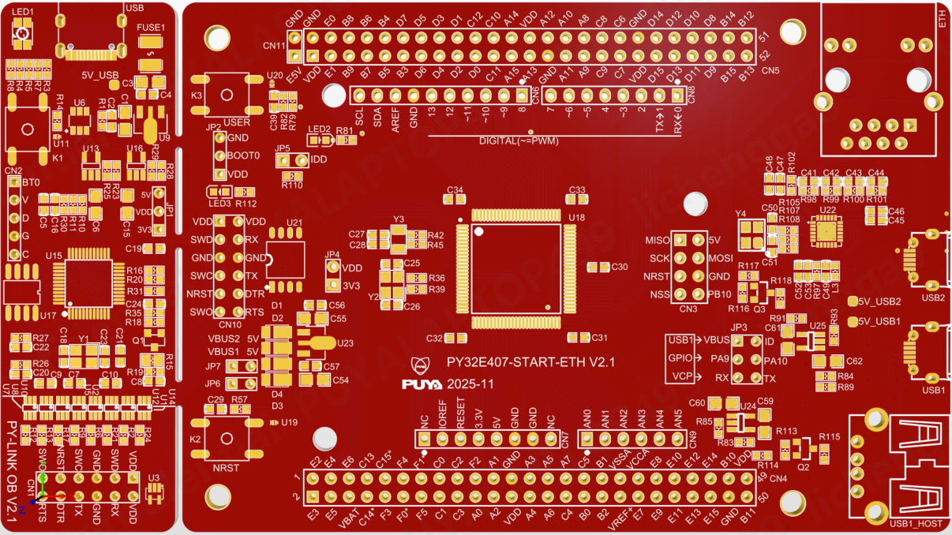
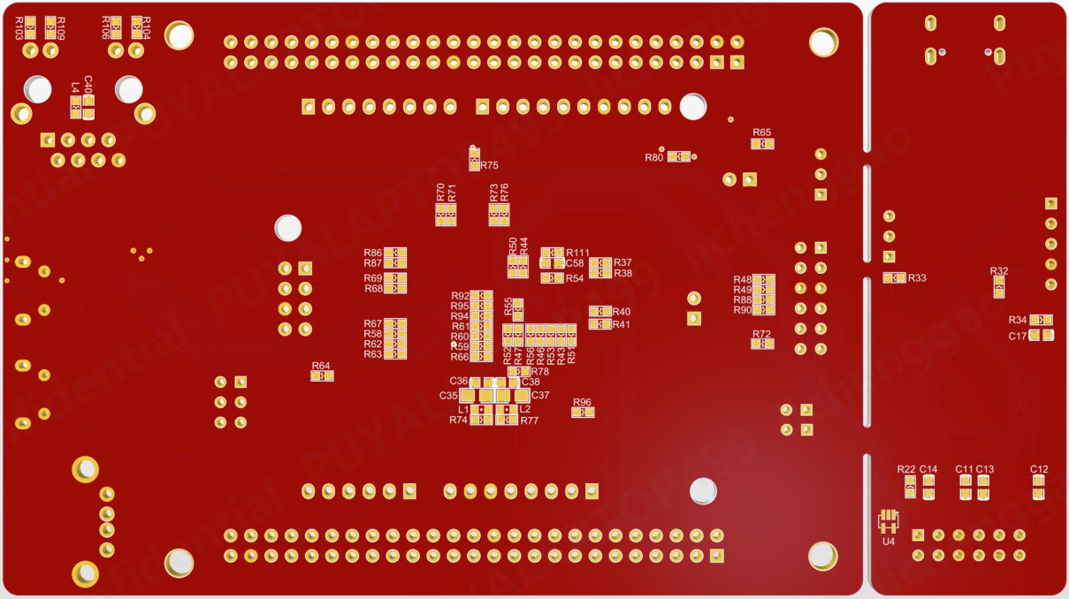
Comment | Description | Designator | Footprint | LibRef | Quantity | 备注 | 参考链接
TP_SIN |  | 5V_USB, 5V_USB1, 5V_USB2 | TP_SIN | TP_SIN | 3 | 不焊接
10uF |  | C1, C3, C6, C15, C54, C55, C59, C60, C61, C62 | C0805 | C0805 | 10
100nF | [NoValue], Capacitor (Semiconductor SIM Model) | C2, C4, C5, C7, C8, C9, C10, C11, C12, C13, C14, C16, C17, C19, C20, C21, C22, C24, C29, C30, C31, C32, C33, C34, C36, C38, C39, C40, C45, C46, C48, C49, C53, C58 | C0603 | C0603, 贴片高压陶瓷电容 | 34
22pF |  | C18, C23, C25, C26, C27, C28, C50, C51 | C0603 | C0603 | 8
1uF |  | C35, C37 | C0805 | C0805 | 2
NC/10pF |  | C41, C42, C43, C44 | C0603 | C0603 | 4 | 不焊接
10uF |  | C47, C52 | C0603 | C0603 | 2
0.1uF/50V | Capacitor | C56, C57 | C0603CAP | Cap | 2
CON6x2 |  | CN1, CN10 | CON6X2 | CON6x2 | 2 | 2.54双排针
CON5 |  | CN2 | CON5 | CON5 | 1 | 不焊接
Header 4X2 | Header, 4-Pin, Dual row | CN3 | HDR2X4 | Header 4X2 | 1 | 2.54双排针
Header 25X2 | Header, 25-Pin, Dual row | CN4, CN5 | HDR2X25 | Header 25X2 | 2 | 2.54双排针
Header 10 | Header, 10-Pin | CN6 | 1*10P_FEMALE | Header 10 | 1 | 排母 2.54mm间距
Header 8 | Header, 8-Pin | CN7, CN8 | 1*8P_FEMALE | Header 8 | 2 | 排母 2.54mm间距
Header 6 | Header, 6-Pin | CN9 | 1*6P_FEMALE | Header 6 | 1 | 排母 2.54mm间距
CON2 |  | CN11, JP4, JP6, JP7 | CON2 | CON2, CON2_DIP | 4 | 2.54单排针 JP4:VDD和3V3用跳线帽短接
DFLS130L-7 |  | D1, D2, D3, D4 | POWERDI-123_L2.8-W1.8-LS3.7-RD | DFLS130L-7 | 4 |  | https://item.szlcsc.com/111716.html
HR911105A |  | ETH | RJ45-TH_HR911105A | HR911105A_C12074 | 1 |  | https://item.szlcsc.com/12651.html
BSMD1206-050-6V | https://item.szlcsc.com/947797.html?fromZone=s_s__%25226V%2520500mA%2522 | FUSE1 | SDM1210P005TF | SMD1210P005TF | 1 |  | https://item.szlcsc.com/947797.html
CON3 |  | JP1 | CON3 | CON3 | 1 | 不焊接
CON3 |  | JP2 | CON3 | CON3 | 1 | 2.54单排针， JP2:BOOT0和GND用跳线帽短接,
CON3x2 |  | JP3 | CON3x2 | CON3x2 | 1 | 2.54单排针
CON2/NC |  | JP5 | CON2 | CON2_DIP | 1 | 不焊接
1TS002B-2600-5001_key |  | K1, K2, K3 | SWITCH | 1TS002B-2600-5001_key | 3 |  | https://item.szlcsc.com/3079567.html
BEAD | SMD Chip ferrite bead, 600R@100MHz +/-25%, 350mA, 500mohm DC, 0603, T=0.8mm | L1, L2 | L0603 | BEAD | 2 |  | https://item.szlcsc.com/20038.html
330@100MHz |  | L3, L4 | R0603 | R0603 | 2 |  | https://item.szlcsc.com/81057.html
MHPA3528RGBCT |  | LED1 | LED-ARRAY-SMD_4P-L3.5-W2.8-TL | MHPA3528RGBCT | 1 |  | https://item.szlcsc.com/400142.html
GREEN |  | LED2 | 0603_LED | PDI-E803_Dup1 | 1 |  | https://item.szlcsc.com/85436.html
RED |  | LED3 | 0603_LED | PDI-E803_Dup1 | 1 |  | https://item.szlcsc.com/1051408.html
2302 | MOSFET N | Q1 | SOT23 | MOSFET N | 1 |  | https://item.szlcsc.com/21953927.html
2301 | MOSFET P | Q2, Q3 | SOT23 2301 | MOSFET P | 2 |  | https://item.szlcsc.com/312745.html
5.1K |  | R1, R3 | R0603 | R0603 | 2
27R |  | R2, R6, R9, R10, R11, R12, R13, R17, R21, R24 | R0603 | R0603 | 10
680R |  | R4, R5, R8, R31, R81, R112 | R0603 | R0603 | 6
1M |  | R7 | R0603 | R0603 | 1
10K |  | R14, R20, R27, R35, R57, R65, R89, R96 | R0603 | R0603 | 8
100R |  | R15 | R0805 | R0805 | 1
20K |  | R16 | R0603 | R0603 | 1
100R |  | R18, R70, R71 | R0603 | R0603 | 3
100K |  | R19, R34, R90, R113, R116 | R0603 | R0603 | 5
4.7K |  | R22, R23, R28, R83, R91, R103, R104 | R0603 | R0603 | 7
16K |  | R25, R29, R85, R93 | R0603 | R0603 | 4
0R |  | R26, R30, R32, R33, R36, R37, R38, R39, R40, R41, R42, R45, R50, R51, R52, R53, R54, R55, R56, R58, R59, R60, R61, R62, R63, R64, R66, R67, R68, R69, R72, R73, R75, R76, R78, R79, R88, R105, R107, R108, R110, R111 | R0603 | R0603 | 42
0R/NC |  | R43, R44, R46, R47, R48, R49, R74, R77 | R0603 | R0603 | 8 | 不焊接
680R/NC |  | R80 | R0603 | R0603 | 1 | 不焊接
1.5K |  | R82, R115, R118 | R0603 | R0603 | 3
1K |  | R84, R92 | R0603 | R0603 | 2
22R |  | R86, R87, R94, R95 | R0603 | R0603 | 4
0R |  | R97 | RES0603 | R0805 | 1
49.9R |  | R98, R99, R100, R101 | R0603 | R0603 | 4
12.1K |  | R102 | R0603 | R0603 | 1
270 |  | R106, R109 | R0603 | R0603 | 2
100 |  | R114, R117 | R0603 | R0603 | 2
74LVC1T45DW |  | U1, U2, U5, U7, U8, U10, U12, U14 | SOT363 | 74LVC1T45DW | 8 |  | https://item.szlcsc.com/180239.html
ESD_6V1 | Dual Transil array for ESD protection | U3, U4 | ESD_SOT323-5L | ESDALC6V1W5 | 2 | 必须选择参考链接的器件 | https://item.szlcsc.com/739503.html
USBLC6-2SC6 |  | U6 | SOT23-6 | USBLC6-2SC6 | 1 |  | https://item.szlcsc.com/7996.html
LM1117-3.3 |  | U9, U23 | LM1117-3.3 | LM1117-3.3 | 2
ESD-TRANSIL | ESD protection 6V1 | U11, U19, U20 | ESD_ST0201 | ESD-TRANSIL | 3
MT9700 |  | U13, U16, U24, U25 | SOT23-5 | MT9700 | 4
PY32F403C1xT | LQFP48 | U15 | LQFP-48_L7.0-W7.0-P0.50-LS9.0-BL | PY32F403C1xT | 1 | 我们提供
P25Q64H | SST25VF010 | U17 | SOP-8P | SST25VF010 | 1 | 我们提供
PY32E407Vx | LQFP100 | U18 | LQFP-100_L14.0-W14.0-P0.50-LS16.0-BL | PY32E407Vx | 1 | 我们提供
P25Q128H | 外置flash | U21 | SOP8W_L | W25Q256 | 1 | 我们提供
LAN8720A-CP-TR | 立创 C45223 | U22 | QFN-24_L4.0-W4.0-P0.50-BL-EP2.6 | LAN8720A-CP-TR | 1 |  | https://item.szlcsc.com/46225.html
KH-TYPE-C-16P |  | USB | USB-C-SMD_KH-TYPE-C-16P | KH-TYPE-C-16P | 1 |  | https://item.szlcsc.com/747093.html
Micro-B |  | USB1, USB2 | MICRO-USB-SMD_MICROXNJ | MicroXNJ | 2 |  | https://item.szlcsc.com/392534.html
Type-A |  | USB1_HOST | USB-A-TH_AF-WJDG | AF 90° WJDG | 1 |  | https://item.szlcsc.com/458825.html
24MHz | ±20ppm , 12.5pF , T_use: -40°C~125°C, ±20ppm , 12.5pF , T_use: -40°C~85°C C2682775 | Y1, Y2 | CRYSTAL-SMD_4P-L3.2-W2.5-BL | ABM8AIG-24.000MHZ-82Z-T | 2 |  | https://item.szlcsc.com/71688.html
32.768KHz | ±20ppm , 12.5pF , T_use: -40°C~125°C | Y3 | CRYSTAL-SMD_L3.2-W1.5-1 | XKXGI-SUA-32.768K | 1 |  | https://item.szlcsc.com/649983.html
25MHz |  | Y4 | SMD-3225_4P | 25MHz | 1 |  | https://item.szlcsc.com/9526.html

