Overview
 | This document compares the edge connector pins of the LattePanda Mu and LattePanda Mu Ultra to facilitate migration evaluation for your carrier board design.

 | 1. The pin definitions of the LattePanda Mu and LattePanda Mu Ultra are slightly different, and we have used color coding to make it easier for you to compare and evaluate them.
Pin Color Coding Legend
Colour | Note
 | Green (Fully Compatible): Matching voltage level and pin function.
 | Light Green (Conditionally Compatible): Matching voltage level; Pin function varies based on pin muxing or default BIOS config.
 | White (Modified Specification): Changes in pin function or voltage level, within safe limits.
 | Yellow (High Risk): Voltage level mismatch; requires special attention and procedures to prevent pin damage!

 | Special attention and procesures must be paid to Yellow-highlighted pins when designing custom carrier boards!

 | 2. The multiplexing and bifurcation of the high-speed ports on the LattePanda Mu and LattePanda Mu Ultra are different, as shown in the following two figures.
LattePanda Mu |  |  |  |  | LattePanda Mu Ultra
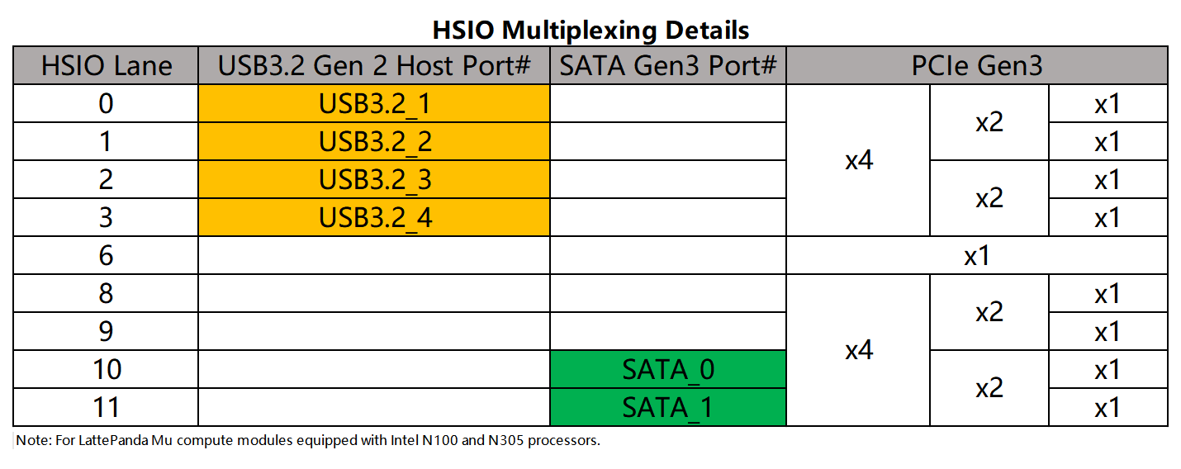
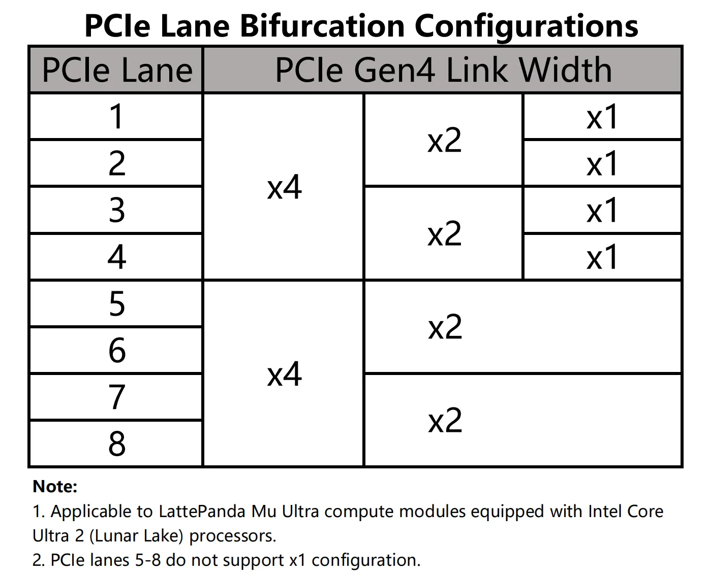

 | 3. The following USB 2.0 ports are bound to TCP ports in the default BIOS firmware.
 | LattePanda Mu |  |  | LattePanda Mu Ultra
 | Pin No. | Signal Name | Note | Pin No. | Signal Name | Note
 | 112 | USB2_P6_P (TCP1) | Must be used with TCP1; cannot be used as generic USB 2.0 | 112 | USB2_P2_P (TCP0) | can be used as generic USB 2.0
 | 114 | USB2_P6_N (TCP1) |  | 114 | USB2_P2_N (TCP0)
 |  |  |  | 109 | USB2_P1_N (TCP1) | can be used as generic USB 2.0
 |  |  |  | 111 | USB2_P1_P (TCP1)

 | 4. If you are using an M.2 CNVio wireless module(e.g. Intel AX211), you must use the USB2_P6 port for Bluetooth. USB2_P6 can also be used as a general-purpose USB 2.0 port.
 |  |  |  | LattePanda Mu Ultra
 |  |  |  | Pin No. | Signal Name
 |  |  |  | 82 | USB2_P6_P (BT)
 |  |  |  | 84 | USB2_P6_N (BT)

