Overview
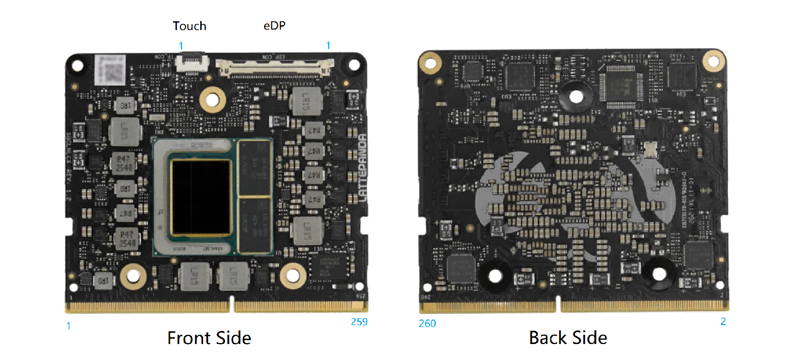
Speed: Indicates the operating speed of the signal pin. "Low" denotes low-speed signals requiring only standard PCB routing. "High" denotes high-speed signals which mandate impedance matching in the PCB design.
IO Level: For multiplexed pins, the IO voltage level may vary depending on the configured function. This document specifies the maximum voltage supported by the pin.

Note:
This document is applicable only to LattePanda Mu Ultra compute modules equipped with Intel Core Ultra 2 Series processor(Lunar Lake).
Due to the large number of pins that serve multiple functions, please consult the BIOS functionality documentation before beginning your design.

