Solution
 |  |  |  |  |  | All rights reserved
 |  |  |  |  |  | www.excel-practice-online.com

1 | Sort by Customer Name in A-Z order

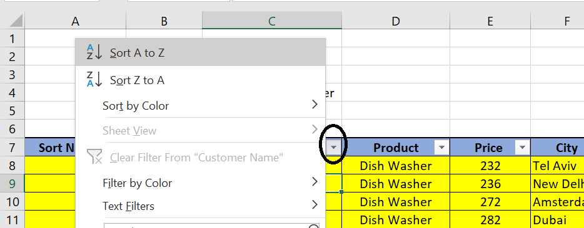
Sort Number | Date | Customer Name | Product | Price | City
18 | 2020-11-13 | Benjamin | Dish Washer | 232 | Tel Aviv
5 | 2020-12-20 | Dina | Dish Washer | 272 | Amsterdam
7 | 2020-09-07 | Donald | Washing Machine | 360 | Hong Kong
9 | 2020-10-22 | Drake | Dish Washer | 331 | London
17 | 2020-08-20 | Jenna | Microwave | 376 | Shanghai
11 | 2021-01-15 | Joe | Oven | 302 | New Delhi
13 | 2020-11-16 | John | Washing Machine | 348 | New Delhi
15 | 2021-01-27 | Julius | Dish Washer | 236 | New Delhi
2 | 2020-11-17 | Kirk | Washing Machine | 386 | Moscow
6 | 2020-09-06 | Kobe | Microwave | 255 | Austin
3 | 2020-10-25 | Lawrence | Washing Machine | 315 | New York
12 | 2020-11-02 | Ralph | Oven | 342 | New Delhi
14 | 2021-01-15 | Samuel | Microwave | 346 | New York
4 | 2021-01-14 | Simona | Food Processor | 305 | Abu Dhabi
8 | 2020-11-06 | Tal | Washing Machine | 265 | Jerusalem
16 | 2020-10-04 | Terry | Food Processor | 259 | New Delhi
1 | 2020-10-21 | Tina | Dish Washer | 282 | Dubai
10 | 2020-08-14 | Yifat | Oven | 242 | Mumbai

2 | Sort by Date in Ascending order

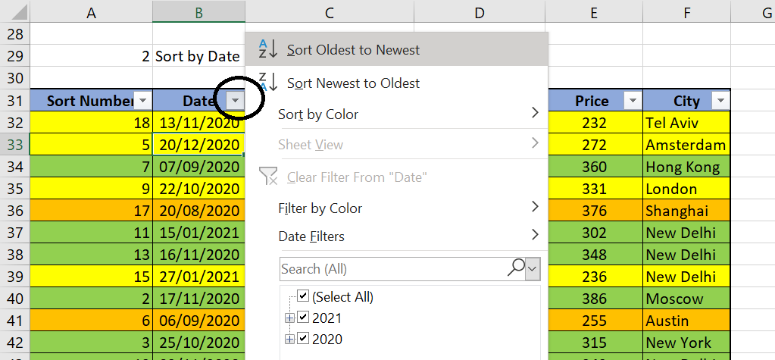
Sort Number | Date | Customer Name | Product | Price | City
10 | 2020-08-14 | Yifat | Oven | 242 | Mumbai
17 | 2020-08-20 | Jenna | Microwave | 376 | Shanghai
6 | 2020-09-06 | Kobe | Microwave | 255 | Austin
7 | 2020-09-07 | Donald | Washing Machine | 360 | Hong Kong
16 | 2020-10-04 | Terry | Food Processor | 259 | New Delhi
1 | 2020-10-21 | Tina | Dish Washer | 282 | Dubai
9 | 2020-10-22 | Drake | Dish Washer | 331 | London
3 | 2020-10-25 | Lawrence | Washing Machine | 315 | New York
12 | 2020-11-02 | Ralph | Oven | 342 | New Delhi
8 | 2020-11-06 | Tal | Washing Machine | 265 | Jerusalem
18 | 2020-11-13 | Benjamin | Dish Washer | 232 | Tel Aviv
13 | 2020-11-16 | John | Washing Machine | 348 | New Delhi
2 | 2020-11-17 | Kirk | Washing Machine | 386 | Moscow
5 | 2020-12-20 | Dina | Dish Washer | 272 | Amsterdam
4 | 2021-01-14 | Simona | Food Processor | 305 | Abu Dhabi
11 | 2021-01-15 | Joe | Oven | 302 | New Delhi
14 | 2021-01-15 | Samuel | Microwave | 346 | New York
15 | 2021-01-27 | Julius | Dish Washer | 236 | New Delhi

3 | Sort by the green color first

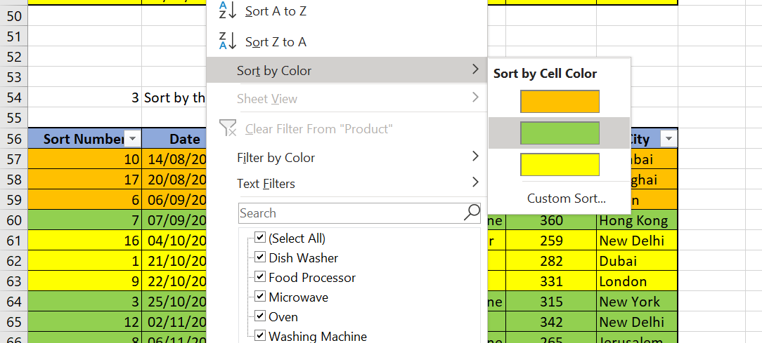
Sort Number | Date | Customer Name | Product | Price | City
7 | 2020-09-07 | Donald | Washing Machine | 360 | Hong Kong
3 | 2020-10-25 | Lawrence | Washing Machine | 315 | New York
12 | 2020-11-02 | Ralph | Oven | 342 | New Delhi
8 | 2020-11-06 | Tal | Washing Machine | 265 | Jerusalem
13 | 2020-11-16 | John | Washing Machine | 348 | New Delhi
2 | 2020-11-17 | Kirk | Washing Machine | 386 | Moscow
11 | 2021-01-15 | Joe | Oven | 302 | New Delhi
10 | 2020-08-14 | Yifat | Oven | 242 | Mumbai
17 | 2020-08-20 | Jenna | Microwave | 376 | Shanghai
6 | 2020-09-06 | Kobe | Microwave | 255 | Austin
16 | 2020-10-04 | Terry | Food Processor | 259 | New Delhi
1 | 2020-10-21 | Tina | Dish Washer | 282 | Dubai
9 | 2020-10-22 | Drake | Dish Washer | 331 | London
18 | 2020-11-13 | Benjamin | Dish Washer | 232 | Tel Aviv
5 | 2020-12-20 | Dina | Dish Washer | 272 | Amsterdam
4 | 2021-01-14 | Simona | Food Processor | 305 | Abu Dhabi
14 | 2021-01-15 | Samuel | Microwave | 346 | New York
15 | 2021-01-27 | Julius | Dish Washer | 236 | New Delhi

4 | Sort by: Product (A-Z) & City (A-Z)

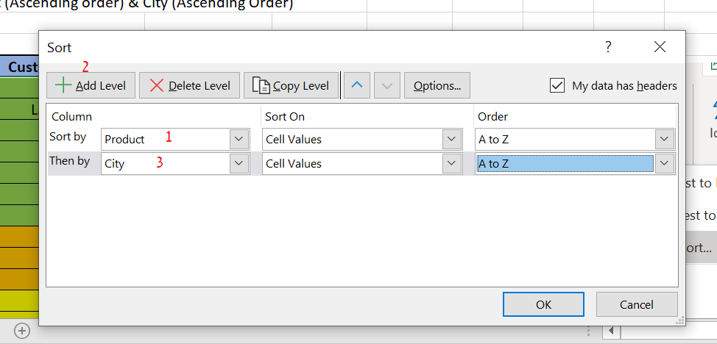
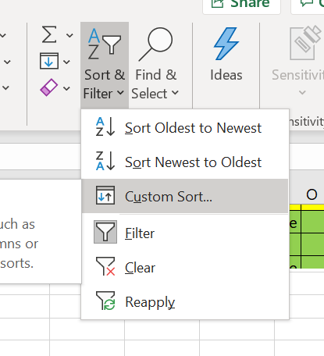
Sort Number | Date | Customer Name | Product | Price | City
5 | 2020-12-20 | Dina | Dish Washer | 272 | Amsterdam
1 | 2020-10-21 | Tina | Dish Washer | 282 | Dubai
9 | 2020-10-22 | Drake | Dish Washer | 331 | London
15 | 2021-01-27 | Julius | Dish Washer | 236 | New Delhi
18 | 2020-11-13 | Benjamin | Dish Washer | 232 | Tel Aviv
4 | 2021-01-14 | Simona | Food Processor | 305 | Abu Dhabi
16 | 2020-10-04 | Terry | Food Processor | 259 | New Delhi
6 | 2020-09-06 | Kobe | Microwave | 255 | Austin
14 | 2021-01-15 | Samuel | Microwave | 346 | New York
17 | 2020-08-20 | Jenna | Microwave | 376 | Shanghai
10 | 2020-08-14 | Yifat | Oven | 242 | Mumbai
12 | 2020-11-02 | Ralph | Oven | 342 | New Delhi
11 | 2021-01-15 | Joe | Oven | 302 | New Delhi
7 | 2020-09-07 | Donald | Washing Machine | 360 | Hong Kong
8 | 2020-11-06 | Tal | Washing Machine | 265 | Jerusalem
2 | 2020-11-17 | Kirk | Washing Machine | 386 | Moscow
13 | 2020-11-16 | John | Washing Machine | 348 | New Delhi
3 | 2020-10-25 | Lawrence | Washing Machine | 315 | New York

