Δv Budget
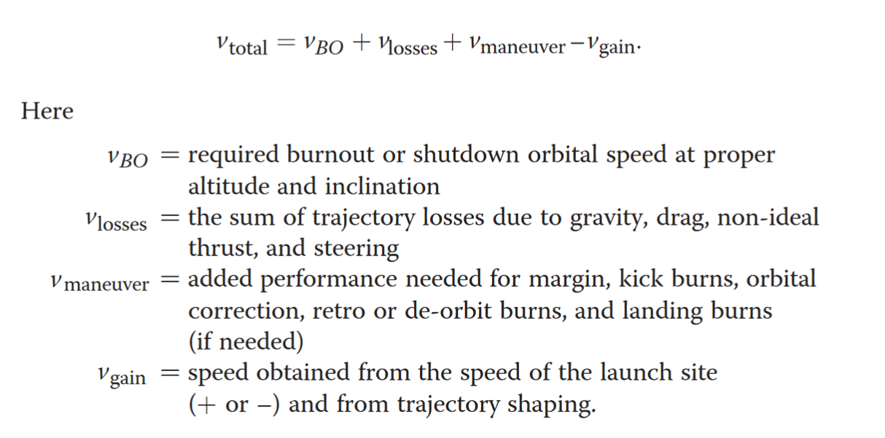
Total Δv Requirement |  |  | RFP stated requirement stat
 |  |  | Standard Constant
Standard Day Launch |  |  | Estimate
Std Pressure (psi) | 2.73
Std Pressure (Pa) | 18822.687429
Std Temperature (deg F) | -69.7
Std Temperature (K) | 216.65
Std Specific Heat Constant | 1.4
Constant
Air Gas Constant (J/Kg K) | 287
Gravitational Constant (N m^2/kg^2) | 6.67E-11
Mass of the Earth (kg) | 5.97E+24
Radius of the Earth (m) | 6.38E+06

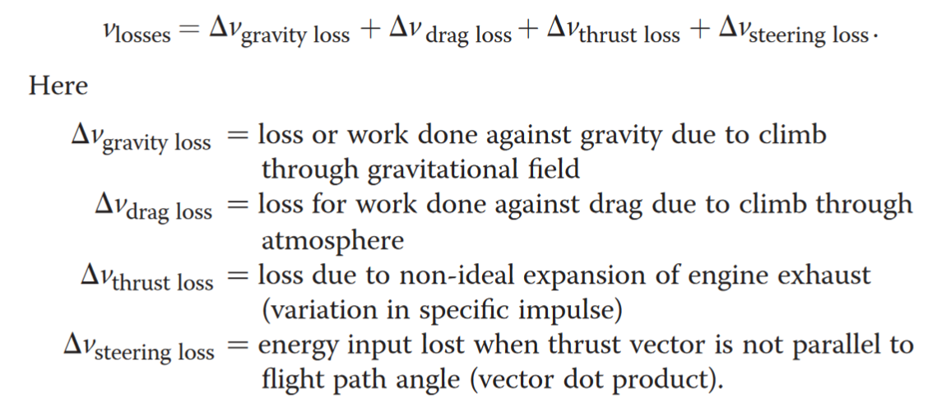
Requirements
Desired Altitude (ft) | 825000 | Desired Altitude (m) | 251460
Desired Velocity (ft/s) | 25440 | Desired Velocity (m/s) | 7754.112
Orbit Inclination (deg) | 180
Orbit Eccentricity | 0
Release Altitude (ft) | 40000 | Release Altitude (m) | 12192
Release Mach Number | 0.85 | Release Velocity (m/s) | 250.78597115

Orbital Δv
LV Orbital & Launch Δv (m/s) | 7503.3260289

Loss Estimates
Δv Gravity Loss (m/s) | 2121.8954708
Δv Gravity with 80% Modifier | 1697.5163767
Δv Drag Loss (m/s) | 80
Δv Thrust Loss (m/s) | 150
Δv Steering Loss (m/s) | 360

Maneuver Δv
2nd Stage De-orbit (m/s) | 50
2nd Stage Orbital Correction (m/s) | 100

Launch Site Gain Δv
LS ECI Speed (m/s) | -465.1

Total Δv Budget
Total loss (m/s) | 2287.5163767
Reserved Δv (m/s) | 195.81684811
Total Budget (m/s) | 10601.759254

