P1
 | X11 | X12 | X13 | X21 | X22 | X23 | X31 | X32 | X33 | X41 | X42 | X43
FO | 2800 | 320 | 2595 | 7700 | 5310 | 7692 | 6750 | 4295 | 6585 | 10600 | 8283 | 10565
 | 0 | 0 | 0 | 1000 | 820 | 597 | 0 | 0 | 0 | 0 | 380 | 0

R1 | 1 | 0 | 0 | 1 | 0 | 0 | 1 | 0 | 0 | 1 | 0 | 0 | <= | 1000
R2 | 0 | 1 | 0 | 0 | 1 | 0 | 0 | 1 | 0 | 0 | 1 | 0 | <= | 1200
R3 | 0 | 0 | 1 | 0 | 0 | 1 | 0 | 0 | 1 | 0 | 0 | 1 | <= | 597
R4 | 1 | 1 | 1 | 1 | 1 | 1 | 0 | 0 | 0 | 0 | 0 | 0 | >= | 600
R5 | 0 | 0 | 0 | 0 | 0 | 0 | 1 | 1 | 1 | 0 | 0 | 0 | <= | 550
R6 | 0 | 0 | 0 | 0 | 0 | 0 | 0 | 0 | 0 | 1 | 1 | 1 | <= | 380
R7 | 0 | 0 | 0 | 0 | 0 | 0 | 0 | 0 | 0 | 1 | 1 | 1 | >= | 310

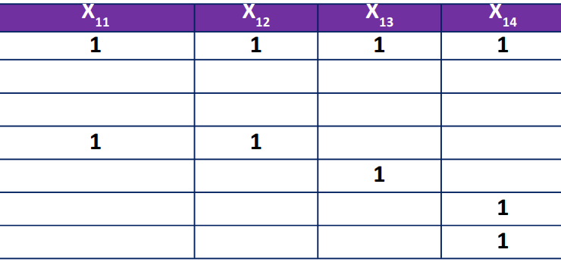
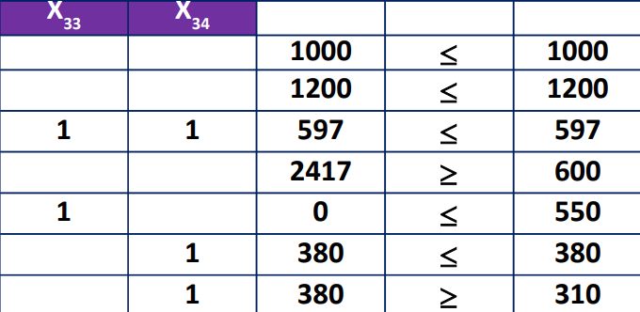
FO | 19793864
R1 | 1000
R2 | 1200
R3 | 597
R4 | 2417
R5 | 0
R6 | 380
R7 | 380

