Worksheet
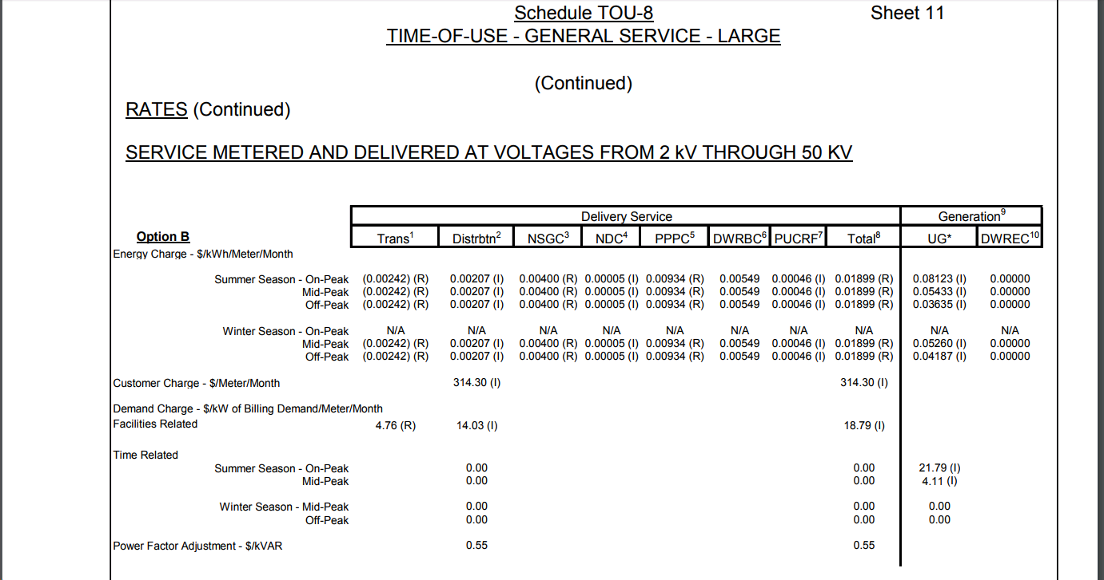
Source: https://www.sce.com/NR/sc3/tm2/pdf/ce54-12.pdf
 | Delivery |  |  |  |  |  |  |  | Generation
 | Trans (TOTCA) | Distrib | NSGC | NDC | PPPC | DWRBC | PUCRF | TOTAL | UG | DWREC
TRBAA | -0.00144
RSBAA | 0.00002
TACBAA | -0.001
 | -0.00242

Summer On-Peak | -0.00242 | 0.00207 | 0.004 | 0.00005 | 0.00934 | 0.00549 | 0.00046 | 0.01899 | 0.08123 | 0
Summer Mid-Peak | -0.00242 | 0.00207 | 0.004 | 0.00005 | 0.00934 | 0.00549 | 0.00046 | 0.01899 | 0.05433 | 0
Summer Off-Peak | -0.00242 | 0.00207 | 0.004 | 0.00005 | 0.00934 | 0.00549 | 0.00046 | 0.01899 | 0.03635 | 0
Winter On-Peak | 0 | 0 | 0 | 0 | 0 | 0 | 0 | 0.00000 | 0 | 0
Winter Mid-Peak | -0.00242 | 0.00207 | 0.004 | 0.00005 | 0.00934 | 0.00549 | 0.00046 | 0.01899 | 0.0526 | 0
Winter Off-Peak | -0.00242 | 0.00207 | 0.004 | 0.00005 | 0.00934 | 0.00549 | 0.00046 | 0.01899 | 0.04187 | 0

Demand Charge
FR | 4.76 | 14.03 |  |  |  |  |  | 18.79
Time-Related
Summer On-Peak |  |  |  |  |  |  |  |  | 21.79
Summer Mid-Peak |  |  |  |  |  |  |  |  | 4.11
Winter On-Peak |  |  |  |  |  |  |  |  | 0
Winter Mid-Peak |  |  |  |  |  |  |  |  | 0

PF |  | 0.55 |  |  |  |  |  | 0.55

