Groupes
Groupes

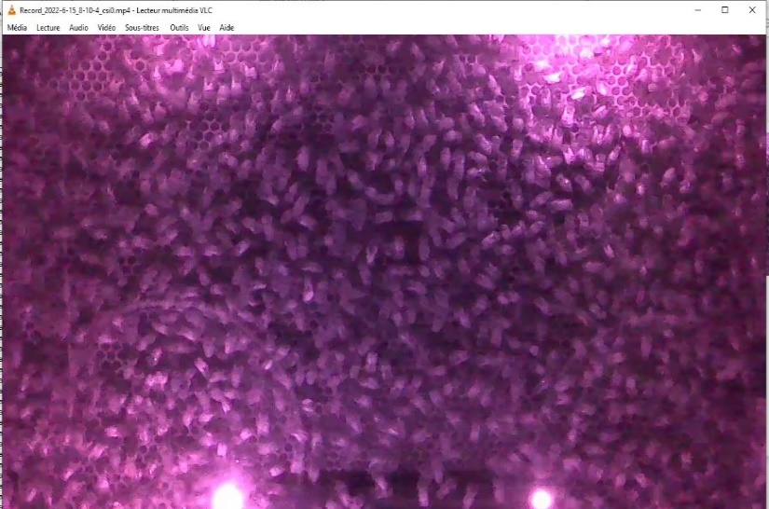 2202 — OK, LED apparente n°2 et LED apparente n°4 | 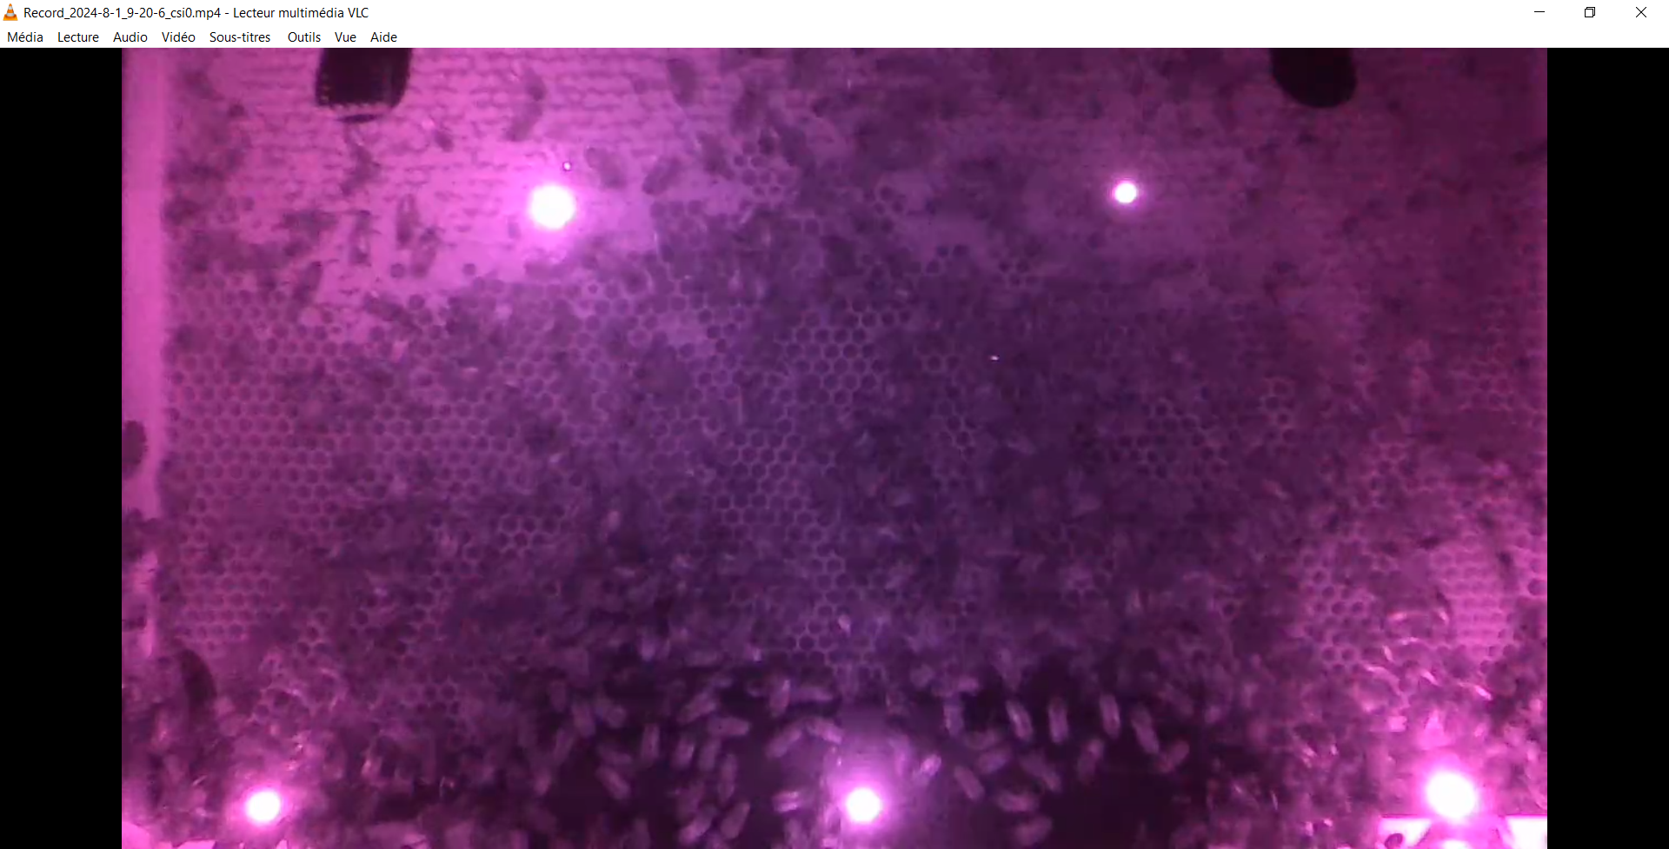 2202 — OK, LED apparente n°4 (1/5 LED très faible) | 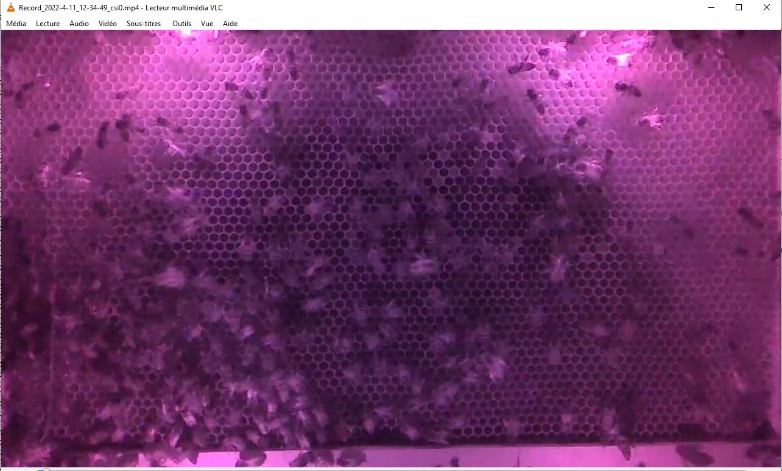 2202 — OK, LED non apparente

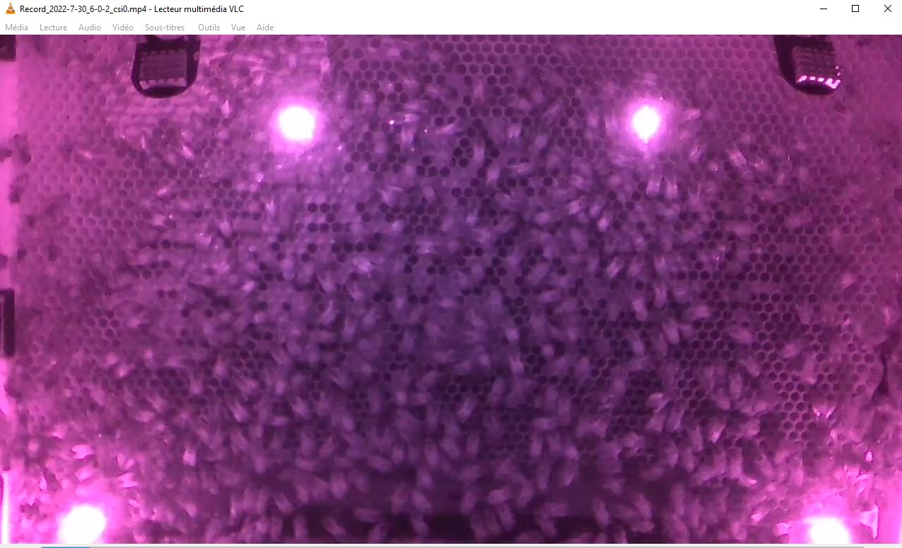 2202 — OK, LED apparente n°4 | 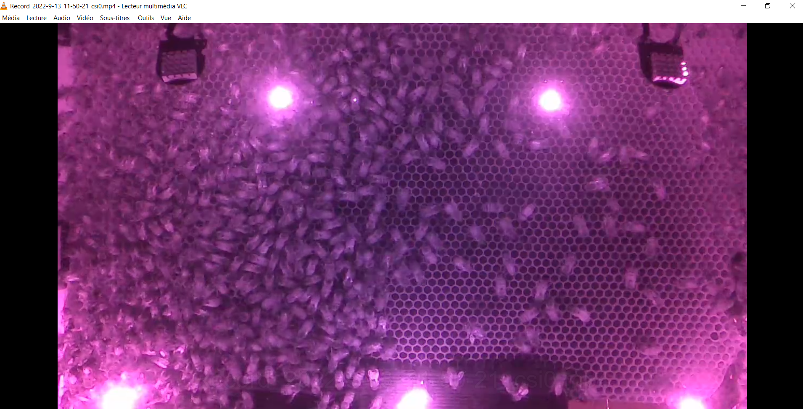 2202 — OK, LED apparente n°5 | 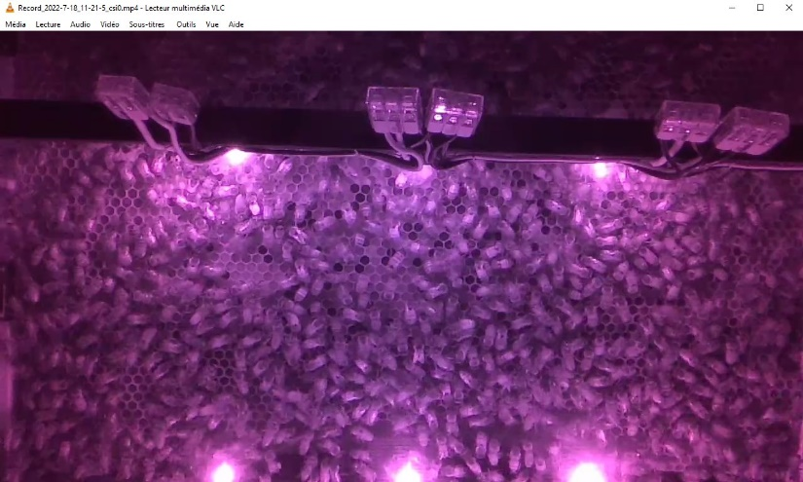 2202 — Setup caméra décalée A (6 LED, apparente n°5)

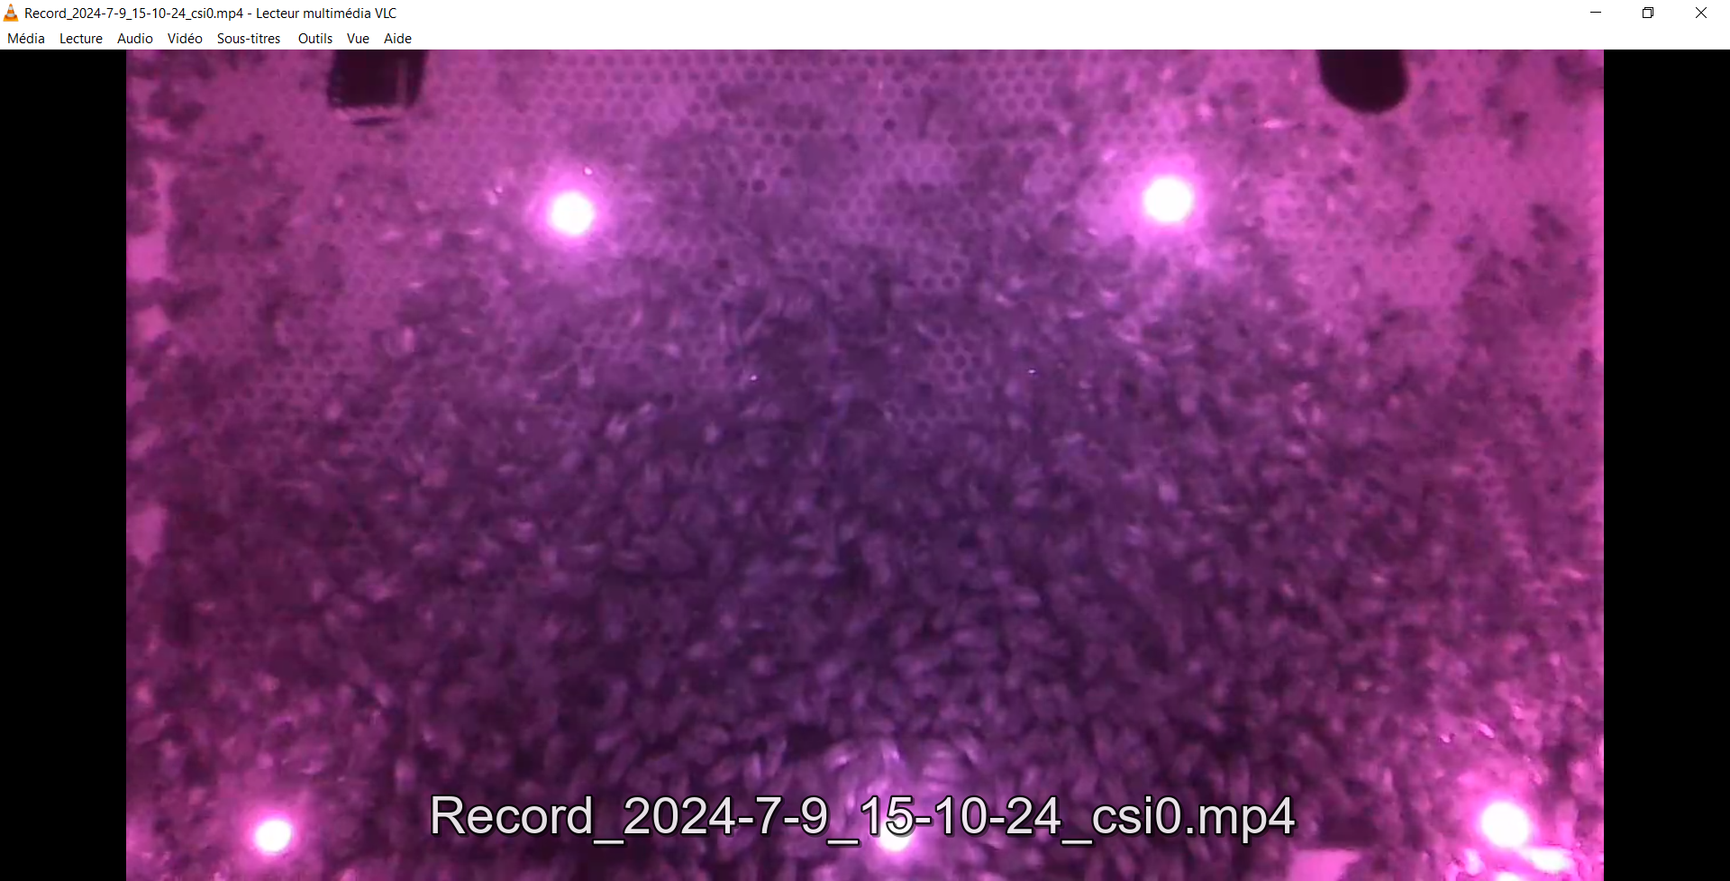 2202 — OK | 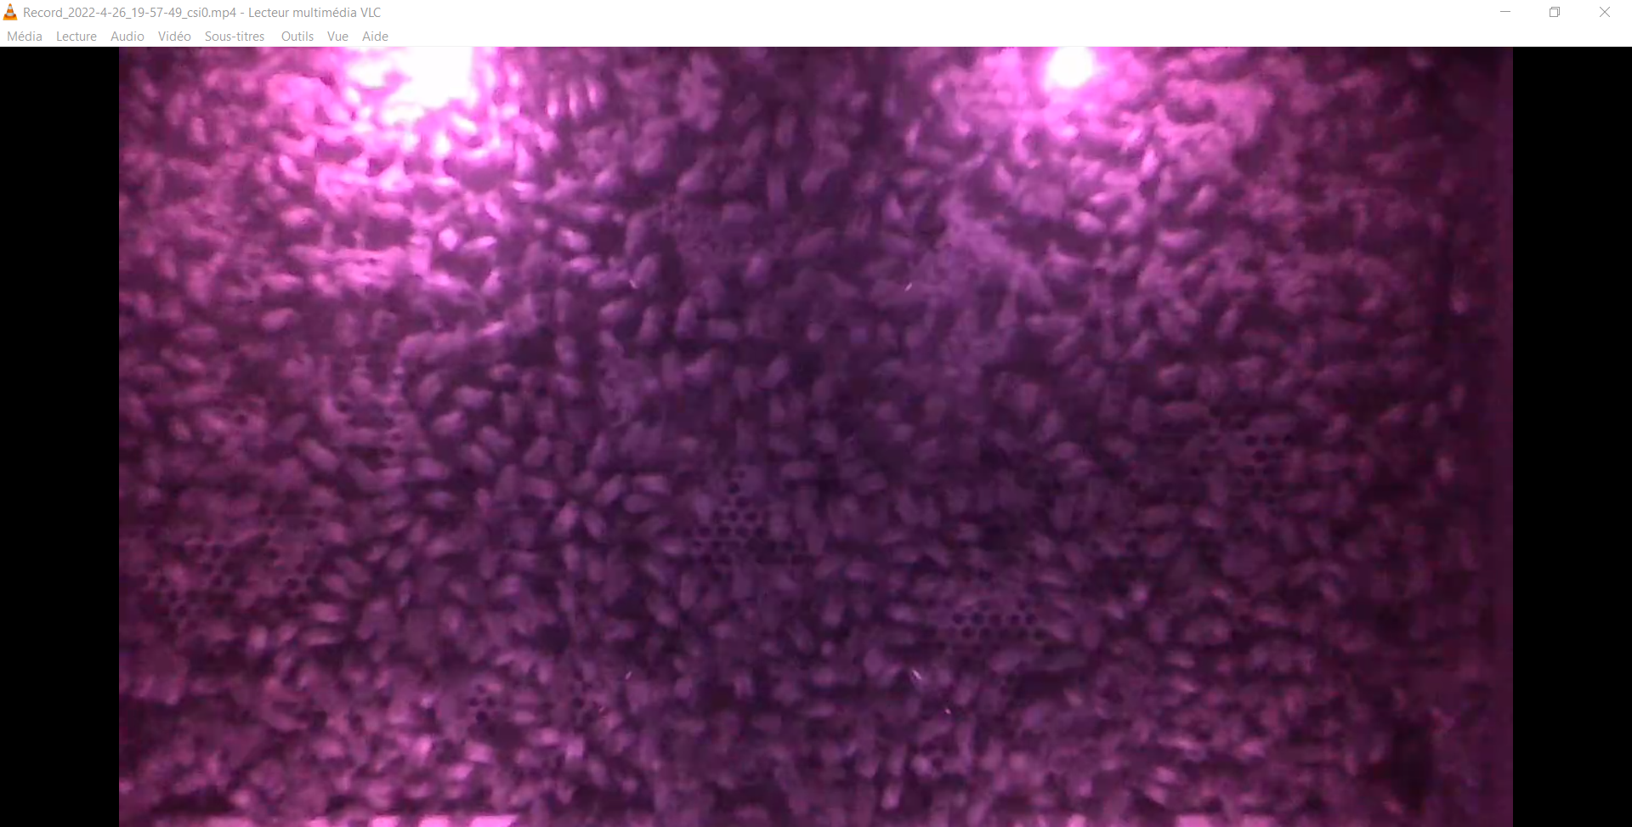 2203 — OK | 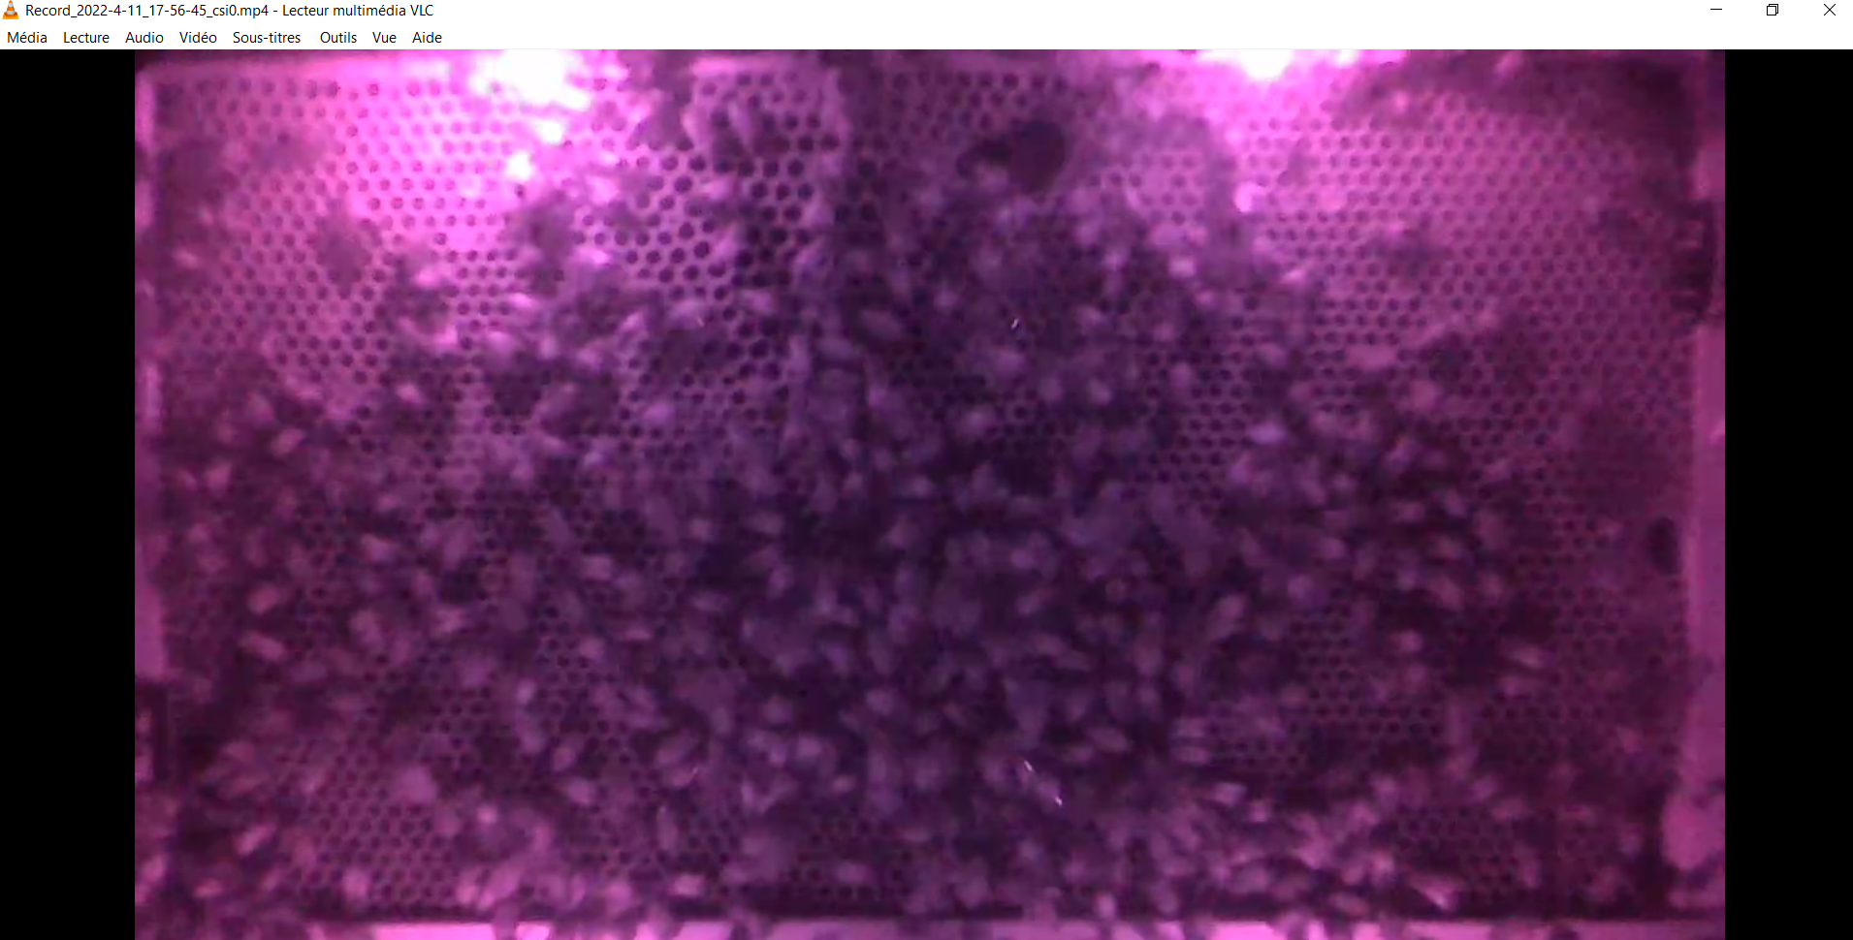 2203 — OK mais qualité vidéo faible (flou)

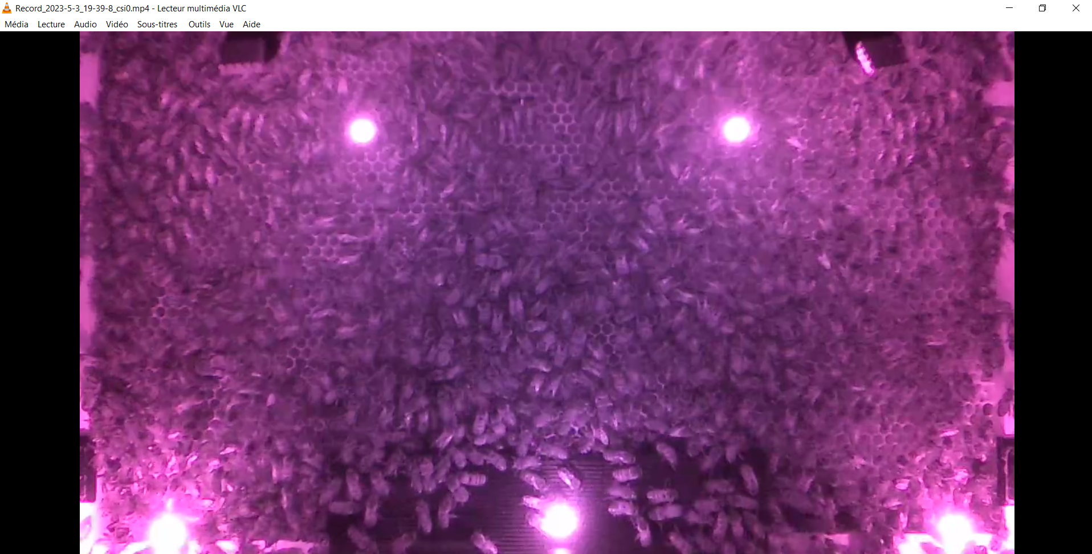 2206 — OK

