ReportSamples
Reports |  | Timing Report
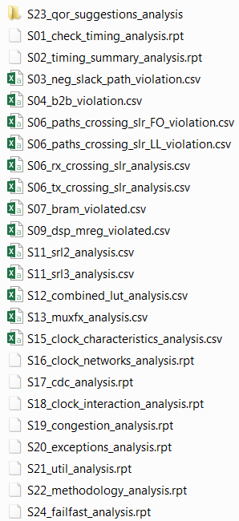

 | Critical Cells
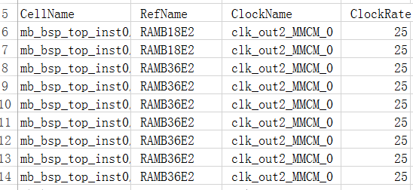

 |  |  | Clock Characteristics

