Sheet1
Regular structure/platform build and machine mount to structure
 | Fasteners material: Hot dip Galvanized (HDGA)
 | Component |  | Standard / norm
 | Hexagon head bolt |  | DIN 933 / DIN 931
 | Hexagon nut |  | DIN 934
 | Large plain washer |  | DIN 9021
 | Conical spring washer |  | DIN 6796
Structure /platform build and machine mount according to norm EN 1090-2
 | Fasteners material: Hot dip Galvanized (HDGA)
 | Component |  | Standard / norm
 | SB bolt and nut |  | EN15048-1
 | Large plain washer |  | ISO7093-1 with 200HV
 | Conical spring washer |  | DIN 6796
Machine build
Slot | Hole | Fasteners material:
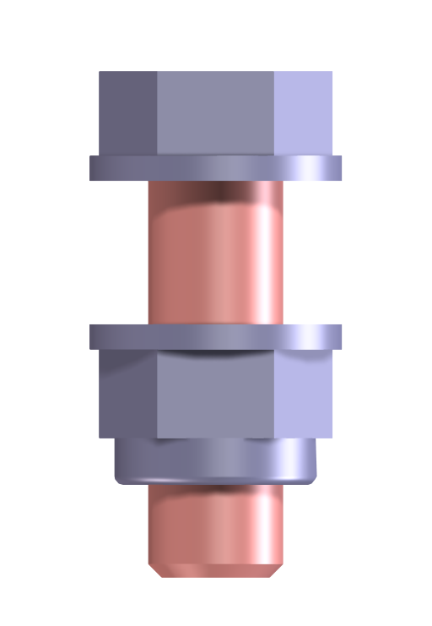 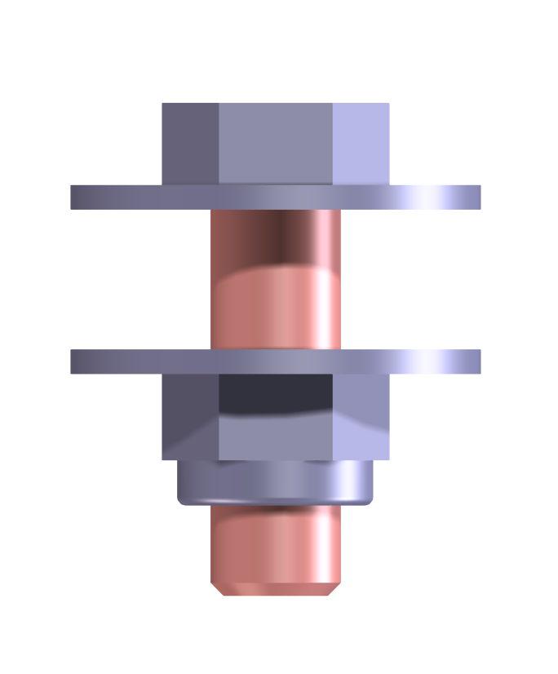 |  | - electrolytic galvanizing (ELVZ)
 |  | - INOX A2 *
 |  | Component |  | Standard / norm
 |  | Hexagon head bolt |  | DIN 933 / DIN 931
 |  | Hexagon locknut |  | DIN 985
 |  | Regular plain washer |  | DIN 125
 |  | Large plain washer |  | DIN 9021
 |  | *Remark: Always mount INOX with copper grease
Internal thread |  | Hexagon head bolt |  | DIN 933 / DIN 931
 |  | Large plain washer* |  | DIN 9021
 |  | Conical spring washer |  | DIN 6796
 |  | *Special case: When there is not enough space for a large plain washer, use small washer with Loctite 243 nutlock.

Positioning bolts |  | Threaded rod or bolt
 |  | 2x Hexagon nut* |  | DIN 934
 |  | (Large) plain washer |  | DIN 9021 / DIN125
 |  | *Use 2 regular nuts because there is no tension for spring washers

 |  |  |  |  | Required bolt length
 |  |  |  |  | Size | Clamp length + | with locknut | With springwasher
Washer
+
Washer Locknut
Washer
+
Washer Springwasher Nut
 |  |  |  |  | M8 |  | 15 | 16
 |  |  |  |  | M10 |  | 18.5 | 20
 |  |  |  |  | M12 |  | 22.5 | 25
 |  |  |  |  | M16 |  | 28 | 30
 |  |  |  |  | M20 |  | 33.5 | 36
 |  |  |  |  | M24 |  | 40 | 44

