ReadMe
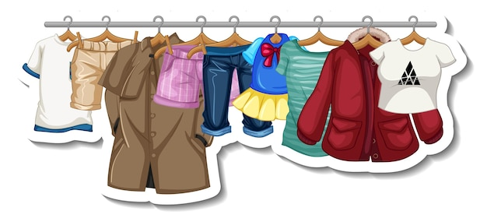


Proyecto:
Analisis de ventas
Indice:
-Dataset crudo: contiene el data set en formato CSV como se extrajo de la pagina web de kaggle.
-Dataset trabajado: contiene el data set trabajado con sus cambios de formatos.
-Auxiliar: Hoja utilizada para calculos y validaciones.
-Tablas dinamicas: hoja utilizada para armar tablas dinamicas.
-Dashboard: Dashboard.
-Preguntas y respuestas: contiene 6 preguntas con sus respectivas respuestas.
Tematica del dataset:
Este dataset contiene informacion acerca de las ventas de indumentaria de un shopping en Estados Unidos, cuanta con 20 columnas las cuales son Costumer ID (ID por cada venta), Data Sale (fecha de cada venta) ,Age (edad del comprador), Gender (genero del comprador), Item purchased (articulo), Category (categoria), Purchased Amount USD (monto de la compra en USD),Location (ubicacion), Size (talle del articulo), Color (color del articulo), Season (temporada), Review Rating (calificacion del usuario), Suscripcion status (muestra si el usuario esta suscripto) , Payment Method (metodo de pago), Shipping Type (metodo de envio),Discount Applied (descuento aplicado),Promo Code Used (uso de codigo promocional),Previous Purchases (compras previas),Preferred Payment Method (metodo de pago preferido),Frequency of Purchases (frecuencia de compra).
Link del dataset:
https://www.kaggle.com/datasets/iamsouravbanerjee/customer-shopping-trends-dataset.
Procedimientos realizados:
El dataset estaba en formato CSV, se cambio a formato texto en columnas luego procedi a normalizar los datos como el purchase amount USD que estaba en formato general, se hizo una validacion con ventanas emergentes de todas las columnas, tambien se le agrego una columna de data sale utilizando la funcion aleatorio.entre luego procedi a copiar y pegar los datos como valores, se le agrego formato condicional a 3 columnas.
Funciones:
Se aplicaron las funciones vistas en clase como:
-PROMEDIO.SI(Tabla1[Size];'Preguntas y Respuestas'!B20;Tabla1[Age])
-CONTAR.SI(Tabla1[Review Rating];MAX(Tabla1[Review Rating]))
-BUSCARV(B26;'Dataset Trabajado'!B:G;6)
-INDICE('Dataset Trabajado'!N2:N3901;COINCIDIR(B26;'Dataset Trabajado'!B2:B3901))
-CONTAR.SI(Tabla1[Subscription Status];'Preguntas y Respuestas'!B32)/CONTARA(Tabla1[Subscription Status])
entre otras.
Tambien se utilizaron graficos y tablas dinamicas.

Dashboard
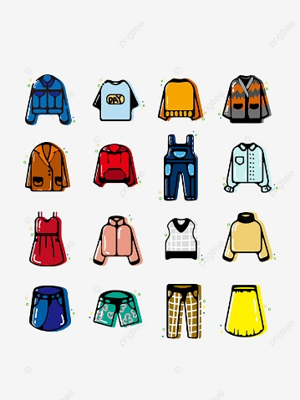
Monto total
Analisis de ventas de indumentaria
233.081 USD
Ventas por talle
 | Suma de Purchase Amount (USD) | Cuenta de Size
L | 61,667 USD | 1053
M | 105,167 USD | 1755
S | 40,468 USD | 663
XL | 25,779 USD | 429
Cantidad Total
Monto total por mes
 | Total
ene | 18,477 USD
feb | 15,612 USD
mar | 21,930 USD
abr | 21,161 USD
may | 21,872 USD
jun | 17,446 USD
jul | 19,739 USD
ago | 20,983 USD
sep | 19,702 USD
oct | 17,871 USD
nov | 18,246 USD
dic | 20,042 USD

3900

Ganancia por temporada y categoria
 | Accessories | Clothing | Footwear | Outerwear
Fall | 19,874 USD | 26,220 USD | 8,665 USD | 5,259 USD
Spring | 17,007 USD | 27,692 USD | 9,555 USD | 4,425 USD
Summer | 19,028 USD | 23,078 USD | 9,393 USD | 4,278 USD
Winter | 18,291 USD | 27,274 USD | 8,480 USD | 4,562 USD
Porcentaje Suscripcion
 | Total
No | 73%
Yes | 27%
Cantidad por temporada y categoria
 | Accessories | Clothing | Footwear | Outerwear
Fall | 324 | 427 | 136 | 88
Spring | 301 | 454 | 163 | 81
Summer | 312 | 408 | 160 | 75
Winter | 303 | 448 | 140 | 80

 | Promedio de Age | Status Subscription | Prom Review Rating
Female | 44 | 32.00% | 3.7
Male | 44 | 68.00% | 3.8
Monto y cantidad por metodo de envio
 | Suma de Purchase Amount (USD) | Cuenta de Shipping Type
2-Day Shipping | 38,080 USD | 627
Express | 39,067 USD | 646
Free Shipping | 40,777 USD | 675
Next Day Air | 37,993 USD | 648
Standard | 38,233 USD | 654
Store Pickup | 38,931 USD | 650
Frecuencia de compra
 | Total
Annually | 572
Bi-Weekly | 547
Every 3 Months | 584
Fortnightly | 542
Monthly | 553
Quarterly | 563
Weekly | 539

