overview
Political Membership Likelihood of Argumentative Text
This spreadsheet book shows the results of the Political Membership Likelihood for different chunks of text related to the topic Abortion. The target or unknown texts are the results of querying for Abortion on args.me, which are compared with the content of a political party from the Canadian Parliament, deciding on which party is more likely to be the author of this target text. The model is based on Authorship Verification using the norm Spatium-L1 to measure similarity between collections of the 200 most frequent words found in separate chucks of text.
The collections are built for each of the Political parties of the House of Commons of the Canadian Parliament, ranging its extension to 8 different sizes: 400, 800, 1200, 1600, 2000, 3000, 4000 and 5000 words. This is done extracting text related with abortion from debates between the members of the House of Commons distinguishing their Party Afiliation. So in total there are 40 collections of known text which differ in Party and length. The Purpose here is to analyse if the output converges or diverges when including more words in the known text collections.
For this purpose, 14 experiments were executed:
4 to measure the accuracy of the output: each unknown text is extracted from what members of the House of Commons have said about Abortion. Every unknown text MUST NOT be part of the collection to which it's compared.
7 from arguments related with abortion from args.me (intercalating stances pro/con)
3 which are variations in the length of the unknown text in one of the previous experiments
The 5 main political parties of House of Commons of the Canadian Parliament are:
Bloc Quebecois
Independent and Green Party
New Democrat
Liberal
Progressive Conservative
So in total there are: 8 known text sizes * 5 Parties * 14 experiments = 560 Likelihood results.

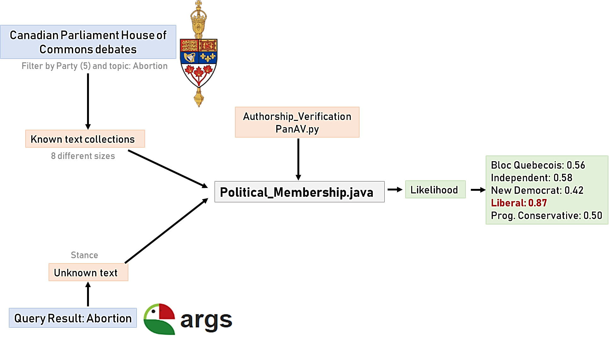

Sheets content:
dynamic (1): Results with data segmentation for unknown text and Party. In the dispersion graph the x-axis represents different values for the legth of the known text, and the y-axis the likelihhood for each Party (colors). The graph on the left in the accumulated values
dynamic (2): Results with data segmentation for unknown text and Party. Repesent the same as in dynamic (1) dispersion graph, but with horizontal bars for clarification and comparison.
dynamic and graph (3): Analyse the changes in the output for different extension of the unknown text for the case Abortion06. The extension are 500, 1000, 1900 and 3300 words.

dynamic (1)
Promedio de Likelihood | Known-Text Lenght
Political Membership | 400 | 800 | 1200 | 1600 | 2000 | 3000 | 4000 | 5000 | Total general
Bloc_Quebecois | 45% | 50% | 50% | 48% | 49% | 47% | 48% | 39% | 47%
Independent | 38% | 40% | 43% | 44% | 50% |  |  |  | 43%
Liberal | 45% | 50% | 50% | 81% | 50% | 86% | 83% | 94% | 67%
New_Democrat | 86% | 50% | 50% | 48% | 48% | 47% | 48% | 41% | 52%
Progressive_Conservative | 47% | 48% | 48% | 48% | 46% | 46% | 47% | 40% | 46%
 | 400 | 800 | 1200 | 1600 | 2000 | 3000 | 4000 | 5000
Bloc_Quebecois | 45% | 50% | 50% | 48% | 49% | 47% | 48% | 39%
Independent | 38% | 40% | 43% | 44% | 50%
Liberal | 45% | 50% | 50% | 81% | 50% | 86% | 83% | 94%
New_Democrat | 86% | 50% | 50% | 48% | 48% | 47% | 48% | 41%
Progressive_Conservative | 47% | 48% | 48% | 48% | 46% | 46% | 47% | 40%

Political Membership | 400 | 800 | 1200 | 1600 | 2000 | 3000 | 4000 | 5000
Bloc_Quebecois | 0.45 | 0.5 | 0.5 | 0.48 | 0.485 | 0.47 | 0.475 | 0.39
Independent | 0.384 | 0.396 | 0.425 | 0.44 | 0.5 | 0 | 0 | 0
Liberal | 0.45 | 0.5 | 0.5 | 0.809 | 0.5 | 0.862 | 0.828 | 0.937
New_Democrat | 0.864 | 0.5 | 0.5 | 0.48 | 0.48 | 0.47 | 0.475 | 0.41
Progressive_Conservative | 0.47 | 0.475 | 0.477 | 0.476 | 0.461 | 0.455 | 0.465 | 0.4

General score analysis and with changes in known-text lenght
Graphs: | 1. Accumulated
 | 2. Changes with lenght of know-text

Which has the highest accumulated value for all lenghts (watch for Independent)?
Which Party is the program choosing?
Compare two parties
* Analise cases considering that IND has no values for known text lenght > 2000
* Analise just Reliability cases

Apparently Bloc Quebecois and New Democrats are similar

dynamic (2)
Promedio de Likelihood | Known-Text Lenght
Political Membership | Bloc_Quebecois | Liberal
400 | 0.442 | 0.784
800 | 0.468 | 0.5
1200 | 0.5 | 0.476
1600 | 0.477 | 0.5
2000 | 0.5 | 0.473
3000 | 0.874 | 0.43
4000 | 0.915 | 0.425
5000 | 0.947 | 0.385
Total general | 0.640375 | 0.496625

General score analysis and with dicriminated by Party (could be independently analised)
Graphs: | 1. Changes with known-text lenght

Which lenght perform better?
Compare two parties
* Analise just know-text-lenght extension changes in results for Problem 6
(include seconf graph (dispersion) that will output pretty mcuh the same as last one

The likelihood gets better with the extension of the known text when is the same paty author, and decreseases when is another one. This is the expected behaviour.
This behaviour is NOT observed with the independent party…

graph (3)
 | Bloc_Quebecois | Liberal | New_Democrat | Progressive_Conservative
Abortion06a(500) | 61% | 47% | 57% | 48%
Abortion06b(1000) | 55% | 47% | 61% | 48%
Abortion06b(1900) | 65% | 45% | 52% | 48%
Abortion06b(3300) | 61% | 45% | 57% | 48%

