Gráfico1
DCGAN Anomaly score: 3 samples x 3 different classes
 | sample1 | sample2 | sample3
crater | 962 | 1402 | 1130
dunes | 1384 | 1464 | 1430
impact | 1608 | 1635 | 1531

craters1st
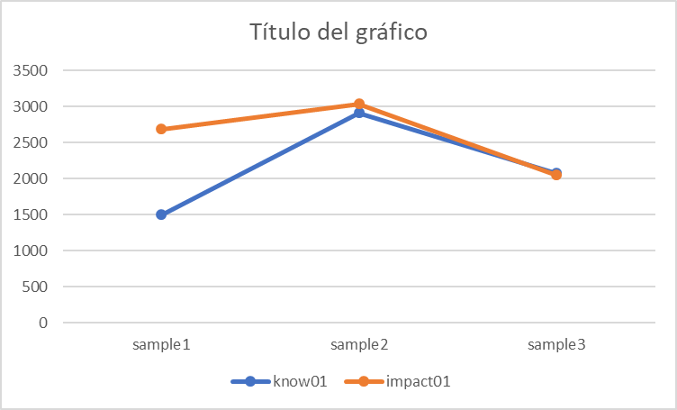
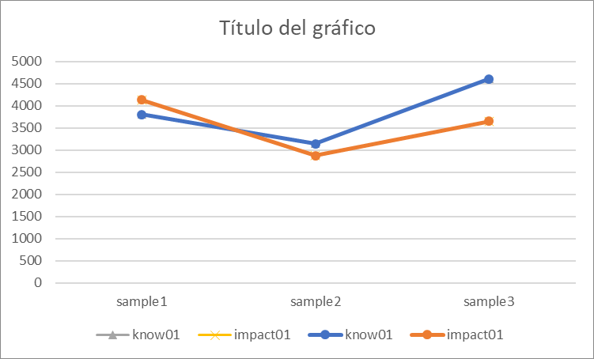
 |  |  |  |  |  |  |  |  |  | crater | dunes | impact | (excluding the highest)
crater1 | Epoch: | [99] | anomaly | score: | 1714 | res | loss: | 1,397 | sample1 | 962 | 1384 | 1608
crater2 | Epoch: [99], anomaly score: 1402.53881836, res loss: 1237.16247559 |  |  |  |  |  |  |  | sample2 | 1402 | 1464 | 1635
crater3 | Epoch: [99], anomaly score: 2534.20214844 |  |  |  |  |  |  |  | sample3 | 1130 | 1430 | 1531
crater4 | Epoch: | [99] | anomaly | score: | 1,130 | res | loss: | 859 | Average | 1164.6666667 | 1426 | 1591.3333333
dunes1 | Epoch: [99], anomaly score: 1384.88452148, res loss: 1138.75842285
dunes2 | Epoch: [99], anomaly score: 1464.41857910, res loss: 1177.73754883
dunes3 | Epoch: [99], anomaly score: 1956.72900391, res loss: 1625.25146484
dunes4 | Epoch: [99], anomaly score: 1430.45507812, res loss: 1141.89868164
impact1 | Epoch: [99], anomaly score: 1608.17456055, res loss: 1370.74670410
impact2 | Epoch: [99], anomaly score: 1635.97509766, res loss: 1454.05761719
impact3 | Epoch: [99], anomaly score: 1531.32739258, res loss: 1366.94873047
impact4 | Epoch: [99], anomaly score: 2136.07983398, res loss: 1791.85034180

 |  | anomaly score: 2830.54443359, res loss: 2513.05346680
 |  | anomaly score: 1498.08105469, res loss: 1116.80249023
 |  | anomaly score: 4066.73388672, res loss: 3869.31909180
 |  | anomaly score: 2909.06176758, res loss: 2598.62451172
 |  | anomaly score: 3494.43261719, res loss: 3309.28564453
 |  | anomaly score: 2073.44799805, res loss: 1700.73950195
 |  |  |  |  |  |  | class | start | end | diff | start_res | end_res | diff_res |  | know01 | impact01
 |  | anomaly score: 4003.14624023, res loss: 4000.47753906 |  |  |  |  | know01 | 3800 | 2661 | 1139 | 3618 | 2374 | 1244 | sample1 | 2661 | 2597
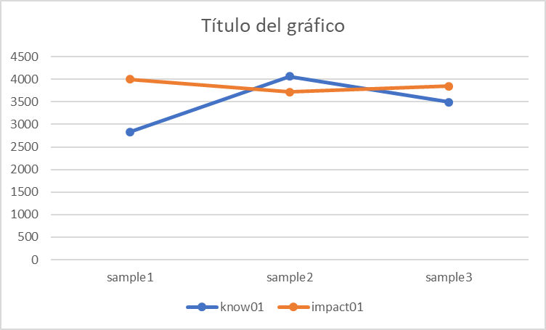
 |  | anomaly score: 2684.16308594, res loss: 2443.79736328 |  |  |  |  | know01 | 3145 | 1599 | 1546 | 2855 | 1241 | 1614 | sample2 | 1599 | 1575
 |  | anomaly score: 3719.84887695, res loss: 3713.60986328 |  |  |  |  | know01 | 4603 | 3391 | 1212 | 4667 | 3340 | 1327 | sample3 | 3391 | 2765
 |  | anomaly score: 3033.86181641, res loss: 3001.26318359 |  |  |  |  | impact01 | 4135 | 2597 | 1538 | 4086 | 2379 | 1707 |  | 2550.3333333 | 2312.3333333
 |  | anomaly score: 3846.29125977, res loss: 3658.12182617 |  |  |  |  | impact01 | 2871 | 1575 | 1296 | 2680 | 1259 | 1421
 |  | anomaly score: 2049.24194336, res loss: 1695.42126465 |  |  |  |  | impact01 | 3647 | 2765 | 882 | 3683 | 2710 | 973

